Page1_ExecutiveOverview
 | Executive Overview - Weather Impact on Electricity Markets

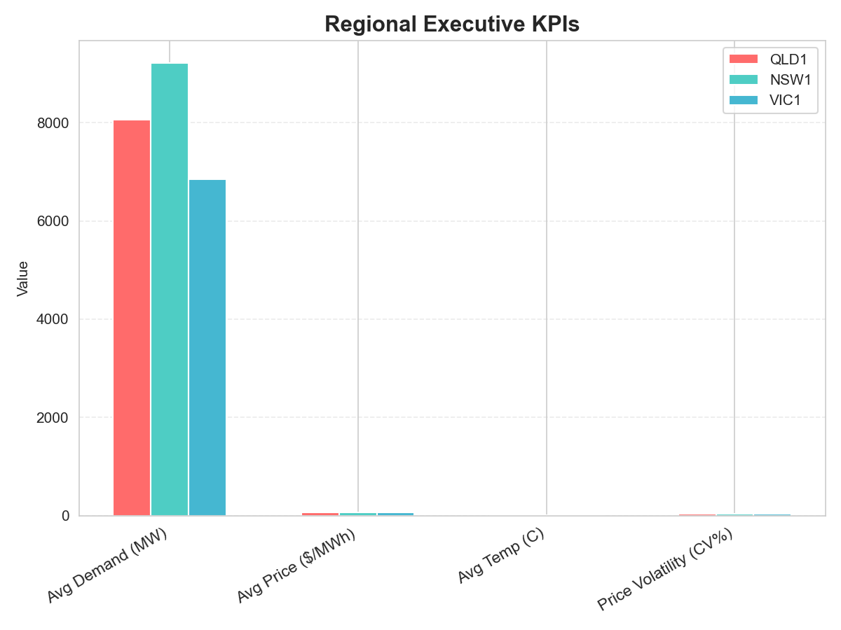
 | Key Metrics (by Region)
 | Average Demand (MW) | Average Price ($/MWh) | Average Temp (C) | Price Volatility (CV%)
QLD1 | 8,055 | $64.72 | 16.2 | 36.6%
NSW1 | 9,215 | $64.73 | 12.1 | 37.3%
VIC1 | 6,854 | $64.80 | 11.3 | 36.7%

 | Page Description:
 | This page summarizes market-wide weather and price impacts, headline KPIs per region, and key recommendations. See other pages for deeper visual, statistical, and event-driven insights.

Page2_RegionalAnalysis
Regional Analysis - Sensitivity & Event Impacts

Regional Comparison Summary

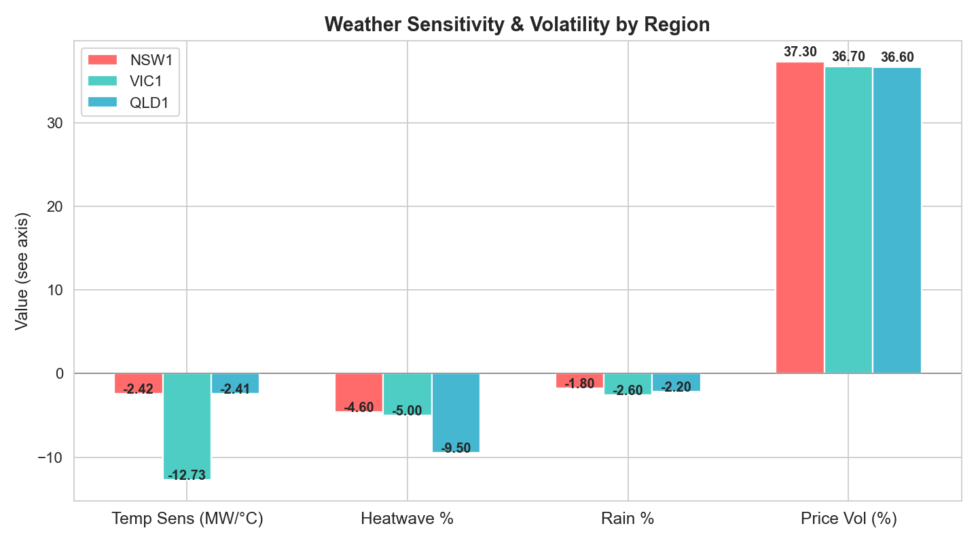
Region | Temp Sensitivity (MW/°C) | Heatwave Impact (%) | Rain Impact (%) | Price Volatility (CV%) | High Price Freq (>$100)
NSW1 | -2.42 | -4.6 | -1.8 | 37.3 | 10.7%
VIC1 | -12.73 | -5.0 | -2.6 | 36.7 | 9.7%
QLD1 | -2.41 | -9.5 | -2.2 | 36.6 | 9.8%

Includes summary of regional weather and price sensitivity, volatility, and event statistics.

Page3_PriceAnalysis
Price Analysis - Distribution, Spikes, & Extreme Events

Price Metrics and Spike Frequencies

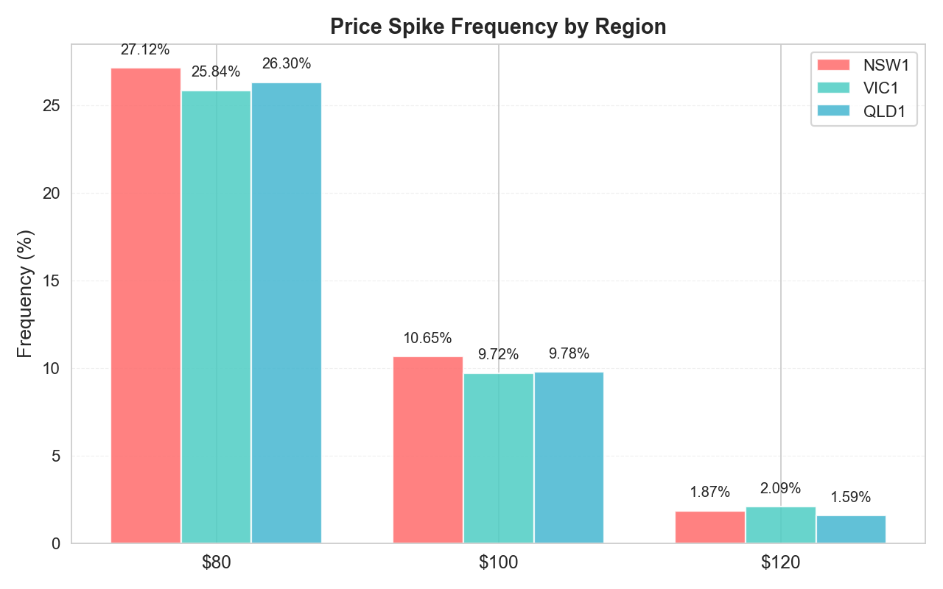
Region | Mean Price ($/MWh) | Median | Std Dev | Min | Max | CV (%) | Price Spikes >$100 | Spike Freq (%)
NSW1 | 64.73 | 62.61 | 24.17 | 5.43 | 143.98 | 37.3 | 341 | 10.7
VIC1 | 64.80 | 62.99 | 23.80 | 6.01 | 142.81 | 36.7 | 310 | 9.7
QLD1 | 64.72 | 62.57 | 23.69 | 8.37 | 125.19 | 36.6 | 315 | 9.8

Includes key price metrics, volatility, and the frequency of spikes above $100/MWh.

Page4_WeatherImpact
Weather Impact - Correlations & KPIs

Weather Metrics & Correlations by Region

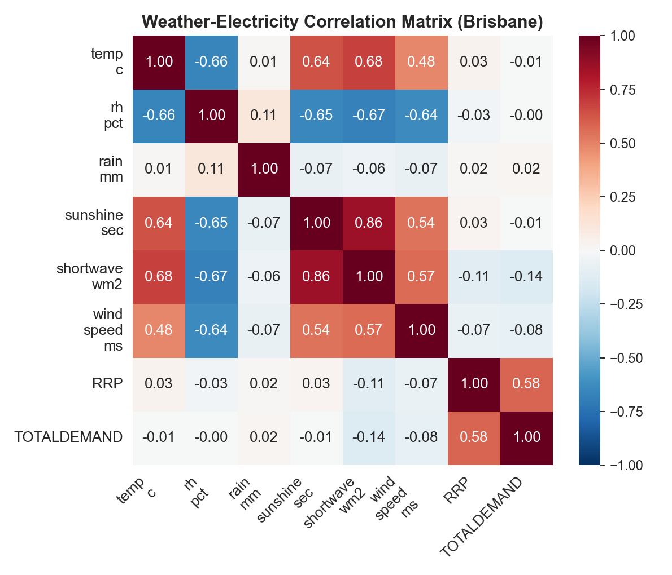
Region | Avg Temp (°C) | Avg Rain (mm) | Avg Solar (W/m²) | Avg Price ($/MWh) | Avg Demand (MW) | Price Spike %
NSW1 | 12.2 | 0.31 | 134 | 64.73 | 9,215 | 10.7
VIC1 | 11.3 | 0.41 | 117 | 64.80 | 6,854 | 9.7
QLD1 | 16.2 | 0.21 | 171 | 64.72 | 8,055 | 9.8

Page covers how temperature, rainfall, and solar drive electricity price, demand, and price spikes.

Page5_TemporalPatterns
Temporal Patterns - Hourly & Daily Trends

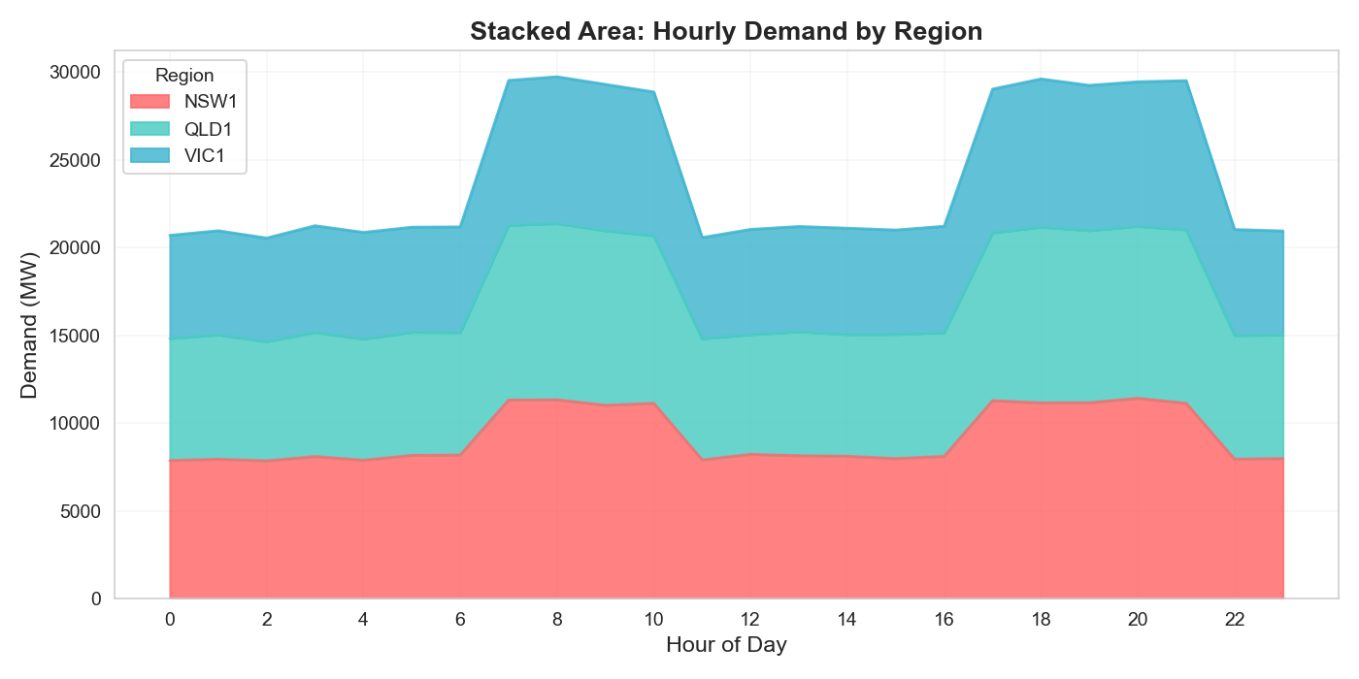
Hourly and Daily Demand & Price Patterns by Region

Hour | QLD1_Demand | QLD1_Price | NSW1_Demand | NSW1_Price | VIC1_Demand | VIC1_Price
0 | 6,952 | 49.51 | 7,864 | 49.89 | 5,880 | 51.25
1 | 7,083 | 49.08 | 7,939 | 49.27 | 5,938 | 52.57
2 | 6,796 | 48.99 | 7,844 | 49.61 | 5,901 | 51.04
3 | 7,076 | 48.55 | 8,092 | 51.02 | 6,078 | 51.35
4 | 6,902 | 49.98 | 7,883 | 48.87 | 6,080 | 49.47
5 | 7,017 | 50.47 | 8,156 | 49.93 | 5,988 | 48.38
6 | 6,981 | 50.11 | 8,178 | 47.90 | 6,020 | 49.92
7 | 9,962 | 87.72 | 11,309 | 87.45 | 8,255 | 86.85
8 | 10,043 | 86.70 | 11,322 | 92.77 | 8,368 | 90.43
9 | 9,949 | 89.40 | 11,010 | 91.19 | 8,340 | 89.09
10 | 9,546 | 90.70 | 11,122 | 93.15 | 8,199 | 89.18
11 | 6,902 | 51.74 | 7,898 | 48.90 | 5,771 | 49.74
12 | 6,825 | 49.32 | 8,216 | 48.70 | 5,995 | 49.98
13 | 7,067 | 50.24 | 8,137 | 49.19 | 5,996 | 52.26
14 | 6,940 | 50.88 | 8,108 | 49.20 | 6,056 | 49.10
15 | 7,080 | 49.58 | 7,973 | 50.79 | 5,947 | 49.25
16 | 7,049 | 51.49 | 8,100 | 48.77 | 6,064 | 49.72
17 | 9,560 | 93.11 | 11,278 | 89.57 | 8,194 | 88.48
18 | 10,019 | 88.53 | 11,145 | 89.27 | 8,446 | 88.10
19 | 9,811 | 91.26 | 11,156 | 89.03 | 8,277 | 89.76
20 | 9,798 | 89.46 | 11,410 | 90.39 | 8,240 | 92.21
21 | 9,890 | 85.85 | 11,121 | 89.83 | 8,501 | 90.39
22 | 7,054 | 49.39 | 7,940 | 49.95 | 6,035 | 48.95
23 | 7,038 | 51.21 | 7,975 | 48.94 | 5,934 | 47.87

Shows typical demand and price by hour for QLD1, NSW1, VIC1.

Page6_BusinessValue
Business Value & Strategic Recommendations

Summary of Potential Savings and Strategic Actions

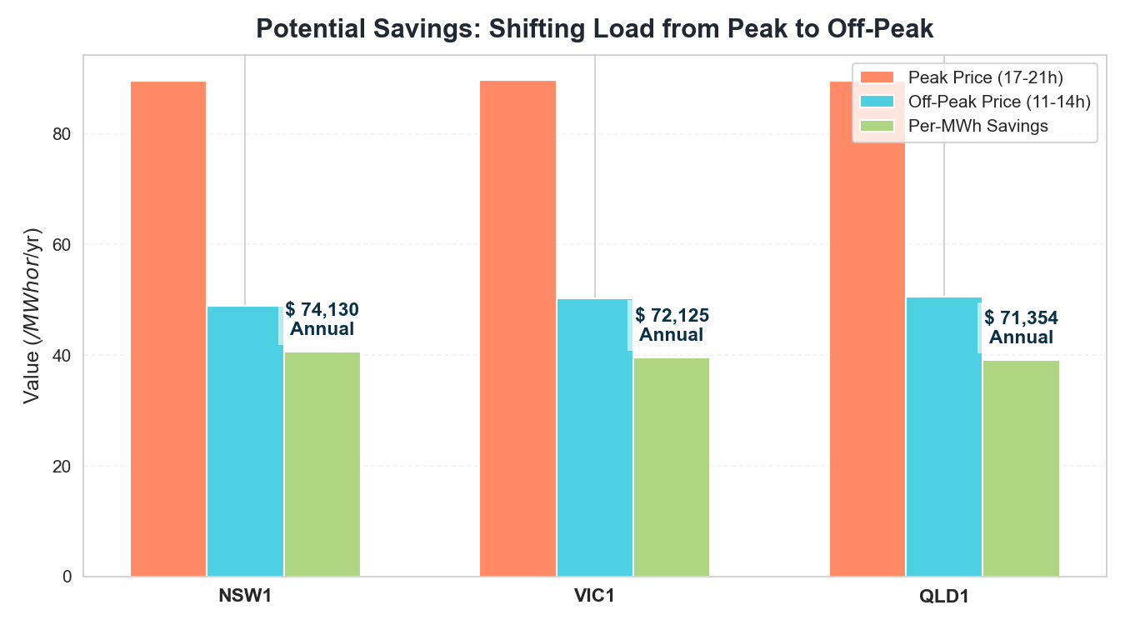
Region | Peak Price | Off-Peak Price | Savings per MWh | Annual Savings (1MW load)
NSW1 | $89.62 | $49.00 | $40.62 | $74,130
VIC1 | $89.79 | $50.27 | $39.52 | $72,125
QLD1 | $89.64 | $50.54 | $39.10 | $71,354

Potential savings are based on shifting 1MW of load from peak (17-21h) to off-peak (11-14h) periods.

Region | Top Demand Driver | Top Price Driver
NSW1 | Prev. Day Demand (0.52) | Solar Radiation (-0.19)
VIC1 | Prev. Day Demand (0.52) | Solar Radiation (-0.19)
QLD1 | Prev. Day Demand (0.52) | Solar Radiation (-0.19)

Strategic Recommendations:
1. Shift heavy usage to 11:00–14:00 for 40% savings. 2. Use demand response to avoid >$100/MWh prices. 3. Install solar/battery for midday low-price capture. 4. Optimize HVAC and schedule operations to weekends. 5. Watch thresholds: >20°C (peak demand), <100 W/m² solar (spike risk).

Sector-Specific Tips:
Industrial: Off-peak shift (15-25% savings). Commercial: HVAC/thermal storage optimization (12-18%). Household: Run appliances midday; pre-cool/heat before peak (10-15%).

Critical Risks & Mitigation:
Monitor: 17-21h peak, heatwaves, low solar for spikes. Mitigate: Automate load control, use energy storage, prioritize solar forecasts.

