temperature
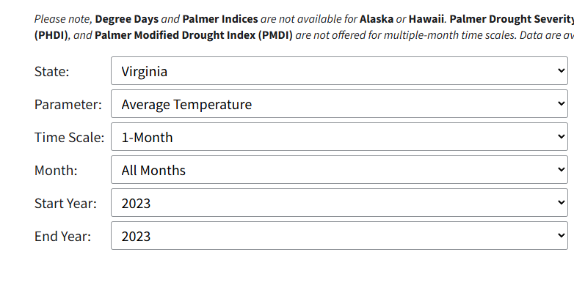
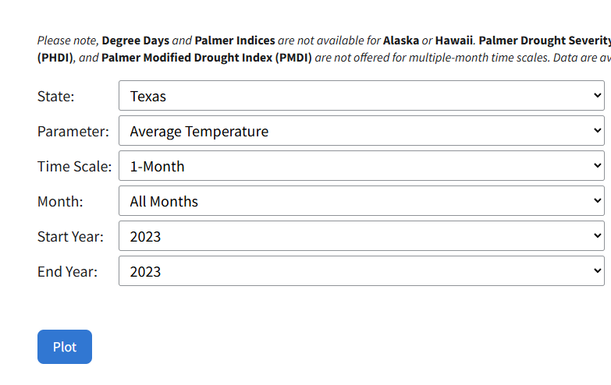
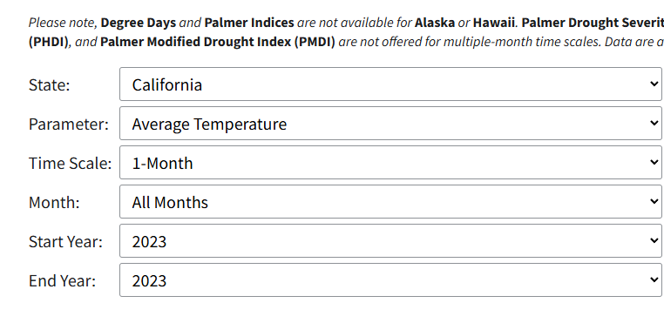
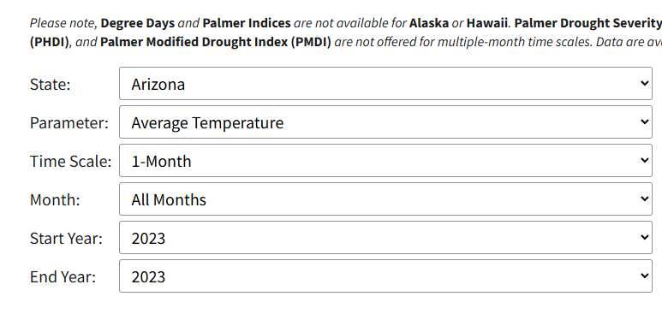
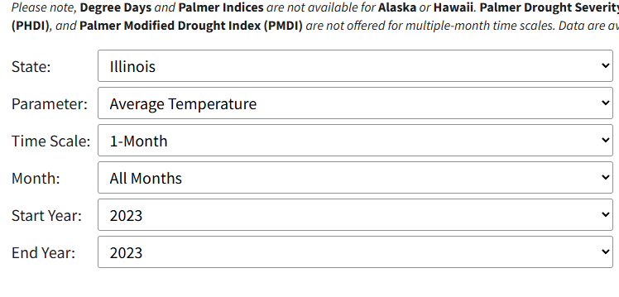
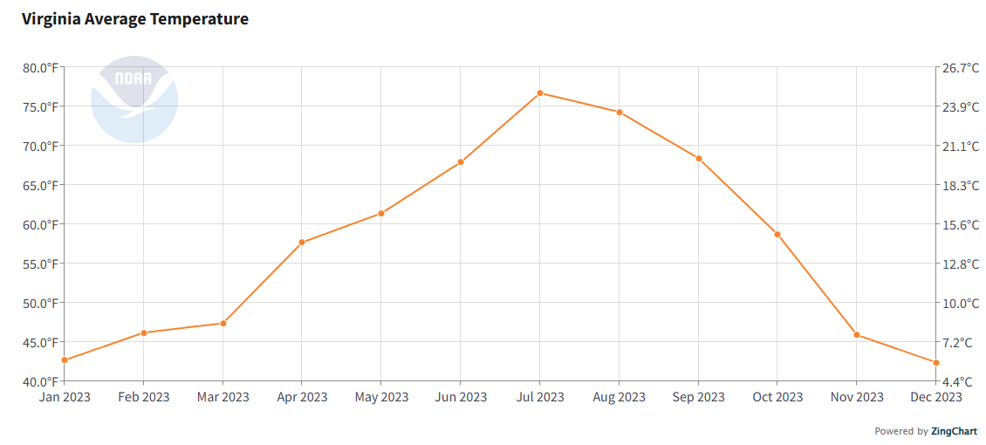
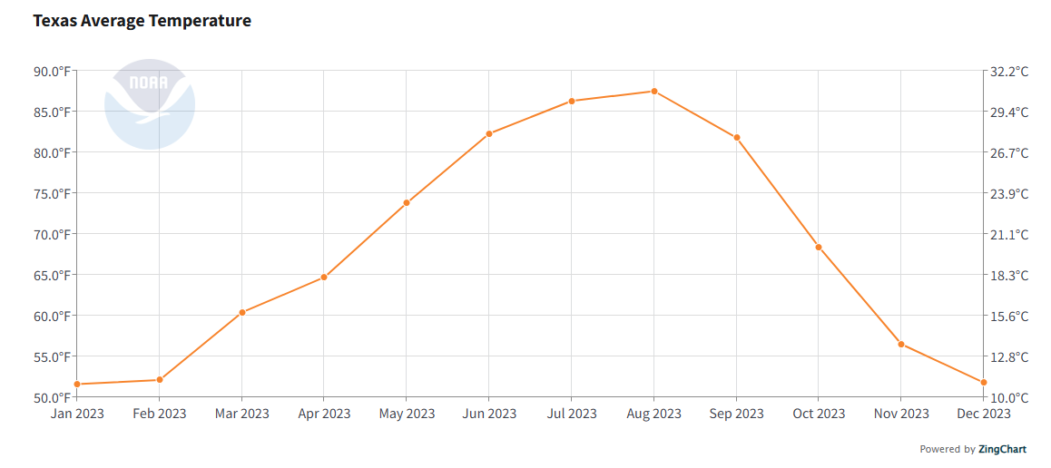
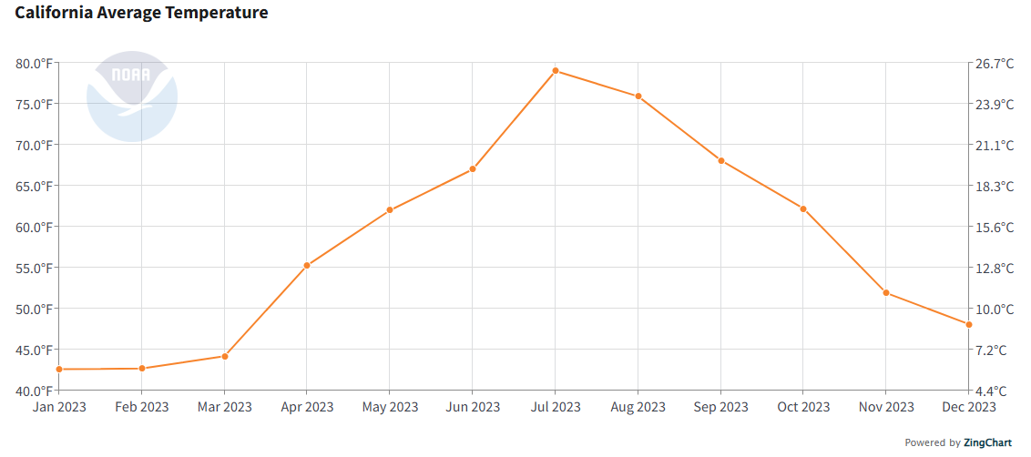
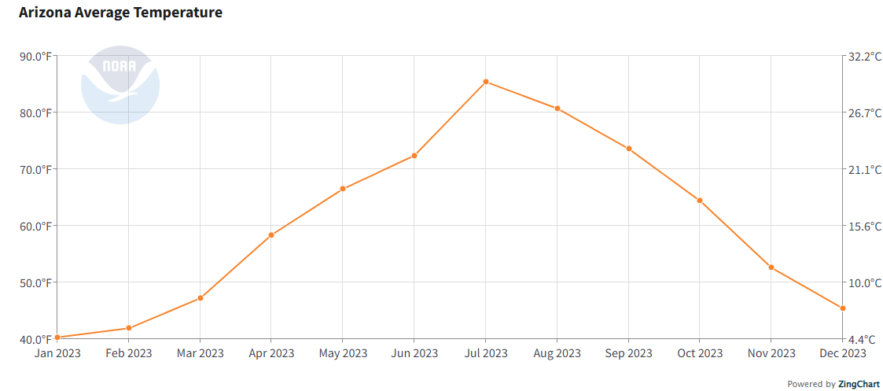
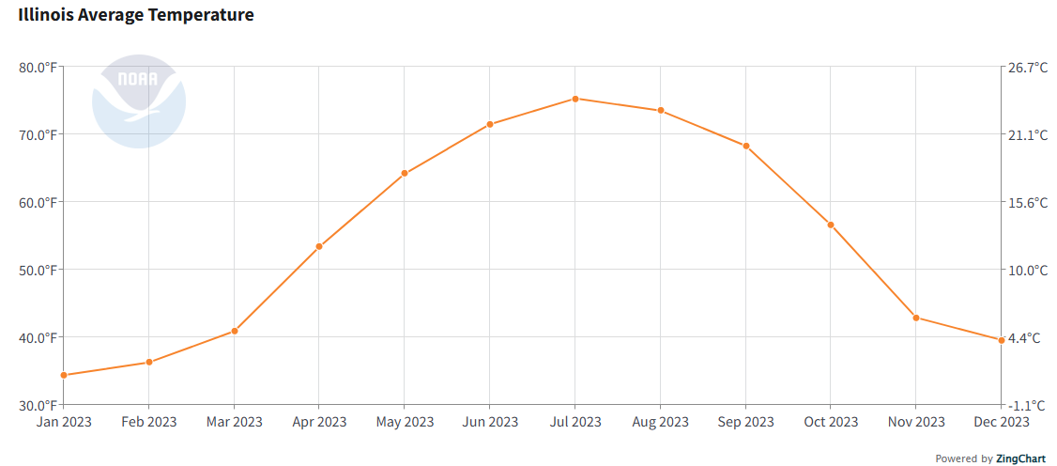
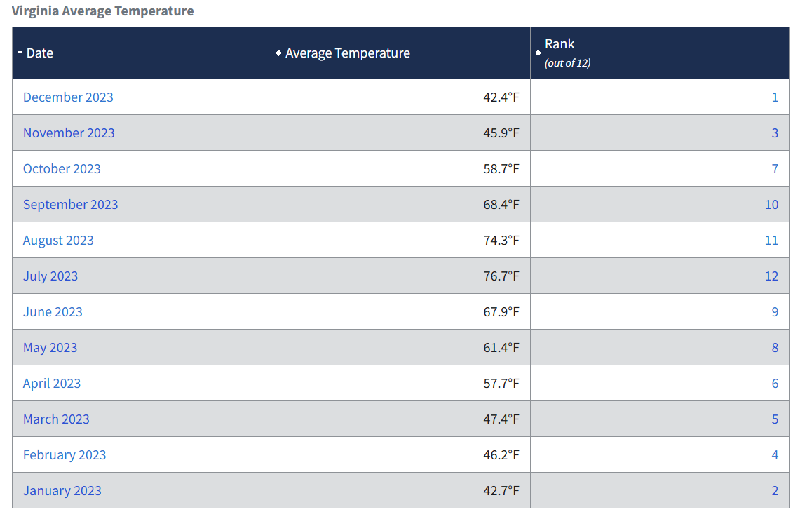
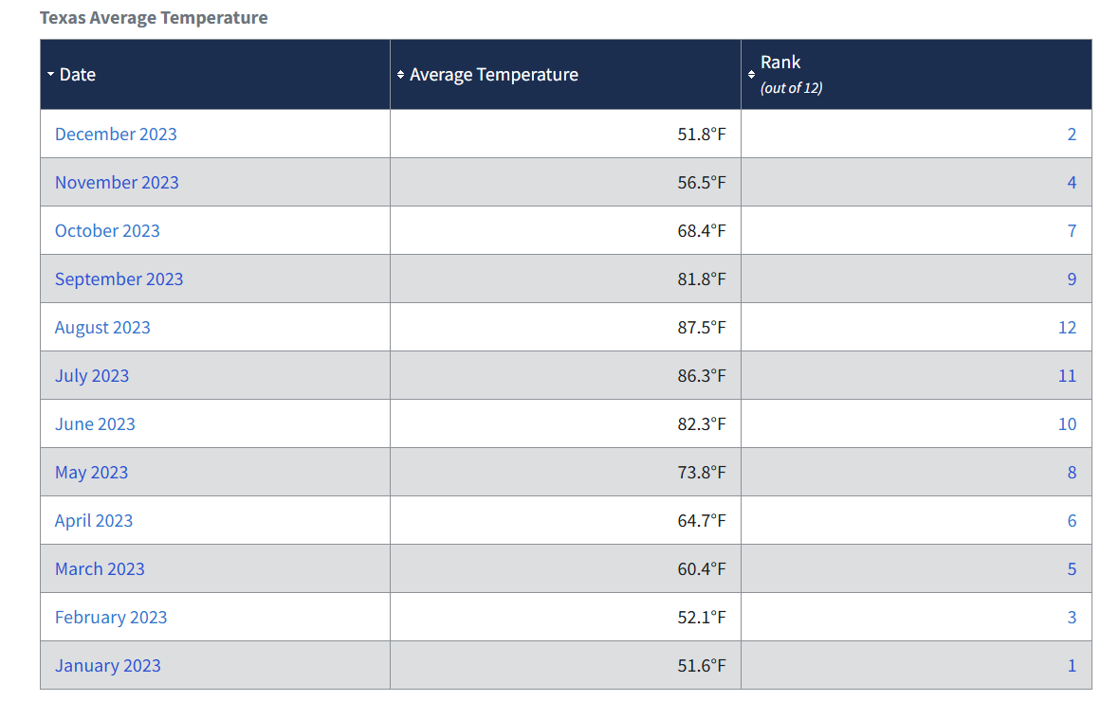
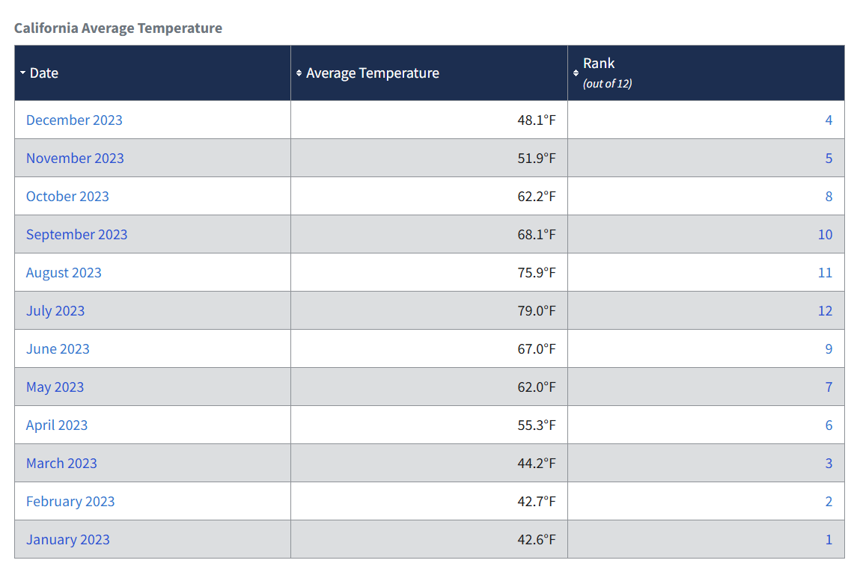
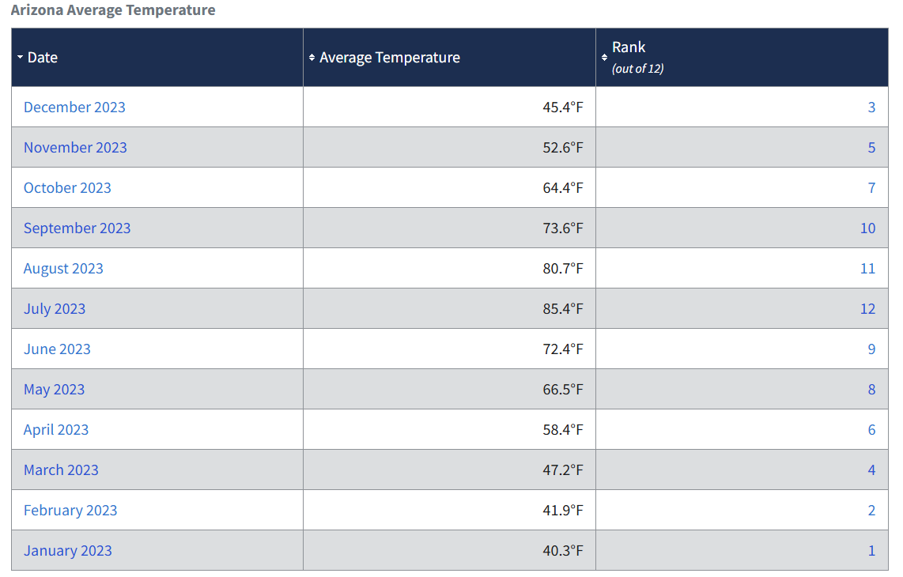
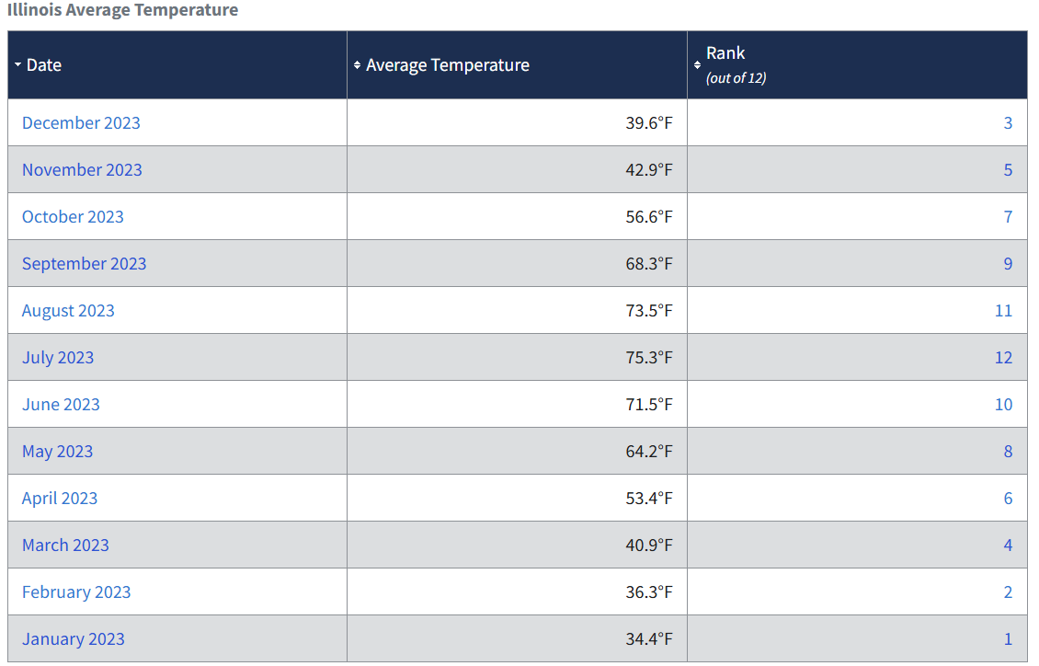
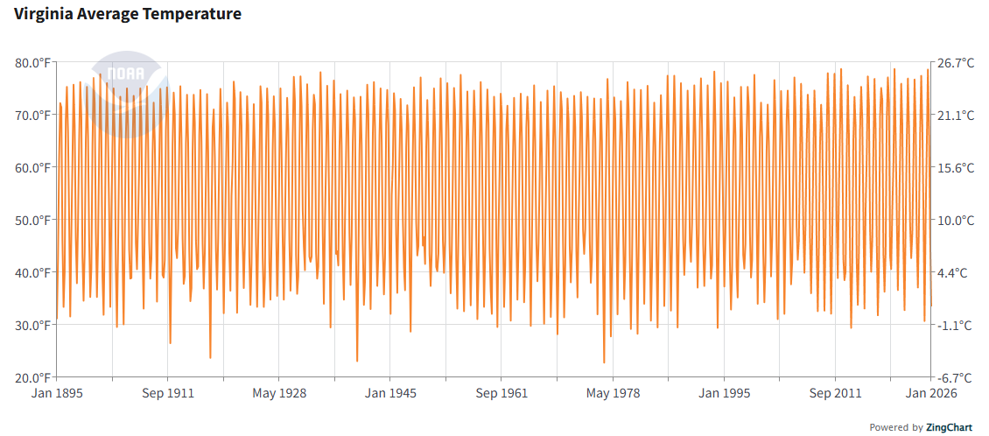
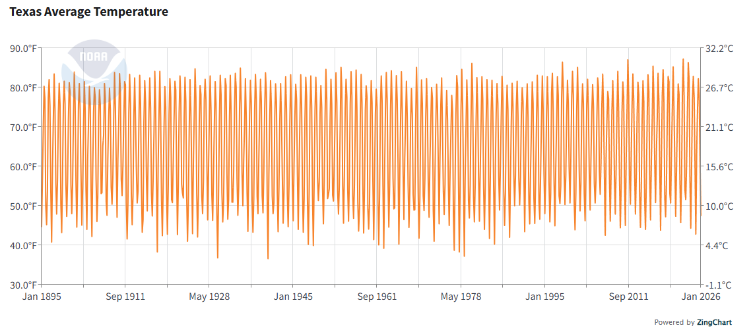
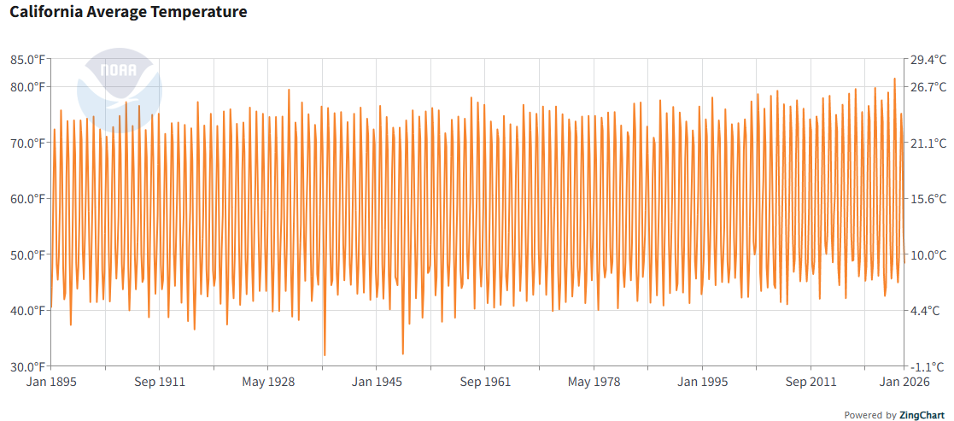
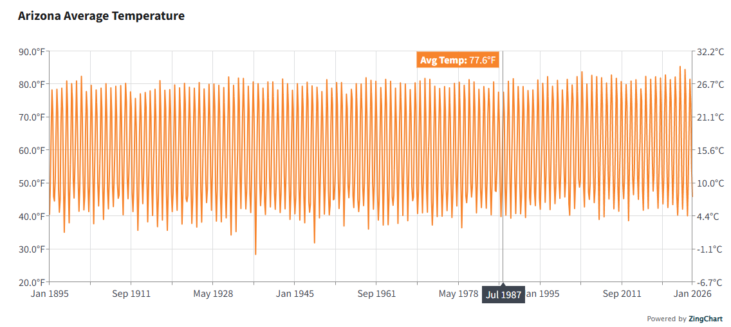
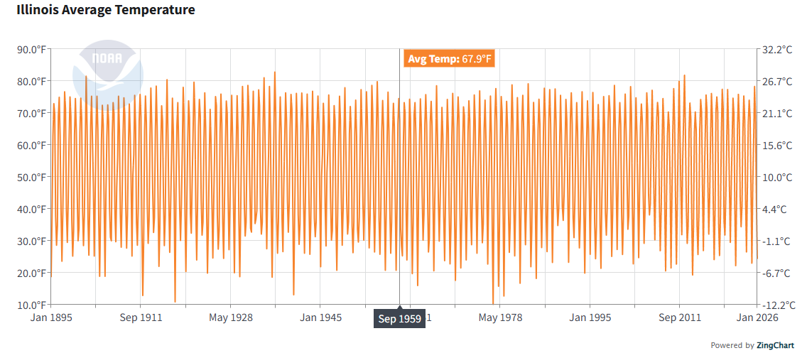
 | https://www.ncei.noaa.gov/access/monitoring/climate-at-a-glance/statewide/time-series
 |  |  | 2023 |  | All data
City | State | State | Annual average temperature (°F) | Annual average temperature (°C) | Annual average temperature (°F) | Annual average temperature (°C)
Northern Virginia (NoVA) | Virginia | VA | 57.5 | 14.2 | 55.1 | 12.8
Dallas–Fort Worth | Texas | TX | 68.1 | 20.1 | 64.9 | 18.3
Silicon Valley | California | CA | 58.3 | 14.6 | 57.7 | 14.3
Phoenix | Arizona | AZ | 60.7 | 16.0 | 59.8 | 15.4
Chicago | Illinois | IL | 54.7 | 12.6 | 51.9 | 11.0

water_price
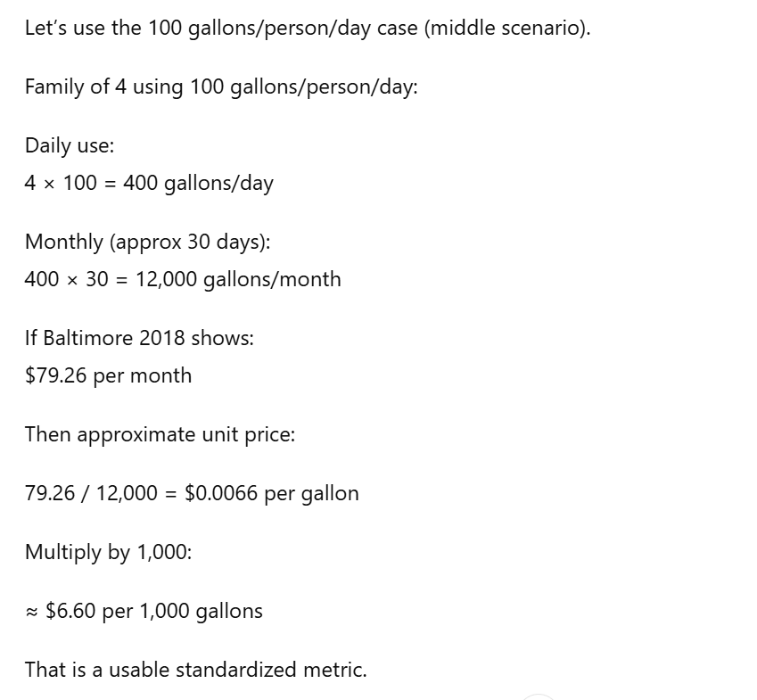
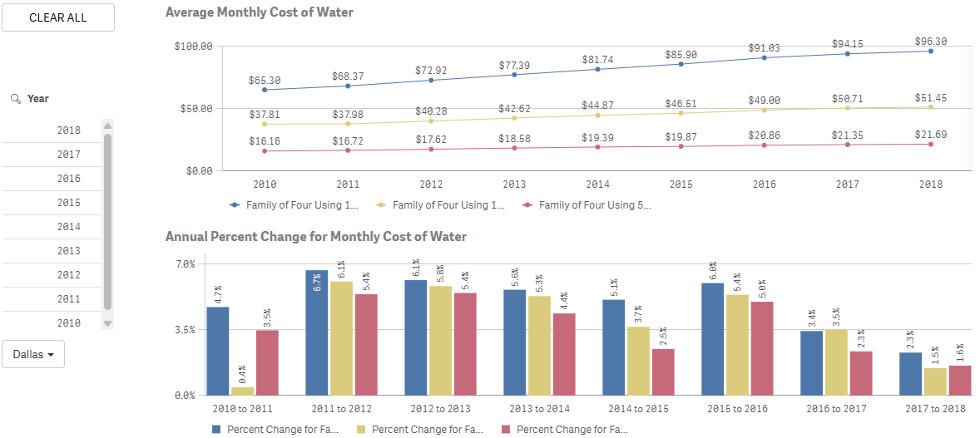
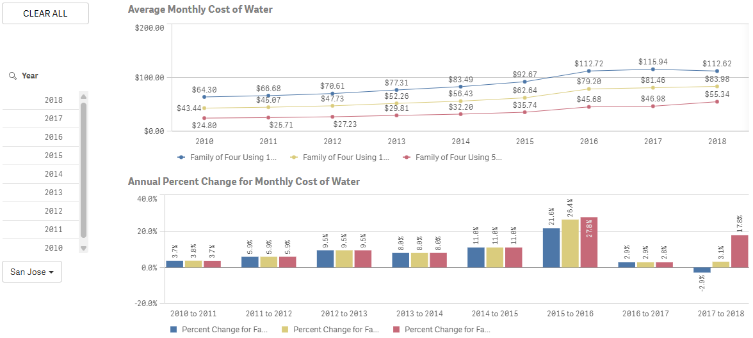
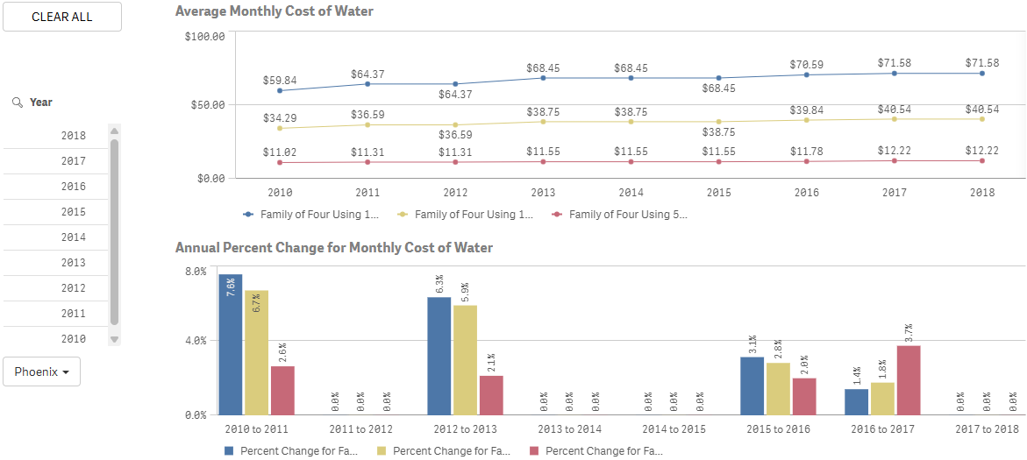
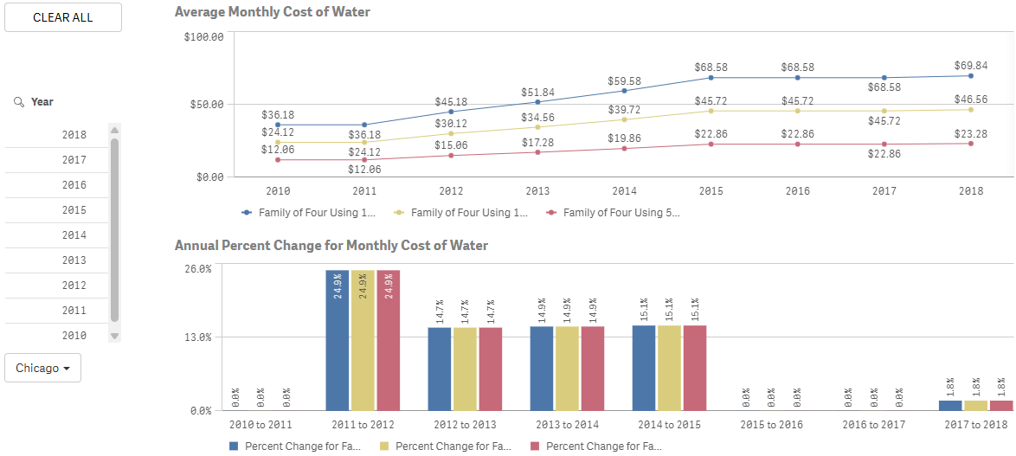
https://www.circleofblue.org/waterpricing/ |  |  |  | General water price |  |  |  | 2010-2019 water rates data from 30 major U.S. cities

 |  |  |  | Family of 4 using 50 gallons |  |  | Family of 4 using 100 gallons |  |  | Family of 4 using 150 gallons
City | City Used | gallons/ day | gallons/ month | Price 2018 | Unit Price | Unit Price/ 1000 gallons | Price 2018 | Unit Price | Unit Price/ 1000 gallons | Price 2018 | Unit Price | Unit Price/ 1000 gallons
Northern Virginia (NoVA) | Baltimore | 400 | 12000 | $39.51 | $0.00329 | $3.29 | $59.39 | $0.00495 | $4.95 | $79.26 | $0.00661 | $6.61
Dallas–Fort Worth |  | 400 | 12000 | $21.69 | $0.00181 | $1.81 | $51.45 | $0.00429 | $4.29 | $96.30 | $0.00803 | $8.02
Silicon Valley | San Jose | 400 | 12000 | $55.34 | $0.00461 | $4.61 | $83.98 | $0.00700 | $7.00 | $112.62 | $0.00939 | $9.39
Phoenix |  | 400 | 12000 | $12.22 | $0.00102 | $1.02 | $40.54 | $0.00338 | $3.38 | $71.58 | $0.00597 | $5.97
Chicago |  | 400 | 12000 | $23.28 | $0.00194 | $1.94 | $46.56 | $0.00388 | $3.88 | $69.84 | $0.00582 | $5.82
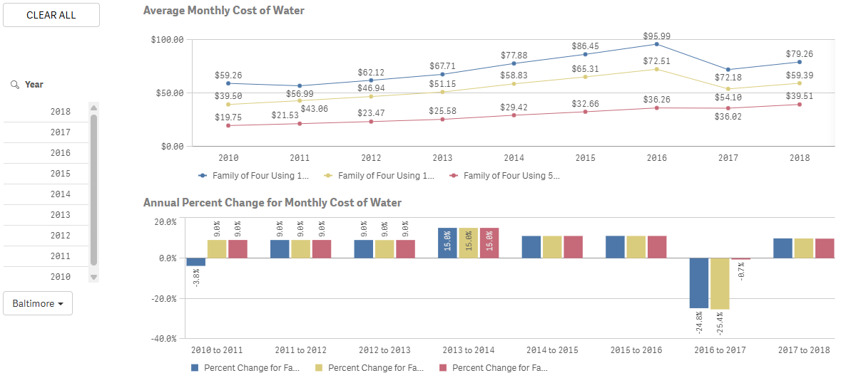

 |  |  |  |  |  |  |  |  |  |  |  |  | Family of 4 using 150 gallons per person per day
 |  |  |  |  |  |  |  |  |  |  |  |  | Family of 4 using 100 gallons per person per day
 |  |  |  |  |  |  |  |  |  |  |  |  | Family of 4 using 50 gallons per person per day

grid_carbon
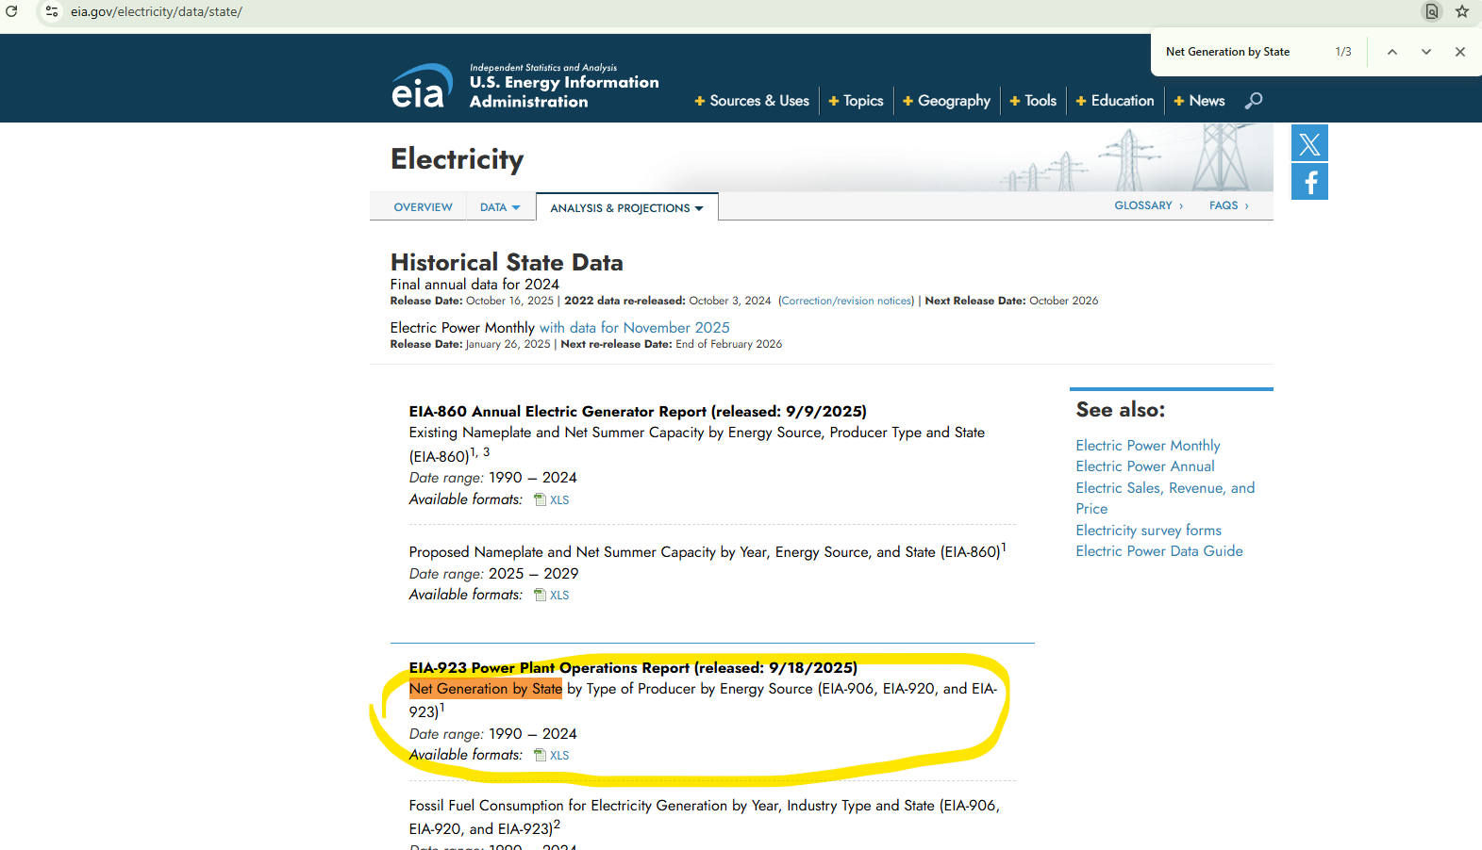
 |  |  |  |  |  |  |  | https://www.eia.gov/environment/emissions/state/
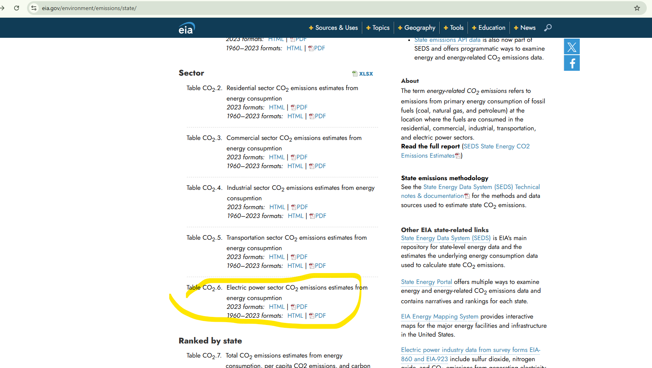
 | City | State | State | Total Electric Power Industry (million metric tons of carbon dioxide) | Total Electric Power Industry/state (MWh) | Carbon Intensity (kg CO2/ MWh) | Carbon Intensity (g CO2/ MWh)
 | Northern Virginia (NoVA) | Virginia | VA | 21.4 | 91,059,344 | 235.012 | 235,012
 | Dallas–Fort Worth | Texas | TX | 185.3 | 547,294,545 | 338.575 | 338,575
 | Silicon Valley | California | CA | 34.7 | 216,628,795 | 160.182 | 160,182
 | Phoenix | Arizona | AZ | 34.5 | 111,838,736 | 308.480 | 308,480
 | Chicago | Illinois | IL | 37.8 | 177,737,641 | 212.673 | 212,673
 |  |  | Current Rate/MWh = | $85.30
 | Industrial usage | Current Rate/kWh = |  | $8.53
 |  | MWh Value | Total Price ($)
VA | 1 | 91,059,344 | $7,767,362,043.20
TX | 2 | 547,294,545 | $46,684,224,688.50
CA | 3 | 216,628,795 | $18,478,436,213.50
AZ | 4 | 111,838,736 | $9,539,844,180.80
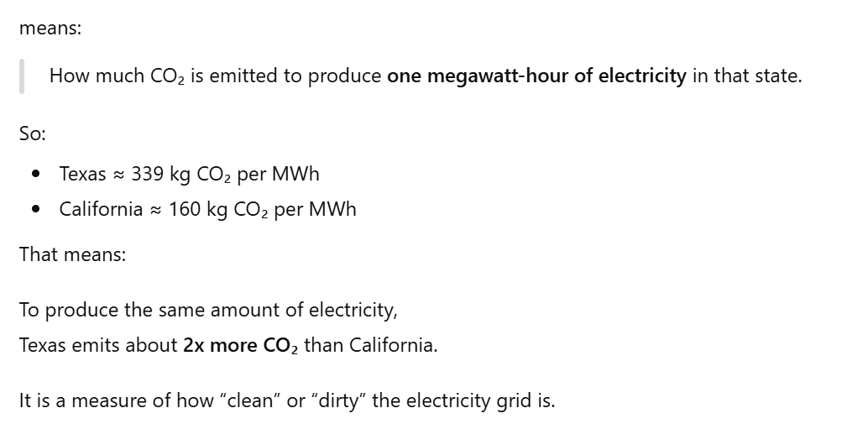
IL | 5 | 177,737,641 | $15,161,020,777.30

 | https://www.eia.gov/electricity/monthly/epm_table_grapher.php?t=epmt_5_06_b |  | track rates per year or day
 | https://www.eia.gov/todayinenergy/prices.php |  | \
 |  |  |  | https://www.eia.gov/analysis/#:~:text=Table_title:%20Recent%20Data%20Table_content:%20header:%20%7C%20%7C,%7C%202024:%2016.48%20%7C%202026:%2017.94%20%7C
 |  | https://www.eia.gov/electricity/monthly/update/end-use.php#:~:text=Total%20average%20revenues%20per%20kilowatt,with%20three%20sectors%20seeing%20increases.

 |  |  |  |  |  |  |  | https://www.eia.gov/electricity/data/state/

