1. Title Page
[Instacart Grocery Basket Analysis]

Project Name: Instacart Grocery Basket Analysis
Date: April 28, 2024
Analyst Name: Piper Dutcher

Contents:
Population Flow
Consistency checks
Wrangling steps
Column derivations
Visualizations
Recommendations

Data:
Customer Data Set
Data Dictionary

Citation:
“The Instacart Online Grocery Shopping Dataset 2017”, Accessed from www.instacart.com/datasets/grocery-shopping-2017 via Kaggle on <April 28, 2024>.

2. Population Flow
 | Title page

Population flow

Exclusion flag
Condition: inactivity (max order <5)
Obervations to be removed: 1440295
Final total count of order_products_all: 30964564

Orders_products_combined
Orders_products_merged
Orders_products_all

Total: 32404859
Total: 32434489
Total:
30964564

1.) The grey boxes in the first row of the population flow represent the original data sets as they were when you downloaded them. In the Total fields you need to add the count of the rows when you imported the data set into Jupyter.
2.) The second row of boxes (coloured) represents the data sets after you manipulated them, e.g., removed missing values and duplicates. In the Total fields you need to add the count of the rows after conducting these operations. This offers a visual oveview of how the data flows throughout the data consistency checks.
3.) The third row, where also the arrows are coloured, represents the merges you performed between the datasets. In the Total fields you need to add the count of the rows in the merged datasets, so that you end up with the final dataset (in the red box). Keep in mind the final dataset should be without exclusions (based on the exclusion flag).

3. Consistency checks
 |  |  |  | Title page
Consistency checks

Dataset | Missing values | Missing values treatment | Duplicates
orders | 206209 (days since prior order) | keep in data set, indicates customers first order | 0
products | 16 | remove missing values | 5
orders_products_prior | n/a | n/a | n/a
customers | 0 | dropped first and last name columns (PII) | 0

4. Wrangling steps
 |  |  |  | Title page
Wrangling steps

Columns dropped | Columns renamed | Columns' type changed | Comment/Reason
eval_set |  |  | not needed for analysis
 | order_dow |  | clarity -> order_day_of_week
 |  | order_id | from int to str (no numerical analysis needed on this)
 |  | uder_id | from int to str (no numerical analysis needed on this)
 |  | order_number | from int to str (no numerical analysis needed on this)
 | price_range_loc |  | readability/clarity -> price_label
_merge |  |  | unnecessary for analysis
First_name |  |  | PII, needed to remove
last_name | changed from Surnam to last_name, then removed for customer privacy |  | Pii, needed to remove
 | Unnamed: 0 |  | re-named for departments dataset, readability
 | n_dependents |  | renamed for clarity num_of_dependents
 | STATE |  | renamed to state for consistency

5. Column derivations
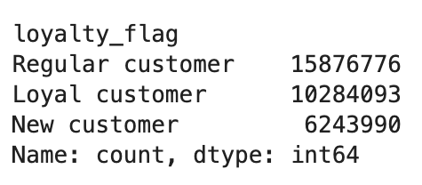
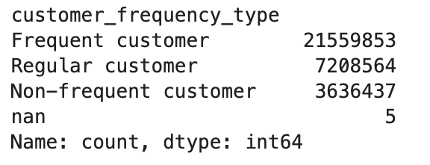
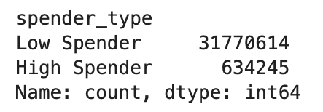
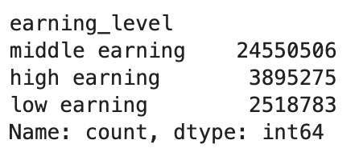
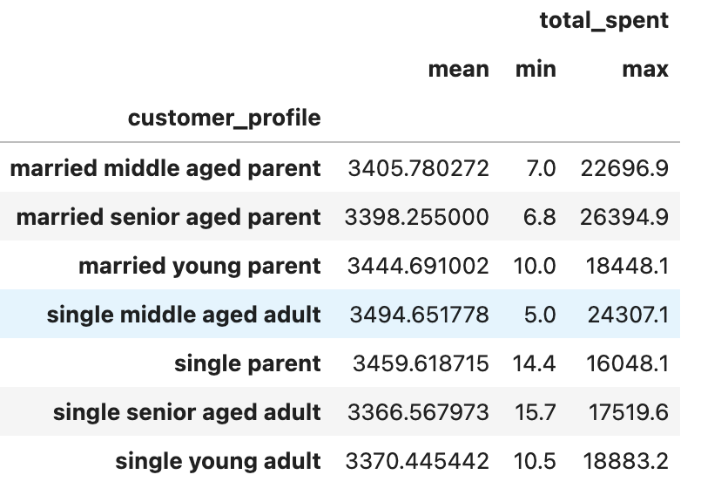
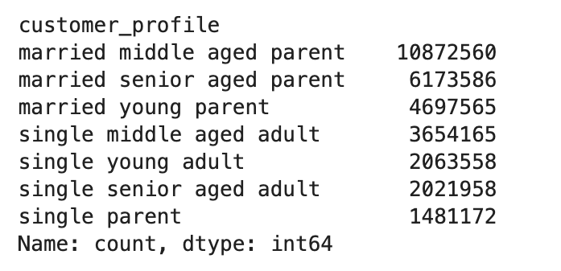
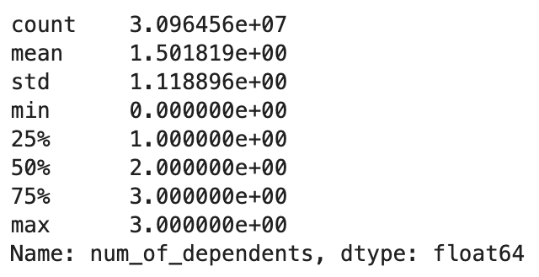
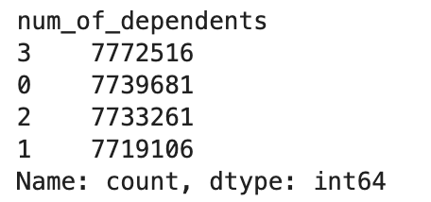
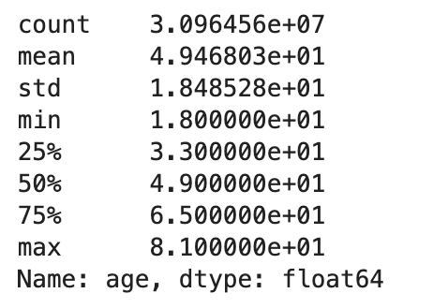
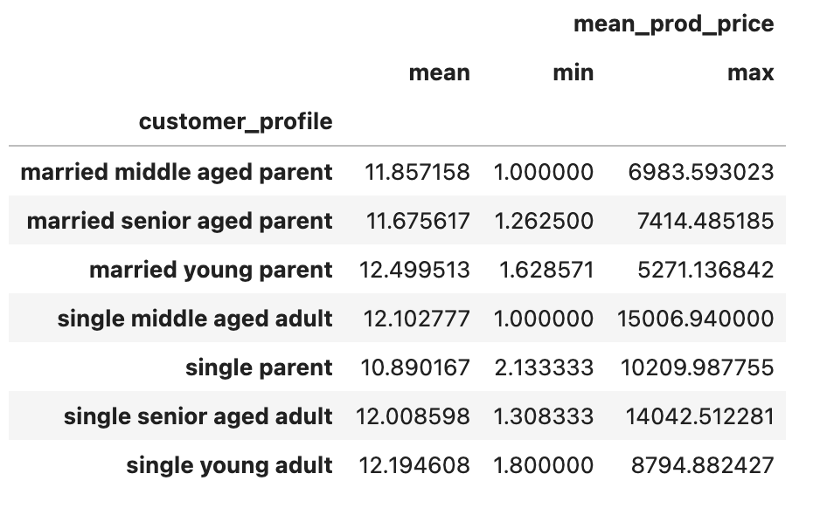
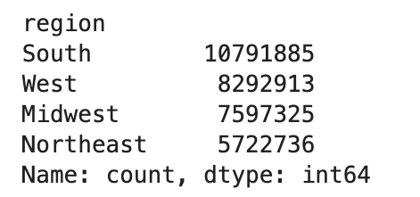
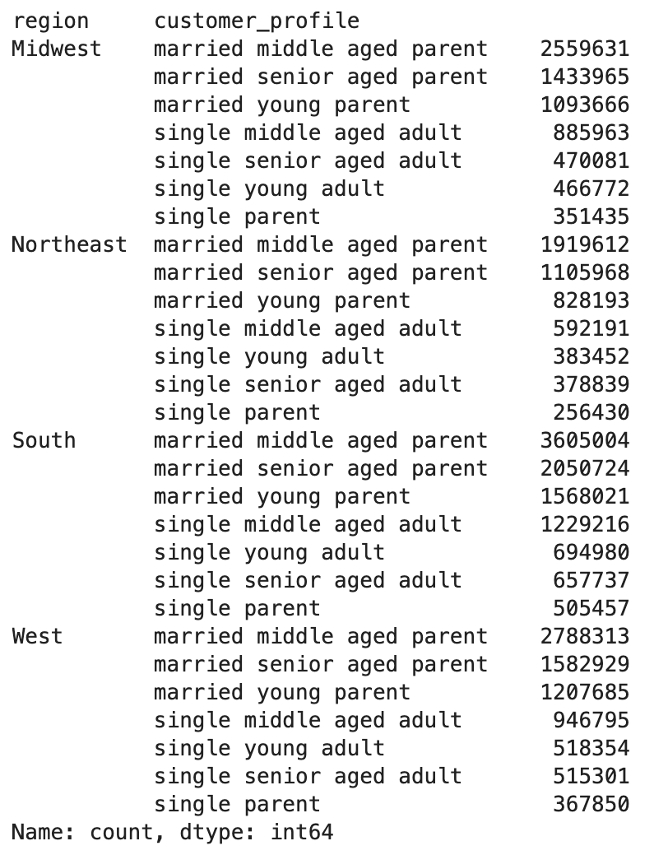
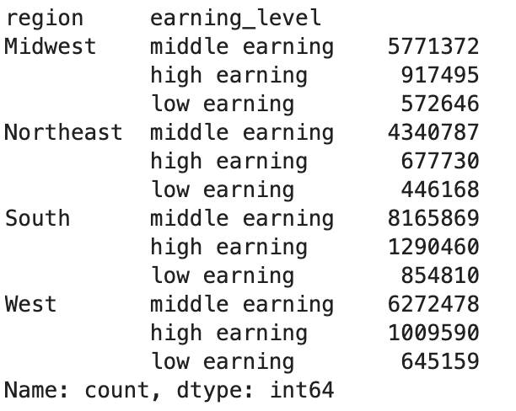
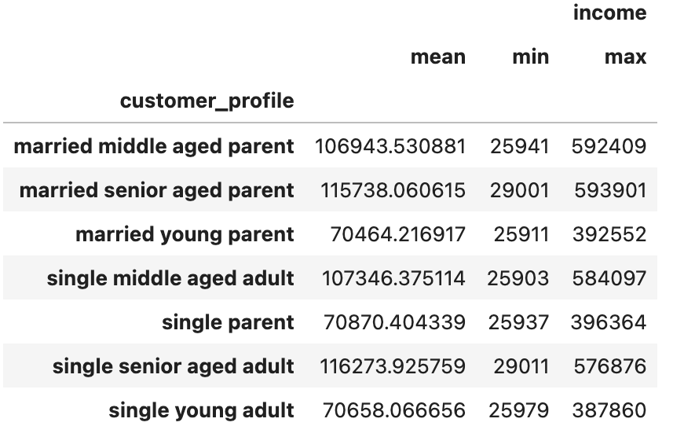
 |  |  |  | Title page

Column derivations and aggregations

In this tab you should add tables below that the frequences of flags/label variables that you produced after deriving them. NB: don't do this for continuous variables, only for flags.
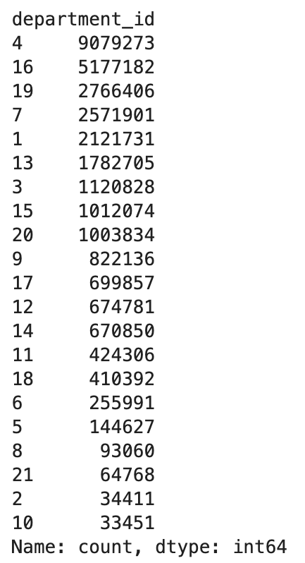
Dataset | New column | Column/s it was derived from | Conditions
ords_prods_merge | busiest_day | order_days_of_week | busiest day, least busy, regularly busy labeled
ords_prods_merge | busiest_days | order_days_of_week | 2 busiest and slowest days labeled, else regularly busy
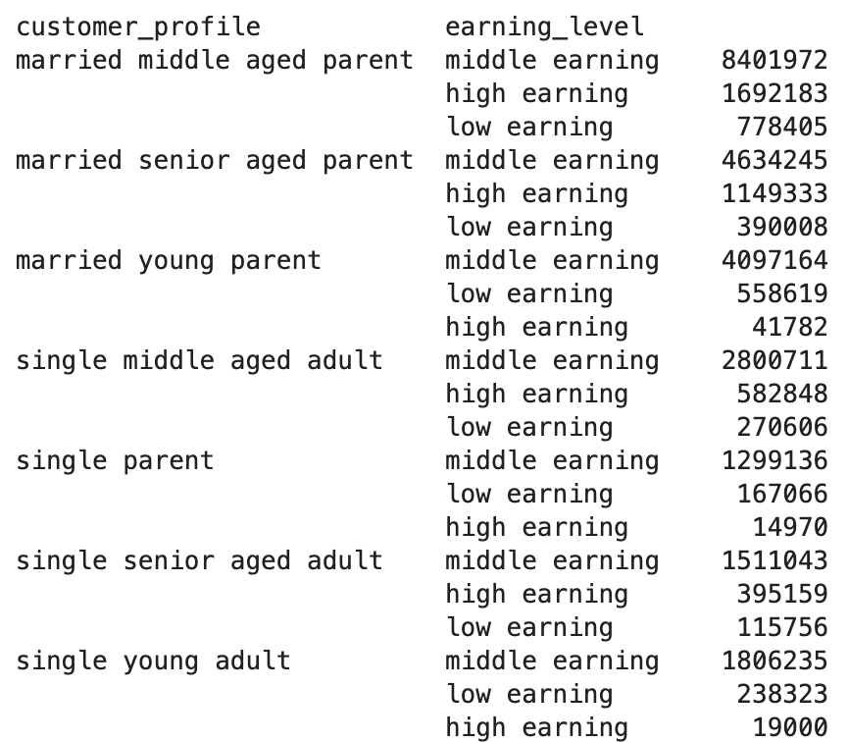
ords_prods_merge | price_label | prices | under 5 = low range, 15< = high range, else mid range
ords_prods_merge | busiest_period_of_day | order_hour_of_day | busiest consecutive time periods (6 hours)
ords_prods_merge | busiest_hours | order_hour_of_day | busiest singular hours for orders (top 4/bottom four)
ords_prods_merge_with_flags | max_order | order_number, user_id | the maximum # of orders a single user has mad
ords_prods_merge_with_flags | loyalty_flag | max_order, user_id | flag to dtermine how loyal a customer is based on total order #s
ords_prods_merge_with_flags | mean_prod_price | user_id, prices | determines the mean product price a user has purcahsed
ords_prods_merge_with_flags | spender_type | mean_prod_price | a flag to determine if a customer is a high, low, or regular spender based on avg product price
ords_prods_merge_with_flags | median_since_prior_order | days_since_prior_order, user_id | determines median days since a users prior order
ords_prods_merge_with_flags | customer_frequency_type | median_since_prior_order | a flag to determine how frequently a customer orders based on median days since prior order
combined_customer_order_product_data | region | state, | flag to determine which region a state is in
combined_customer_order_product_data | activity_level | max_order | flag to remove users w less than 5 orders
combined_customer_order_product_data | total_spending | product prices, user_id | aggregation of a users total expenditure based on product prices
combined_customer_order_product_data | earning_level | income | flag to determine earning level of user
combined_customer_order_product_data
combined_customer_order_product_data
combined_customer_order_product_data

6. Visualizations
 |  |  |  |  | Title page

Visualisations

This tab contains visualizations with explanations. All visualizations have been created with Python.

 | Customer Ordering Habits : Days & Times

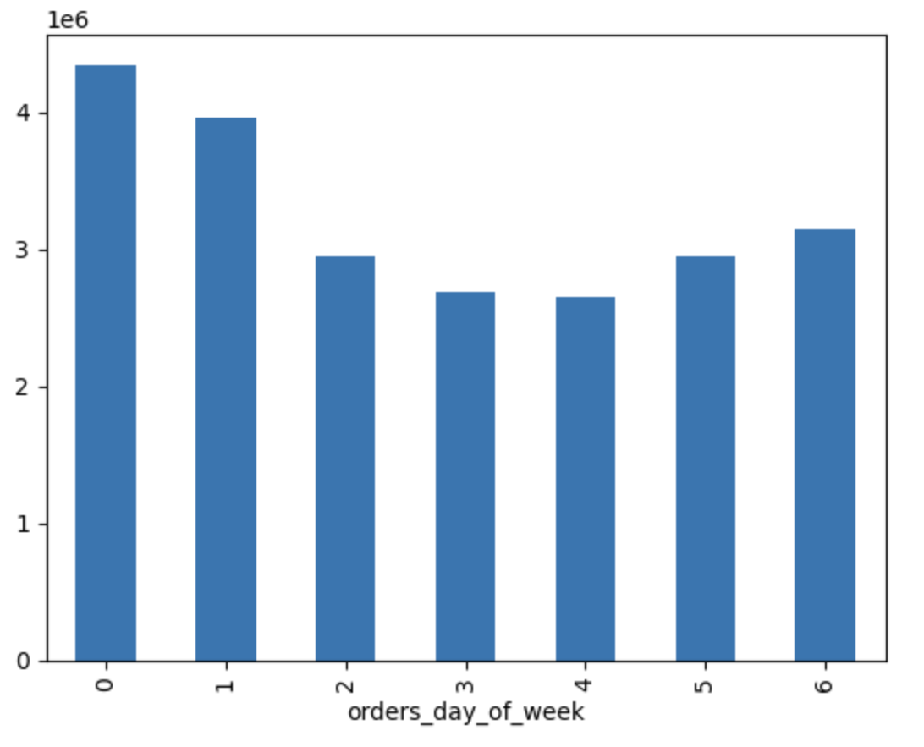
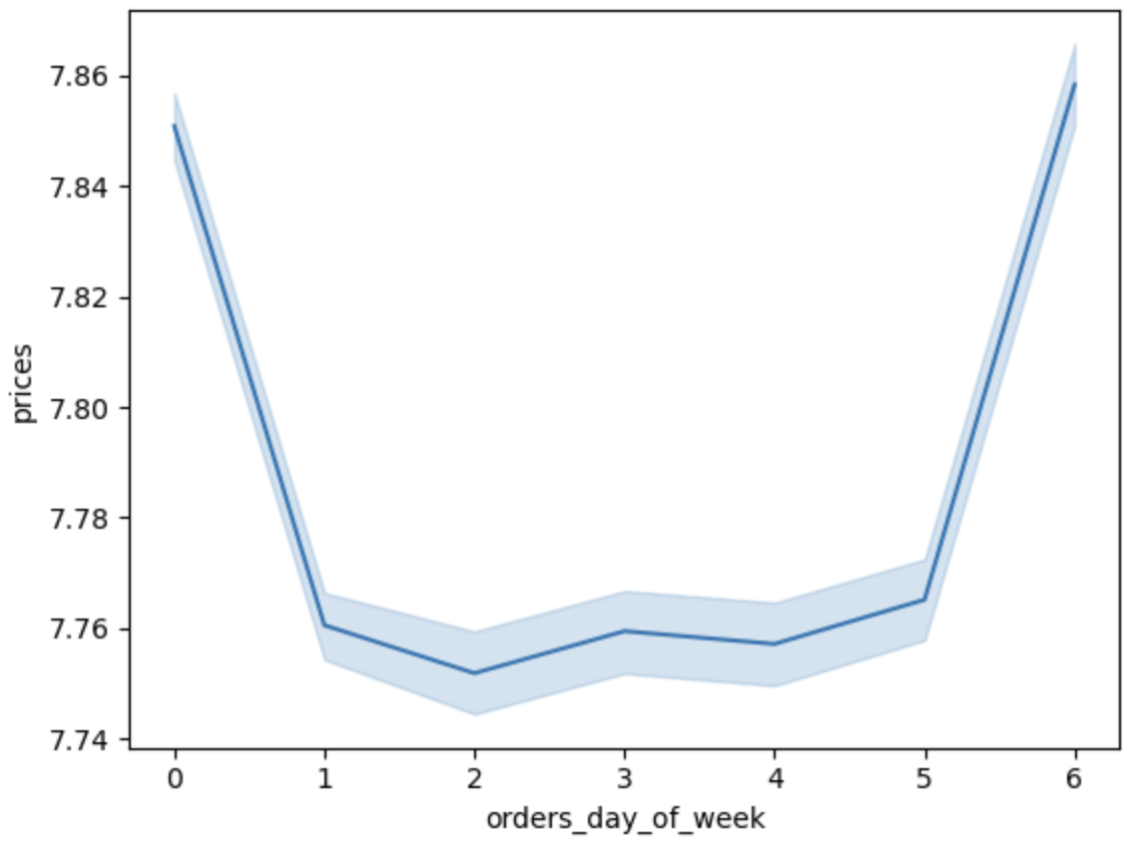
 |  | The bar chart on the left and the line graph on the right indicate and confirm that instacart users tend to place more orders on the weekends (Saturday & Sunday), with orders being the lowest midweek. The most profitable days of the week are Friday and Saturday, with the highest priced products being ordered on those days. Mondays aren't the slowest day of the week, however Mondays do have the lowest prices purchased relative to orders per day of week.

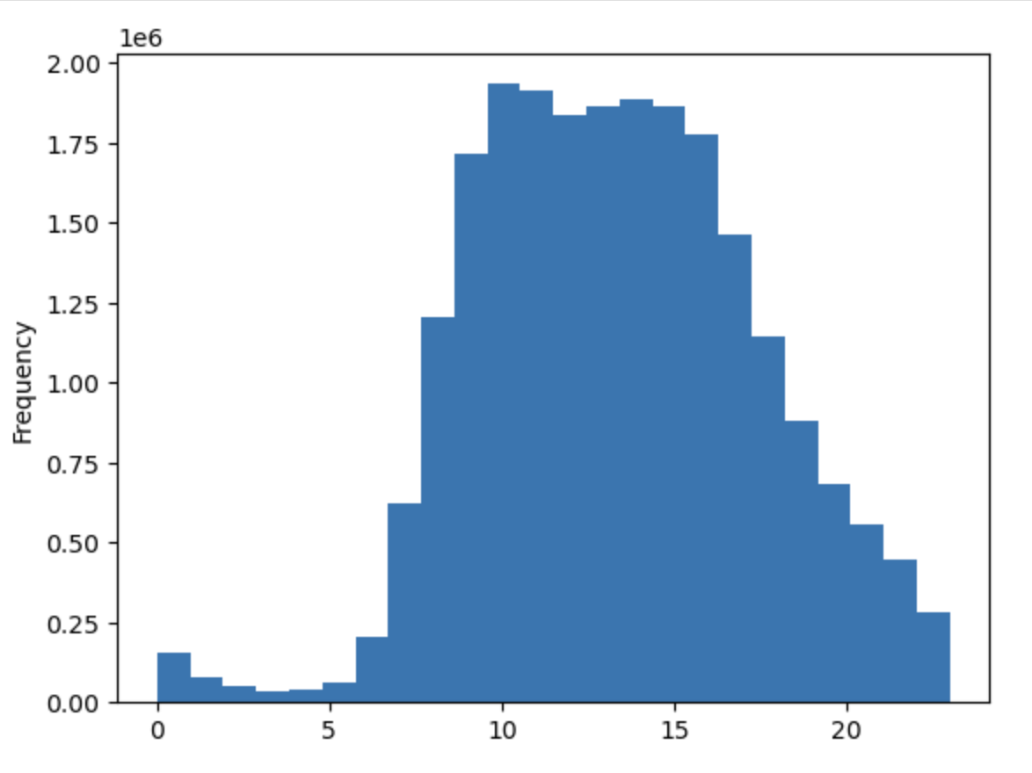
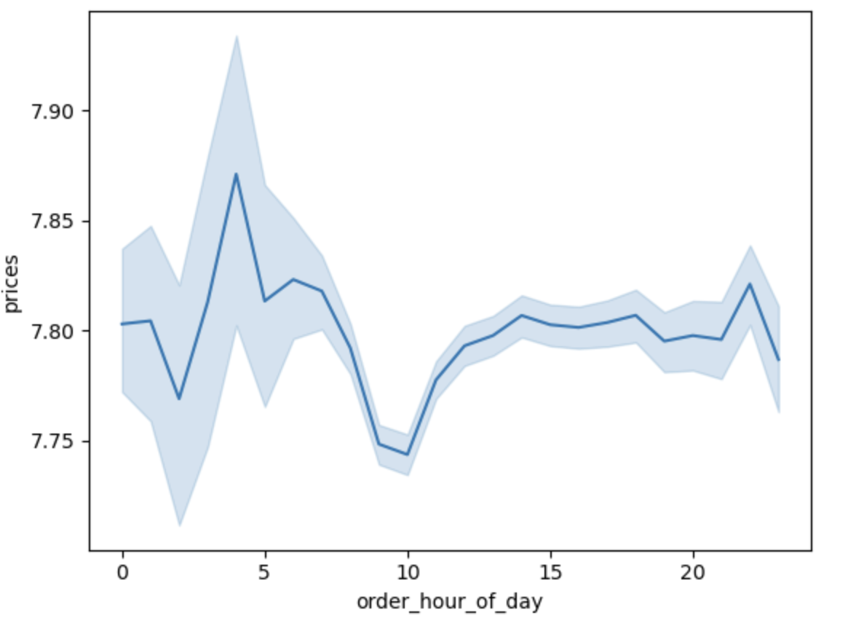
 |  |  | Instacart users have the highest frequency of orders from 8 am to 6pm. The items ordered with the highest product price are usually in the morning, peaking at 5am, with the lowestpriced products being purchased around 10 am.

 | Customer Ordering Habits : Purchase Price, Departments

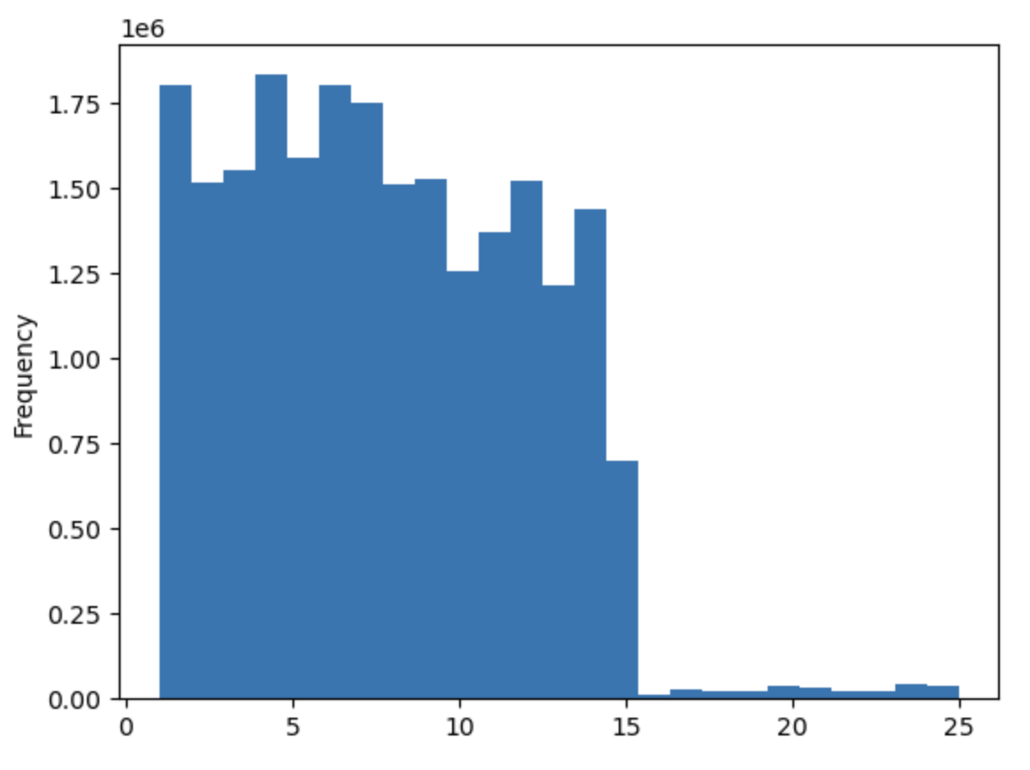
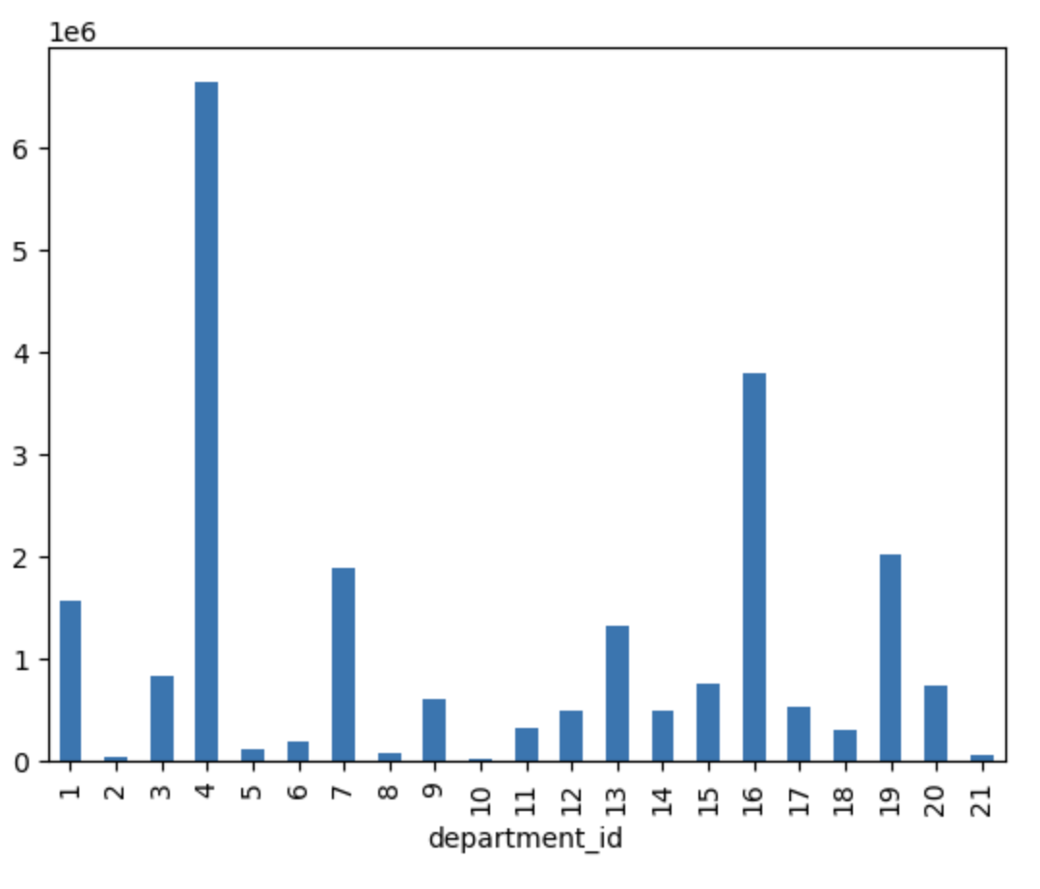
 |  |  | The histogram on the left demonstrates the product price, which can be seen to be primarily less than $15. The top 3 departments are department 4 (produce) 16, (dairy eggs), and 19 (snacks). Products with prices in the mid to low range are most popular with instacart users, with mid price cappng at $15.

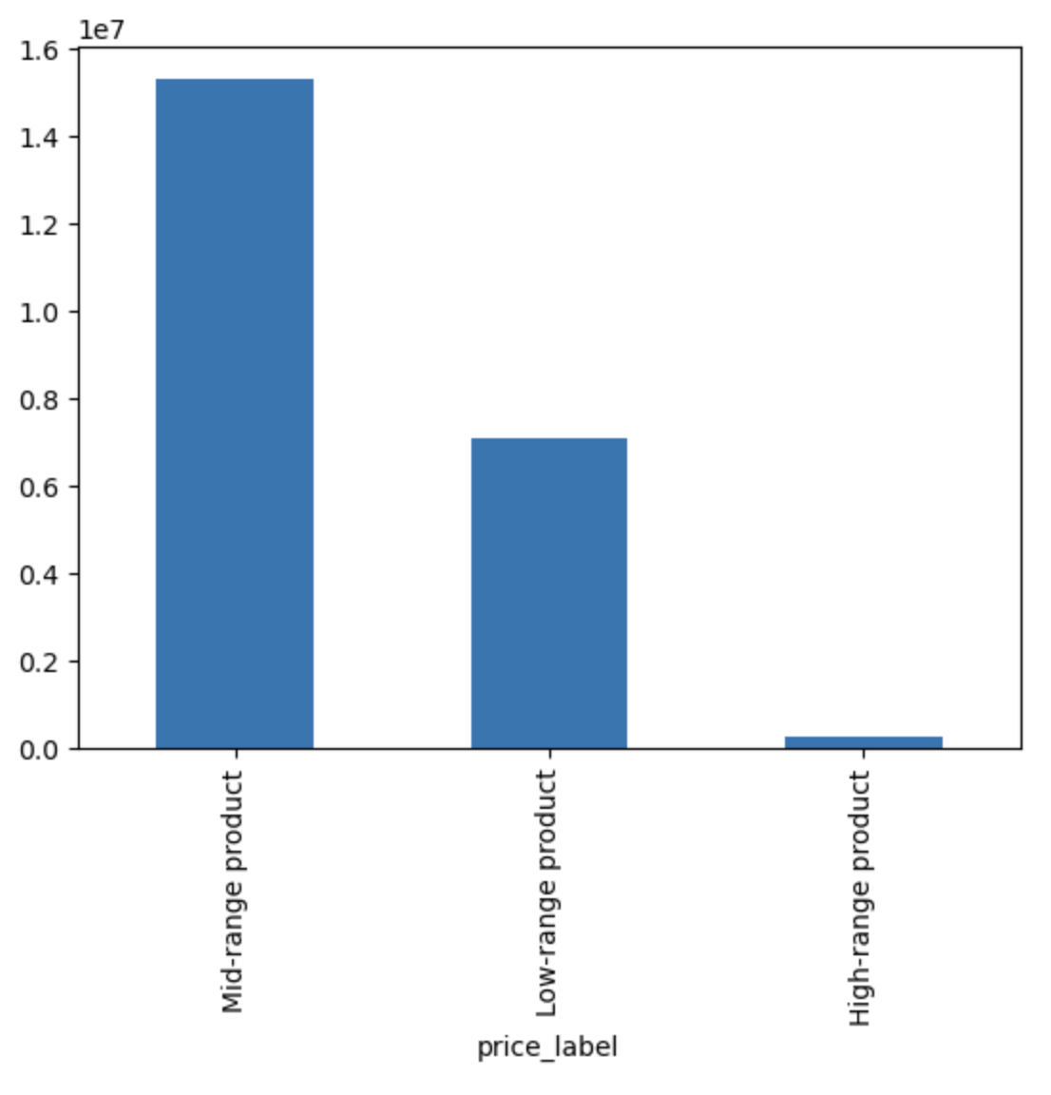

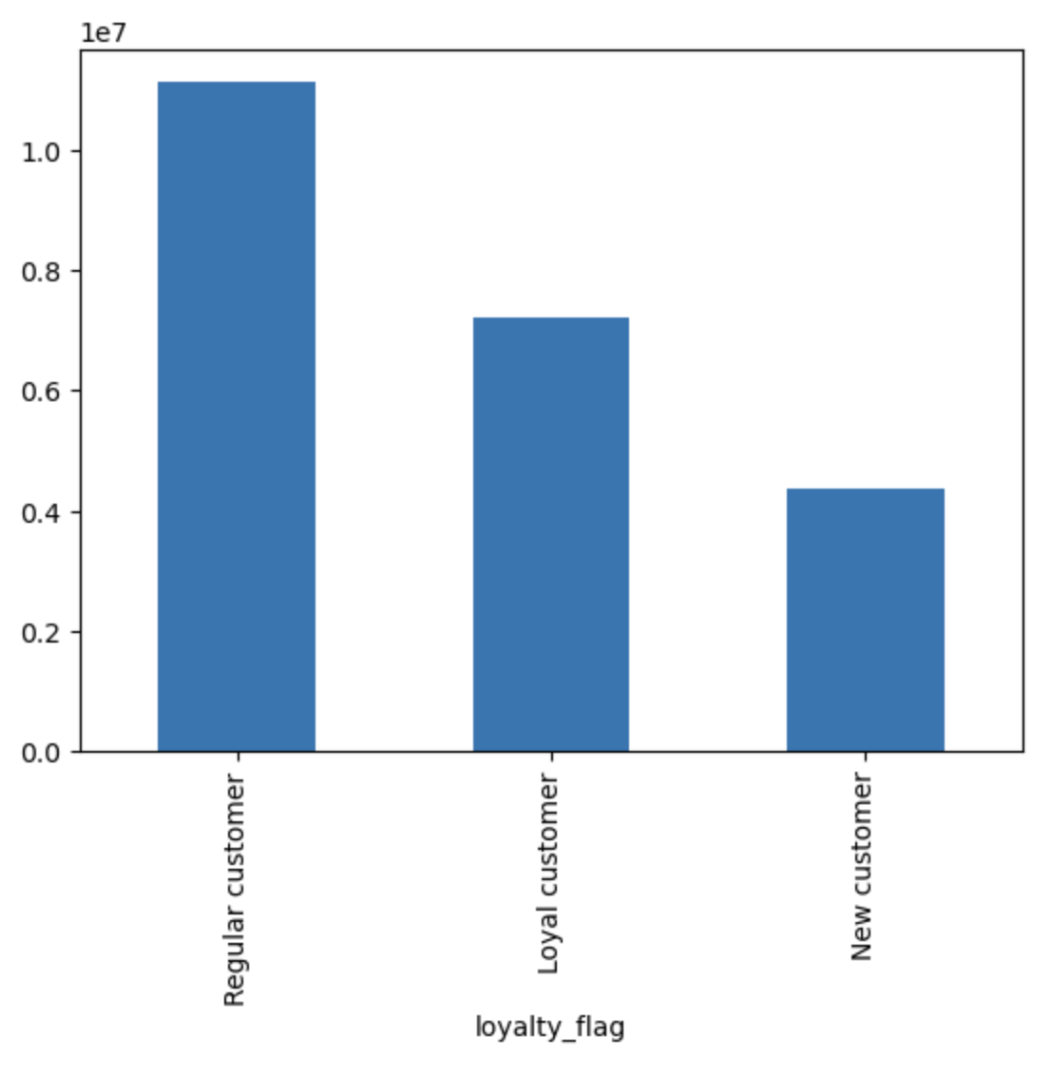
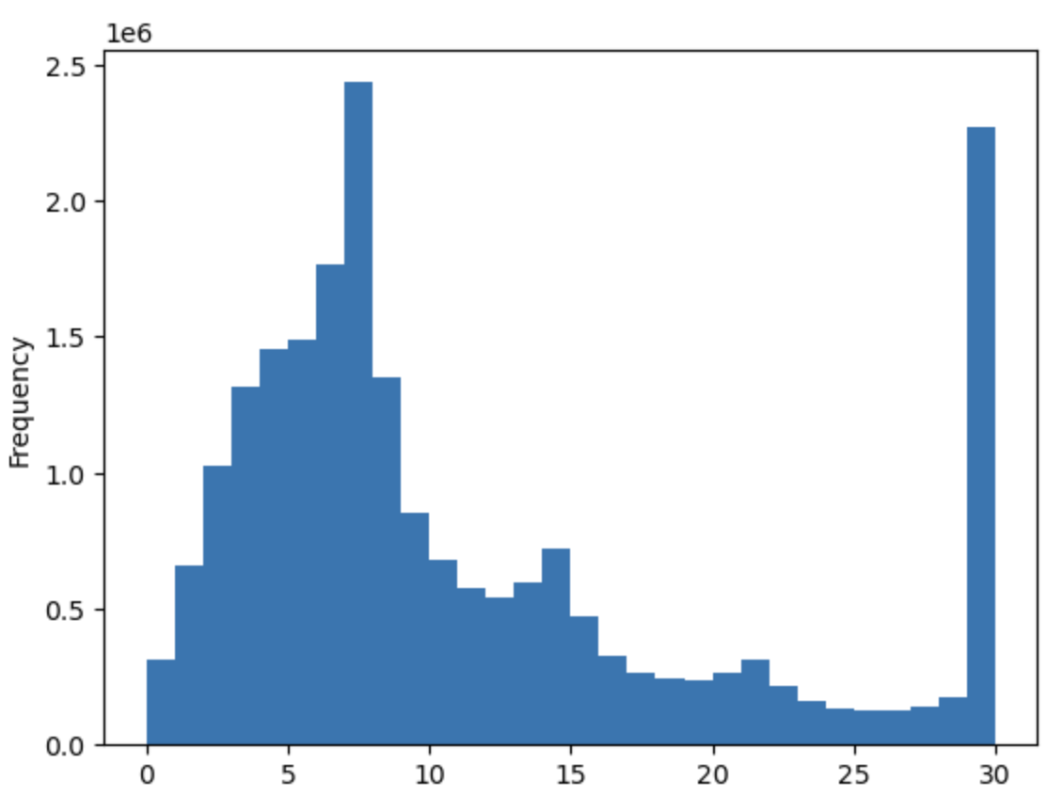

 |  |  | The histogram on the left demonstrates the number of days since a users prior instacart order. While most users tend to order every 5-7 days. The majority of instacart users are considered regular customers: meaning they have completed between 10 and 40 orders.

 | Customer Demographics: Status, Profile, Age

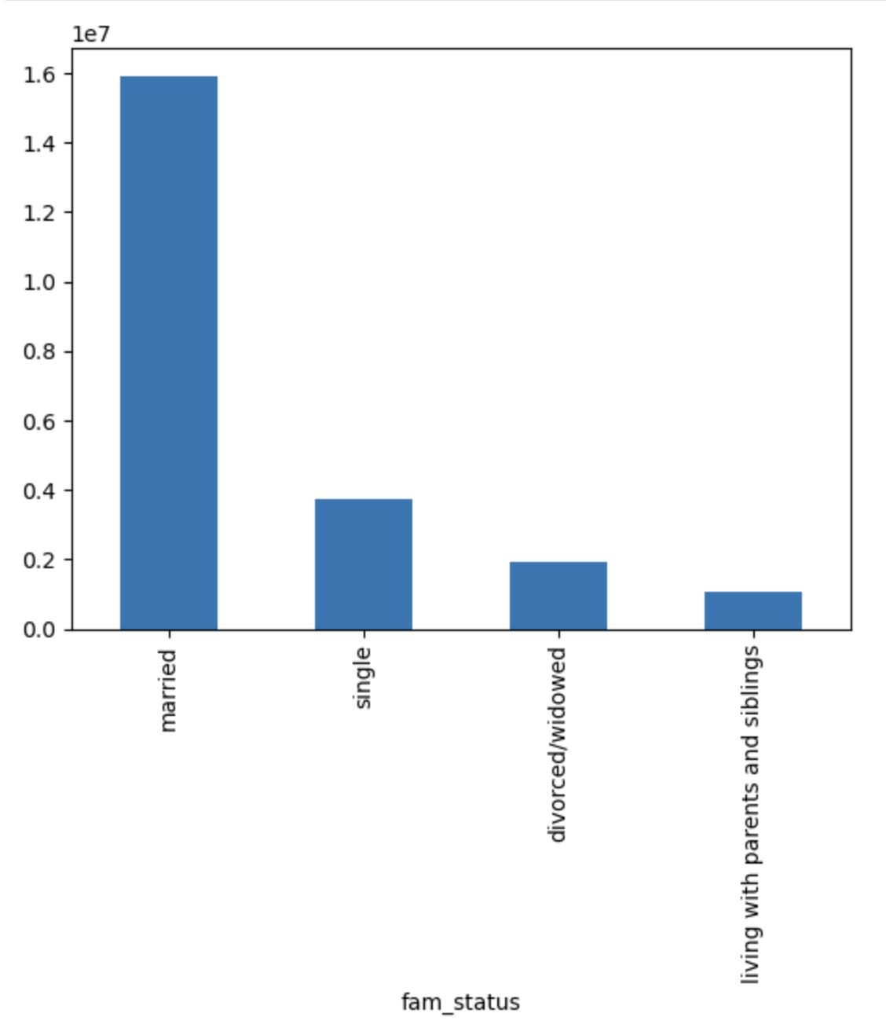
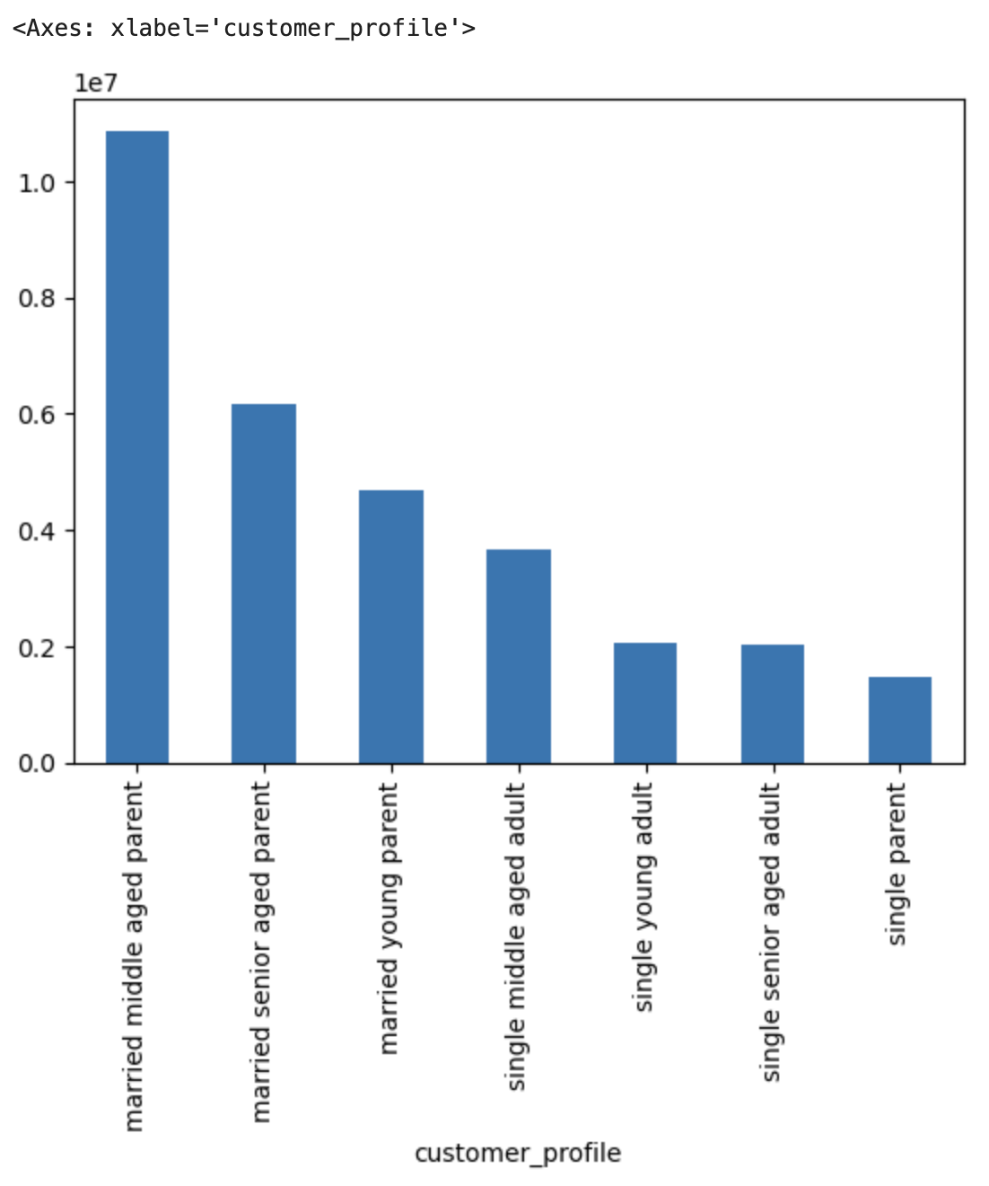
 |  |  | When it comes to customer demographics, more Instacart users are married than of any other familial status. It can also be seen that the majority of instacart users are parents. While the number of dependents varies per household, the range is from 1 to 3, with the mean being 1.5. By profiling customers by age and parenthood status, we will have a better idea of customer demographics and which departments they will be more likely to order from.

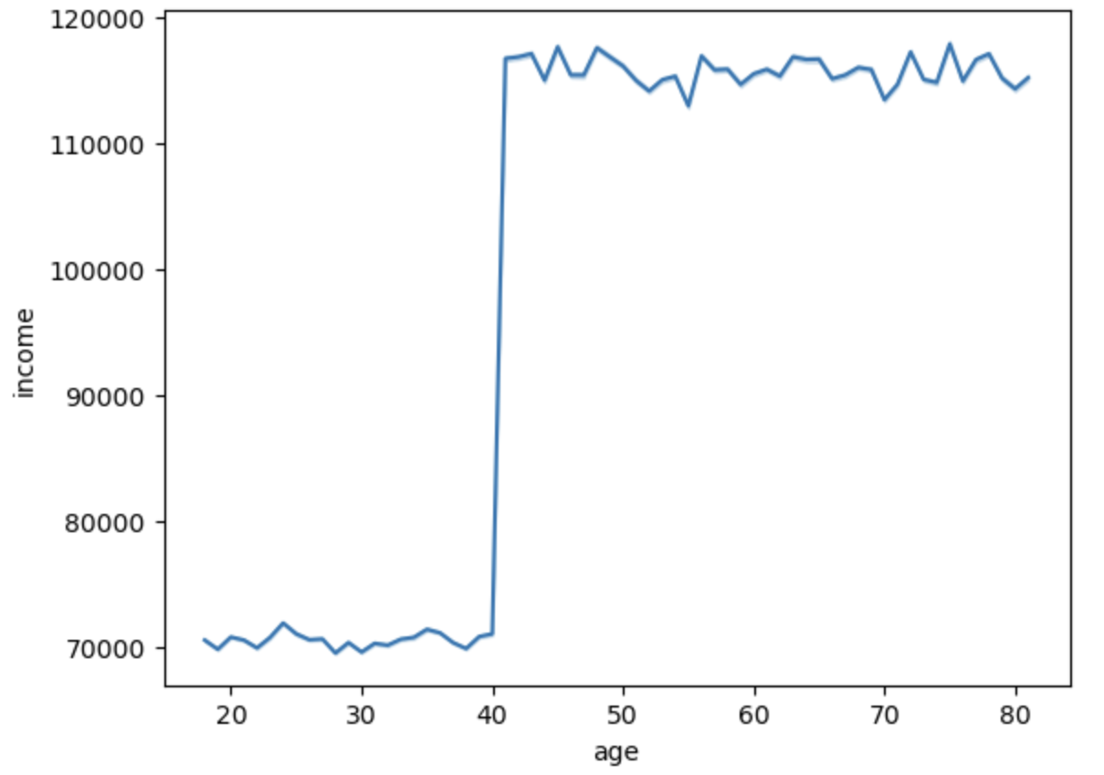
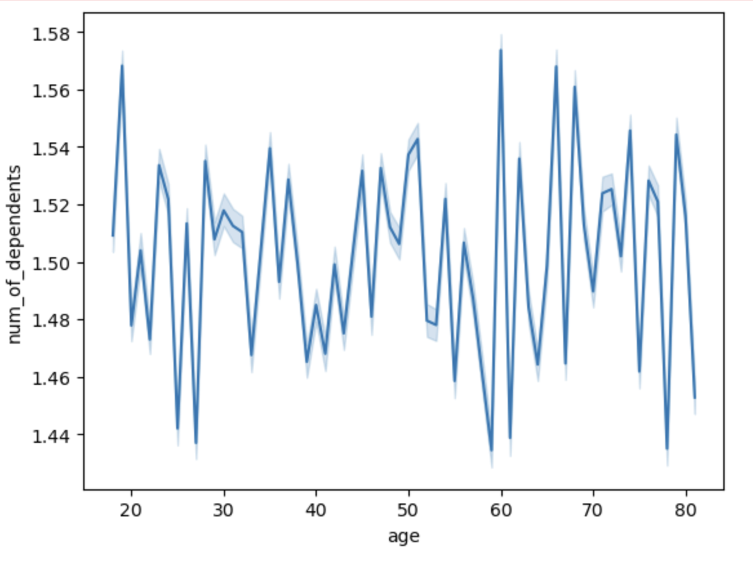
 |  |  |  | The majority of instacart users are between 33 and 65, but there is no direct relation between age and number of dependents. The line graph on the left indicates that income greatly increases once an instacart user is over the age of 40.

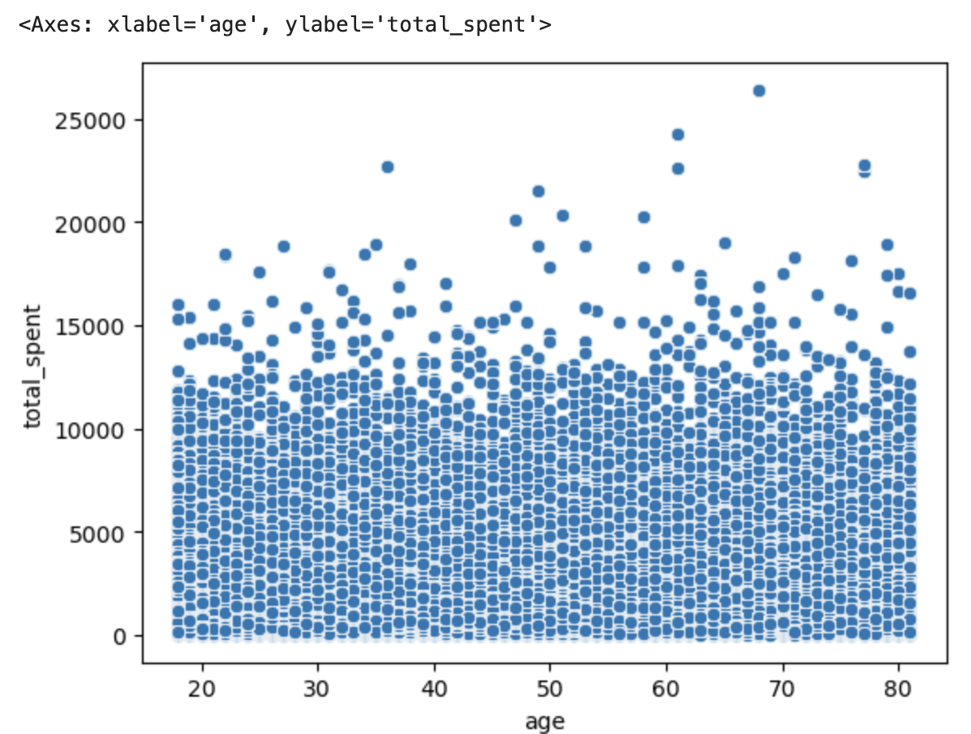

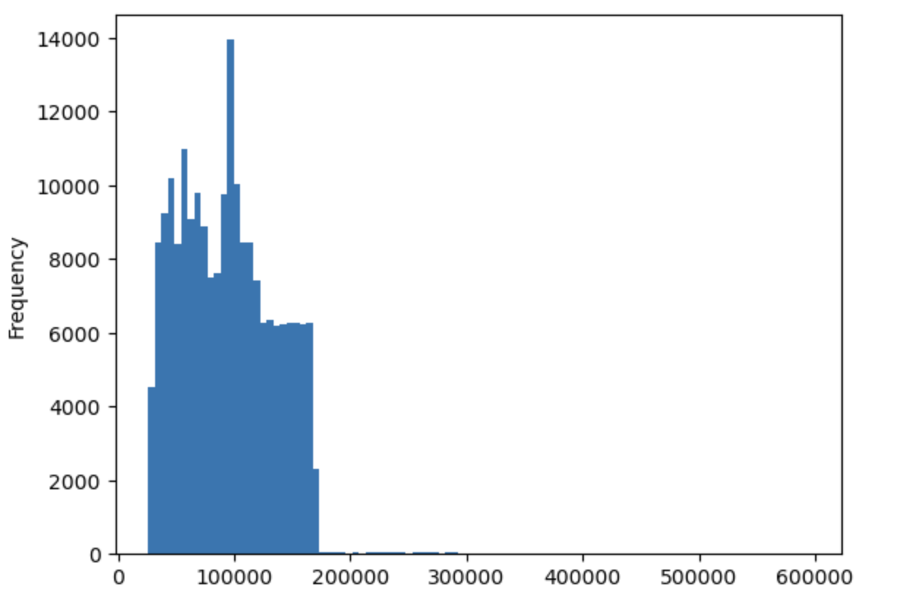

 |  |  |  | On the left, the histogram shows the distribution of instacart user income, which shows that most users are in the middle-earning group (between $45000-150000). While age does have an impact on overall income, age does not have an influence on customer total spending, as can be seen by the scatterplot on the right.

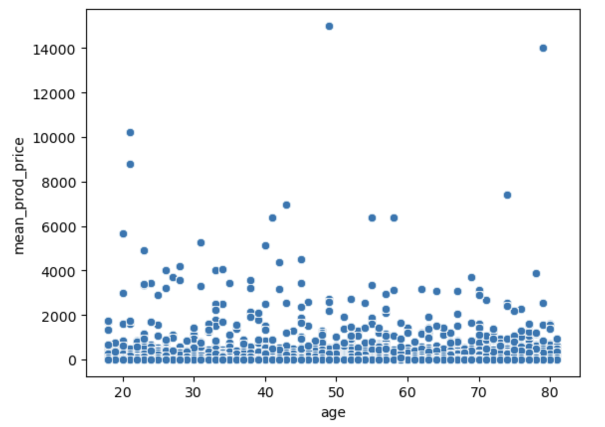

 |  | When comparing Age vs Average product price per purchase, it can be seen that there is no indication that either older or younger instacart users are more likely to purchase products with a higher price.

Customer Spending: Region and Additional Observations

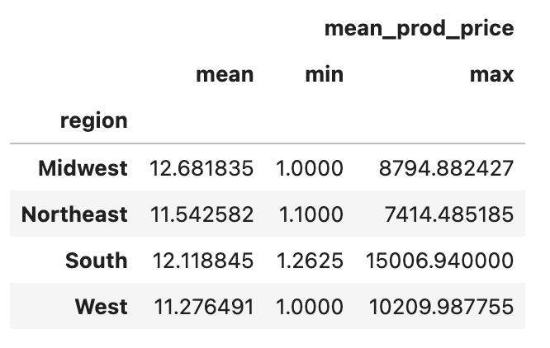

 |  |  |  | When divided regionally, the majority of the customers are located in the southern and western regions of the United States.

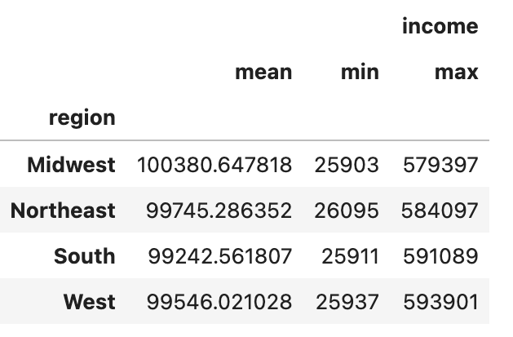
 | 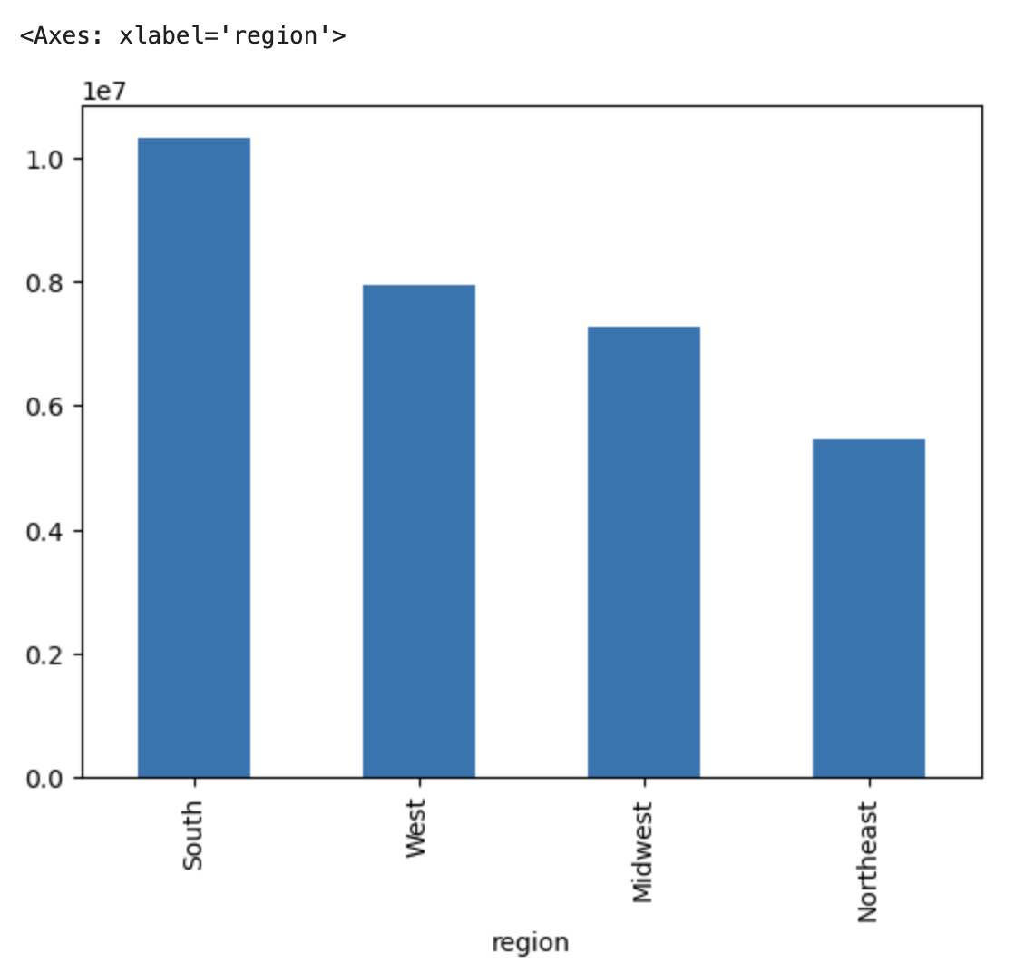 |  |  | When grouping instacart users by region, we can see that the highest earning region (based on income) is the midwest followed by the northeast. While these are the smallest proportion of instacart users, they are not nbecessarily the instacart users with the lowest total expenditure. The region with the highest average total spending is the midwest, which shows that total_spending and income have some relation. The midwest region is also the region with the highest mean product price. |  | 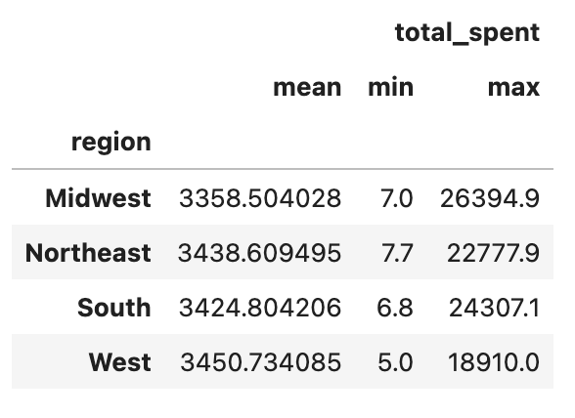

7. Recommendations
 |  |  |  | Title page

Recommendations

This tab contains recommendations based on the analysis and visualizations. These are my in-depth recommendations for the marketing team. based on the following key questions.

Question |  | Answer | Recommendation
Key Question 1
What’s the distribution among users in regards to their brand loyalty (i.e., how often do they return to Instacart)? | The majority of instacart users are considered regular customers, meaning they have placed between 10 and 40 instacart orders. The fewest number of instacart users are considered new users, with less then 10 total orders. |  | In order to retain customers, or encourage new customers to transition to regular or loyal customers, it would be recommended to facilitate a loyalty incentive, such as special offers, discounted purchases or other signs of customer appreciation.

Key Question 2
Are there differences in ordering habits based on a customer’s loyalty status? | All types of customers purchase mid-level priced products with the most frequency ( between $5 and 15). New customers purchase the least number of high-value products, while regular customers purchase the highest amounts of mid-range products. As they make up the majority of instacart customers, this is to be expected. New customers have the highest mean product purchase price of $13.29 ,while loyal customers have the lowest average product purchase price of $10.38 |  | Increasing marketing to loyal customers can bring up the average of their product prices. As they are the second largest group of instacart users, this has potential to increase overall company profit.

Key Question 3
Are there differences in ordering habits based on a customer’s region? | The majority of instacart users are in the Southern and Western Regions, however the region with the highest average total spending and the highest mean product price are the Midwest. The midwest is also the region with the highest average income, indicating that income has an influence on total spending. |  | While the majority of instacart users are located in the southern region, this group nhas the lowest average total spending. By increasing marketing resources to this region, average total spending per user can be increased, thus increasing overall instacart sales.

Key Question 4
Is there a connection between age and family status in terms of ordering habits? | Despite there being an indication that total income increases with age, there is no correlation between age and total product purchases. While the majority of instacart users are married, the two demographic groups with the highest total spending are single parents and middle aged married parents. This suggests that marital status is less of determining factor on overall sales than parenthood status. Single middle aged adults have the highest overall total spending average, suggesting that customers between 35-65 are more likely to be higher or more consistent spenders. |  | Targeting parents and middle-aged instacart users when it comes to advertising can not only increase profit but also retain customers of regular and loyal status (which are shown to be more consistent and higher spenders).

Key Question 5
What different classifications does the demographic information suggest? Age? Income? Certain types of goods? Family status? | Age doesn't necessarily have a direct impact on average total spending per instacart user, the different demographic classifications that the majority of instacart users are middle class, middle aged, parents, and most likely to purchase goods from produce, snacks, and meat&dairy. This could indicate that a lot of instacart users opt for the service to save time in the grocery store and prioritize convenience. |  | By marketing instacart as convenient and time saving, the platform can expect to retain users of the aforementioned demographic. Increasing availability of co-ops, local markets, or other percieved healthy grocery stores has potential to increase sales as well, as those demographics will typically try to prioritize the health of their dependents.

Key Question 6
What differences can you find in ordering habits of different customer profiles? Consider the price of orders, the frequency of orders, the products customers are ordering, and anything else you can think of. | Single middle aged adults and single parents have the highest average total expenditure. The single parents group encompasses all ages, but overall it can be seen that the middle aged group tends to spend the most on average. When it comes to individual product price, young parents have the highest average product purchase price but also some of the lowest household income. Income and age are shown to be related, with the top earners being married and single seniors. |  | By continuing to market instacart as convenient and appealing to parents, utilizing loyalty programs and increasing marketing in regions with larger populations will increase the number of instacrt users. Offering a wider variety of grocery/convenience stores, particularly local, will incentivize health-conscious customers to continue to purchase fresh products such as produce and dairy/eggs. Considering an increase in marketing midweek to boost slower sales will also likely have a positive impact on Instacarts overall performance.

