JIRA
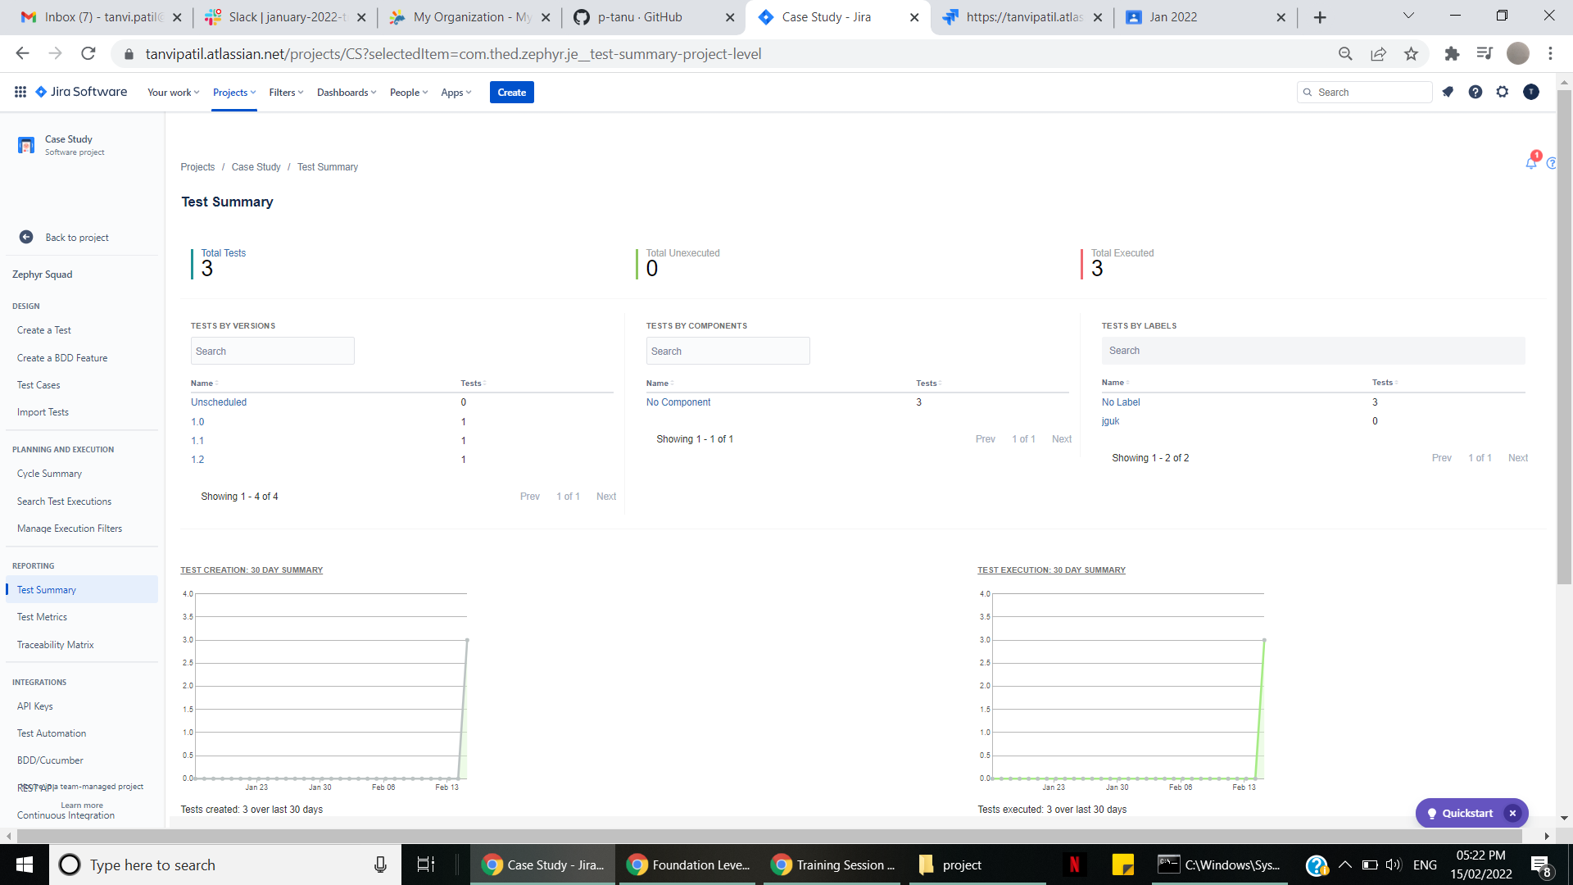
issuekey | Summary | TestStep | Test Data | Test Result | Status Category Changed | Issue Type | Parent | Time Spent | Project | Fix versions | Σ Time Spent | Resolution | Resolved | Work Ratio | Last Viewed | Watchers | Created | Sprint | Flagged | Target start | Priority | Target end | [CHART] Date of First Response | [CHART] Time in Status | Labels | Story point estimate | Issue color | Parent Link | Rank | Remaining Estimate | Σ Original Estimate | Affects versions | Linked Issues | Assignee | Updated | Status | Components | Original estimate | Description | Request Type | Epic Link | Start date | Change type | Change risk | Security Level | Change reason | Actual start | Σ Remaining Estimate | Actual end | Creator | Sub-tasks | Reporter | Σ Progress | Development | Team | Organizations | Approvers | Impact | Environment | Due date | Progress | Votes
CS-11 | test if message module is working fine | click on message |  | should be able to see message page | 2022-02-15T13:57:47.842+0530 | test |  |  | Case Study | 1.2 |  |  |  | -1 |  | 1 | 2022-02-15T13:57:47.462+0530 | CS Sprint 2,CS Sprint 3 |  |  | Medium |  |  |  |  |  |  | The Parent Link is only available to Jira Premium users. | 0|i00067: |  |  |  |  |  | 2022-02-15T16:51:40.007+0530 | To Do |  |  |  |  |  |  |  |  |  |  |  |  |  | Tanvi |  | Tanvi | 0 | {} |  |  |  |  |  |  | 0 | 0
 |  | click on send to | tanvi patil | should be able to fine name as it is registered
 |  | subject | type any thing for eg : "Test" | should be able to type in subject box
 |  | message box | type "Hi ,how are you doing today" | should be able to type in message box
 |  | message box | attach any file from pc | file should get attached
 |  | message box | try other features like bold ,italic,colour etc | all features should work fine
 |  | description |  | should be able to type in description box
 |  | add one more file | attach any other file from computer | another file should get attached
 |  | send message |  | message should be sent and it should get displayed in outbox
CS-10 | test the parameters for login | enter the user name | tanvi | user name should be accepted | 2022-02-15T14:25:27.813+0530 | test |  |  | Case Study | 1.1 |  | Done | 2022-02-15T14:25:27.810+0530 | -1 |  | 1 | 2022-02-15T13:55:38.495+0530 | CS Sprint 1 |  |  | Medium |  |  | 10008_*:*_1_*:*_1789333_*|*_10010_*:*_1_*:*_0 |  |  |  | The Parent Link is only available to Jira Premium users. | 0|i0004q: |  |  |  |  |  | 2022-02-15T14:25:27.972+0530 | Done |  |  |  |  |  |  |  |  |  |  |  |  |  | Tanvi |  | Tanvi | 0 | {} |  |  |  |  |  |  | 0 | 0
 |  | enter the password | tanvi@123 | password should be accepted
 |  | click on login |  | login should be successful
 |  | enter the user name | admin | user name should be accepted
 |  | enter the password | admin123 | password should be accepted
 |  | click on login |  | invalid username and password it should not login
CS-9 | test the parameters for registration | open the browser | internet explorer | internet explore should open | 2022-02-15T14:25:24.498+0530 | test |  |  | Case Study | 1.0 |  | Done | 2022-02-15T14:25:24.492+0530 | -1 |  | 1 | 2022-02-15T13:55:23.932+0530 | CS Sprint 1 |  |  | Medium |  |  | 10008_*:*_1_*:*_1800586_*|*_10010_*:*_1_*:*_0 |  |  |  | The Parent Link is only available to Jira Premium users. | 0|i0004t: |  |  |  |  |  | 2022-02-15T14:25:24.498+0530 | Done |  |  |  |  |  |  |  |  |  |  |  |  |  | Tanvi |  | Tanvi | 0 | {} |  |  |  |  |  |  | 0 | 0
 |  | click on the URL | http://elearningm1.upskills.in/ | application should open
 |  | click on sign up |  | registration page should be displayed
 |  | enter all the parameters | name: tanvi lastname : patil etc etc | all parameters should be accepted
 |  | click on register |  | homepage should be displayed

 |  |  | Test Summry

