6.6KW fan-cooled OBC
On-board Charger | 3.3KW@110VAC, 6.6KW@220VAC
Modle: HK-LF-115-58
Specification:
AC input voltage range: | 90VAC-264VAC
Max input current: | 32A
Output voltage range: | 72VDC-161VDC
Max output current: | 58A
Cooling way: | Enforce air-cooling via fan
Control way: | CAN control through BMS or enable control, they are optional (not support with lead acid battery)
Overall Dimension: | 268.4±3mm*312.8±3mm*111.2±3mm
Mounting Dimension: | 232±0.8mm±0.8*277±1mm
Packaging: | 1unit/carton @ 39.5*33.5*18.5cm
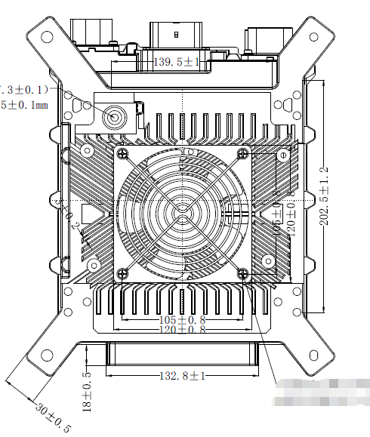
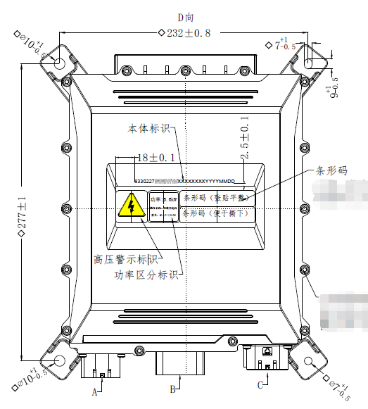

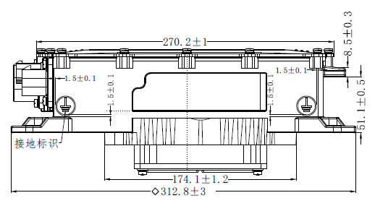
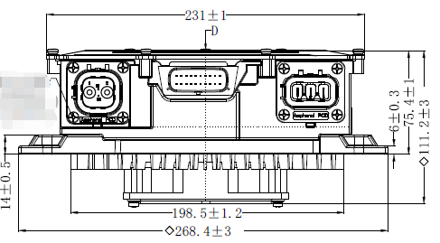

Connectors info

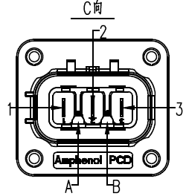
 |  | Charger Input Terminal (Socket)
 |  | Connector Brand | Pin No. | Pin Definition | Color & Wire Diameter(mm²）
 |  | Amphenol | 1 | N | Blue/6
 |  |  | 2 | PE | Yellow Green/6
 |  |  | 3 | L | Brown/6
 |  |  | A、B | HVIL | 0.5
 |  | Socket P/N: HVSL633023A
 |  | Plug P/N: HVSL633063AI06I

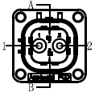
 |  | Charger Output Terminal (Socket)
 |  | Connector Brand | Pin No. | Pin Definition | Color & Wire Diameter(mm²）
 |  | Amphenol | 1 | Output positive | Red/10
 |  |  | 2 | Output negative | Black/10
 |  |  | A、B | HVIL | 0.5
 |  | Socket P/N: HVSL362022A
 |  | Plug P/N: HVSL362062A110I

 |  | Signal Terminal (Socket)
 |  | Connector Brand | Pin No. | Pin Definition | Color & Wire Diameter(mm²）
 |  |  | 5 | CC
 |  |  | 6 | CP
 |  |  | 7 | KL30
 |  | Molex | 10 | 12V5A output positive
 |  |  | 11 | CAN_H
 |  |  | 12 | CAN_L
 |  |  | 13 | HIVL 1
 |  |  | 14 | HVIL 2
 |  |  | 17 | GND
 |  |  | Others | NC
 |  | Socket P/N: 348302001
 |  | Plug P/N: 334722006

