revenue by city
REVENUE BY CITY
REVENUE BY CITY
Row Labels | Sum of revenue
Hyderabad | 158527.2
Nellore | 150286.85
Chennai | 150248.2
Vijayawada | 148288.1
Bengaluru | 139947.15
Grand Total | 747297.5

revenue by category
Row Labels | Sum of revenue
Beverages | 136928.25
Hair Care | 155419.75
REVENUE BY CATEGORY
Home Care | 113306
Personal Care | 144164
Skin Care | 130072.5
Snacks | 67407
Grand Total | 747297.5

top 5 products
TOP 5 PRODUCTS

Row Labels | Sum of revenue
Real Fruit Juice | 70284.5
Tropicana Juice | 66643.75
Clinic Plus Shampoo | 58038
Surf Excel Detergent | 52632
Sunsilk Shampoo | 50278.75
Nivea Cream | 48969
Pond's Face Cream | 48847.5
Anti-Dandruff Shampoo | 47103
Dove Soap | 45045
Harpic Cleaner | 40468.5
Himalaya Face Wash | 32256
Santoor Soap | 30206.2
Lay's Chips | 24884
Lifebuoy Soap | 23868.8
Oreo Biscuits | 23661
Lux Soap | 23072
Pears Soap | 21972
Vim Dishwash Bar | 20205.5
Kurkure Snacks | 18862
Grand Total | 747297.5

dashboard
FRESHMART SUPERMARKET |  |  |  | 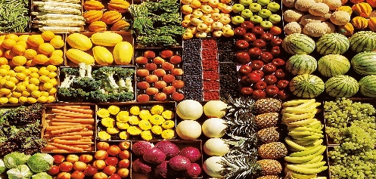
BUSINESS ANALYTICS DASHBOARD

TOTAL REVENUE | ESTIMATED PROFIT | UNITS SOLD | RETURNED UNITS | FM SUPERMARKET
₹ 747,297.50 | ₹ 199,342.35 | 11,543 | 281
REVENUE BY CITY
 | Total
Hyderabad | 158527.2
Nellore | 150286.85
Chennai | 150248.2
Vijayawada | 148288.1
Bengaluru | 139947.15
TOP 5 PRODUCTS BY REVENUE
 | Total
Real Fruit Juice | 70284.5
Tropicana Juice | 66643.75
Clinic Plus Shampoo | 58038
Surf Excel Detergent | 52632
Sunsilk Shampoo | 50278.75
Nivea Cream | 48969
Pond's Face Cream | 48847.5
Anti-Dandruff Shampoo | 47103
Dove Soap | 45045
Harpic Cleaner | 40468.5
Himalaya Face Wash | 32256
Santoor Soap | 30206.2
Lay's Chips | 24884
Lifebuoy Soap | 23868.8
Oreo Biscuits | 23661
Lux Soap | 23072
Pears Soap | 21972
Vim Dishwash Bar | 20205.5
Kurkure Snacks | 18862

