Instructions
Step 1: | Go to League Finances in Basketball GM, click the 3-dot menu and select "Download Spreadsheet," and then paste the contents of the downloaded spreadsheet into the League Finances tab.

Step 2: | Go to Player Ratings in Basketball GM, click the 3-dot menu and select "Download Spreadsheet," and then paste the contents of the downloaded spreadsheet into the Player Ratings tab.

Step 3: | Go to the TRADE tab and type the names of each player that each team is sending and receiving in the trade.

Note: | Make sure each player's name EXACTLY matches what is in the game including punctuation, spacing, and accents.
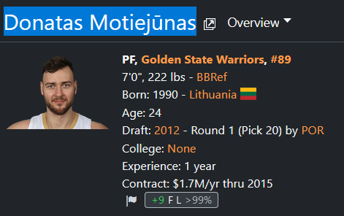
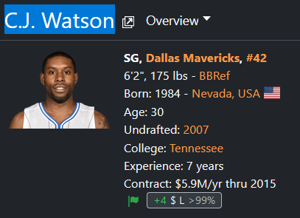

 | Copying and pasting directly from BBGM is recommended. | Be wary of accents and punctuation.

Made by PPP47#9999
v1.1 | Changelog:
 | You can omit the end of a players' name ie just typing Manu G instead of Manu Ginóbili (PO). |  | (NOTE: Copy-pasting is still recommended to avoid any confusion and reduce margin for error)
 | Cleaned up salary summing functions.
 | Outgoing players are now automatically kept track of. Do NOT fill them in manually anymore.

