Sheet1
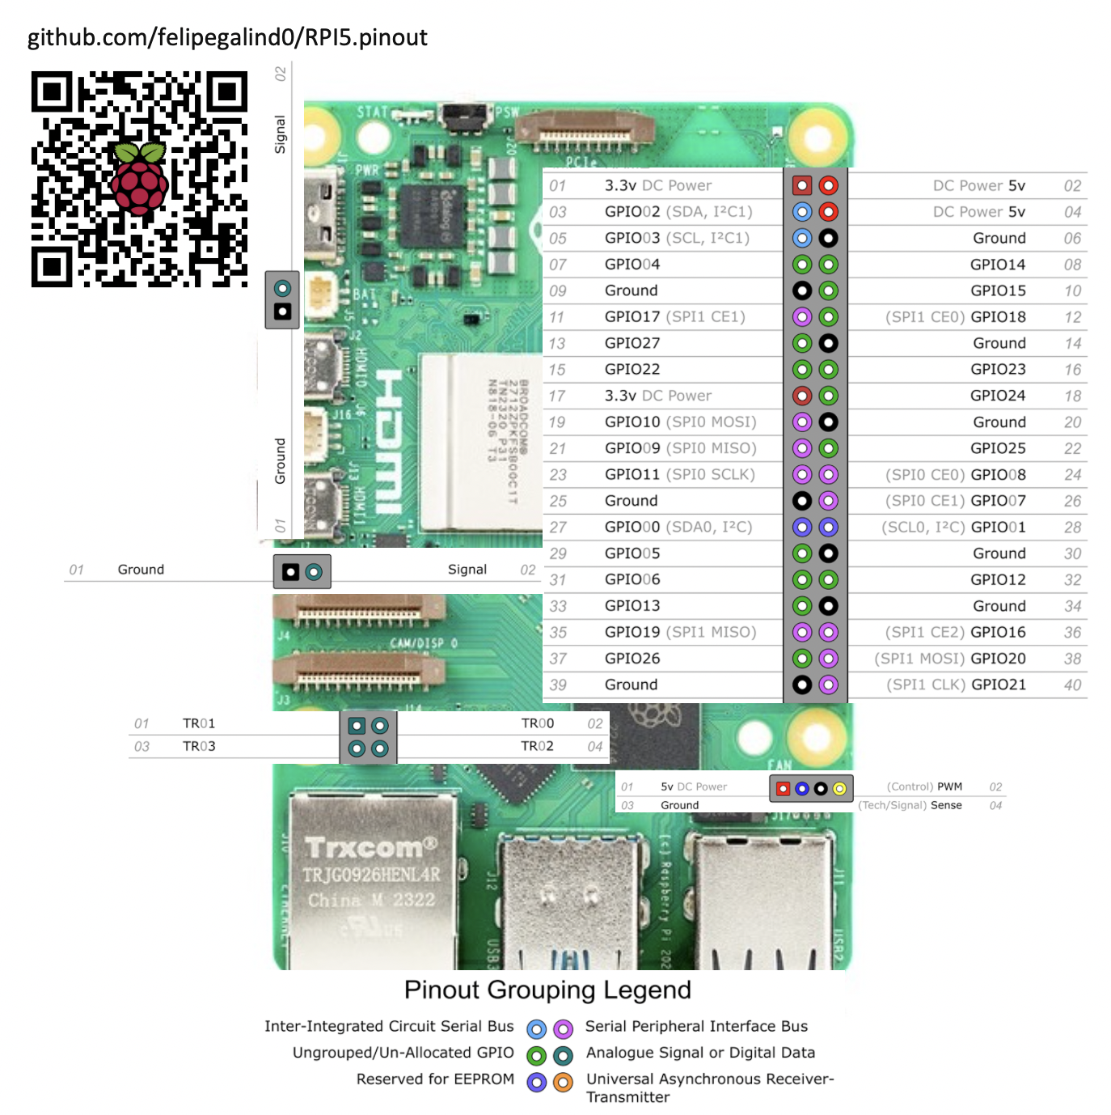
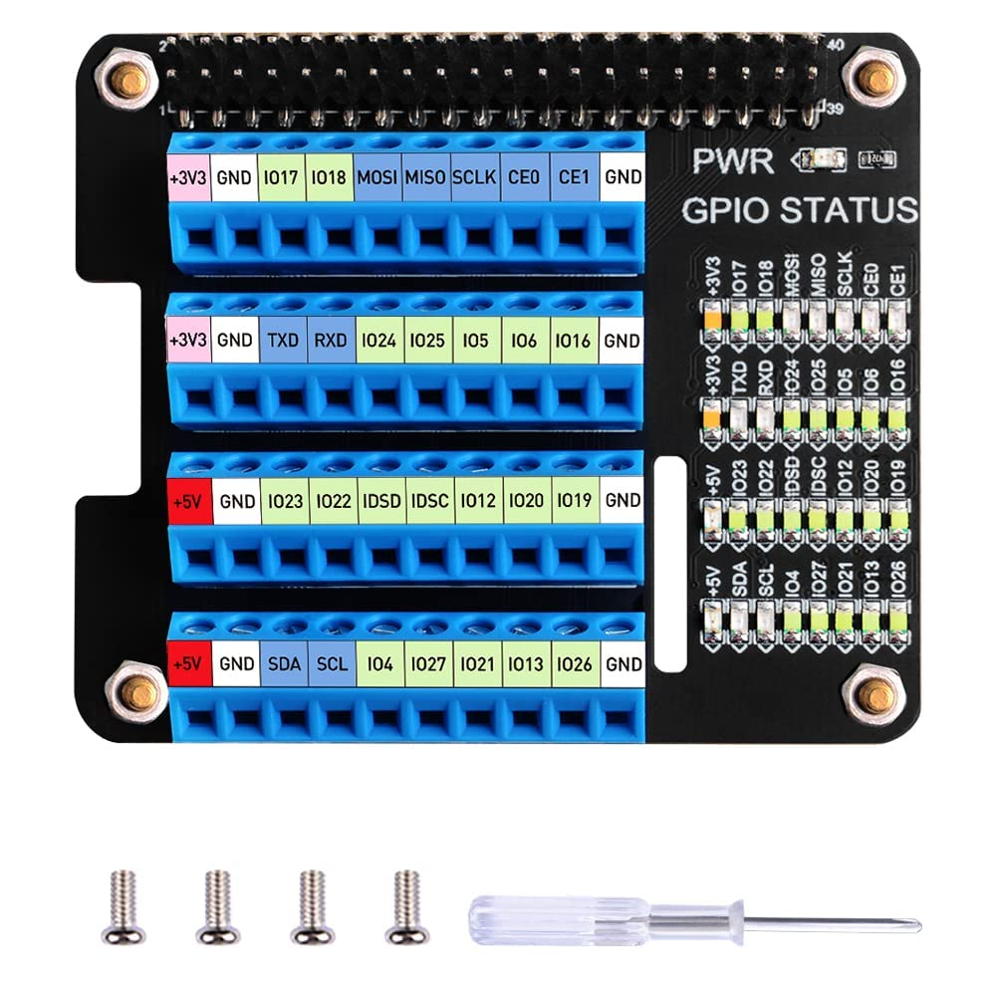
Pin Belegung

 | Verwendung |  | GPIO Number | Function
 | Modul | Beschreibung | GPIO# | F1 | F2 | F3 | F4 | F5 | F6 | F7 | F8 | F9 | Kommentar
 | DigitalOutput | Keep Alive LED | GPIO19 | SPI1_SIO[1] | DPI_D[15] | I2S0_WS | PWM0[3] | I2S1_WS | SYS_RIO[19] | PROC_RIO[19] | PIO[19] |  | LED on breakout board
 | free | free - DIO | GPIO04 | GPCLK[0] | DPI_D[0] | UART2_TX | I2C2_SDA | UART0_RI | SYS_RIO[4] | PROC_RIO[4] | PIO[4] | SPI3_CSn[0]
 | free | free - DIO | GPIO17 | SPI1_CSn[1] | DPI_D[13] | MIPI1_DSI_TE | UART0_RTS | SYS_RIO[17] | PROC_RIO[17] | PIO[17]
 | free | free - DIO | GPIO22 | SDIO0_CLK | DPI_D[18] | I2S0_SDI[1] | I2C3_SDA | I2S1_SDI[1] | SYS_RIO[22] | PROC_RIO[22] | PIO[22]
 | free | free - DIO | GPIO23 | SDIO0_CMD | DPI_D[19] | I2S0_SDO[1] | I2C3_SCL | I2S1_SDO[1] | SYS_RIO[23] | PROC_RIO[23] | PIO[23]
 | free | free - DIO | GPIO27 | SDIO0_DAT[3] | DPI_D[23] | I2S0_SDO[3] | AUDIO_IN_DAT1 | I2S1_SDO[3] | SYS_RIO[27] | PROC_RIO[27] | PIO[27] | SPI1_CSn[1]
 | FrequencyCounter | Digital Input | GPIO18 | SPI1_CSn[0] | DPI_D[14] | I2S0_SCLK | PWM0[2] | I2S1_SCLK | SYS_RIO[18] | PROC_RIO[18] | PIO[18] | GPCLK[1] | 3.3V, GND, <signal>
 | HX711 | CLOCK | GPIO06 | GPCLK[2] | DPI_D[2] | UART2_CTS | I2C3_SDA | UART0_DCD | SYS_RIO[6] | PROC_RIO[6] | PIO[6] | SPI3_SIO[0] | 3.3V, GND, DATA, CLOCK
 | HX711 | DATA | GPIO05 | GPCLK[1] | DPI_D[1] | UART2_RX | I2C2_SCL | UART0_DTR | SYS_RIO[5] | PROC_RIO[5] | PIO[5] | SPI3_SIO[1] | 3.3V, GND, DATA, CLOCK
 | MCC | Board Adress | GPIO12 | PWM0[0] | DPI_D[8] | UART4_TX | I2C2_SDA | AUDIO_OUT_L | SYS_RIO[12] | PROC_RIO[12] | PIO[12] | SPI5_CSn[0] | PCB connection
 | MCC | Board Adress | GPIO13 | PWM0[1] | DPI_D[9] | UART4_RX | I2C2_SCL | AUDIO_OUT_R | SYS_RIO[13] | PROC_RIO[13] | PIO[13] | SPI5_SIO[1] | PCB connection
 | MCC | Board Adress | GPIO26 | SDIO0_DAT[2] | DPI_D[22] | I2S0_SDI[3] | AUDIO_IN_DAT0 | I2S1_SDI[3] | SYS_RIO[26] | PROC_RIO[26] | PIO[26] | SPI5_CSn[1] | PCB connection
 | MCC | ID EEPROM | GPIO00 | SPI0_SIO[3] | DPI_PCLK | UART1_TX | I2C0_SDA | SYS_RIO[0] | PROC_RIO[0] | PIO[0] | SPI2_CSn[0] |  | PCB connection
 | MCC | ID EEPROM | GPIO01 | SPI0_SIO[2] | DPI_DE | UART1_RX | I2C0_SCL | SYS_RIO[1] | PROC_RIO[1] | PIO[1] | SPI2_SIO[1] |  | PCB connection
 | MCC | SPI | GPIO08 | SPI0_CSn[0] | DPI_D[4] | UART3_TX | I2C0_SDA | SYS_RIO[8] | PROC_RIO[8] | PIO[8] | SPI4_CSn[0] |  | PCB connection
 | MCC | SPI | GPIO09 | SPI0_SIO[1] | DPI_D[5] | UART3_RX | I2C0_SCL | SYS_RIO[9] | PROC_RIO[9] | PIO[9] | SPI4_SIO[0] |  | PCB connection
 | MCC | SPI | GPIO10 | SPI0_SIO[0] | DPI_D[6] | UART3_CTS | I2C1_SDA | SYS_RIO[10] | PROC_RIO[10] | PIO[10] | SPI4_SIO[1] |  | PCB connection
 | MCC | SPI | GPIO11 | SPI0_SCLK | DPI_D[7] | UART3_RTS | I2C1_SCL | SYS_RIO[11] | PROC_RIO[11] | PIO[11] | SPI4_SCLK |  | PCB connection
 | reserved | reserved - I2C | GPIO03 | SPI0_CSn[2] | DPI_HSYNC | UART1_RTS | I2C1_SCL | UART0_IR_TX | SYS_RIO[3] | PROC_RIO[3] | PIO[3] | SPI2_SCLK | reserved
 | reserved | reserved - I2C | GPIO2 | SPI0_CSn[3] | DPI_VSYNC | UART1_CTS | I2C1_SDA | UART0_IR_RX | SYS_RIO[2] | PROC_RIO[2] | PIO[2] | SPI2_SIO[0] | reserved
 | reserved | reserved - SPI0_CSn[1] | GPIO07 | SPI0_CSn[1] | DPI_D[3] | UART2_RTS | I2C3_SCL | UART0_DSR | SYS_RIO[7] | PROC_RIO[7] | PIO[7] | SPI3_SCLK | reserved
 | reserved | reserved - UART | GPIO14 | PWM0[2] | DPI_D[10] | UART4_CTS | I2C3_SDA | UART0_TX | SYS_RIO[14] | PROC_RIO[14] | PIO[14] | SPI5_SIO[0] | reserved
 | reserved | reserved - UART | GPIO15 | PWM0[3] | DPI_D[11] | UART4_RTS | I2C3_SCL | UART0_RX | SYS_RIO[15] | PROC_RIO[15] | PIO[15] | SPI5_SCLK | reserved
 | Stepper | DIR | GPIO25 | SDIO0_DAT[1] | DPI_D[21] | I2S0_SDO[2] | AUDIO_IN_CLK | I2S1_SDO[2] | SYS_RIO[25] | PROC_RIO[25] | PIO[25] | SPI3_CSn[1] | 1/2: GND, DIR, EN, STEP
 | Stepper | EN | GPIO16 | SPI1_CSn[2] | DPI_D[12] | MIPI0_DSI_TE | UART0_CTS | SYS_RIO[16] | PROC_RIO[16] | PIO[16] |  |  | 1/2: GND, DIR, EN, STEP
 | Stepper | Limit A | GPIO20 | SPI1_SIO[0] | DPI_D[16] | I2S0_SDI[0] | GPCLK[0] | I2S1_SDI[0] | SYS_RIO[20] | PROC_RIO[20] | PIO[20] |  | 2/2: 3.3V, <signal>, GND
 | Stepper | Limit B | GPIO21 | SPI1_SCLK | DPI_D[17] | I2S0_SDO[0] | GPCLK[1] | I2S1_SDO[0] | SYS_RIO[21] | PROC_RIO[21] | PIO[21] |  | 2/2: 3.3V, <signal>, GND
 | Stepper | STEP | GPIO24 | SDIO0_DAT[0] | DPI_D[20] | I2S0_SDI[2] | I2S1_SDI[2] | SYS_RIO[24] | PROC_RIO[24] | PIO[24] | SPI2_CSn[1] |  | 1/2: GND, DIR, EN, STEP

