Test Strategy
Test Components of | Asyncronous FIFO Verification

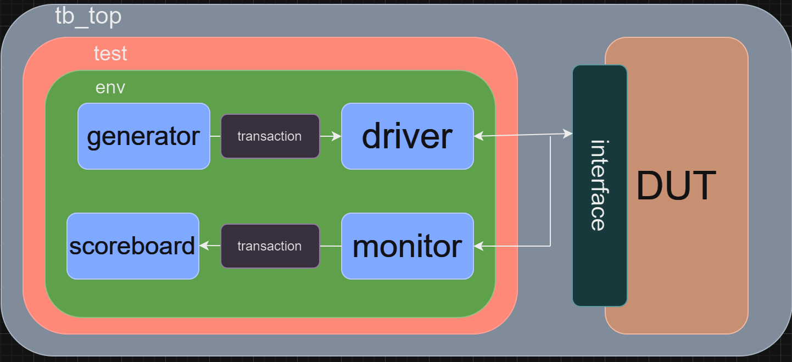

Figure1 Schematic Diagram of FIFO testbench

Test Strategy
1. Read the specification of FIFO design and understood its functionality.

<insert above this row>

