Sheet1
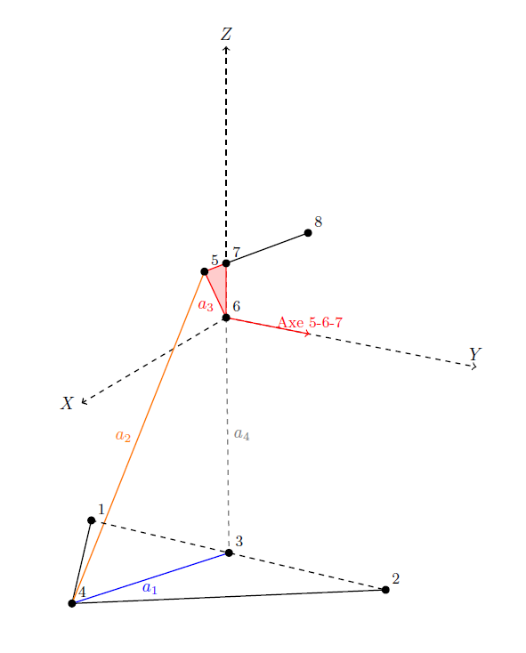
 | X | Y | Z
caFront | 2260 | 220 | 290 | 1 | ->
caRear | 1890 | 250 | 290 | 2 | ->
wheelCarrier | 2110 | 520 | 320 | 4 | ->
push | 2110 | 245 | 600 | 5 | ->
chassis | 2110 | 200 | 535 | 6 | ->
shockA | 2110 | 200 | 595 | 7 | ->
shockB | 2110 | 30 | 575 | 8 | ->

travel | 51
springRate | 61.3

