Parche Rectangular
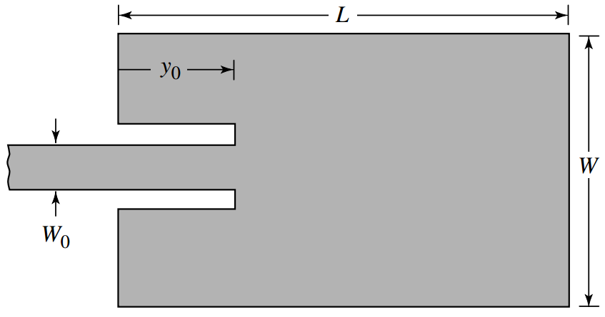
Specs
fr = | 2.42E+09 | Hz
εr = | 4.5
h = | 1.60E-03 | m | = | 1.6 | mm
Zin = | 50 | Ω

Auxiliary Calculations
λ0 = | 1.24E-01 | m | = | 123.86 | mm
k0 = | 5.07E+01 | 1/m | = | 0.05 | 1/mm

Dimensionamiento del parche
W = | 3.73E-02 | m | = | 37.35 | mm
εreff = | 4.17
ΔL = | 7.36E-04 | m | = | 0.74 | mm
Leff = | 3.03E-02 | m | = | 30.32 | mm
L = | 2.88E-02 | m | = | 28.85 | mm

Matching
G1 = | 9.53E-04 | Ʊ | = | 0.95 | mƱ
G12 = | 5.83E-04 | Ʊ | = | 0.5833978718 | mƱ
Rin(y0) = | 50 | Ω
Rin(0) = | 325.51 | Ω
y0 = | 1.07E-02 | m | = | 10.73 | mm
W0 = |  | m | = |  | mm

Ground Plane
Wg = | 6.93E-02 | m | = | 69.35 | mm
Lg = | 2.00E+00 | m | = | 2000.00 | mm

Layout

