Graphics
SM Posts by month
January | 0
February | 0
March | 0
April | 0
May | 0
June | 0
July | 0
August | 0
September | 0
October | 0
November | 0
December | 0
Dissemination, media impacts, other media impact, news
 | Dissemination | Impacts | Other m.i. | News
January | 0 | 0 | 0 | 0
February | 0 | 0 | 0 | 0
March | 0 | 0 | 0 | 0
April | 0 | 0 | 0 | 0
May | 0 | 0 | 0 | 0
June | 0 | 0 | 0 | 0
July | 0 | 0 | 0 | 0
August | 0 | 0 | 0 | 0
September | 0 | 0 | 0 | 0
October | 0 | 0 | 0 | 0
November | 0 | 0 | 0 | 0
December | 0 | 0 | 0 | 0

Dissemination Activities: PR, News, SM
 | PR | News | Total PR+News | Post
January | 0 | 0 | 0 | 0
February | 0 | 0 | 0 | 0
March | 0 | 0 | 0 | 0
April | 0 | 0 | 0 | 0
May | 0 | 0 | 0 | 0
June | 0 | 0 | 0 | 0
July | 0 | 0 | 0 | 0
August | 0 | 0 | 0 | 0
September | 0 | 0 | 0 | 0
October | 0 | 0 | 0 | 0
November | 0 | 0 | 0 | 0
December | 0 | 0 | 0 | 0
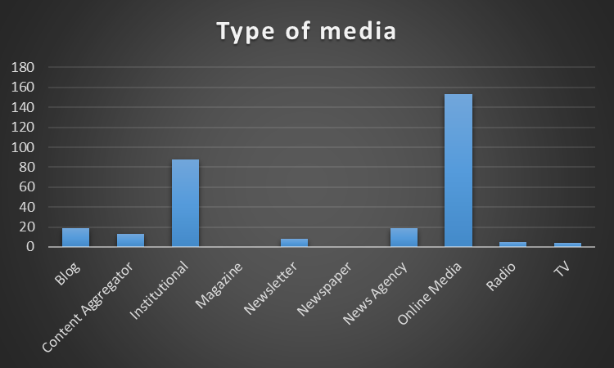

National, International, Local
National | 0
International | 0
Local | 0
Impacts by language
Spanish | 0
English | 0
Other | 0

Media content
General Interest | 0
Science Specialised | 0
Economy Specialised | 0
Technology Specialised | 0
Specialised | 0
Format
Online | 0
Print | 0

Publicaciones con video
January | 0
February | 0
March | 0
April | 0
May | 0
June | 0
July | 0
August | 0
September | 0
October | 0
November | 0
December | 0
Type of publication
Article | 0
Column | 0
Interview | 0
News | 0
News Brief | 0
Podcast | 0
Press Release | 0
Video | 0

