Delivery_Log
S&K OIL SALES — DELIVERY LOG ↓ Append new deliveries in date order
Add rows in chronological order (oldest first). Optimizer_Input updates automatically. Do NOT re-sort.
Date | Customer | Zone | Zone Code | Product | Tank (lbs) | Qty Delivered (lbs) | Days Since Last | Lbs/Day This Delivery | Invoice # | Running Avg Lbs/Day ←auto | Name Check
2025-10-25 | AME - 1073 - AMELIO C ENTERPRISES, INC (CACTUS CANDY) | 4 | 4C | CANOLA OIL | 2,000 | 1,903 | 0 |  | 7825-1 |  | ✓
2025-11-04 | SHA - 19107 - SHARKO'S CATERING | 3 | 3D | CANOLA OIL | 450 | 228 |  |  | 141811 |  | ✓
2026-01-02 | ATL - 1083 - ATL WINGS MESA | 5 | 5D | CANOLA OIL | 425 | 354 |  |  | 140983 |  | ✓
2026-01-02 | CAR - 3063 - CARDINAL STADIUM | 2 | 2D | CANOLA OIL | 2,500 | 1,596 |  |  | 140988 |  | ✓
2026-01-02 | DAR - 4037 - DARUMA RAMEN AND BOWL | 4 | 4E | CANOLA OIL | 350 | 361 |  |  | 140985 |  | ✓
2026-01-02 | HAR - 8031 - HAROLDS | 4 | 4A | FRYERS CHOICE BLEND | 1,050 | 705 |  |  | 140986 |  | ✓
2026-01-02 | JALS - 10001 - JALAPENOS INFERNO SCOTTS | 4 | 4B | FRYERS CHOICE BLEND | 950 | 882 |  |  | 140987 |  | ✓
2026-01-02 | NOU - 14008 - NOURISH KITCHEN | 4 | 4E | CANOLA OIL | 2,000 | 1,151 |  |  | 140984 |  | ✓
2026-01-02 | OHS - 15035 - OHSO GILBERT | 5 | 5E | CANOLA OIL | 1,800 | 1,401 |  |  | 140981 |  | ✓
2026-01-02 | PETTOL - 16010 - PETES TOLLESON | 2 | 2E | FRYERS CHOICE BLEND | 1,950 | 1,737 |  |  | 140982 |  | ✓
2026-01-03 | ANG - 1057 - ANGRY CRAB TUCSON | 0 | TU | FRYERS CHOICE BLEND | 1,000 | 591 |  |  | 141024 |  | ✓
2026-01-03 | BOO - 2016 - BOOTY'S SURPRISE | 0 | 0 | CANOLA OIL | 700 | 265 |  |  | 141011 |  | ✓
2026-01-03 | CHA - 3056 - CHARLEYS AT THE LAKE | 2 | 2C | CANOLA OIL | 350 | 223 |  |  | 141010 |  | ✓
2026-01-03 | DIL59 - 4010 - DILLONS 59TH AVE | 2 | 2A | FRYERS CHOICE BLEND | 500 | 514 |  |  | 141007 |  | ✓
2026-01-03 | FAT - 6101 - FATE BREWERY | 4 | 4D | CANOLA OIL | 700 | 569 |  |  | 141013 |  | ✓
2026-01-03 | OREL - 15033 - OREGANO LANDING | 0 | T | CANOLA OIL | 500 | 327 |  |  | 141023 |  | ✓
2026-01-03 | OREO - 15028 - OREGANO TUCSON | 0 | TU | CANOLA OIL | 950 | 605 |  |  | 141021 |  | ✓
2026-01-03 | ORES - 15021 - OREGANO SPEEDWAY | 0 | TU | CANOLA OIL | 700 | 272 |  |  | 141022 |  | ✓
2026-01-03 | POPIS - 16014 - POPO INDIAN SCHOOL | 2 | 2D | FRYERS CHOICE BLEND | 1,950 | 1,772 |  |  | 141014 |  | ✓
2026-01-03 | STA - 19031 - STATE 48 BREWERY | 1 | 1C | CANOLA OIL | 950 | 620 |  |  | 141012 |  | ✓
2026-01-03 | UNC83 - 21001 - UNCLE SAMS PEORIA | 2 | 2C | FRYERS CHOICE BLEND | 1,200 | 731 |  |  | 141008 |  | ✓
2026-01-04 | PETVB - 16005 - PETES FISH 26TH | 3 | 3E | FRYERS CHOICE BLEND | 950 | 703 |  |  | 141068 |  | ✓
2026-01-04 | POP - 16051 - POPOS MCDOWELL | 1 | 1D | CANOLA OIL | 2,000 | 1,507 |  |  | 141069 |  | ✓
2026-01-05 | ARRC - 1011 - ARRIBAS CHANDLER | 4 | 4F | CANOLA OIL | 1,000 | 949 |  |  | 141082 |  | ✓
2026-01-05 | CRA - 3021 - JC FOOD TRADING/GLEN | 2 | 2C | CANOLA OIL | 450 | 291 |  |  | 141075 |  | ✓
2026-01-05 | ECH - 5006 - ECHO 5 SPORTS BAR | 5 | 5D | FRYERS CHOICE BLEND | 450 | 406 |  |  | 141090 |  | ✓
2026-01-05 | FOU - 6077 - FOUR PEAKS BREWING | 4 | 4E | FRYERS CHOICE BLEND | 2,500 | 1,513 |  |  | 141085 |  | ✓
2026-01-05 | HAR - 8031 - HAROLDS | 4 | 4A | FRYERS CHOICE BLEND | 1,050 | 762 | 3 | 254 | 141080 | 254.0 | ✓
2026-01-05 | LIB - 2010 - LIBERTY TAVERN | 3 | 3E | CANOLA OIL | 500 | 507 |  |  | 141072 |  | ✓
2026-01-05 | MANP - 13013 - MANUEL PEORIA | 2 | 2C | CANOLA OIL | 1,050 | 898 |  |  | 141077 |  | ✓
2026-01-05 | MTV - 13061 - MOUNTAIN VIEW PUB | 4 | 4A | FRYERS CHOICE BLEND | 620 | 457 |  |  | 141074 |  | ✓
2026-01-05 | PETB - 16004 - PETES FISH BUCKEYE | 3 | 3E | FRYERS CHOICE BLEND | 950 | 438 |  |  | 141088 |  | ✓
2026-01-05 | PETG - 16008 - PETES FISH GLENDALE | 2 | 2D | FRYERS CHOICE BLEND | 950 | 715 |  |  | 141076 |  | ✓
2026-01-05 | RED - 18004 - RED WHITE BREW | 5 | 5D | CANOLA OIL | 660 | 669 |  |  | 141092 |  | ✓
2026-01-05 | RED - 18031 - RED DEVIL SOUTHERN | 3 | 3D | FRYERS CHOICE BLEND | 660 | 507 |  |  | 141083 |  | ✓
2026-01-05 | REDB - 18003 - RED DEVIL BELL | 3 | 3C | FRYERS CHOICE BLEND | 450 | 337 |  |  | 141079 |  | ✓
2026-01-05 | REDM - 18001 - RED DEVIL MCDOWELL | 3 | 3D | FRYERS CHOICE BLEND | 950 | 268 |  |  | 141067 |  | ✓
2026-01-05 | RUS - 18054 - RUSTY BUCKLE SALOON | 5 | 5E | CANOLA OIL | 1,050 | 1,128 |  |  | 141091 |  | ✓
2026-01-05 | SUN - 19117 - SUNSHINE BREAKFAST BAR TEMPE | 3 | 3C | FRYERS CHOICE BLEND | 500 | 357 |  |  | 141084 |  | ✓
2026-01-06 | ANG - 1054 - ANGRY CRAB SURPRISE | 1 | 1C | FRYERS CHOICE BLEND | 620 | 522 |  |  | 141117 |  | ✓
2026-01-06 | ARRC - 1001 - ARRIBAS CAMELBACK | 3 | 3D | CANOLA OIL | 700 | 814 |  |  | 141053 |  | ✓
2026-01-06 | ARRM - 1013 - ARRIBAS GOODYEAR | 1 | 1D | CANOLA OIL | 900 | 904 |  |  | 141126 |  | ✓
2026-01-06 | BOO - 2023 - BOOTY GOODYEAR | 1 | 1D | CANOLA OIL | 620 | 705 |  |  | 141123 |  | ✓
2026-01-06 | BOOW - 2017 - BOOTY'S WATSON | 1 | 1D | CANOLA OIL | 620 | 433 |  |  | 141119 |  | ✓
2026-01-06 | DIL - 4025 - DILLON WESTERN TRAILS | 1 | 1B | FRYERS CHOICE BLEND | 1,050 | 863 |  |  | 141118 |  | ✓
2026-01-06 | ENR - 5018 - ENROUTE COFFEE AND TEA | 1 | 1D | CANOLA OIL | 350 | 286 |  |  | 141124 |  | ✓
2026-01-06 | FAT - 6109 - FATE BREWING TEMPE | 4 | 4E | CANOLA OIL | 700 | 445 |  |  | 141051 |  | ✓
2026-01-06 | SAD - 19022 - SADDLE MOUNTAIN | 1 | 1E | FRYERS CHOICE BLEND | 1,100 | 920 |  |  | 141125 |  | ✓
2026-01-06 | TAI - 20093 - TAILGATERS DYSART | 2 | 2D | FRYERS CHOICE BLEND | 1,050 | 987 |  |  | 141122 |  | ✓
2026-01-06 | THE - 20014 - THE TACK ROOM | 1 | 1E | CANOLA OIL | 1,050 | 925 |  |  | 141120 |  | ✓
2026-01-07 | ALL - 1063 - ALL AMERICAN MODERN SPORTS GRILL | 4 | 4C | CANOLA OIL | 900 | 853 |  |  | 141141 |  | ✓
2026-01-07 | ATL - 1083 - ATL WINGS MESA | 5 | 5D | CANOLA OIL | 425 | 181 | 5 | 36 | 141138 | 36.2 | ✓
2026-01-07 | BAR - 2045 - BARRIO BREWING | 5 | 5F | CANOLA OIL | 350 | 232 |  |  | 141136 |  | ✓
2026-01-07 | BRU - 2073 - BRUNCH SNOB | 4 | 4D | FRYERS CHOICE BLEND | 350 | 315 |  |  | 141134 |  | ✓
2026-01-07 | DUR - 4029 - DURVILL FOODS | 4 | 4E | CANOLA OIL | 2,500 | 1,900 |  |  | 7570-1 |  | ✓
2026-01-07 | GIL - 7002 - GILBERT PIZZA | 5 | 5F | FRYERS CHOICE BLEND | 480 | 318 |  |  | 141131 |  | ✓
2026-01-07 | HOR - 8034 - HORNY TOAD | 4 | 4A | FRYERS CHOICE BLEND | 900 | 684 |  |  | 141142 |  | ✓
2026-01-07 | MAN3 - 13011 - MANUEL INDIAN SCHOOL | 3 | 3D | CANOLA OIL | 1,000 | 686 |  |  | 141135 |  | ✓
2026-01-07 | MVP - 2021 - MVP SPORTS BAR & GRILL | 4 | 4F | FRYERS CHOICE BLEND | 620 | 511 |  |  | 141133 |  | ✓
2026-01-07 | OHS - 15000 - OHSO INDIAN SCHOOL | 4 | 4D | CANOLA OIL | 1,050 | 823 |  |  | 141129 |  | ✓
2026-01-07 | OREM - 15009 - OREGANO QUEEN CREEK | 5 | 5F | CANOLA OIL | 500 | 434 |  |  | 141128 |  | ✓
2026-01-07 | ORES - 15015 - OREGANO SUPERSTITION | 5 | 5E | CANOLA OIL | 500 | 441 |  |  | 141137 |  | ✓
2026-01-07 | PET44 - 16006 - PETES FISH 44TH ST | 4 | 4D | FRYERS CHOICE BLEND | 950 | 872 |  |  | 141130 |  | ✓
2026-01-07 | PIRA - 16019 - PIRATES ARIZONA AVE | 4 | 4F | FRYERS CHOICE BLEND | 950 | 661 |  |  | 141132 |  | ✓
2026-01-07 | PIRL - 16018 - PIRATES MESA | 5 | 5E | FRYERS CHOICE BLEND | 950 | 668 |  |  | 141139 |  | ✓
2026-01-07 | THE - 20088 - THE VIG BELL | 4 | 4D | CANOLA OIL | 1,050 | 979 |  |  | 141140 |  | ✓
2026-01-08 | AJO - 1018 - AJO ALS BELL | 2 | 2C | CANOLA OIL | 950 | 631 |  |  | 141184 |  | ✓
2026-01-08 | DIL - 4009 - DILLONS BBQ | 1 | 1D | FRYERS CHOICE BLEND | 1,050 | 686 |  |  | 141181 |  | ✓
2026-01-08 | MAN1 - 13012 - MANUEL MCDOWELL | 1 | 1D | CANOLA OIL | 950 | 518 |  |  | 141180 |  | ✓
2026-01-08 | MAN9 - 13014 - MANUEL SCOTTSDALE | 4 | 4C | CANOLA OIL | 900 | 804 |  |  | 141188 |  | ✓
2026-01-08 | SAR - 19080 - SARDELLA'S LAKE PLEASANT | 2 | 2C | CANOLA OIL | 620 | 393 |  |  | 141182 |  | ✓
2026-01-08 | SAR - 19081 - SARDELLA'S 19TH AVE | 3 | 3C | CANOLA OIL | 620 | 416 |  |  | 141189 |  | ✓
2026-01-08 | STA - 19035 - STATE 48 GLENDALE | 2 | 2D | CANOLA OIL | 350 | 333 |  |  | 141179 |  | ✓
2026-01-08 | SUG - 19077- SUGAR JAM | 4 | 4C | FRYERS CHOICE BLEND | 1,050 | 865 |  |  | 141187 |  | ✓
2026-01-08 | THE - 20019 - THE PLACE | 2 | 2C | CANOLA OIL | 1,050 | 595 |  |  | 141186 |  | ✓
2026-01-08 | TIM - 20051 - TIM FINNEGANS | 2 | 2C | FRYERS CHOICE BLEND | 300 | 289 |  |  | 141185 |  | ✓
2026-01-09 | BAC - 2067 - BACKYARD - DESERT RIDGE | 5 | 5F | CANOLA OIL | 950 | 789 |  |  | 141201 |  | ✓
2026-01-09 | BOO - 2016 - BOOTY'S SURPRISE | 0 | 0 | CANOLA OIL | 700 | 274 | 6 | 46 | 141204 | 45.7 | ✓
2026-01-09 | DAI - 4015A - DAIRY QUEEN BELL | 3 | 3C | CANOLA OIL | 500 | 480 |  |  | 141200 |  | ✓
2026-01-09 | GAR - 7001 - GARCIAS MEXICAN RESTAURANT | 3 | 3D | CANOLA OIL | 1,850 | 1,347 |  |  | 141193 |  | ✓
2026-01-09 | MAN6 - 13009 - MANUEL BELL | 3 | 3C | CANOLA OIL | 1,050 | 832 |  |  | 141202 |  | ✓
2026-01-09 | OREB - 15016 - OREGANO SURPRISE | 1 | 1C | CANOLA OIL | 630 | 340 |  |  | 141205 |  | ✓
2026-01-09 | POP59 - 16015 - POPO BELL | 2 | 2C | CANOLA OIL | 1,950 | 1,514 |  |  | 141203 |  | ✓
2026-01-09 | TAP - 22006 - TAP HOUSE SPORTS GRILL | 1 | 1C | FRYERS CHOICE BLEND | 950 | 676 |  |  | 141206 |  | ✓
2026-01-10 | KAR - 11005 - KARMA SUSHI | 4 | 4B | CANOLA OIL | 950 | 639 |  |  | 141241 |  | ✓
2026-01-10 | LOT - 12021 - LOTUS LOUNGE | 0 | F | CANOLA OIL | 700 | 348 |  |  | 141245 |  | ✓
2026-01-10 | ORE - 15032 - OREGANO COUNTRY | 0 | T | CANOLA OIL | 950 | 632 |  |  | 141242 |  | ✓
2026-01-10 | ORER - 15004 - OREGANO FLAGSTAFF | 0 | F | CANOLA OIL | 700 | 386 |  |  | 141246 |  | ✓
...
 | Customer | Zone | Zone Code | Product | Tank (lbs) | Qty Delivered (lbs) | Days Since Last | Lbs/Day This Delivery | Invoice # | Running Avg Lbs/Day ←auto | Name Check
 | STA - 19123 - STATE 48 HAPPY VALLEY | 3 | 3B | CANOLA OIL | 350 | 464 | 17 | 27 |  | 45.7 | ✓
 | ELT - 5004 - EL TACO TOTE | 3 | 3D | CANOLA OIL | 500 | 451 | 22 | 21 |  | 19.5 | ✓
 | MAN1 - 13012 - MANUEL MCDOWELL | 1 | 1D | CANOLA OIL | 950 | 763 | 10 | 76 |  | 75.2 | ✓
 | MAN3 - 13011 - MANUEL INDIAN SCHOOL | 3 | 3D | CANOLA OIL | 1000 | 945 | 20 | 47 |  | 42.8 | ✓
 | FAT - 6101 - FATE BREWERY | 4 | 4D | CANOLA OIL | 700 | 571 | 1 | 571 |  | 107.5 | ✓
 | LON - 12051 - LONG WONG LOWER BUCKEYE | 2 | 2E | CANOLA OIL | 1050 | 856 | 34 | 25 |  | 52.1 | ✓
 | OHS - 15000 - OHSO INDIAN SCHOOL | 4 | 4D | CANOLA OIL | 1050 | 828 | 8 | 104 |  | 90.3 | ✓
 | PIRA - 16019 - PIRATES ARIZONA AVE | 4 | 4F | FRYERS CHOICE BLEND | 950 | 877 | 18 | 49 |  | 48.7 | ✓
 | PIR - 16027 - PIRATE CASA GRANDE | 0 | C | FRYERS CHOICE BLEND | 700 | 505 | 14 | 36 |  | 39.0 | ✓
 | DAR - 4037 - DARUMA RAMEN AND BOWL | 4 | 4E | CANOLA OIL | 350 | 216 | 17 | 13 |  | 14.1 | ✓
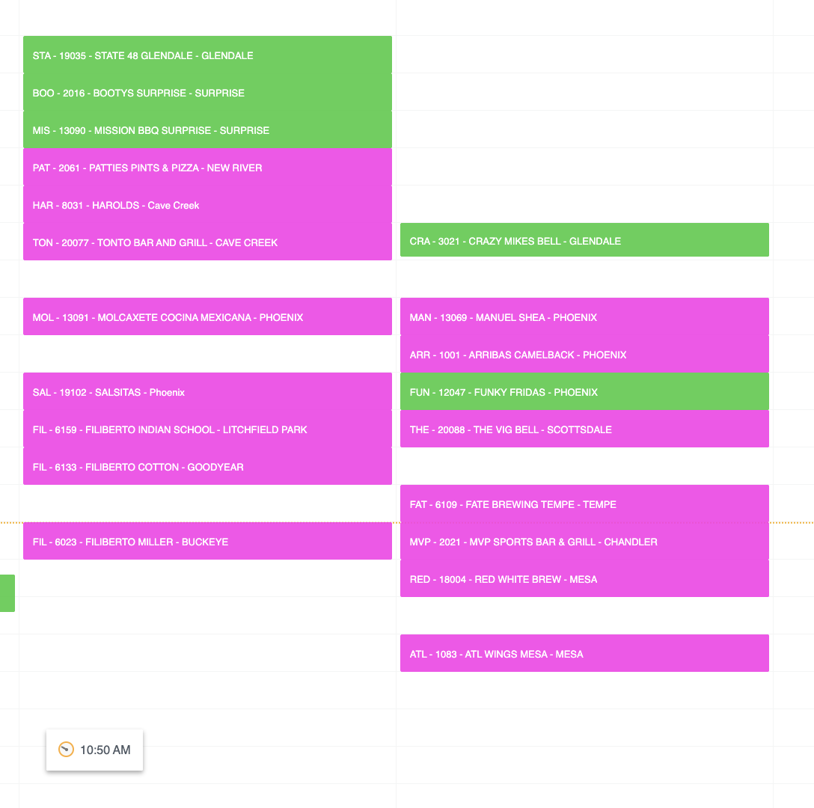
 | BAC - 19039 - BACKYARD GILBERT | 5 | 5F | FRYERS CHOICE BLEND | 1050 | 740 | 15 | 49 |  | 43.8 | ✓
 | MAN9 - 13014 - MANUEL SCOTTSDALE | 4 | 4C | CANOLA OIL | 900 | 821 | 17 | 48 |  | 48.9 | ✓
 | BAC - 2067 - BACKYARD - DESERT RIDGE | 5 | 5F | CANOLA OIL | 950 | 773 | 7 | 110 |  | 99.3 | ✓
 | ANG - 1057 - ANGRY CRAB TUCSON | 0 | TU | FRYERS CHOICE BLEND | 1000 | 690 | 28 | 25 |  | 48.1 | ✓
 | ORES - 15021 - OREGANO SPEEDWAY | 0 | TU | CANOLA OIL | 700 | 347 | 14 | 25 |  | 23.8 | ✓
 | OREO - 15028 - OREGANO TUCSON | 0 | TU | CANOLA OIL | 950 | 563 | 14 | 40 |  | 40.3 | ✓
 | OREL - 15033 - OREGANO LANDING | 0 | T | CANOLA OIL | 500 | 505 | 14 | 36 |  | 30.0 | ✓
 | STA - 19035 - STATE 48 GLENDALE | 2 | 2D | CANOLA OIL | 350 | 300 | 6 | 50 |  | 33.8 | ✓
 | BOO - 2016 - BOOTY'S SURPRISE | 0 | 0 | CANOLA OIL | 700 | 300 | 14 | 21 |  | 60.6 | ✓
 | HAR - 8031 - HAROLDS | 4 | 4A | FRYERS CHOICE BLEND | 1050 | 300 | 5 | 60 |  | 175.2 | ✓
 | TON - 20077 - TONTO BAR AND GRILL | 4 | 4A | FRYERS CHOICE BLEND | 630 | 300 | 13 | 23 |  | 42.1 | ✓
 | CRA - 3021 - JC FOOD TRADING/GLEN | 2 | 2C | CANOLA OIL | 450 | 300 | 13 | 23 |  | 33.3 | ✓
 | FUN - 12047 - FUNKY FRIDAS | 3 | 3C | CANOLA OIL | 630 | 300 | 14 | 21 |  | 42.3 | ✓
 | KRI - 11016 - KRISPY KRUNCHY CHICKEN | 4 | 4C | CANOLA OIL | 350 | 300 | 30 | 10 |  | 9.9 | ✓
 | ARRC - 1001 - ARRIBAS CAMELBACK | 3 | 3D | CANOLA OIL | 700 | 300 | 10 | 30 |  | 58.6 | ✓
 | THE - 20088 - THE VIG BELL | 4 | 4D | CANOLA OIL | 1050 | 300 | 10 | 30 |  | 84.6 | ✓
 | FAT - 6109 - FATE BREWING TEMPE | 4 | 4E | CANOLA OIL | 700 | 300 | 7 | 43 |  | 72.3 | ✓
 | MVP - 2021 - MVP SPORTS BAR & GRILL | 4 | 4F | FRYERS CHOICE BLEND | 620 | 300 | 18 | 17 |  | 36.4 | ✓
 | ATL - 1083 - ATL WINGS MESA | 5 | 5D | CANOLA OIL | 425 | 300 | 7 | 43 |  | 72.0 | ✓
 | RED - 18004 - RED WHITE BREW | 5 | 5D | CANOLA OIL | 660 | 300 | 13 | 23 |  | 58.3 | ✓
 | MAN - 13069 - MANUEL SHEA | 3 | 3C | CANOLA OIL | 900 | 300 | 27 | 11 |  | 33.2 | ✓
...

