Delivery_Log
S&K OIL SALES — DELIVERY LOG ↓ Append new deliveries in date order
Add rows in chronological order (oldest first). Optimizer_Input updates automatically. Do NOT re-sort.
Date | Customer | Zone | Zone Code | Product | Tank (lbs) | Qty Delivered (lbs) | Days Since Last | Lbs/Day This Delivery | Invoice # | Running Avg Lbs/Day ←auto | Name Check
2025-10-25 | AME - 1073 - AMELIO C ENTERPRISES, INC (CACTUS CANDY) |  |  |  |  | 1,903 |  |  | 7825-1
2025-11-04 | SHA - 19107 - SHARKO'S CATERING |  |  |  |  | 228 |  |  | 141811
2026-01-02 | ATL - 1083 - ATL WINGS MESA |  |  |  |  | 354 |  |  | 140983
2026-01-02 | CAR - 3063 - CARDINAL STADIUM |  |  |  |  | 1,596 |  |  | 140988
2026-01-02 | DAR - 4037 - DARUMA RAMEN AND BOWL |  |  |  |  | 361 |  |  | 140985
2026-01-02 | HAR - 8031 - HAROLDS |  |  |  |  | 705 |  |  | 140986
2026-01-02 | JALS - 10001 - JALAPENOS INFERNO SCOTTS |  |  |  |  | 882 |  |  | 140987
2026-01-02 | NOU - 14008 - NOURISH KITCHEN |  |  |  |  | 1,151 |  |  | 140984
2026-01-02 | OHS - 15035 - OHSO GILBERT |  |  |  |  | 1,401 |  |  | 140981
2026-01-02 | PETTOL - 16010 - PETES TOLLESON |  |  |  |  | 1,737 |  |  | 140982
2026-01-03 | ANG - 1057 - ANGRY CRAB TUCSON |  |  |  |  | 591 |  |  | 141024
2026-01-03 | BOO - 2016 - BOOTY'S SURPRISE |  |  |  |  | 265 |  |  | 141011
2026-01-03 | CHA - 3056 - CHARLEYS AT THE LAKE |  |  |  |  | 223 |  |  | 141010
2026-01-03 | DIL59 - 4010 - DILLONS 59TH AVE |  |  |  |  | 514 |  |  | 141007
2026-01-03 | FAT - 6101 - FATE BREWERY |  |  |  |  | 569 |  |  | 141013
2026-01-03 | OREL - 15033 - OREGANO LANDING |  |  |  |  | 327 |  |  | 141023
2026-01-03 | OREO - 15028 - OREGANO TUCSON |  |  |  |  | 605 |  |  | 141021
2026-01-03 | ORES - 15021 - OREGANO SPEEDWAY |  |  |  |  | 272 |  |  | 141022
2026-01-03 | POPIS - 16014 - POPO INDIAN SCHOOL |  |  |  |  | 1,772 |  |  | 141014
2026-01-03 | STA - 19031 - STATE 48 BREWERY |  |  |  |  | 620 |  |  | 141012
2026-01-03 | UNC83 - 21001 - UNCLE SAMS PEORIA |  |  |  |  | 731 |  |  | 141008
2026-01-04 | PETVB - 16005 - PETES FISH 26TH |  |  |  |  | 703 |  |  | 141068
2026-01-04 | POP - 16051 - POPOS MCDOWELL |  |  |  |  | 1,507 |  |  | 141069
2026-01-05 | ARRC - 1011 - ARRIBAS CHANDLER |  |  |  |  | 949 |  |  | 141082
2026-01-05 | CRA - 3021 - JC FOOD TRADING/GLEN |  |  |  |  | 291 |  |  | 141075
2026-01-05 | ECH - 5006 - ECHO 5 SPORTS BAR |  |  |  |  | 406 |  |  | 141090
2026-01-05 | FOU - 6077 - FOUR PEAKS BREWING |  |  |  |  | 1,513 |  |  | 141085
2026-01-05 | HAR - 8031 - HAROLDS |  |  |  |  | 762 |  |  | 141080
2026-01-05 | LIB - 2010 - LIBERTY TAVERN |  |  |  |  | 507 |  |  | 141072
2026-01-05 | MANP - 13013 - MANUEL PEORIA |  |  |  |  | 898 |  |  | 141077
2026-01-05 | MTV - 13061 - MOUNTAIN VIEW PUB |  |  |  |  | 457 |  |  | 141074
2026-01-05 | PETB - 16004 - PETES FISH BUCKEYE |  |  |  |  | 438 |  |  | 141088
2026-01-05 | PETG - 16008 - PETES FISH GLENDALE |  |  |  |  | 715 |  |  | 141076
2026-01-05 | RED - 18004 - RED WHITE BREW |  |  |  |  | 669 |  |  | 141092
2026-01-05 | RED - 18031 - RED DEVIL SOUTHERN |  |  |  |  | 507 |  |  | 141083
2026-01-05 | REDB - 18003 - RED DEVIL BELL |  |  |  |  | 337 |  |  | 141079
2026-01-05 | REDM - 18001 - RED DEVIL MCDOWELL |  |  |  |  | 268 |  |  | 141067
2026-01-05 | RUS - 18054 - RUSTY BUCKLE SALOON |  |  |  |  | 1,128 |  |  | 141091
2026-01-05 | SUN - 19117 - SUNSHINE BREAKFAST BAR TEMPE |  |  |  |  | 357 |  |  | 141084
2026-01-06 | ANG - 1054 - ANGRY CRAB SURPRISE |  |  |  |  | 522 |  |  | 141117
2026-01-06 | ARRC - 1001 - ARRIBAS CAMELBACK |  |  |  |  | 814 |  |  | 141053
2026-01-06 | ARRM - 1013 - ARRIBAS GOODYEAR |  |  |  |  | 904 |  |  | 141126
2026-01-06 | BOO - 2023 - BOOTY GOODYEAR |  |  |  |  | 705 |  |  | 141123
2026-01-06 | BOOW - 2017 - BOOTY'S WATSON |  |  |  |  | 433 |  |  | 141119
2026-01-06 | DIL - 4025 - DILLON WESTERN TRAILS |  |  |  |  | 863 |  |  | 141118
2026-01-06 | ENR - 5018 - ENROUTE COFFEE AND TEA |  |  |  |  | 286 |  |  | 141124
2026-01-06 | FAT - 6109 - FATE BREWING TEMPE |  |  |  |  | 445 |  |  | 141051
2026-01-06 | SAD - 19022 - SADDLE MOUNTAIN |  |  |  |  | 920 |  |  | 141125
2026-01-06 | TAI - 20093 - TAILGATERS DYSART |  |  |  |  | 987 |  |  | 141122
2026-01-06 | THE - 20014 - THE TACK ROOM |  |  |  |  | 925 |  |  | 141120
2026-01-07 | ALL - 1063 - ALL AMERICAN MODERN SPORTS GRILL |  |  |  |  | 853 |  |  | 141141
2026-01-07 | ATL - 1083 - ATL WINGS MESA |  |  |  |  | 181 |  |  | 141138
2026-01-07 | BAR - 2045 - BARRIO BREWING |  |  |  |  | 232 |  |  | 141136
2026-01-07 | BRU - 2073 - BRUNCH SNOB |  |  |  |  | 315 |  |  | 141134
2026-01-07 | DUR - 4029 - DURVILL FOODS |  |  |  |  | 1,900 |  |  | 7570-1
2026-01-07 | GIL - 7002 - GILBERT PIZZA |  |  |  |  | 318 |  |  | 141131
2026-01-07 | HOR - 8034 - HORNY TOAD |  |  |  |  | 684 |  |  | 141142
2026-01-07 | MAN3 - 13011 - MANUEL INDIAN SCHOOL |  |  |  |  | 686 |  |  | 141135
2026-01-07 | MVP - 2021 - MVP SPORTS BAR & GRILL |  |  |  |  | 511 |  |  | 141133
2026-01-07 | OHS - 15000 - OHSO INDIAN SCHOOL |  |  |  |  | 823 |  |  | 141129
2026-01-07 | OREM - 15009 - OREGANO QUEEN CREEK |  |  |  |  | 434 |  |  | 141128
2026-01-07 | ORES - 15015 - OREGANO SUPERSTITION |  |  |  |  | 441 |  |  | 141137
2026-01-07 | PET44 - 16006 - PETES FISH 44TH ST |  |  |  |  | 872 |  |  | 141130
2026-01-07 | PIRA - 16019 - PIRATES ARIZONA AVE |  |  |  |  | 661 |  |  | 141132
2026-01-07 | PIRL - 16018 - PIRATES MESA |  |  |  |  | 668 |  |  | 141139
2026-01-07 | THE - 20088 - THE VIG BELL |  |  |  |  | 979 |  |  | 141140
2026-01-08 | AJO - 1018 - AJO ALS BELL |  |  |  |  | 631 |  |  | 141184
2026-01-08 | DIL - 4009 - DILLONS BBQ |  |  |  |  | 686 |  |  | 141181
2026-01-08 | MAN1 - 13012 - MANUEL MCDOWELL |  |  |  |  | 518 |  |  | 141180
2026-01-08 | MAN9 - 13014 - MANUEL SCOTTSDALE |  |  |  |  | 804 |  |  | 141188
2026-01-08 | SAR - 19080 - SARDELLA'S LAKE PLEASANT |  |  |  |  | 393 |  |  | 141182
2026-01-08 | SAR - 19081 - SARDELLA'S 19TH AVE |  |  |  |  | 416 |  |  | 141189
2026-01-08 | STA - 19035 - STATE 48 GLENDALE |  |  |  |  | 333 |  |  | 141179
2026-01-08 | SUG - 19077- SUGAR JAM |  |  |  |  | 865 |  |  | 141187
2026-01-08 | THE - 20019 - THE PLACE |  |  |  |  | 595 |  |  | 141186
2026-01-08 | TIM - 20051 - TIM FINNEGANS |  |  |  |  | 289 |  |  | 141185
2026-01-09 | BAC - 2067 - BACKYARD - DESERT RIDGE |  |  |  |  | 789 |  |  | 141201
2026-01-09 | BOO - 2016 - BOOTY'S SURPRISE |  |  |  |  | 274 |  |  | 141204
2026-01-09 | DAI - 4015A - DAIRY QUEEN BELL |  |  |  |  | 480 |  |  | 141200
2026-01-09 | GAR - 7001 - GARCIAS MEXICAN RESTAURANT |  |  |  |  | 1,347 |  |  | 141193
2026-01-09 | MAN6 - 13009 - MANUEL BELL |  |  |  |  | 832 |  |  | 141202
2026-01-09 | OREB - 15016 - OREGANO SURPRISE |  |  |  |  | 340 |  |  | 141205
2026-01-09 | POP59 - 16015 - POPO BELL |  |  |  |  | 1,514 |  |  | 141203
2026-01-09 | TAP - 22006 - TAP HOUSE SPORTS GRILL |  |  |  |  | 676 |  |  | 141206
2026-01-10 | KAR - 11005 - KARMA SUSHI |  |  |  |  | 639 |  |  | 141241
2026-01-10 | LOT - 12021 - LOTUS LOUNGE |  |  |  |  | 348 |  |  | 141245
2026-01-10 | ORE - 15032 - OREGANO COUNTRY |  |  |  |  | 632 |  |  | 141242
2026-01-10 | ORER - 15004 - OREGANO FLAGSTAFF |  |  |  |  | 386 |  |  | 141246
2026-01-11 | ARR79 - 1000 - ARRIBAS 79TH AVE. |  |  |  |  | 938
2026-01-11 | ATL - 1081 - ATL WINGS ROOSEVELT |  |  |  |  | 307 |  |  | 141278
2026-01-11 | DAR - 4026 - DARUMA BY RIE |  |  |  |  | 336 |  |  | 141276
2026-01-11 | FAT - 6101 - FATE BREWERY |  |  |  |  | 611 |  |  | 141211
2026-01-11 | HUN - 8005 - HUNGRY MONK |  |  |  |  | 915 |  |  | 141270
2026-01-11 | MAN7 - 13015 - MANUEL SOUTHERN |  |  |  |  | 911 |  |  | 141275
2026-01-11 | TAI - 20098 - IL PRIMO BELL CAVE CREEK |  |  |  |  | 150 |  |  | 141274
2026-01-11 | THE - 20021 - THE VIG VAL VISTA |  |  |  |  | 1,005 |  |  | 141271
2026-01-13 | BOO - 2023 - BOOTY GOODYEAR |  |  |  |  | 690 |  |  | 141328
2026-01-13 | CAS - 3069 - CASA DE FALAFEL |  |  |  |  | 1,079 |  |  | 141329
2026-01-13 | HAR - 8031 - HAROLDS |  |  |  |  | 1,167 |  |  | 141334
2026-01-13 | HOR - 8034 - HORNY TOAD |  |  |  |  | 373 |  |  | 141335
2026-01-13 | JALS - 10001 - JALAPENOS INFERNO SCOTTS |  |  |  |  | 911 |  |  | 141333
2026-01-13 | KOD - 11013 - K O'DONNELS SPORTS BAR & GRILL |  |  |  |  | 1,037 |  |  | 141319
2026-01-13 | LOC - 12025 - LOCO PATRON |  |  |  |  | 612 |  |  | 141330
2026-01-13 | LON - 12051 - LONG WONG LOWER BUCKEYE |  |  |  |  | 1,011 |  |  | 141331
2026-01-13 | MANP - 13013 - MANUEL PEORIA |  |  |  |  | 891 |  |  | 141336
2026-01-13 | ORECC - 15002 - OREGANO CAVE CREEK |  |  |  |  | 482 |  |  | 141321
2026-01-13 | OREM - 15005 - OREGANO GOODYEAR |  |  |  |  | 648 |  |  | 141332
2026-01-13 | PETG - 16008 - PETES FISH GLENDALE |  |  |  |  | 919 |  |  | 141326
2026-01-13 | PETTOL - 16010 - PETES TOLLESON |  |  |  |  | 1,115 |  |  | 141325
2026-01-13 | PETVB - 16005 - PETES FISH 26TH |  |  |  |  | 788 |  |  | 141322
2026-01-13 | TAI - 20091 - TAILGATERS BELL SURPRISE |  |  |  |  | 976 |  |  | 141318
2026-01-13 | TAI - 20092 - TAILGATERS ESTRELLA |  |  |  |  | 1,096 |  |  | 141320
2026-01-13 | TAI - 20098 - IL PRIMO BELL CAVE CREEK |  |  |  |  | 1,023 |  |  | 141324
2026-01-13 | VIG - 20097 - THE VIG PARK WEST |  |  |  |  | 964 |  |  | 141327
2026-01-14 | BEL - 2038 - BELLE'S NASHVILLE KITCHEN |  |  |  |  | 614 |  |  | 141358
2026-01-14 | BRO - 2078 - BROTHER'S PIZZA INDIAN SCHOOL |  |  |  |  | 316 |  |  | 141337
2026-01-14 | CAR - 3063 - CARDINAL STADIUM |  |  |  |  | 1,361 |  |  | 141338
2026-01-14 | FAT - 6109 - FATE BREWING TEMPE |  |  |  |  | 521 |  |  | 141356
2026-01-14 | FUN - 12047 - FUNKY FRIDAS |  |  |  |  | 632 |  |  | 141351
2026-01-14 | GLE - 7053 - GLENROSA |  |  |  |  | 362 |  |  | 141361
2026-01-14 | LIT - 12055 - LITTLE O'S CENTRAL |  |  |  |  | 1,045 |  |  | 141346
2026-01-14 | MAN - 13057 - MANUEL CHANDLER |  |  |  |  | 938 |  |  | 141355
2026-01-14 | OHS - 15035 - OHSO GILBERT |  |  |  |  | 1,433 |  |  | 141360
2026-01-14 | OREC - 15020 - OREGANO CAMELBACK |  |  |  |  | 452 |  |  | 141350
2026-01-14 | OREM - 15023 - OREGANO MESA |  |  |  |  | 314 |  |  | 141357
2026-01-14 | PETA - 16007 - PETES FISH APACHE |  |  |  |  | 841 |  |  | 141352
2026-01-14 | PETB - 16004 - PETES FISH BUCKEYE |  |  |  |  | 561 |  |  | 141345
2026-01-14 | PETC - 16003 - PETES FISH CENTRAL |  |  |  |  | 776 |  |  | 141344
2026-01-14 | PETM - 16009 - PETES FISH MESA |  |  |  |  | 1,930 |  |  | 141354
2026-01-14 | REDM - 18001 - RED DEVIL MCDOWELL |  |  |  |  | 901 |  |  | 141340
2026-01-14 | SAR - 19082 - SARDELLA'S CACTUS |  |  |  |  | 616 |  |  | 141339
2026-01-14 | THE - 20013 - THE VIG HAYDEN |  |  |  |  | 1,051 |  |  | 141359
2026-01-14 | TON - 20077 - TONTO BAR AND GRILL |  |  |  |  | 652 |  |  | 141376
2026-01-15 | ARRC - 1014 - ARRIBA GILBERT |  |  |  |  | 1,059 |  |  | 141402
2026-01-15 | ATL - 1083 - ATL WINGS MESA |  |  |  |  | 227 |  |  | 141403
2026-01-15 | BAC - 19039 - BACKYARD GILBERT |  |  |  |  | 912 |  |  | 141401
2026-01-15 | BAJ - 2053 - BAJA JOES |  |  |  |  | 1,051 |  |  | 141400
2026-01-15 | DIR - 4027 - DIRTWATER |  |  |  |  | 683 |  |  | 141388
2026-01-15 | ECH - 5006 - ECHO 5 SPORTS BAR |  |  |  |  | 317 |  |  | 141404
2026-01-15 | GOL - 7052 - GOLD CANYON RESORT & SPA |  |  |  |  | 368 |  |  | 141397
...
 | Customer | Zone | Zone Code | Product | Tank (lbs) | Qty Delivered (lbs) | Days Since Last | Lbs/Day This Delivery | Invoice # | Running Avg Lbs/Day ←auto | Name Check
 | STA - 19123 - STATE 48 HAPPY VALLEY |  |  |  |  | 464
 | ELT - 5004 - EL TACO TOTE |  |  |  |  | 451
 | MAN1 - 13012 - MANUEL MCDOWELL |  |  |  |  | 763
 | MAN3 - 13011 - MANUEL INDIAN SCHOOL |  |  |  |  | 945
 | FAT - 6101 - FATE BREWERY |  |  |  |  | 571
 | LON - 12051 - LONG WONG LOWER BUCKEYE |  |  |  |  | 856
 | OHS - 15000 - OHSO INDIAN SCHOOL |  |  |  |  | 828
 | PIRA - 16019 - PIRATES ARIZONA AVE |  |  |  |  | 877
 | PIR - 16027 - PIRATE CASA GRANDE |  |  |  |  | 1087
 | DAR - 4037 - DARUMA RAMEN AND BOWL |  |  |  |  | 216
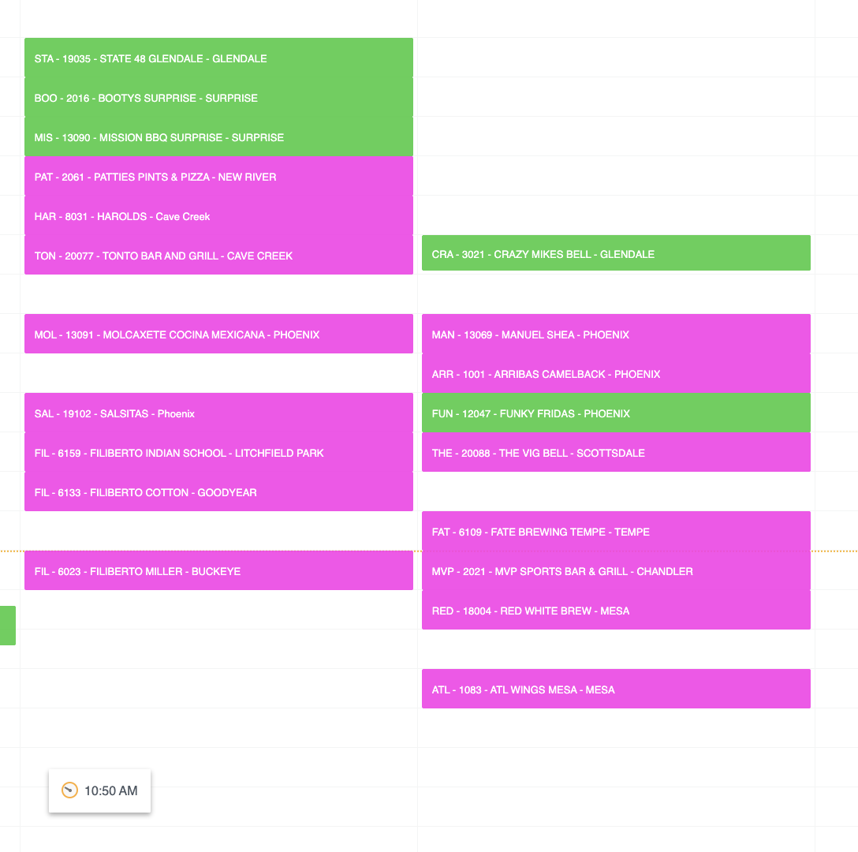
 | BAC - 19039 - BACKYARD GILBERT |  |  |  |  | 740
 | MAN9 - 13014 - MANUEL SCOTTSDALE |  |  |  |  | 821
 | BAC - 2067 - BACKYARD - DESERT RIDGE |  |  |  |  | 773
 | ANG - 1057 - ANGRY CRAB TUCSON |  |  |  |  | 690
 | ORES - 15021 - OREGANO SPEEDWAY |  |  |  |  | 347
 | OREO - 15028 - OREGANO TUCSON |  |  |  |  | 563
 | OREL - 15033 - OREGANO LANDING |  |  |  |  | 505
 | STA - 19035 - STATE 48 GLENDALE |  |  |  |  | 300
 | BOO - 2016 - BOOTY'S SURPRISE |  |  |  |  | 300
 | HAR - 8031 - HAROLDS |  |  |  |  | 300
 | TON - 20077 - TONTO BAR AND GRILL |  |  |  |  | 300
 | CRA - 3021 - JC FOOD TRADING/GLEN |  |  |  |  | 300
 | FUN - 12047 - FUNKY FRIDAS |  |  |  |  | 300
 | KRI - 11016 - KRISPY KRUNCHY CHICKEN |  |  |  |  | 300
 | ARRC - 1001 - ARRIBAS CAMELBACK |  |  |  |  | 300
 | THE - 20088 - THE VIG BELL |  |  |  |  | 300
 | FAT - 6109 - FATE BREWING TEMPE |  |  |  |  | 300
 | MVP - 2021 - MVP SPORTS BAR & GRILL |  |  |  |  | 300
 | ATL - 1083 - ATL WINGS MESA |  |  |  |  | 300
 | RED - 18004 - RED WHITE BREW |  |  |  |  | 300
 | MAN - 13069 - MANUEL SHEA |  |  |  |  | 300
 | PETG - 16008 - PETES FISH GLENDALE |  |  |  |  | 896

 | SOC - 19110 - SOCIAL TAP EATERY |  |  |  |  | 426
 | ELT - 5004 - EL TACO TOTE |  |  |  |  | 394
 | THE - 20019 - THE PLACE |  |  |  |  | 819

 | SOC - 19110 - SOCIAL TAP EATERY |  |  |  |  | 421
 | GOL - 7052 - GOLD CANYON RESORT & SPA |  |  |  |  | 220
 | SOC - 19110 - SOCIAL TAP EATERY |  |  |  |  | 191
 | THE - 20088 - THE VIG BELL |  |  |  |  | 1020
 | MAN3 - 13011 - MANUEL INDIAN SCHOOL |  |  |  |  | 809

 | ATL - 1081 - ATL WINGS ROOSEVELT |  |  |  |  | 168

 | SOC - 19110 - SOCIAL TAP EATERY |  |  |  |  | 444

 | ATL - 1081 - ATL WINGS ROOSEVELT |  |  |  |  | 340

 | STA - 19031 - STATE 48 BREWERY |  |  |  |  | 658
...

