SSW_CalibrationCurve
Archivo: SSW_GroupSimulationModel.m |  |  |  |  | V0 | 0.26

Datos Curva Calibración de Matlab -> V0=0.26
Mpa | 10.00 | 100.00 | 300.00 | 500.00 | 700.00 | 1000
LOG | 1.00 | 2.00 | 2.48 | 2.70 | 2.85 | 3.00
0.1 | 0.0021867939206 | 0.0015349548258 | 0.0012459906107 | 0.0011303079852 | 0.0010624428743 | 0.000998
0.3 | 0.0021597189336 | 0.0015245798642 | 0.0012349915672 | 0.0011210804795 | 0.001054315967 | 0.000990
0.5 | 0.0021497050846 | 0.0014839440203 | 0.0011976647674 | 0.0010891446263 | 0.0010265564441 | 0.000966

Mod. Poisson |  | 0.31 | TOF |  | 0.001973

Interpolación para Poisson Dado
0.31 | 0.0021592182411 | 0.001522548072 | 0.0012331252272 | 0.0011194836868 | 0.0010529279909 | 0.00098866854647

Interpolación para Módulo de Elasticidad
Mod. Elasticidad |  | 19.63 | Mpa

PCF | Mod E | Poisson | TOF | Mod E Num
PCF05 | 16 | 0.31 | 0.0019726947792 | 19.6321
PCF08 | 38 | 0.34 | 0.0017773784644 | 39.1838
PCF10 | 58 | 0.34 | 0.0016601886756 | 59.6836
PCF12 | 81 | 0.35 | 0.0015820621497 | 78.4820
PCF15 | 123 | 0.34 | 0.0014648723608 | 121.6684
PCF20 | 210 | 0.31 | 0.0013281509405 | 209.1553
PCF30 | 445 | 0.3 | 0.001148 | 442.2286

Valores de TOF Saw Bones para desviacion
PCF05 |  | PCF08 |  | PCF10 |  | PCF12 |  | PCF15 |  | PCF20 |  | PCF30
0.002 | 19.632 | 0.002 | 39.184 | 0.002 | 59.684 | 0.002 | 78.482 | 0.001 | 121.668 | 0.001 | 209.155 | 0.001 | 434.549 | 431.2978627732477
0.002 | 22.611 | 0.002 | 36.530 | 0.002 | 55.641 | 0.002 | 90.269 | 0.001 | 131.048 | 0.001 | 155.480 | 0.001 | 474.327 | 470.8760131540931
0.002 | 19.632 | 0.002 | 42.031 | 0.002 | 48.359 | 0.002 | 78.482 | 0.001 | 121.668 | 0.001 | 194.209 | 0.001 | 398.107 | 395.0463417891232
0.002 | 22.611 | 0.002 | 45.084 | 0.002 | 51.873 | 0.002 | 84.170 | 0.001 | 141.151 | 0.001 | 194.209 | 0.001 | 474.327 | 470.8760131540931
0.002 | 24.266 | 0.002 | 34.056 | 0.002 | 55.641 | 0.002 | 90.269 | 0.001 | 121.668 | 0.001 | 225.251 | 0.001 | 434.549 | 431.2978627766988
Desvest | 2.048 |  | 4.361 |  | 4.294 |  | 5.894 |  | 8.674 |  | 25.867 |  | 32.097
Media | 21.751 |  | 39.377 |  | 54.240 |  | 84.335 |  | 127.441 |  | 195.661 |  | 443.172
COV | 9.42% |  | 11.07% |  | 7.92% |  | 6.99% |  | 6.81% |  | 13.22% |  | 7.24%

SawBown_Calibration
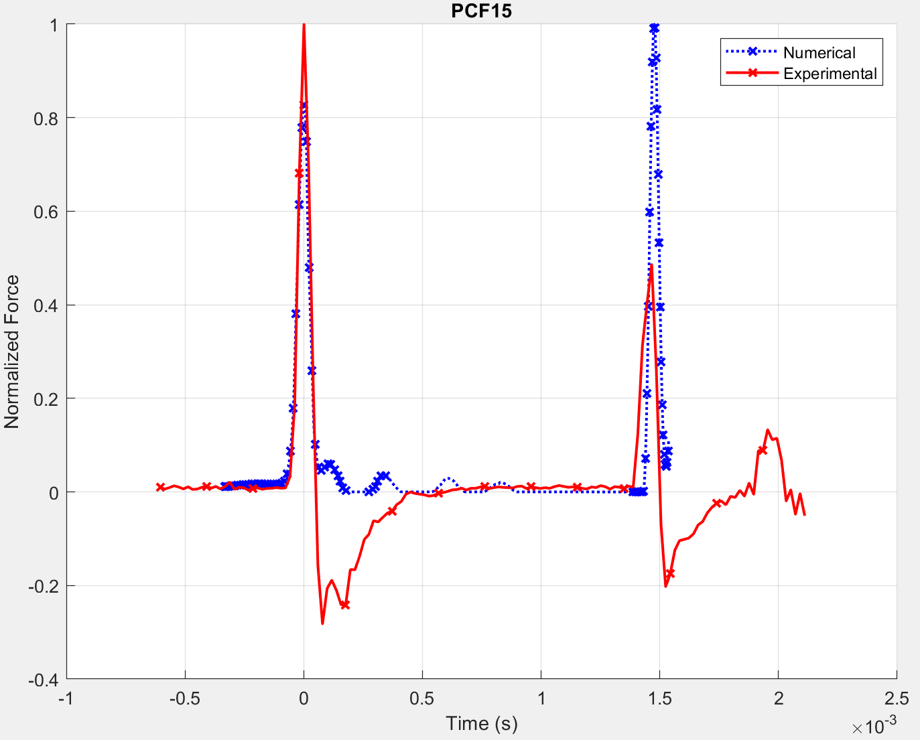
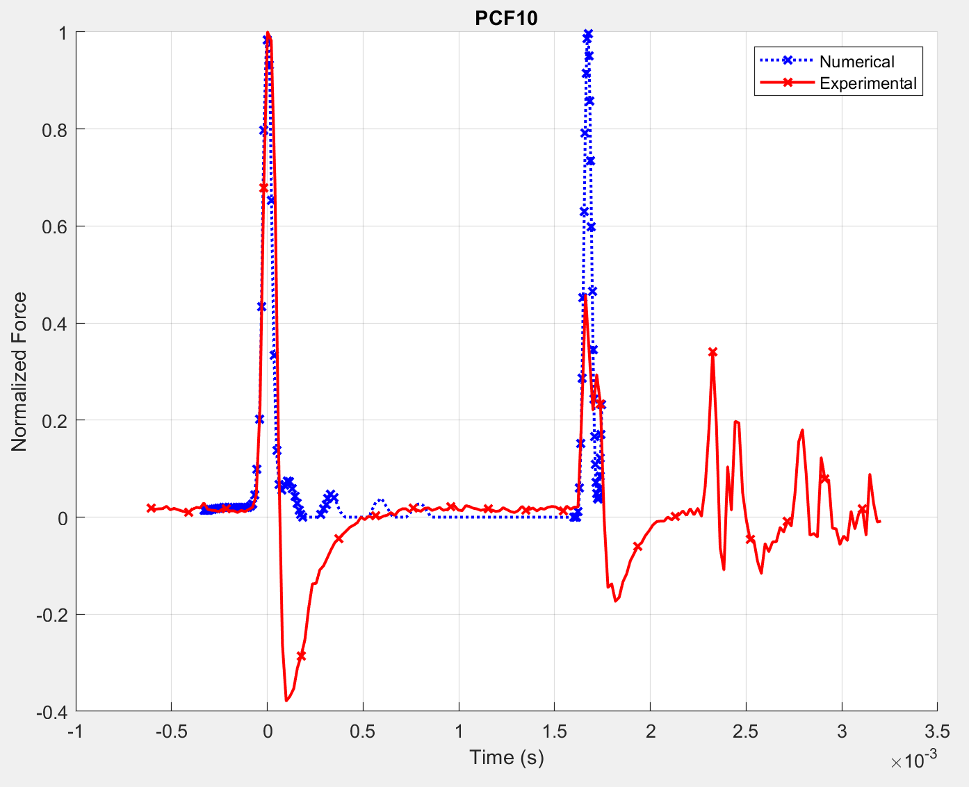
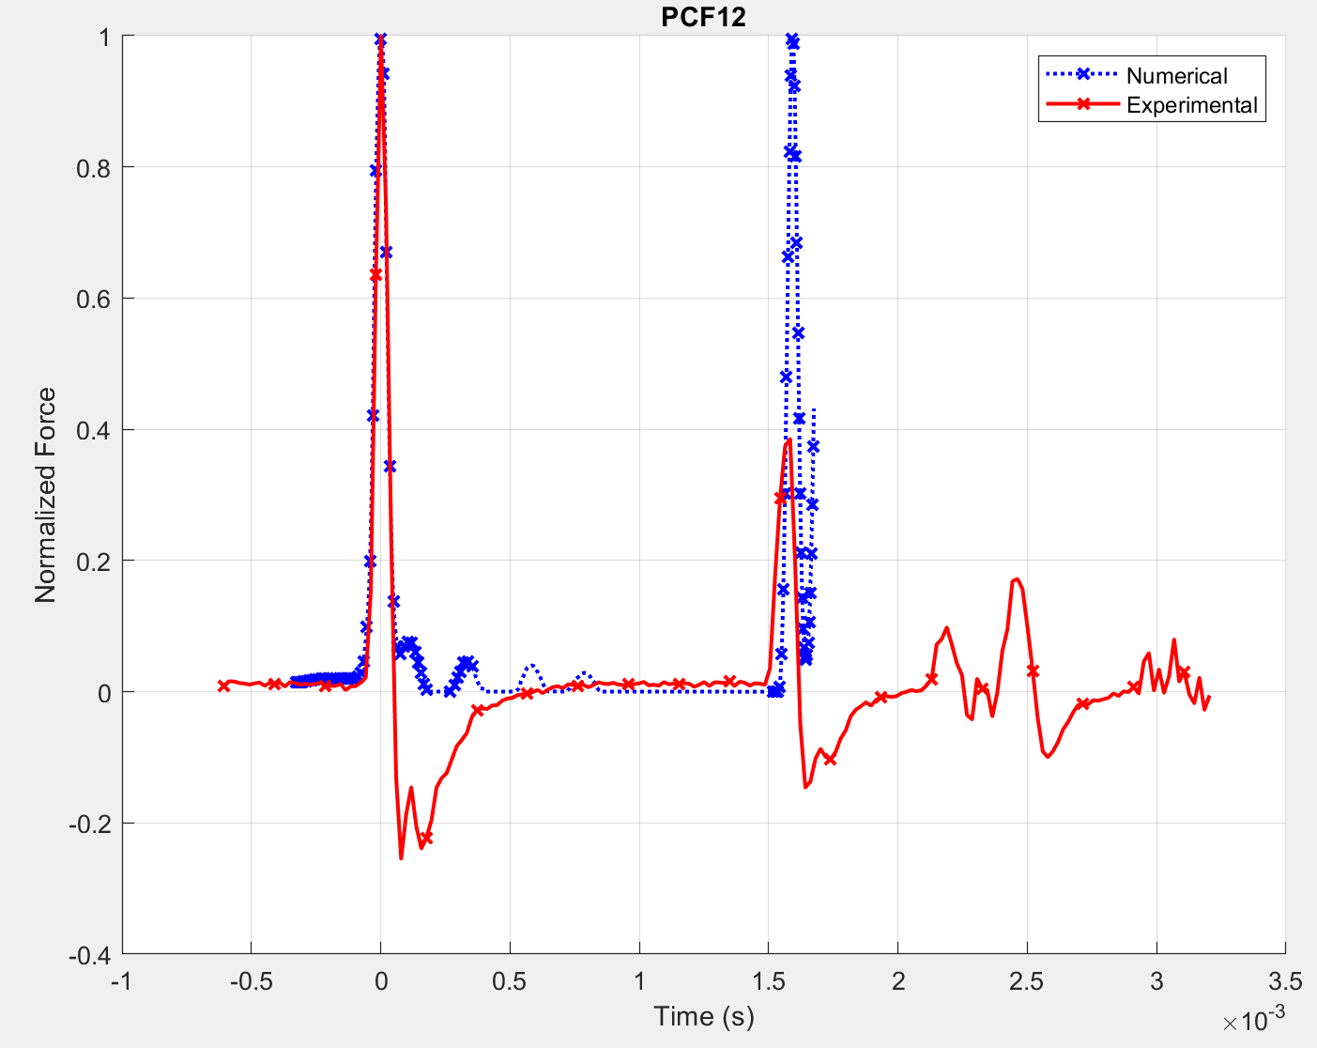
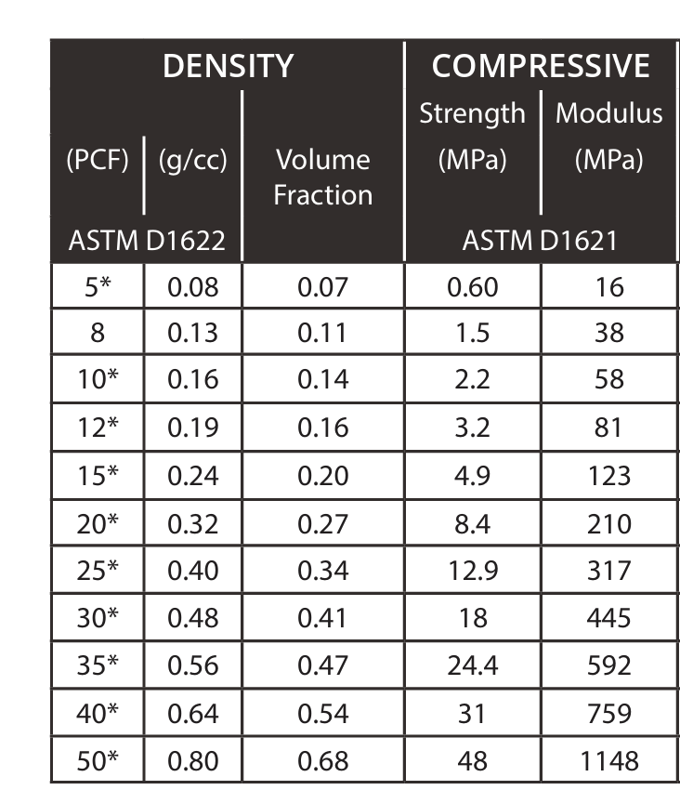
TEST #2 - Int = 0.0024 y V0 = 0.26
 |  |  |  |  |  |  |  |  | Valores de TOF Saw Bones
Denominación | Mod_E | Poisson | k_factor | TOF_NUM | TOF_EXP | Diff | TOF_EXP |  | PCF05 | PCF08 | PCF10 | PCF12 | PCF15 | PCF20 | PCF30
 | [Mpa] |  |  |  |  |  |  |  | 0.00193 | 0.00178 | 0.00174 | 0.00158 | 0.00146 | 0.00131 | 0.00115 | 1
PCF_05 | 16 | 0.495 | 1.22229 | 0.002005 | 0.001973 | 1.6% | 2 |  | 0.00197 | 0.00176 | 0.00166 | 0.00154 | 0.00145 | 0.00131 | 0.00115 | 2
PCF_08 | 38 | 0.495 | 1.10759 | 0.001768 | 0.001777 | -0.5% | 13 |  | 0.00191 | 0.00170 | 0.00168 | 0.00154 | 0.00145 | 0.00129 | 0.00113 | 3
PCF_10 | 58 | 0.495 | 1.08003 | 0.001639 | 0.001621 | 1.1% | 13 |  | 0.00193 | 0.00172 | 0.00168 | 0.00152 | 0.00145 | 0.00131 | 0.00117 | 4
PCF_12 | 81 | 0.495 | 1.05815 | 0.001543 | 0.001543 | 0.0% | 2 |  | 0.00191 | 0.00174 | 0.00166 | 0.00154 | 0.00145 | 0.00129 | 0.00113 | 5
PCF_15 | 123 | 0.495 | 1.03476 | 0.001427 | 0.001426 | 0.1% | 12 |  | 0.00191 | 0.00182 | 0.00178 | 0.00160 | 0.00146 | 0.00141 | 0.00113 | 6
PCF_20 | 210 | 0.495 | 1.01622 | 0.001286 | 0.001289 | -0.3% | 3 |  | 0.00186 | 0.00176 | 0.00172 | 0.00158 | 0.00145 | 0.00135 | 0.00111 | 7
PCF_30 | 445 | 0.495 | 1.00097 | 0.001114 | 0.001113 | 0.1% | 7 |  | 0.00188 | 0.00176 | 0.00170 | 0.00158 | 0.00145 | 0.00133 | 0.00113 | 8
 |  |  |  |  | Error Total: | 0.521% |  |  | 0.00189 | 0.00172 | 0.00170 | 0.00158 | 0.00146 | 0.00135 | 0.00113 | 9
PCF_05 | 16 | 0.3 | 1.29140 | 0.002030 | 0.001973 | 2.8% | 2 |  | 0.00197 | 0.00176 | 0.00162 | 0.00158 | 0.00146 | 0.00141 | 0.00111 | 10
PCF_08 | 38 | 0.3 | 1.16463 | 0.001802 | 0.001797 | 0.3% | 12 |  | 0.00193 | 0.00189 | 0.00172 | 0.00158 | 0.00145 | 0.00135 | 0.00111 | 11
PCF_10 | 58 | 0.3 | 1.13183 | 0.001675 | 0.001680 | -0.3% | 4 |  | 0.00193 | 0.00180 | 0.00162 | 0.00154 | 0.00143 | 0.00133 | 0.00111 | 12
PCF_12 | 81 | 0.3 | 1.10464 | 0.001580 | 0.001582 | -0.1% | 1 |  | 0.00193 | 0.00178 | 0.00162 | 0.00156 | 0.00143 | 0.00135 | 0.00109 | 13
PCF_15 | 123 | 0.3 | 1.07569 | 0.001465 | 0.001465 | 0.0% | 6 |  |  | 0.00176 | 0.00164
PCF_20 | 210 | 0.3 | 1.05290 | 0.001324 | 0.001328 | -0.3% | 8 |  |  | 0.00174 | 0.00162
PCF_30 | 445 | 0.3 | 1.03735 | 0.001153 | 0.001152 | 0.0% | 1 |  |  | 0.00174
 |  |  |  |  | Error Total: | 0.544% |  |  | 0.0019336315162 | 0.0017578468329 | 0.00171878357 | 0.0015820621497 | 0.0014453407293 | 0.001308619309 | 0.0011328346257
PCF_05 | 16 | 0.1 | 1.36340 | 0.002009 | 0.001973 | 1.8% | 2 |  |  |  | 0.0016211254126 |  |  |  | 0.0011133029942
PCF_08 | 38 | 0.1 | 1.22651 | 0.001798 | 0.001797 | 0.1% | 12 |  |  |  | 0.0016211254126
PCF_10 | 58 | 0.1 | 1.18516 | 0.001677 | 0.001680 | -0.1% | 4 |  | 0.0019726947792 | 0.0018945682533 | 0.0017773784644 | 0.0016015937811 | 0.0014648723608 | 0.0014062774664 | 0.0011718978886
PCF_12 | 81 | 0.1 | 1.14822 | 0.001588 | 0.001582 | 0.4% | 1
PCF_15 | 123 | 0.1 | 1.11154 | 0.001476 | 0.001465 | 0.7% | 6
PCF_20 | 210 | 0.1 | 1.08989 | 0.001333 | 0.001328 | 0.4% | 8 |  | Valores de TOF Saw Bones para desviacion
PCF_30 | 445 | 0.1 | 1.07459 | 0.001155 | 0.001152 | 0.3% | 1 |  | 0.00197 | 0.00178 | 0.00166 | 0.00158 | 0.00146 | 0.00133 | 0.00115
 |  |  |  |  | Error Total: | 0.537% |  |  | 0.00193 | 0.00180 | 0.00168 | 0.00154 | 0.00145 | 0.00141 | 0.00113
 |  |  |  |  |  |  |  |  | 0.00197 | 0.00176 | 0.00172 | 0.00158 | 0.00146 | 0.00135 | 0.00117
 |  |  |  |  |  |  |  |  | 0.00193 | 0.00174 | 0.00170 | 0.00156 | 0.00143 | 0.00135 | 0.00113
 |  |  |  |  |  |  |  |  | 0.00191 | 0.00182 | 0.00168 | 0.00154 | 0.00146 | 0.00131 | 0.00115
 |  |  |  |  |  |  |  | Desvest | 2.6204433416E-05 | 3.0882220945E-05 | 2.2269486222E-05 | 1.953163148E-05 | 1.7469622276E-05 | 3.6540336595E-05 | 1.6341335311E-05
 |  |  |  |  |  |  |  | Media | 0.00195 | 0.00178 | 0.00169 | 0.00156 | 0.00145 | 0.00135 | 0.00115
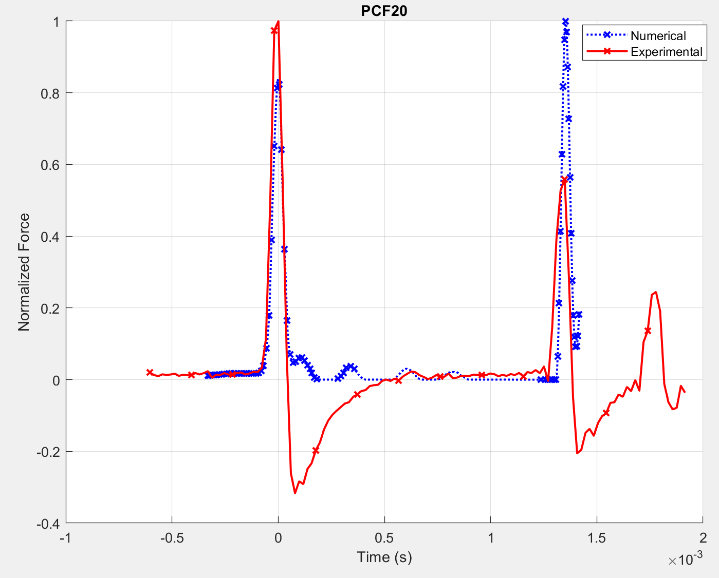
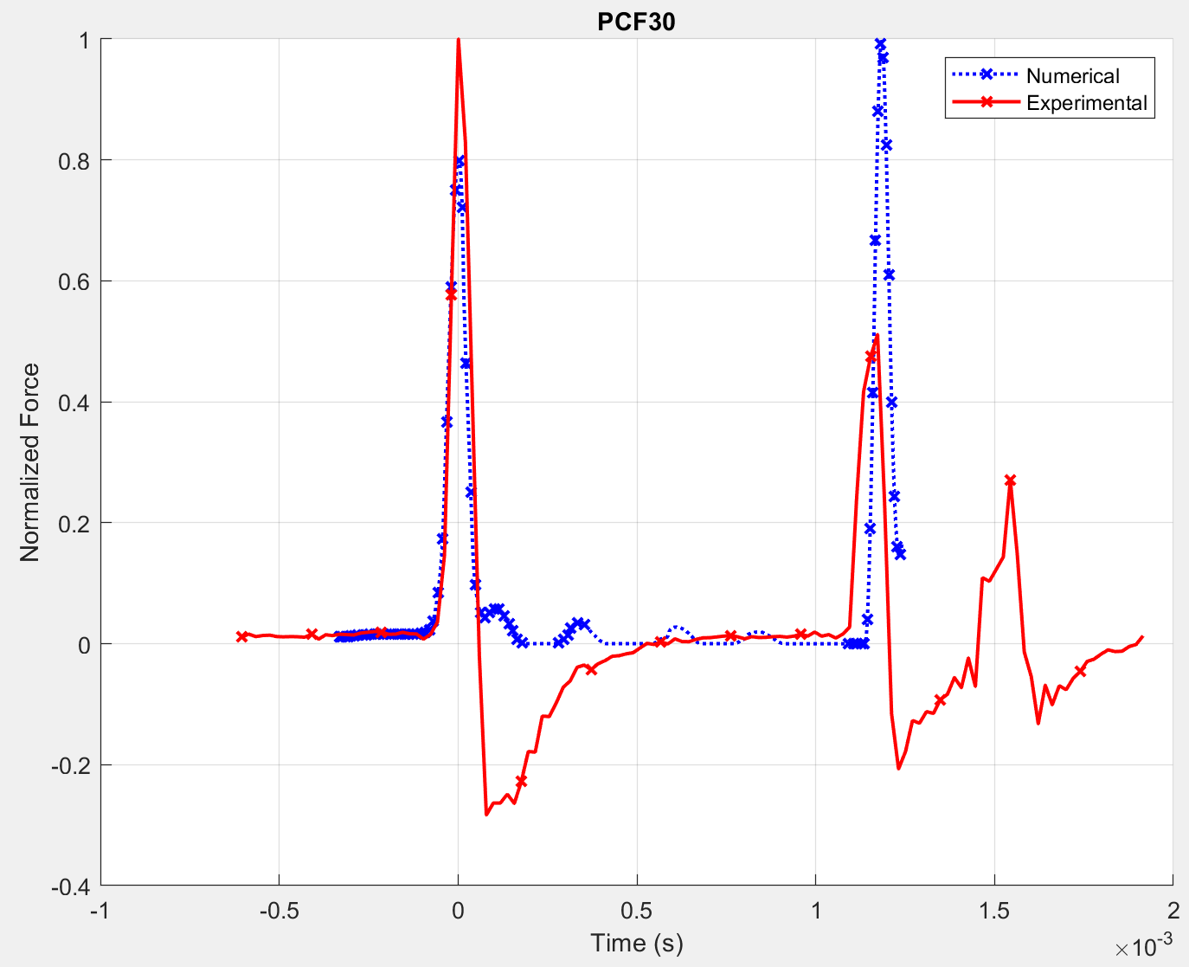
 |  |  |  |  |  |  |  | COV | 1.347% | 1.738% | 1.320% | 1.250% | 1.202% | 2.711% | 1.423%

