Sheet1
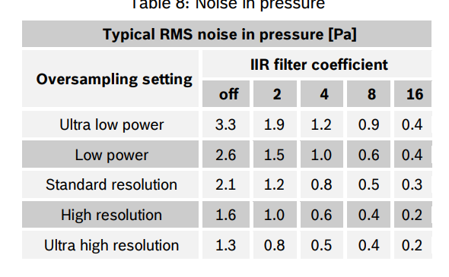
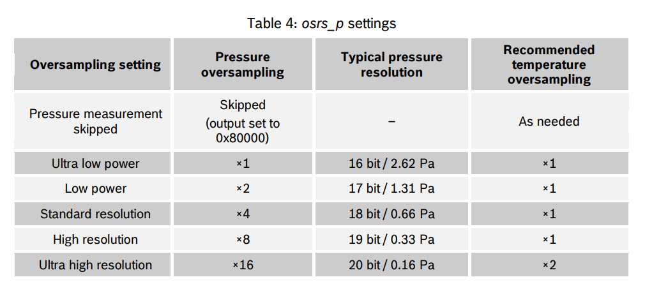
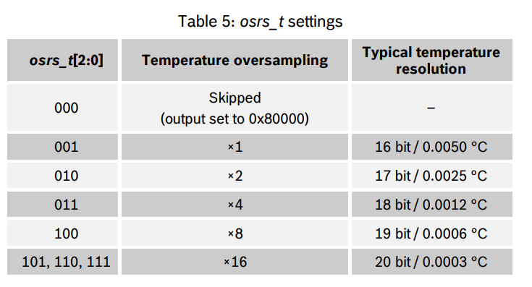
0xF4 |  |  |  |  | 0xF5
ors_t | ors_p | mode | binary | hex | t_sb | filter | nothing | binary | hex
001 | 001 | 11 | 00100111 | 27 | 000 | 000 | 00 | 00000000 | 0
001 | 011 | 11 | 00101111 | 2F | 000 | 101 | 00 | 00010100 | 14
010 | 101 | 11 | 01010111 | 57

