Sheet1
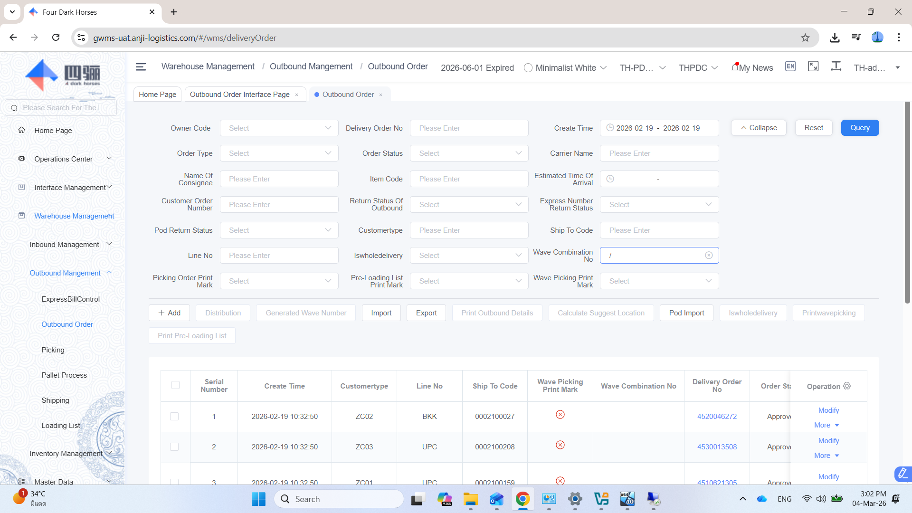
When open page "Outbound Order" need system default show the data was not generate picking sheet.
Current have to select order date and input "/" at filed wave combination_no.

Sheet2
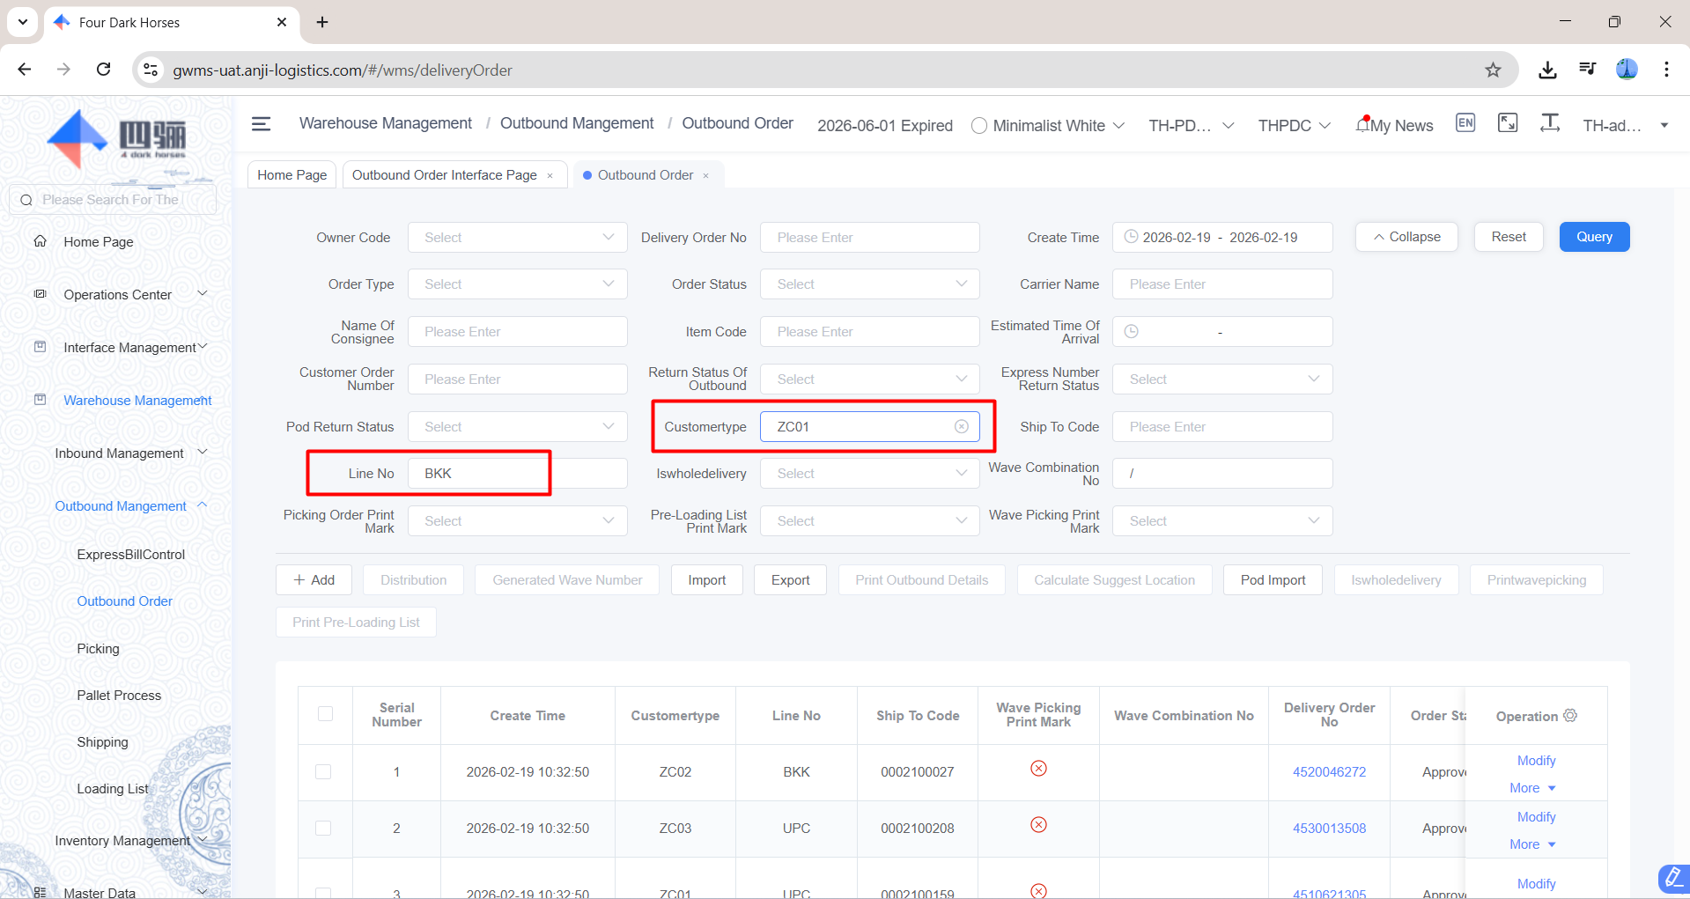
Need drop down list for "Customertype" and "Line No"

Sheet3
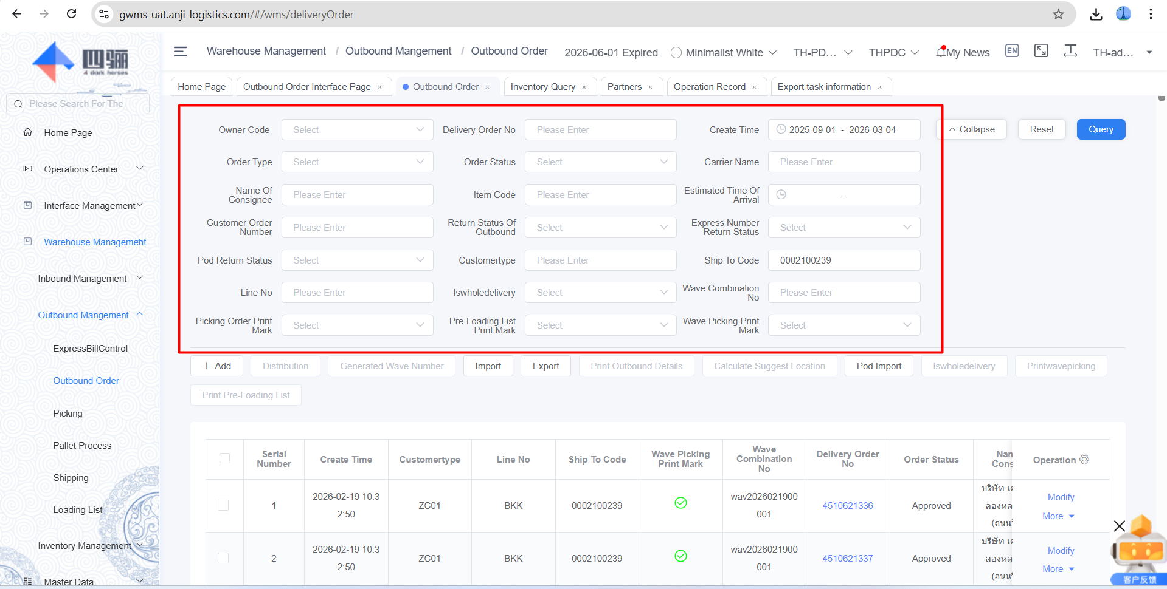
Serial -> Update logic to show by sequence 1,2,3, ..
Location & Batch -> Must be auto generate by just in time (Immediately show, no delay).

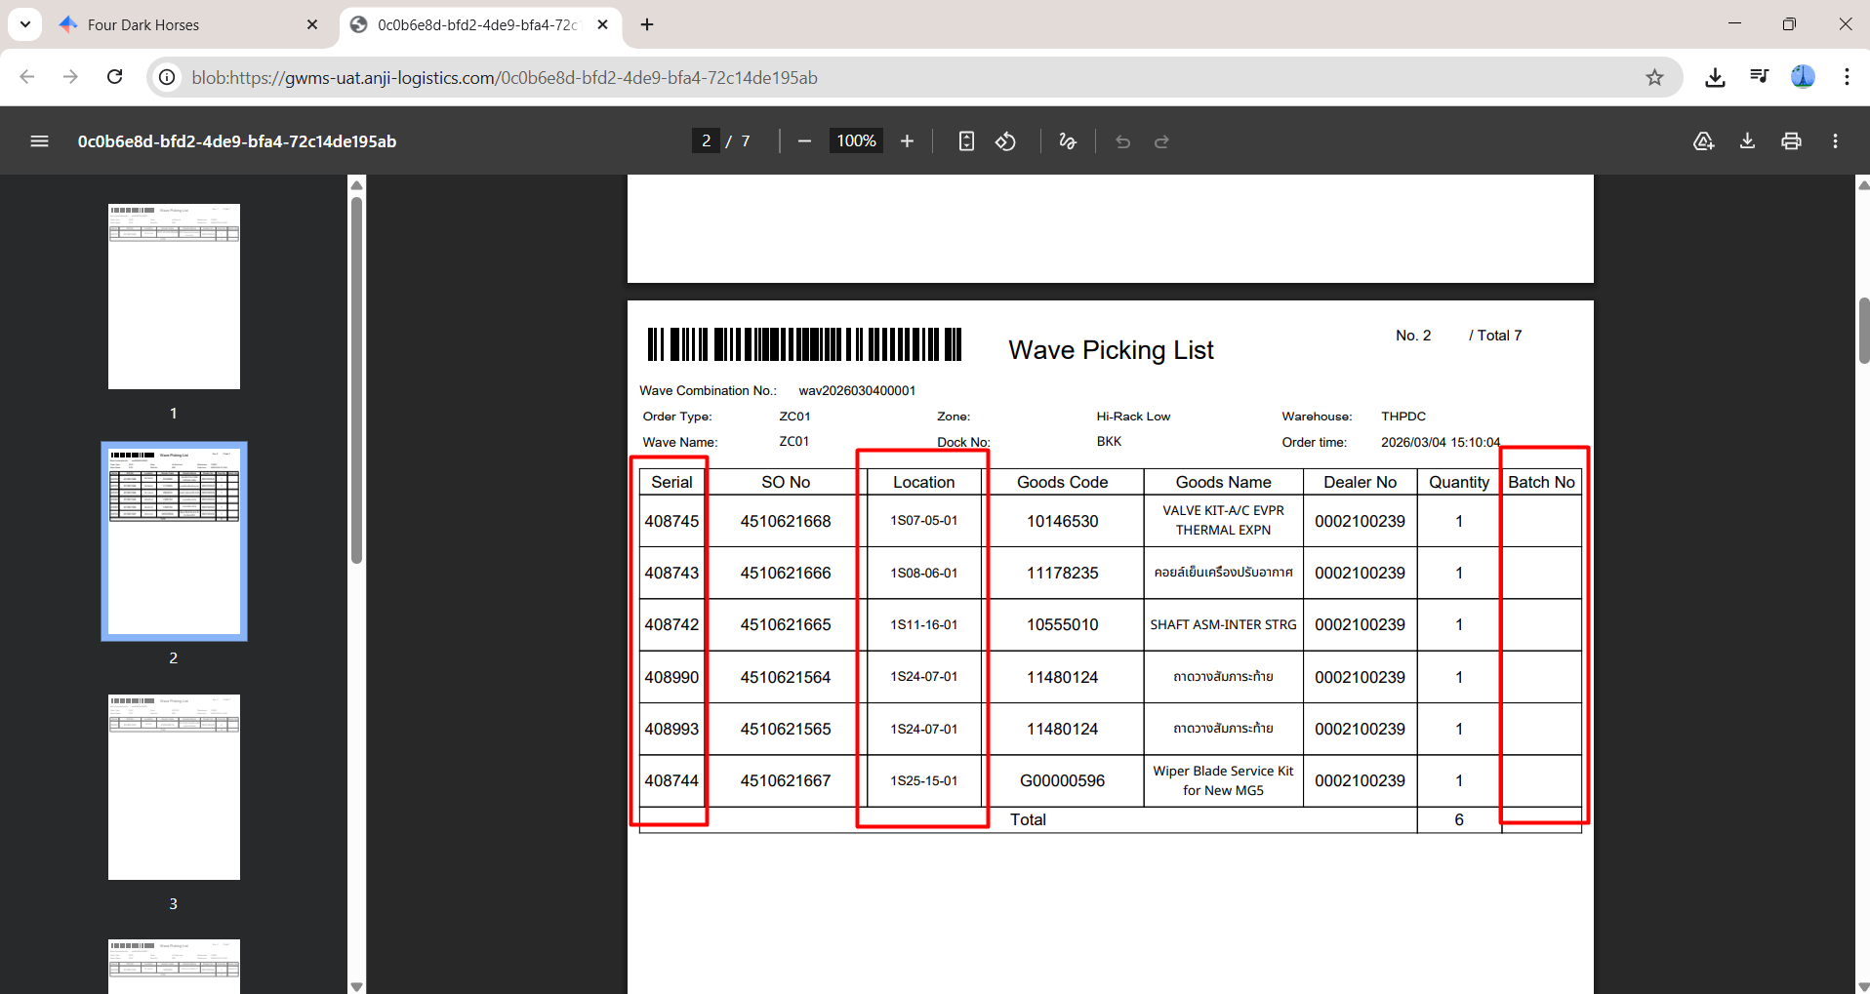

Need filter to query "Sensitive Flag", for recheck column "Batch" on PickingSheet.

Sheet4
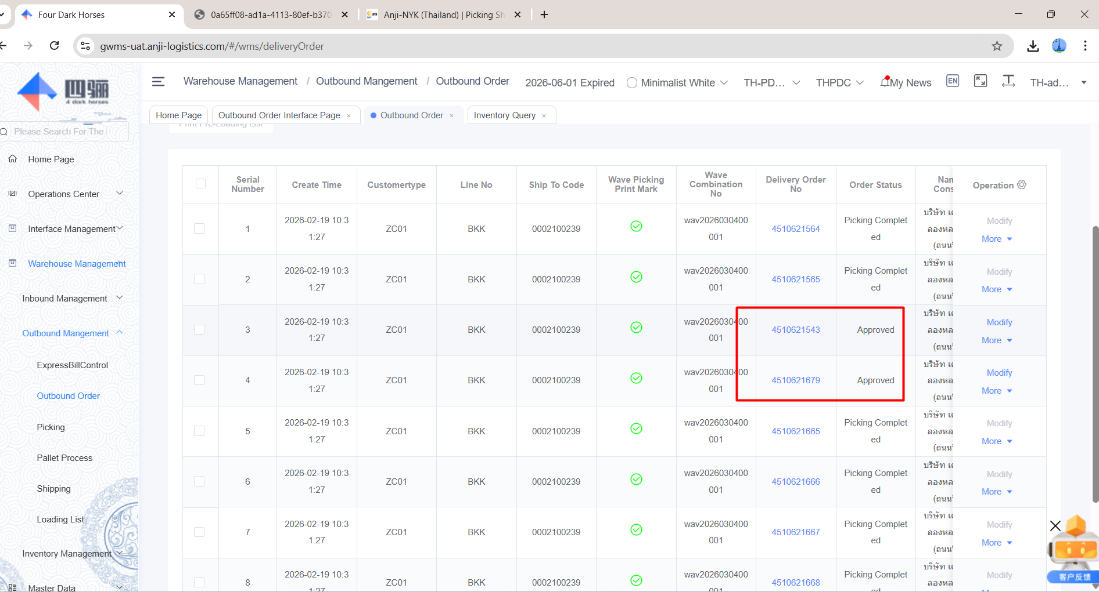
On that time check on PDA does not display, but screen on browser still show.
We have to re-scan picking sheet again.

Sheet5
Need to show "Original Plan" and "Actual of pick", current show balance.
And need to remove "column status", "ContainNo".

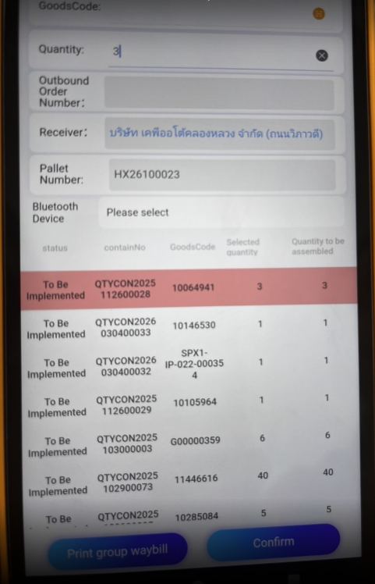

 | Example Plan 8, Pick 5
 | Current show 3, 3

Sheet6
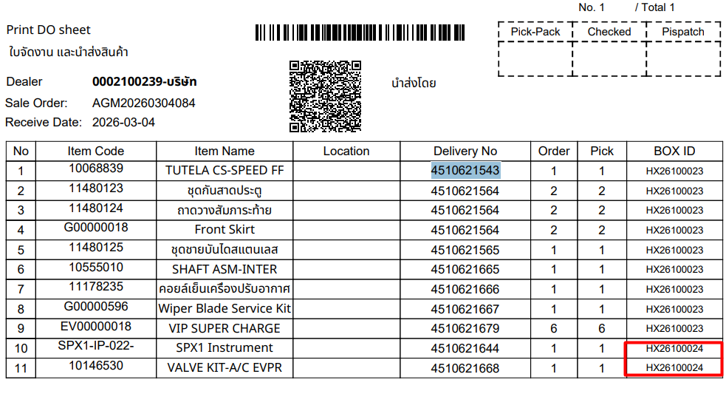
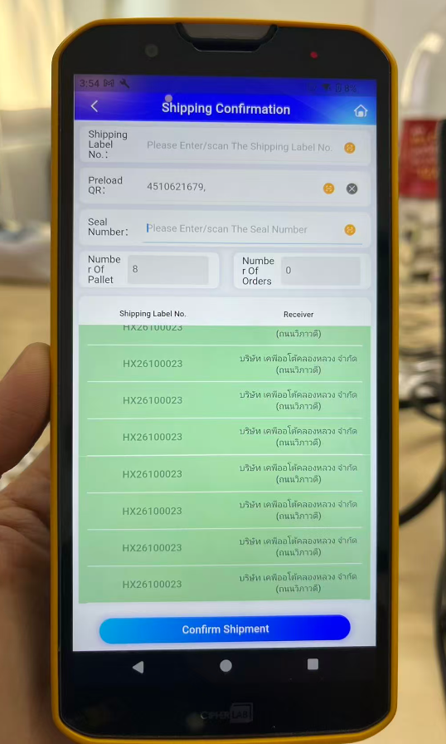
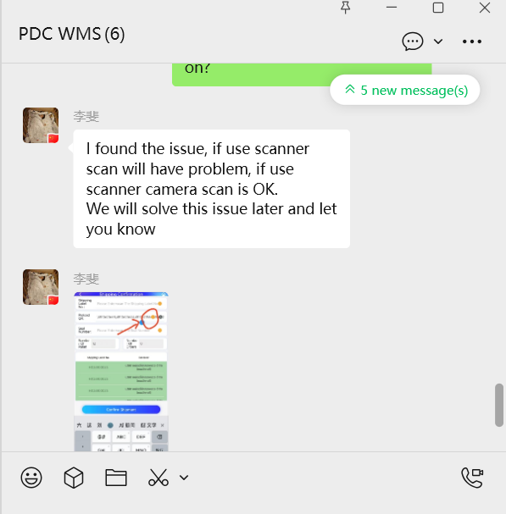
Function outbound on PDA, not show some box difference from DO sheet.
if use scanner scan will have problem, if use scanner camera scan is OK.

