January 2026
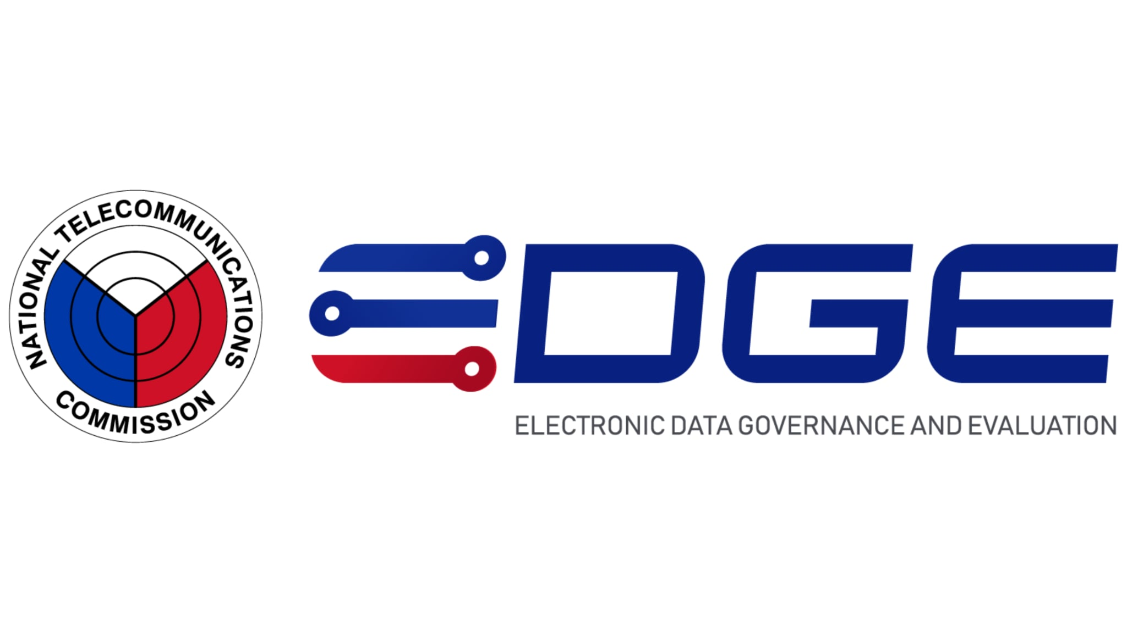

APPLICATION SUMMARY REPORT BY SERVICE

 | Service Name |  |  | Service Name
 | XIV | January 2026 - February 2026

 | Application Type | COMPANY NAME / NAME | STATUS(NEW/REN/DUP) | FULL ADDRESS | PERMIT NO. | REFERENCE NUMBER | DATE OF FILING | EXPIRATION DATE | OR NUMBER | AMOUNT | DATE PAID | BY

 | Commercial Radio Operator Certificate (NEW) | EDISSA ABASTAS AMANTE | NEW | Brgy 4, City Of Koronadal (Capital), South Cotabato | 26-1RTG-XIV-05337 | 61-1-2026-1004-390 | 1/27/26 | 1/27/26 | qwe123

SUMMARY
TYPE |  |  |  | NUMBER(S)
Commercial Radio Operator Certificate (NEW) |  |  |  | 1
TOTAL |  |  |  | 1

