July 2025
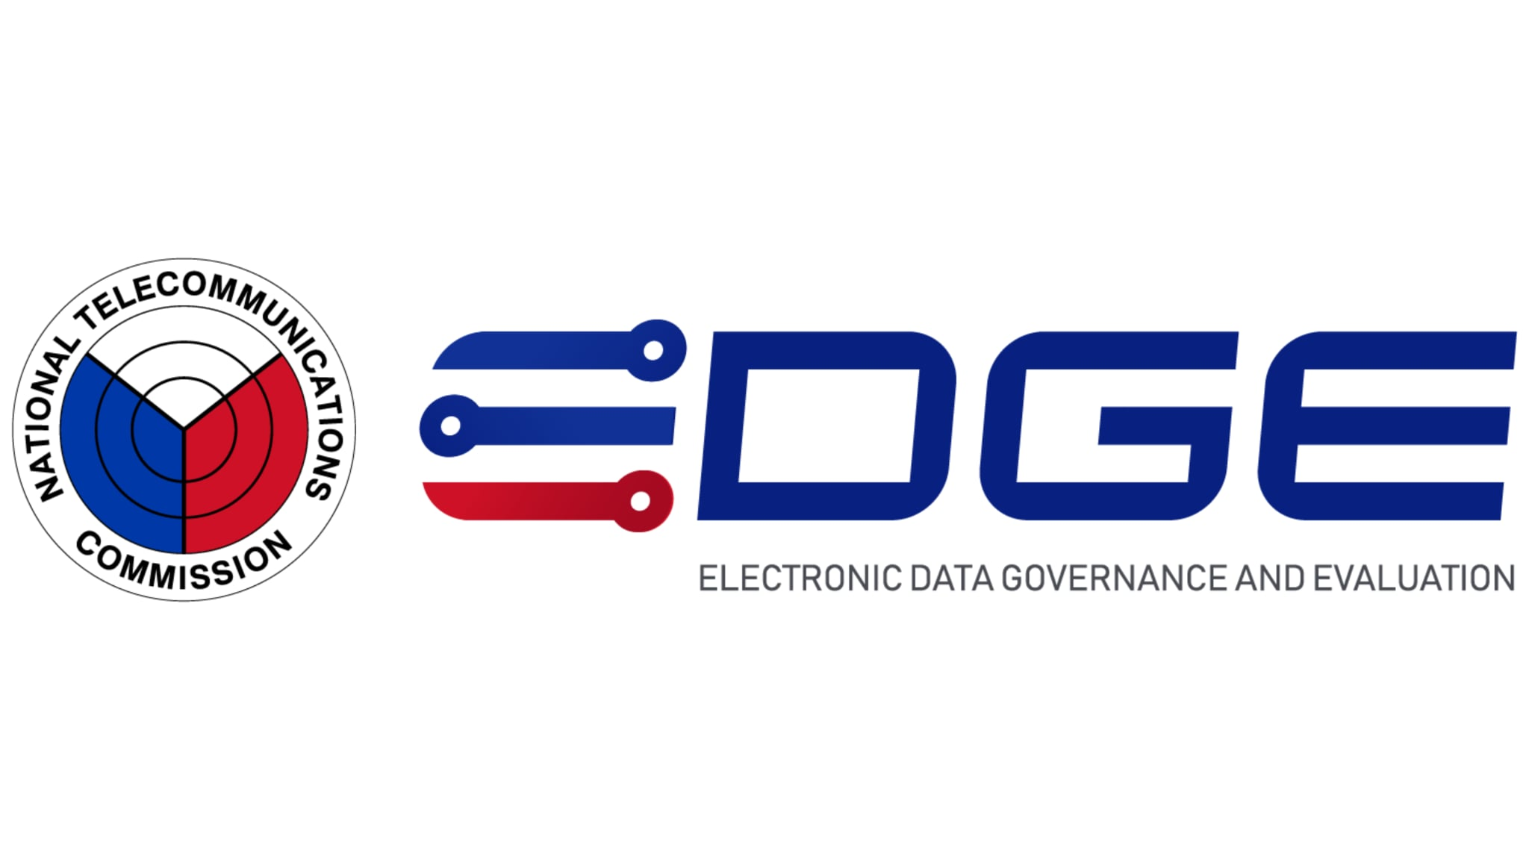

APPLICATION SUMMARY REPORT BY SERVICE

 | Service Name |  |  | Service Name
 | IX | July 2025 - March 2026

 | Application Type | COMPANY NAME / NAME | STATUS(NEW/REN/DUP) | FULL ADDRESS | PERMIT NO. | REFERENCE NUMBER | DATE OF FILING | EXPIRATION DATE | OR NUMBER | AMOUNT | DATE PAID | BY
 | {{item.ApplicationType}} | {{item.Name}} | {{item.Status}} | {{item.Address}} | {{item.PermitNumber}} | {{item.ReferenceNumber}} | {{item.DateOfFiling}} | {{item.ExpirationDate}} | {{item.ORNumber}} | {{item.Amount}} | {{item.DatePaid}} | {{item.ORBy}}
 | Retailer/Reseller Permit (RENEWAL) | EXPRESSIONS MOBILE CENTER INCORPORATED | REN | Sta. Filomena, Dipolog City (Capital), Zamboanga Del Norte | MPRR-II0782-18 | 61-7-2025-1070 | 7/22/25 | 2025-07-15 | 1346409
 | Ship Station License DOMESTIC Trade (RENEWAL) | AMALIA D. SALARDE | REN | N/A PUROK TINANGKONG, BALINTAWAK, Pagadian City (Capital), Zamboanga Del Sur | SSL-ROIX-01009-25 | 61-7-2025-1080 | 7/24/25 | 2025-09-08 | 1215838
 | Ship Station License DOMESTIC Trade (RENEWAL) | AMALIA D. SALARDE | REN | N/A PUROK TINANGKONG-1, BALINTAWAK, Pagadian City (Capital), Zamboanga Del Sur | MS9/FV-1114-20(REN) | 61-7-2025-1074 | 7/23/25 | 2026-08-04 | 1215833
 | Ship Station License DOMESTIC Trade (RENEWAL) | FB"GENIZA"/ ELIZA G. LLABAN | REN | N/A PUROK KAHAYAG, DUMAGOC, Pagadian City (Capital), Zamboanga Del Sur | SSL-ROIX-01004-25 | 61-7-2025-1073 | 7/23/25 | 2026-09-08 | 1215836
 | Ship Station Permit to PURCHASE/POSSESS (DOMESTIC Trade) | RAWDA SHIPPING CORPORATION |  | Suterville, San Jose Gusu, Zamboanga City, Zamboanga Del Sur | SSL-ROIX-00001-25 | 61-7-2025-1072 | 7/23/25 | 7/23/25 | 1346412
 | Special Radio Operator Certificate (RENEWAL) | EUGENE DOCTORA LLABAN | REN | N/A PUROK KAHAYAG, DUMAGOC, Pagadian City (Capital), Zamboanga Del Sur | 19-SROPIX-13705 | 61-7-2025-1076 | 7/23/25 | 2026-09-08 | 1215835

SUMMARY
TYPE |  |  |  | NUMBER(S)
Retailer/Reseller Permit (RENEWAL) |  |  |  | 1
Ship Station License DOMESTIC Trade (RENEWAL) |  |  |  | 3
Ship Station Permit to PURCHASE/POSSESS (DOMESTIC Trade) |  |  |  | 1
Special Radio Operator Certificate (RENEWAL) |  |  |  | 1
TOTAL |  |  |  | 6

