ADDR_MAP
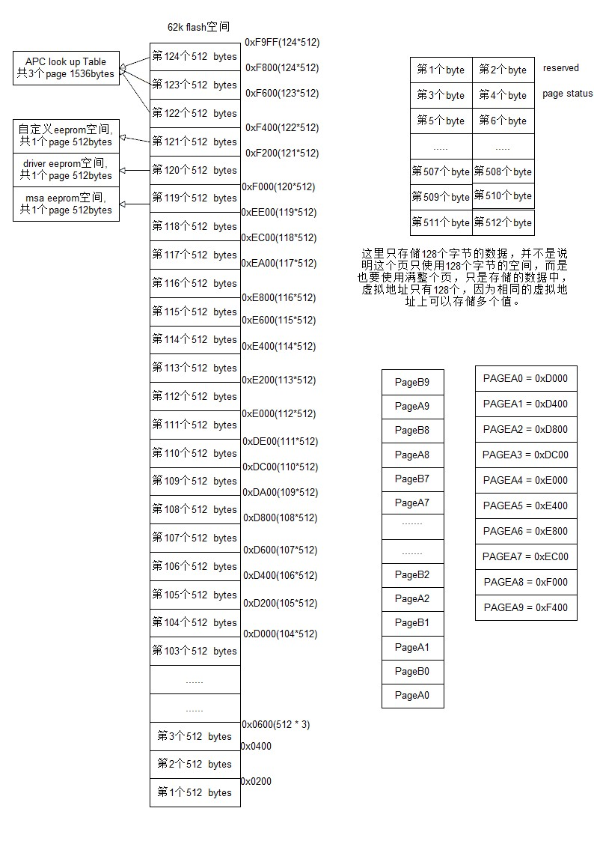
page | select device space | FlashAddr | remarks
0x0 | MSA page0 | NA | see P0
0x1 | MSA page1 | NA | see P1 | SFF-8636
0x2 | MSA page2 | NA | see P2
0x3 | MSA page3 | NA | see P3
0x4 | Common MCU Registers | NA | see P4-MCU
0x5 | Misc Registers | NA | see P5-LR4
0x6 | TXCDR Registers | NA | see P6-LR4
0x7 | RXCDR Regsiters | NA | see P7-LR4
0x8 | ToSA Registers | NA | see P8-LR4
0x5 | MSA Extended Page 5 | 0xF200 | Hardware Specific Info
0x6 | MSA Extended Page 6 | 0xF280 | LUT Page 1
0x7 | MSA Extended Page 7 | 0xF300 | LUT Page 2
0xD | User-defined flash space3(128bytes) | 0xF380 | see PD-MCU-FLASH
0xE | User-defined flash space4(128bytes) | 0xF400 | see PE-MCU-FLASH
0xF | User-defined flash space5(128bytes) | 0xF480 | see PF-MCU-FLASH
0x10 | User-defined flash space6(128bytes) | 0xF500 | see P10-MCU-FLASH
0x11 | User-defined flash space7(128bytes) | 0xF580 | see P11-MCU-FLASH
0x12 | User-defined flash space8(128bytes) | 0xF600 | see P12-MCU-FLASH
0x13 | User-defined flash space9(128bytes) | 0xF680 | see P13-MCU-FLASH
0x14 | User-defined flash space10(128bytes) | 0xF700 | see P14-MCU-FLASH
0x15 | User-defined flash space11(128bytes) | 0xF780 | see P15-MCU-FLASH
0x16 | User-defined flash space12(128bytes) | 0xF800 | see P16-MCU-FLASH
0x17 | User-defined flash space13(128bytes) | 0xF880 | see P17-MCU-FLASH
0x18 | User-defined flash space14(128bytes) | 0xF900 | see P18-MCU-FLASH
0x19 | User-defined flash space15(128bytes) | 0xF980 | see P19-MCU-FLASH

