Sheet1


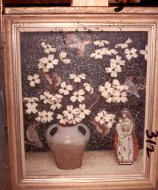



 | Before the Song 32" x 40

 | EMMA FORDYCE MACRAE, N.A.

 | Exhibition and Sale
Orange White and Green 25" x 30" | November 1 to December 23, 2010 | Dogwood 30" x 25"

 | AT
 | Morgan Manhattan
 | 16 Bruce Park Avenue
 | Greenwich, CT 06830

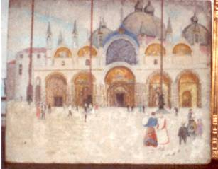
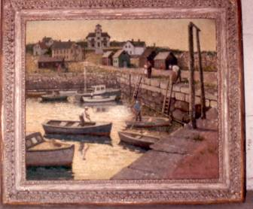

 | View Monday through Friday
 | 9 am to 4 pm

 | Phone: Brian Clark
 | 203 869 8700 Ext 225
St Mark's Square, Venice |  | Fishermen at Pigeon Cove 25" x 30"
16" x 20" | Email: bclark@morganmanhattan.com

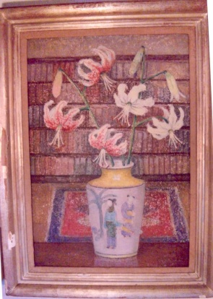
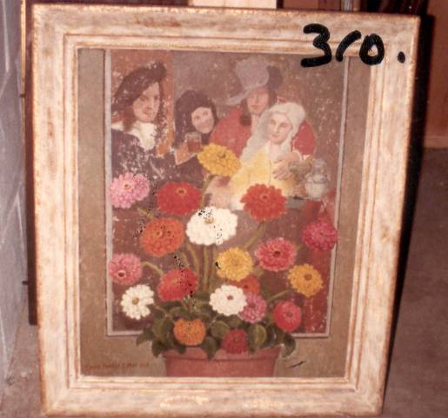


Lilies with Bookshelf 23" x 16" | Central Park Bridge 18" x 26" | Zinnias with Vermeer Print 30" x 25"

