InsertionSortOnDiffArrays
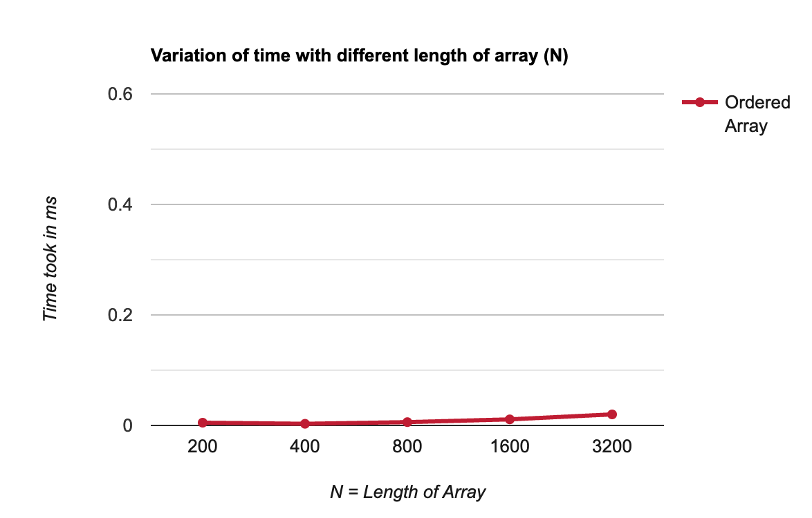
Ordered Array
N | Time taken
200 | 0.005
400 | 0.003
800 | 0.006
1600 | 0.011
3200 | 0.02

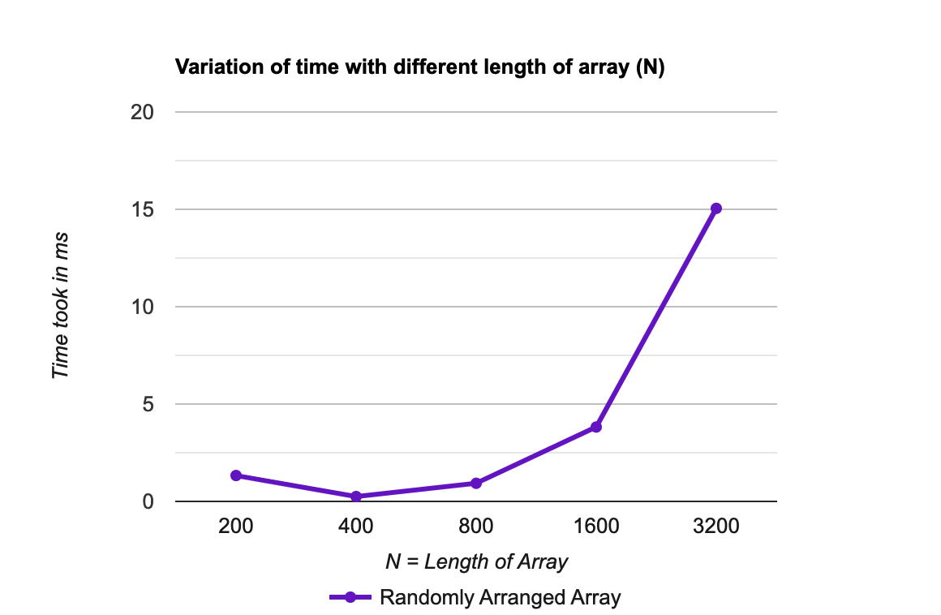
Randomly Ordered Array
N | Time Taken
200 | 1.33
400 | 0.25
800 | 0.93
1600 | 3.82
3200 | 15.05

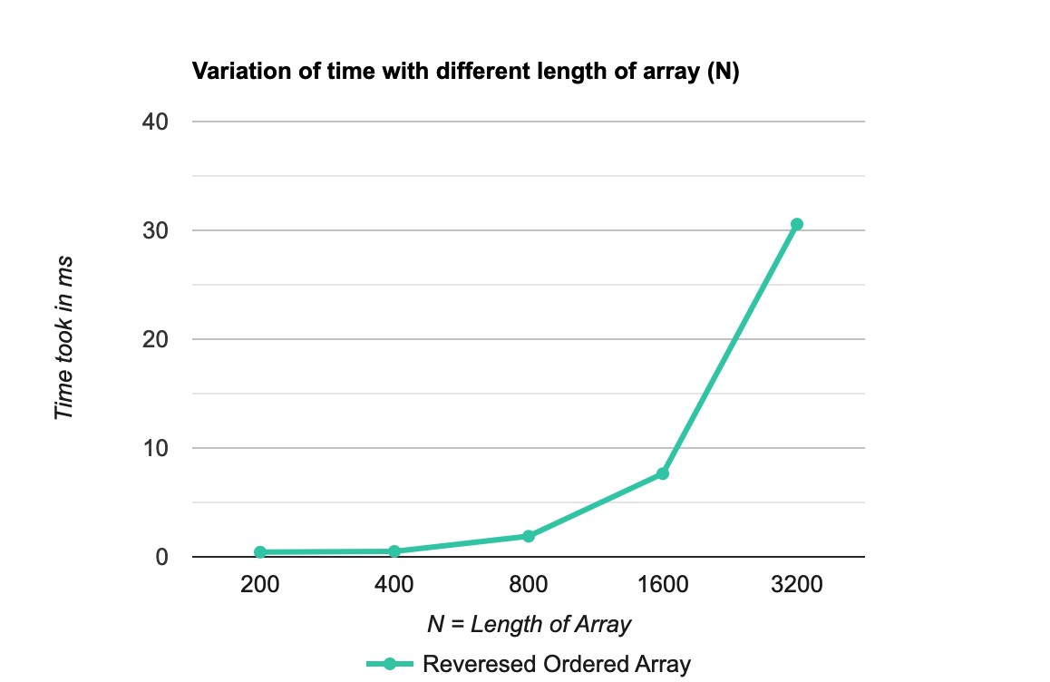
Reversed Array
N | Time taken
200 | 0.43
400 | 0.5
800 | 1.89
1600 | 7.64
3200 | 30.57

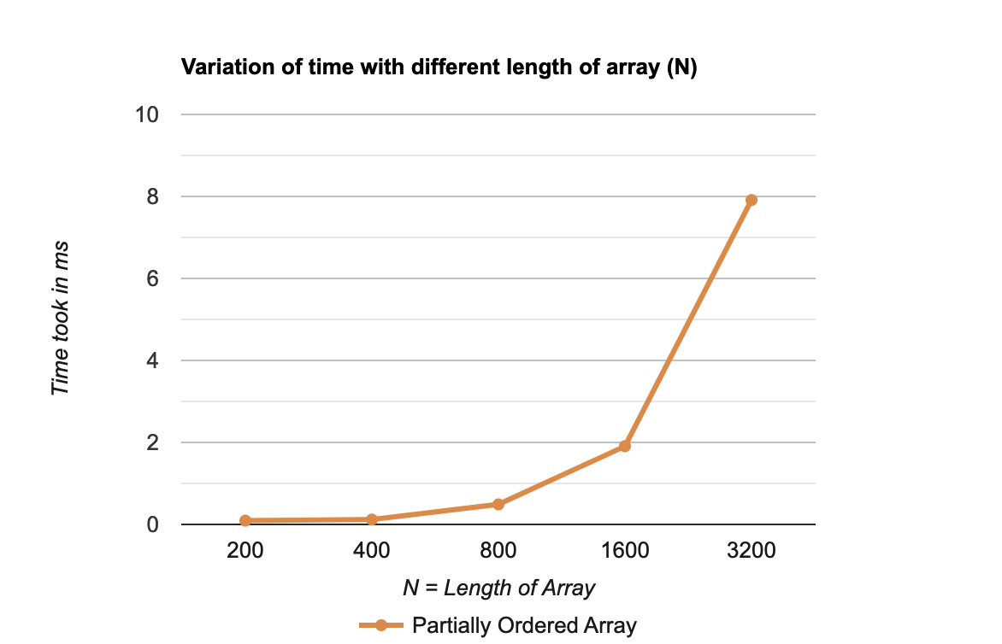
Partially Ordered Array
N | Time taken
200 | 0.092
400 | 0.118
800 | 0.488
1600 | 1.908
3200 | 7.913

