logs
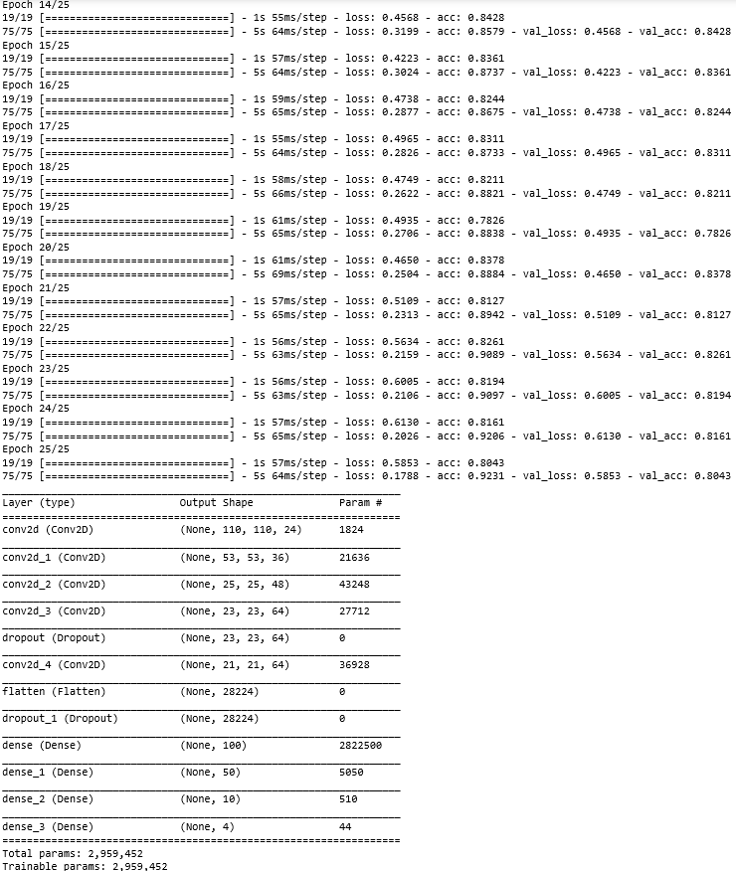
Epochs | Batches | Loss | Data | Model |  | Track running observation
25 | 32 | loss: 0.1788 - acc: 0.9231 - val_loss: 0.5853 - val_acc: 0.8043 | 4 classes Stop - 254 Straight - 1978 Right - 357 Left - 401 |  |  | Novice driving seen. Still able to run rounds. Problem on running clockwise with some of the right turns. Unable to predict correctly STOP class. Couldn't tell any output of STOP class predicted
 |  |  | Found 2392 images belonging to 4 classes. Found 598 images belonging to 4 classes. |  | model.add(Conv2D(24, (5, 5), strides=(2, 2), input_shape=(224, 224, 3), activation='relu'))
 |  |  |  |  | model.add(Conv2D(36, (5, 5), strides=(2, 2), activation='relu'))
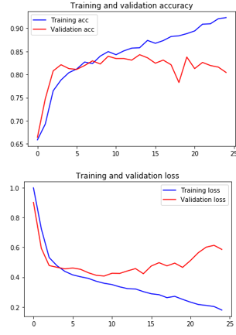
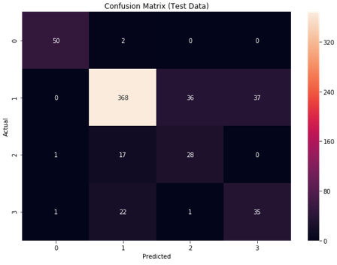
 |  |  |  |  | model.add(Conv2D(48, (5, 5), strides=(2, 2), activation='relu'))
 |  |  |  |  | model.add(Conv2D(64, (3, 3), activation='relu'))
 |  |  |  |  | model.add(Dropout(0.2))
 |  |  |  |  | model.add(Conv2D(64, (3, 3), activation='relu'))

 |  |  |  |  | # Fully Connected Layers
 |  |  |  |  | model.add(Flatten())
 |  |  |  |  | model.add(Dropout(0.2))
 |  |  |  |  | model.add(Dense(100, activation='relu'))
 |  |  |  |  | model.add(Dense(50, activation='relu'))
 |  |  |  |  | model.add(Dense(10, activation='relu'))
 |  |  |  |  | model.add(Dense(units=no_of_classes, activation='softmax'))
 |  |  |  |  | model.compile(optimizer='adam', loss='categorical_crossentropy', metrics=['accuracy'])

 |  |  |  |  | Overfitting observed
 |  |  |  |  | 2.9 mill paramters

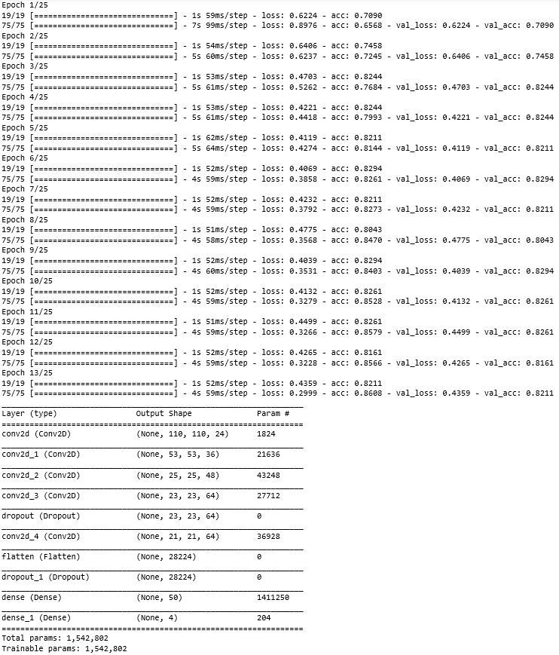
12 | 32 | loss: 0.2999 - acc: 0.8608 - val_loss: 0.4359 - val_acc: 0.8211 | 4 classes + using class weights. Stop - 254 Straight - 1978 Right - 357 Left - 401 Set early stopping patience to 4 to stop when overfitting observed |  | reduce units | Novice driving seen. Still able to run rounds. Problem on running clockwise with some of the right turns. Unable to predict correctly STOP class. Couldn't tell any output of STOP class predicted
 |  |  | Found 2392 images belonging to 4 classes. Found 598 images belonging to 4 classes. class weights = [2.96039604 0.38113448 2.04794521 1.81762918] |  | model.add(Conv2D(24, (5, 5), strides=(2, 2), input_shape=(224, 224, 3), activation='relu'))
 |  |  |  |  | model.add(Conv2D(36, (5, 5), strides=(2, 2), activation='relu'))
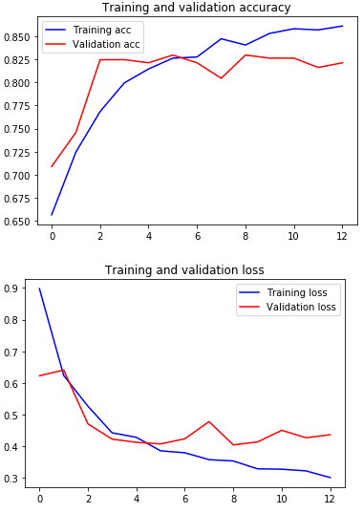
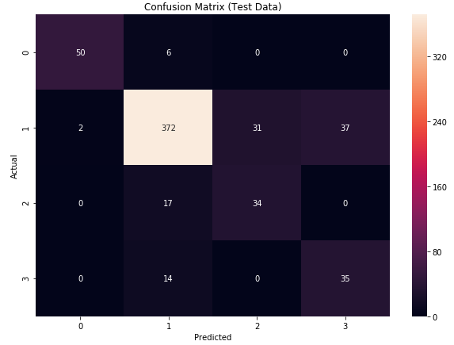
 |  |  |  |  | model.add(Conv2D(48, (5, 5), strides=(2, 2), activation='relu'))
 |  |  |  |  | model.add(Conv2D(64, (3, 3), activation='relu'))
 |  |  |  |  | model.add(Dropout(0.2))
 |  |  |  |  | model.add(Conv2D(64, (3, 3), activation='relu'))

 |  |  |  |  | # Fully Connected Layers
 |  |  |  |  | model.add(Flatten())
 |  |  |  |  | model.add(Dropout(0.2))
 |  |  |  |  | model.add(Dense(50, activation='relu'))
 |  |  |  |  | model.add(Dense(units=no_of_classes, activation='softmax'))
 |  |  |  |  | model.compile(optimizer='adam', loss='categorical_crossentropy', metrics=['accuracy'])

 |  |  |  |  | 1.5 mill parameters

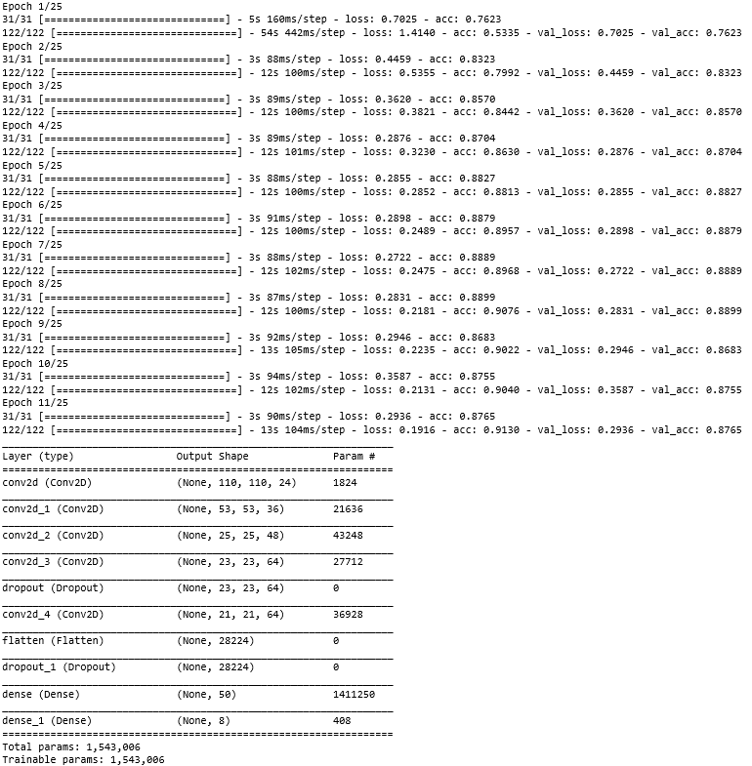
14 | 32 | loss: 0.1916 - acc: 0.9130 - val_loss: 0.2936 - val_acc: 0.8765 | On top of 4 classes+ using class weights, added more classes to detect boundary areas such as outer left and right, inner left and right. Total classes = 8 Stop - 254 Straight - 1978 Right - 334 Left - 396 Inner right - 464 Inner left - 464 Outer right - 438 Outer left - 528 |  |  | Wanted to prevent the car from moving out of lanes. Hence added more classes but seems to be confusing the car model more. Problem araises when outer lanes maybe predicted as inner lanes as the behavior would be opposite of each other
 |  |  | Found 3884 images belonging to 8 classes. Found 972 images belonging to 8 classes. class weights = [2.39162562 0.30573048 1.80483271 1.53639241 1.27094241 1.32650273 1.39511494 1.17839806] |  | model.add(Conv2D(24, (5, 5), strides=(2, 2), input_shape=(224, 224, 3), activation='relu'))
 |  |  |  |  | model.add(Conv2D(36, (5, 5), strides=(2, 2), activation='relu'))
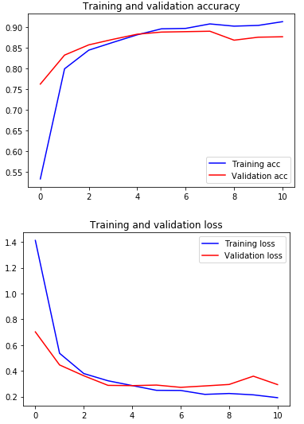
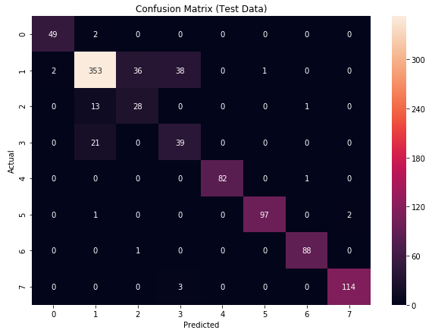
 |  |  |  |  | model.add(Conv2D(48, (5, 5), strides=(2, 2), activation='relu'))
 |  |  |  |  | model.add(Conv2D(64, (3, 3), activation='relu'))
 |  |  |  |  | model.add(Dropout(0.2))
 |  |  |  |  | model.add(Conv2D(64, (3, 3), activation='relu'))

 |  |  |  |  | # Fully Connected Layers
 |  |  |  |  | model.add(Flatten())
 |  |  |  |  | model.add(Dropout(0.2))
 |  |  |  |  | model.add(Dense(50, activation='relu'))
 |  |  |  |  | model.add(Dense(units=no_of_classes, activation='softmax'))
 |  |  |  |  | model.compile(optimizer='adam', loss='categorical_crossentropy', metrics=['accuracy'])

 |  |  |  |  | 1.5 mill parameters

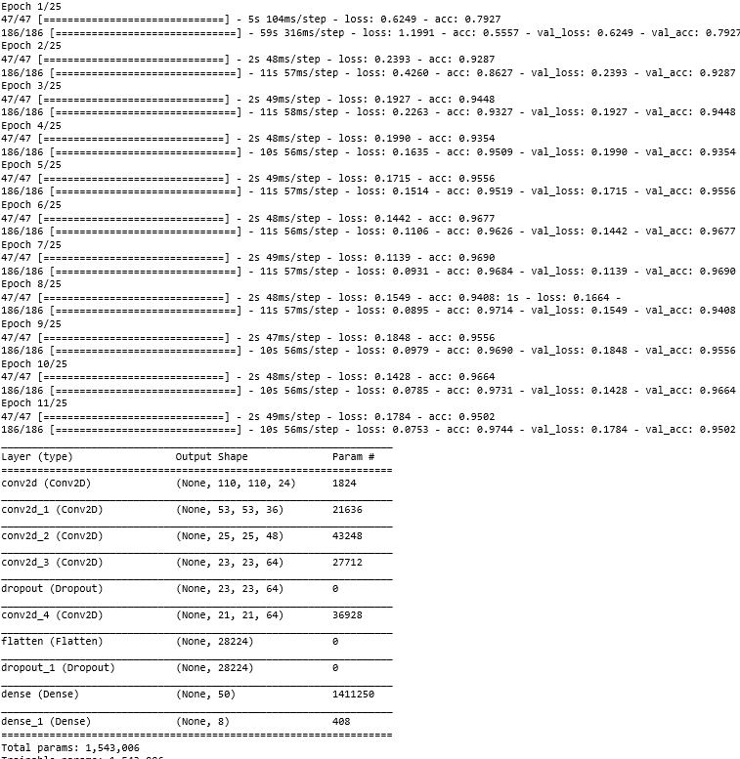
11 | 16 | loss: 0.0753 - acc: 0.9744 - val_loss: 0.1784 - val_acc: 0.9502 | Edited the 8 classes data images to further refine the dataset to be more distinct in each class to resolve the misclassifications on straight left right. Stop - 254 Straight - 960 Right - 290 Left - 315 Inner right - 464 Inner left - 464 Outer right - 438 Outer left - 528 Reduced batch size from 32 to 16 to target model to generalize better |  |  | Same problem Problem araises when outer lanes maybe predicted as inner lanes as the behavior would be opposite of each other
 |  |  | Found 2971 images belonging to 8 classes. Found 743 images belonging to 8 classes. class weights = [1.8294335 0.48419166 1.52202869 1.4621063 1.01746575 0.99298128 1.05804843 0.89921308] |  | model.add(Conv2D(24, (5, 5), strides=(2, 2), input_shape=(224, 224, 3), activation='relu'))
 |  |  |  |  | model.add(Conv2D(36, (5, 5), strides=(2, 2), activation='relu'))
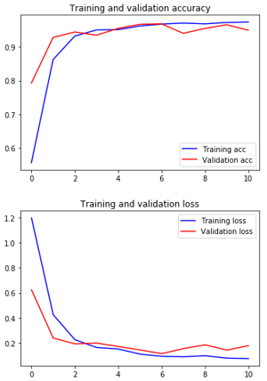
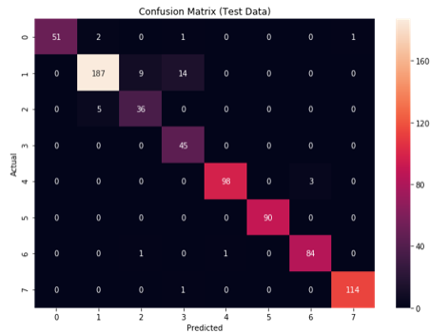
 |  |  |  |  | model.add(Conv2D(48, (5, 5), strides=(2, 2), activation='relu'))
 |  |  |  |  | model.add(Conv2D(64, (3, 3), activation='relu'))
 |  |  |  |  | model.add(Dropout(0.2))
 |  |  |  |  | model.add(Conv2D(64, (3, 3), activation='relu'))

 |  |  |  |  | # Fully Connected Layers
 |  |  |  |  | model.add(Flatten())
 |  |  |  |  | model.add(Dropout(0.2))
 |  |  |  |  | model.add(Dense(50, activation='relu'))

 |  |  |  |  | model.add(Dense(units=no_of_classes, activation='softmax'))
 |  |  |  |  | model.compile(optimizer='adam', loss='categorical_crossentropy', metrics=['accuracy'])

 |  |  |  |  | 1.5 mil parameters

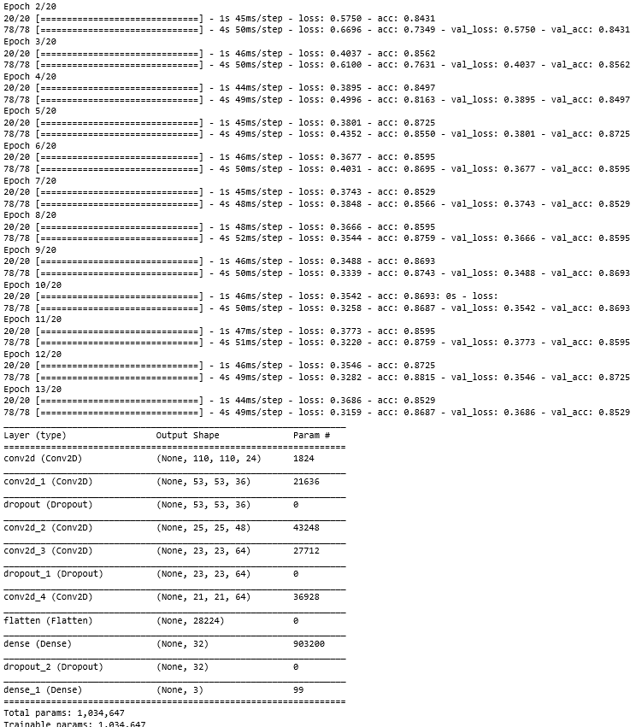
13 | 16 | loss: 0.3159 - acc: 0.8687 - val_loss: 0.3686 - val_acc: 0.8529 | Cut down to 3 classes as stop class & boundary classes are not working via this option. And there are quite a number of mis classifications when the car reaches boundary area like outer or inner left right. Straight - 960 Right - 288 Left - 298 |  |  | Track able to run. Observed that the losses are still quite high. Would proceed to add more data for training
 |  |  |  |  | model.add(Conv2D(24, (5, 5), strides=(2, 2), input_shape=(224, 224, 3), activation='relu'))
 |  |  | Found 1241 images belonging to 3 classes. Found 306 images belonging to 3 classes. class weights = [0.54645531 1.73809524 1.68157182] |  | model.add(Conv2D(36, (5, 5), strides=(2, 2), activation='relu'))
 |  |  |  |  | model.add(Dropout(0.2))
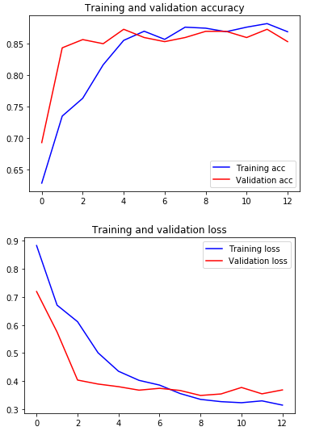
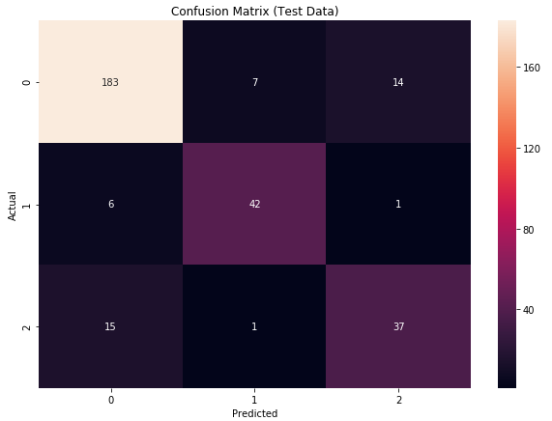
 |  |  |  |  | model.add(Conv2D(48, (5, 5), strides=(2, 2), activation='relu'))
 |  |  |  |  | model.add(Conv2D(64, (3, 3), activation='relu'))
 |  |  |  |  | model.add(Dropout(0.2))
 |  |  |  |  | model.add(Conv2D(64, (3, 3), activation='relu'))

 |  |  |  |  | # Fully Connected Layers
 |  |  |  |  | model.add(Flatten())
 |  |  |  |  | model.add(Dense(32, activation='relu'))
 |  |  |  |  | model.add(Dropout(0.2))

 |  |  |  |  | model.add(Dense(units=no_of_classes, activation='softmax'))
 |  |  |  |  | model.compile(optimizer=opt, loss='categorical_crossentropy', metrics=['accuracy'])

 |  |  |  |  | 1.0 mil parameters

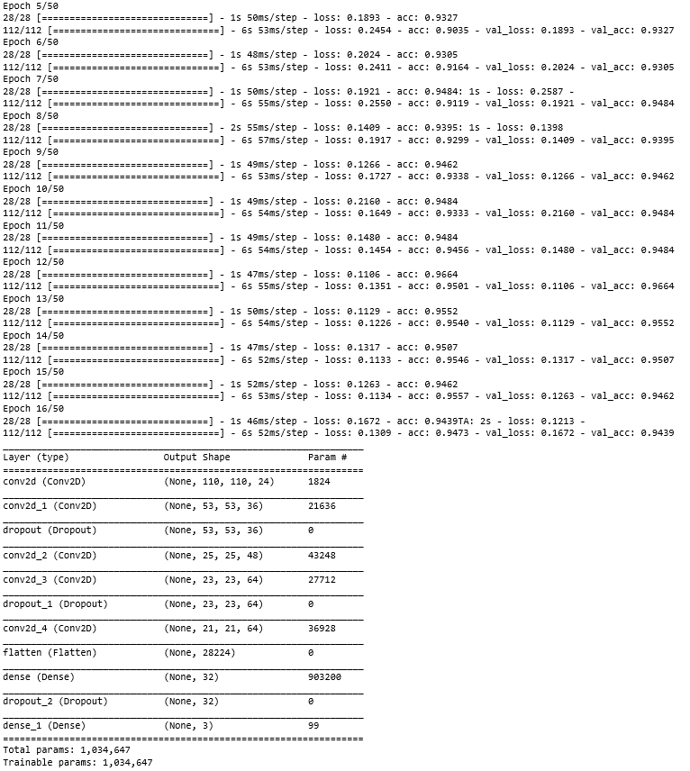
16 | 16 | loss: 0.1309 - acc: 0.9473 - val_loss: 0.1672 - val_acc: 0.9439 | Added more left and right data by flipping them around and flipping their true labels too Straight - 960 Right - 634 Left - 634 |  | This is the milestone version | Track can be ran with low frequency of misclassification. Most misclassficiations areas are seen end of turning areas. Inference time taken is 270 miliseconds
 |  |  | Found 1783 images belonging to 3 classes. Found 446 images belonging to 3 classes. class weights = [0.78304787 1.1722551 1.14958092] |  | model.add(Conv2D(24, (5, 5), strides=(2, 2), input_shape=(224, 224, 3), activation='relu'))
 |  |  |  |  | model.add(Conv2D(36, (5, 5), strides=(2, 2), activation='relu'))
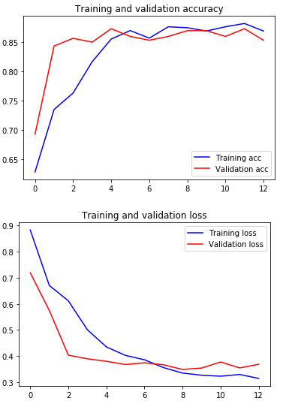
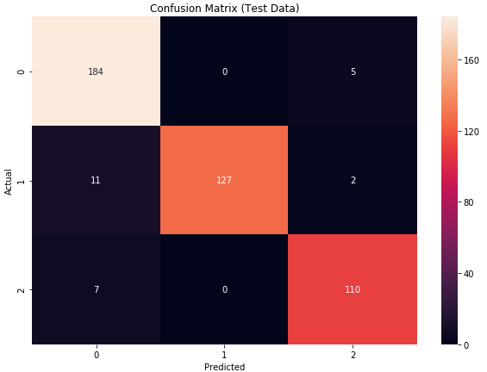
 |  |  |  |  | model.add(Dropout(0.2))
 |  |  |  |  | model.add(Conv2D(48, (5, 5), strides=(2, 2), activation='relu'))
 |  |  |  |  | model.add(Conv2D(64, (3, 3), activation='relu'))
 |  |  |  |  | model.add(Dropout(0.2))
 |  |  |  |  | model.add(Conv2D(64, (3, 3), activation='relu'))

 |  |  |  |  | # Fully Connected Layers
 |  |  |  |  | model.add(Flatten())
 |  |  |  |  | model.add(Dense(32, activation='relu'))
 |  |  |  |  | model.add(Dropout(0.2))

 |  |  |  |  | model.add(Dense(units=no_of_classes, activation='softmax'))
 |  |  |  |  | model.compile(optimizer=opt, loss='categorical_crossentropy', metrics=['accuracy'])

 |  |  |  |  | 1.0 mil parameters


32 | 16 | loss: 0.1530 - acc: 0.9501 - val_loss: 0.1565 - val_acc: 0.9529 | Crop top 60 rows of height. Resize to 112 by 112 to target bringing down parameters Straight - 960 Right - 634 Left - 634 |  | Final model | Inference time taken is 0.07 milliseconds
 |  |  | Found 1783 images belonging to 3 classes. Found 446 images belonging to 3 classes. class weights = [0.78304787 1.1722551 1.14958092] |  | # Convolution Layers
 |  |  |  |  | model.add(Conv2D(24, (5, 5), strides=(2, 2), input_shape=(112, 112, 3), activation='relu'))
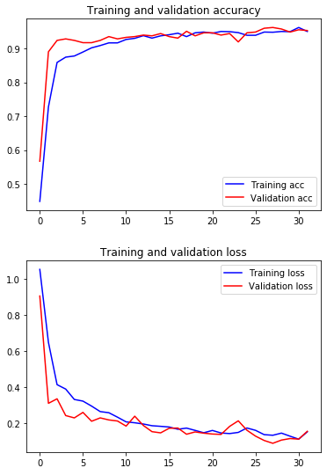
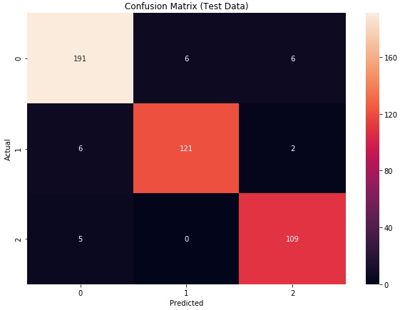
 |  |  |  |  | model.add(Conv2D(36, (5, 5), strides=(2, 2), activation='relu'))
 |  |  |  |  | model.add(Dropout(0.2))
 |  |  |  |  | model.add(Conv2D(48, (5, 5), strides=(2, 2), activation='relu'))
 |  |  |  |  | model.add(Conv2D(64, (3, 3), activation='relu'))
 |  |  |  |  | model.add(Dropout(0.2))
 |  |  |  |  | model.add(Conv2D(64, (3, 3), activation='relu'))

 |  |  |  |  | # Fully Connected Layers
 |  |  |  |  | model.add(Flatten())

 |  |  |  |  | model.add(Dense(32, activation='relu'))
 |  |  |  |  | model.add(Dropout(0.2))

 |  |  |  |  | model.add(Dense(units=no_of_classes, activation='softmax'))
 |  |  |  |  | model.compile(optimizer=opt, loss='categorical_crossentropy', metrics=['accuracy'])

 |  |  |  |  | 230k parameters

