Sheet1
 |  | Lap | EoS_Cimini (295kph) |  |  | Diffuser condition |  |  |  | EoS_Campagnano (275kph) |  |  | Diffuser condition |  |  |  | 1 |  |  | 2 |  |  | 3 |  |  |  | 4
FP3_FM_LongRun |  |  | FRH | RLRH | RRRH | pTap_1 | pTap_2 | pTap_3 | pTap_4 | FRH | RLRH | RRRH | pTap_1 | pTap_2 | pTap_3 | pTap_4 | RL_RH | Dam_Speed_FL | Dam_speed_RL | RL_RH | Dam_Speed_FL | Dam_speed_RL | RR_RH | Dam_Speed_FR | Dam_Speed_RR | RL_RH | Dam_Speed_FL | Dam_Speed_RL | NOTES
 | 1:23:87 | 18 | 51 | 49.6 | 43 | -5.2 | -13.5 | -12.8 | -4.2 | 54.9 | 47.7 | 47.12 | -3.6 | -11 | -11.4 | -7 | 32.2 | 134 | 113.3 | 32.7 | 114.3 | 119.3 | 52.7 | 133.2 | 101.7 | 35.4 | 222.9 | 175.2 | Seems not severe bottoming in any of the 4 critical sections, diffuser not stalled, maybe external channels?
 | 1:24:04 | 2 | 51 | 50 | 41.4 | -7.6 | -15 | -12.4 | -4.3 | 53.9 | 45.31 | 44.65 | -6.4 | -11 | -11.6 | -5.4 | Touch! | 285 | 210.6 | 35.7 | 280.5 | 146.2 | 49.36 | 104.2 | 104.9 | 34.02 | 2115 | 138.1 | Appears, also enforced by pTap data coherency, that in this lap bottoming was more severe, in all the 4 critical track points
 | 1:24:07 | 3 | 49.2 | 47.1 | 39.4 | -5.3 | -13 | -12.3 | -5.9 | 52.8 | 46.3 | 45.6 | -5.6 | -11.2 | -10.7 | -6.1 | 31 | 225.4 | 204.1 | 31.4 | 209.6 | 207.3 | 39.88 | 179.4 | 181.1 | 25.4 | 270.8 | 357.3 | In critical points rear end interested side is very low and bottoming occurrence seems quite frequent

FP4_OP_LongRun
 | 1:24:03 | 22 | 52.3 | 49.2 | 38.8 | -10.4 | -11.8 | -9.3 | -2.7 | 53.5 | 49.3 | 41.2 | -6.3 | -10.4 | -11.2 | -7.8 | 27.64 | 155.5 | 133.2 | Touch! | 219.3 | 178.4 | 50.4 | 145.5 | 92.2 | < 40 | 165 | 81.7 | IN this lap seems at campagnano and at Cimini rear end bottomed, not clear if at Esse also… Anyway, if so, not extra-evident sign of bottoming from accelerometer on rear chassis
 | 1:24:23 | 23 | 511.5 | 51.5 | 36.23 | -4.6 | -11.7 | -9.4 | -2.9 | 54.8 | 48.5 | 46 | -8.1 | -8.8 | -11.1 | -5.8 | 29.22 | 117.7 | 165.6 | 40.68 | 270.4 | 168.8 | 49 | 136.2 | 87.8 | 32.86 | 263 | 190.6

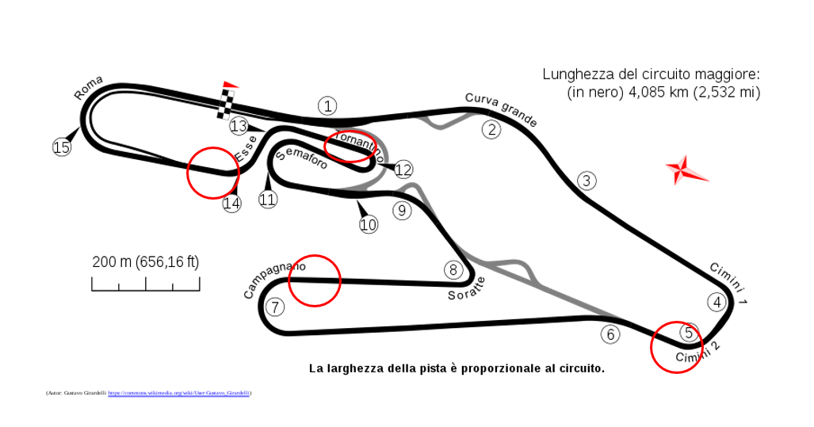
1
2
3
4
 |  |  |  |  |  |  |  |  |  |  |  |  |  |  |  |  |  |  |  |  |  |  |  |  |  |  |  |  |  | Averaged On AeroRuns
 |  |  |  |  |  |  |  |  |  |  |  |  |  |  |  |  |  |  |  |  |  |  |  |  |  |  |  |  |  | @220
 |  |  |  |  |  |  |  |  |  |  |  |  |  |  |  |  |  |  |  |  |  |  |  |  |  |  |  |  |  | FRH | RRH
 |  |  |  |  |  |  |  |  |  |  |  |  |  |  |  |  |  |  |  |  |  |  |  |  |  |  |  |  |  | 55.8 | 56.2

