297R_348R

 |  | Fr Casing | Rr Casing

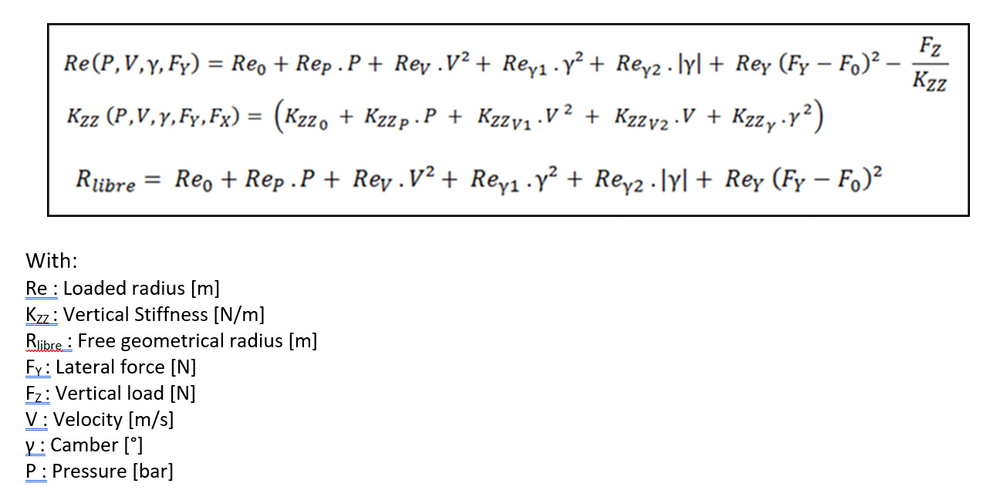
 |  | 297R | 348R
 | KzzP | 1.53E+05 | 1.67E+05
 | Kzz0 | 3.99E+04 | 3.57E+04
 | ReP | 6.46E-04 | 4.54E-04
 | KzzV1 | 0.7907 | -0.3176
 | KzzV2 | 681.845 | 798.5039
 | ReV | 2.28E-07 | 2.40E-07
 | KzzGamma | -3.71E+03 | -5.12E+03
 | ReGamma1 | 2.18E-04 | 2.76E-04
 | ReGamma2 | -6.82E-05 | -8.41E-05
 | Fy0 | 79.3946 | 109.2906
 | ReY | -2.64E-11 | -2.30E-11
 | Re0 | 0.35 | 0.3507

 | Vertical Stiffness - Kzz [N/m] | 348410 | 364092
 | % Difference

 | Loaded Radius - Re [m] | 0.33813 | 0.33953
 | delta loaded radius versus ref (mm)

Coefficients that you can change ! | Pressure [bar] | 1.9 | 1.9
 | Fz [N] | 5000.0 | 5000.0
 | |IA| [deg] (absolute value) | 2.5 | 2.5
 | Fy [N] | 5000.0 | 5000.0 |  |  |  |  |  |  |  |  |  | 0.26deg/10mm
 | V [m/s] | 55.5556 | 55.5556
 |  |  |  |  |  |  |  |  | 0.2deg/10mm |  |  |  | Jounce | REAR
 |  |  |  |  |  |  |  |  |  |  |  |  | 65
 |  | Kzz LUT |  |  |  |  |  |  | Jounce | FRONT |  |  | 60
FRONT (297R)
REAR (348R)
 |  | FRONT (297R) |  |  |  | REAR 348R |  |  | 55 | -3.274 | -0.148 |  | 55 | -2.421 | -0.142
 | Speed | -1 | -2 | -3 | Static camber | -1 | -2 | -3 | 50 | -3.126 | -0.142 | -0.277 | 50 | -2.279 | -0.14 | -0.279
40 | 11.11 | 335223.873 | 324103.473 | 305569.473 |  | 356426.556 | 341065.056 | 315462.556 | 45 | -2.984 | -0.135 |  | 45 | -2.139 | -0.139
60 | 16.67 | 339133.922 | 328013.522 | 309479.522 |  | 360813.676 | 345452.176 | 319849.676 | 40 | -2.849 | -0.129 | -0.251 | 40 | -2 | -0.136 | -0.271
80 | 22.22 | 343092.780 | 331972.380 | 313438.380 |  | 365181.192 | 349819.692 | 324217.192 | 35 | -2.72 | -0.122 |  | 35 | -1.864 | -0.135
100 | 27.78 | 347100.447 | 335980.047 | 317446.047 |  | 369529.102 | 354167.602 | 328565.102 | 30 | -2.598 | -0.116 | -0.225 | 30 | -1.729 | -0.134 | -0.266
120 | 33.33 | 351156.922 | 340036.522 | 321502.522 |  | 373857.408 | 358495.908 | 332893.408 | 25 | -2.482 | -0.109 |  | 25 | -1.595 | -0.132
140 | 38.89 | 355262.206 | 344141.806 | 325607.806 |  | 378166.108 | 362804.608 | 337202.108 | 20 | -2.373 | -0.103 | -0.199 | 20 | -1.463 | -0.131 | -0.26
160 | 44.44 | 359416.299 | 348295.899 | 329761.899 |  | 382455.204 | 367093.704 | 341491.204 | 15 | -2.27 | -0.096 |  | 15 | -1.332 | -0.129
180 | 50.00 | 363619.200 | 352498.800 | 333964.800 |  | 386724.695 | 371363.195 | 345760.695 | 10 | -2.174 | -0.09 | -0.174 | 10 | -1.203 | -0.128 | -0.253
200 | 55.56 | 367870.910 | 356750.510 | 338216.510 |  | 390974.581 | 375613.081 | 350010.581 | 5 | -2.084 | -0.084 |  | 5 | -1.075 | -0.125
220 | 61.11 | 372171.428 | 361051.028 | 342517.028 |  | 395204.862 | 379843.362 | 354240.862 | 0 | -2 | -0.077 | 0 | 0 | -0.95 | -0.126 | 0
240 | 66.67 | 376520.756 | 365400.356 | 346866.356 |  | 399415.538 | 384054.038 | 358451.538 | -5 | -1.923 | -0.07 |  | -5 | -0.824 | -0.123
260 | 72.22 | 380918.891 | 369798.491 | 351264.491 |  | 403606.609 | 388245.109 | 362642.609 | -10 | -1.853 | -0.064 | -0.134 | -10 | -0.701 | -0.122 | -0.245
280 | 77.78 | 385365.836 | 374245.436 | 355711.436 |  | 407778.075 | 392416.575 | 366814.075 | -15 | -1.789 | -0.057 |  | -15 | -0.579 | -0.121
300 | 83.33 | 389861.589 | 378741.189 | 360207.189 |  | 411929.936 | 396568.436 | 370965.936 | -20 | -1.732 | -0.05 | -0.107 | -20 | -0.458 | -0.119 | -0.24
320 | 88.89 | 394406.151 | 383285.751 | 364751.751 |  | 416062.192 | 400700.692 | 375098.192 | -25 | -1.682 | -0.042 |  | -25 | -0.339 | -0.118
340 | 94.44 | 398999.521 | 387879.121 | 369345.121 |  | 420174.844 | 404813.344 | 379210.844 | -30 | -1.64 | -0.035 | -0.077 | -30 | -0.221 | -0.1167 | -0.2347
 |  |  |  |  |  |  |  |  | -35 | -1.605 |  |  | -35 | -0.1043
 |  | Rlibre at speed LUT |  |  |  |  |  |  |  |  | avg | -0.1805 |  |  | avg | -0.2560875
FRONT (297R)
FRONT (297R)
 |  | FRONT (297R) |  |  |  | REAR 348R
 | Speed | -1 | -2 | -3 | Static camber | -1 | -2 | -3
40 | 11.11 | 0.35077 | 0.35135 | 0.35237 |  | 0.35124 | 0.35198 | 0.35327
60 | 16.67 | 0.35080 | 0.35139 | 0.35241 |  | 0.35127 | 0.35201 | 0.35331
80 | 22.22 | 0.35085 | 0.35144 | 0.35246 |  | 0.35132 | 0.35207 | 0.35336
100 | 27.78 | 0.35091 | 0.35150 | 0.35252 |  | 0.35139 | 0.35213 | 0.35343
120 | 33.33 | 0.35099 | 0.35158 | 0.35260 |  | 0.35147 | 0.35222 | 0.35351
140 | 38.89 | 0.35108 | 0.35167 | 0.35269 |  | 0.35157 | 0.35231 | 0.35361
160 | 44.44 | 0.35119 | 0.35177 | 0.35280 |  | 0.35168 | 0.35242 | 0.35372
180 | 50.00 | 0.35131 | 0.35189 | 0.35292 |  | 0.35181 | 0.35255 | 0.35384
200 | 55.56 | 0.35144 | 0.35203 | 0.35305 |  | 0.35195 | 0.35269 | 0.35398
220 | 61.11 | 0.35159 | 0.35217 | 0.35320 |  | 0.35210 | 0.35285 | 0.35414
240 | 66.67 | 0.35175 | 0.35234 | 0.35336 |  | 0.35227 | 0.35302 | 0.35431
260 | 72.22 | 0.35193 | 0.35251 | 0.35353 |  | 0.35246 | 0.35320 | 0.35449
280 | 77.78 | 0.35212 | 0.35270 | 0.35372 |  | 0.35266 | 0.35340 | 0.35469
300 | 83.33 | 0.35232 | 0.35291 | 0.35393 |  | 0.35287 | 0.35362 | 0.35491
320 | 88.89 | 0.35254 | 0.35312 | 0.35414 |  | 0.35310 | 0.35385 | 0.35514
340 | 94.44 | 0.35277 | 0.35335 | 0.35438 |  | 0.35335 | 0.35409 | 0.35538

 | Front | Rear
hCR Z | 54.00 | 108 |  | Wb | 0.452
axle center X | 0.00 | 3140 |  | h_COG | 0.32
half wheelbase | 1419.28 | 1720.72
spring K | 193.00 | 193
at bar Stiffness [Nm/deg] | 26800.00 | 30400
MR Spring | 0.80 | 0.8
Track | 1.65511 | 1.61046
Kzz[N/m] tire @200kph (2.5deg camber) | 348410.00 | 364092

