297R_348R


 |  | Fr Casing | Rr Casing

 |  | 297R | 348R | Rroul = rolling radius
 | RroulNappes | 0.3467 | 0.3473
 | RroulAlpha : exponential coefficient | 82.4063 | 87.7024
 | RroulDelta1 : slip angle dependancy | 3.62E-05 | 3.45E-05
 | RroulDelta2 : square slip angle dependancy | -8.24E-06 | -7.77E-06
 | RroulV1 : speed dependency | -1.48E-05 | -1.78E-05
 | RroulV2 : square speed dependency | 3.29E-07 | 3.85E-07
 | RroulGamma1 : camber dependency | -1.92E-05 | -2.73E-05
 | RroulGamma2 : square camber dependency | -4.28E-05 | -6.22E-05
 | Re0 | 0.35 | 0.3507
 | ReP | 6.46E-04 | 4.54E-04

 | Kzz0: structural part of static vertical stiffness | 39873 | 35737
 | Kzzp: pneumatic part of static vertical stiffness | 153360 | 166830
 | Kzzv1 : V effect on Kzz | 0.7907 | -0.3176
 | Kzzv2 : V effect on Kzz | 681.8 | 798.5
 | Kzzgamma : camber effect on Kzz | -3706.8 | -5120.5

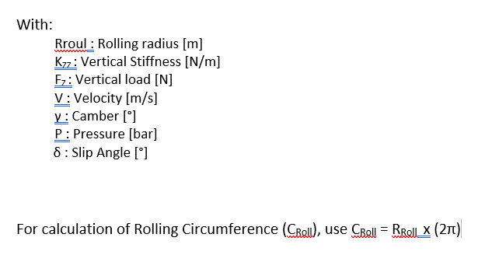
Coefficients that you can change ! | Pressure [bar] | 1.9 | 1.9
 | Fz [N] | 5000.0 | 5000.0
 | Camber gamma [deg] | -3.0 | -3.0
 | SlipAngle [deg] | 0.0000 | 0.0000
 | V [m/s] | 61.1 | 61.1

 | Kzz (N/m) | 342517 | 354241
 | fleche (m) = Fz / Kzz (droop) | 0.0146 | 0.0141
 | Rolling radius - Rroul [m] | 0.3481 | 0.3484

 |  | Kzz LUT

 |  | FRONT (297R) |  |  |  | REAR 348R
 | Speed | -1 | -2 | -3 | Static camber | -1 | -2 | -3
40 | 11.11 | 335223.873 | 324103.473 | 305569.473 |  | 356426.556 | 341065.056 | 315462.556
60 | 16.67 | 339133.922 | 328013.522 | 309479.522 |  | 360813.676 | 345452.176 | 319849.676
80 | 22.22 | 343092.780 | 331972.380 | 313438.380 |  | 365181.192 | 349819.692 | 324217.192
100 | 27.78 | 347100.447 | 335980.047 | 317446.047 |  | 369529.102 | 354167.602 | 328565.102
120 | 33.33 | 351156.922 | 340036.522 | 321502.522 |  | 373857.408 | 358495.908 | 332893.408
140 | 38.89 | 355262.206 | 344141.806 | 325607.806 |  | 378166.108 | 362804.608 | 337202.108
160 | 44.44 | 359416.299 | 348295.899 | 329761.899 |  | 382455.204 | 367093.704 | 341491.204
180 | 50.00 | 363619.200 | 352498.800 | 333964.800 |  | 386724.695 | 371363.195 | 345760.695
200 | 55.56 | 367870.910 | 356750.510 | 338216.510 |  | 390974.581 | 375613.081 | 350010.581
220 | 61.11 | 372171.428 | 361051.028 | 342517.028 |  | 395204.862 | 379843.362 | 354240.862
240 | 66.67 | 376520.756 | 365400.356 | 346866.356 |  | 399415.538 | 384054.038 | 358451.538
260 | 72.22 | 380918.891 | 369798.491 | 351264.491 |  | 403606.609 | 388245.109 | 362642.609
280 | 77.78 | 385365.836 | 374245.436 | 355711.436 |  | 407778.075 | 392416.575 | 366814.075
300 | 83.33 | 389861.589 | 378741.189 | 360207.189 |  | 411929.936 | 396568.436 | 370965.936
320 | 88.89 | 394406.151 | 383285.751 | 364751.751 |  | 416062.192 | 400700.692 | 375098.192
340 | 94.44 | 398999.521 | 387879.121 | 369345.121 |  | 420174.844 | 404813.344 | 379210.844

