Summary-80
C [kN/(m/s)] |  |  |  |  |  | LS Vel | 50 | Damper curves [N] |  |  |  |  |  | vi-grade curves (negative compression)
 | LSC | HSC | LSR | HSR |  | HS Vel | 250 | Velocity | Front Lat. | Front C. | Rear Lat. | Rear C. |  | -250 | -542.4 | -850.8 | -255.6 | -890.4
Front Lateral | 3.6 | 1.8 | 5.4 | 2.7 |  |  |  | 250 | -813.6 | -1276.2 | -383.4 | -1335.6 | rebound | -150 | -361.6 | -567.2 | -170.4 | -593.6
Front Central | 5.7 | 2.8 | 8.5 | 4.3 |  | HS/LS | 0.5 | 50 | -271.2 | -425.4 | -127.8 | -445.2 |  | -50 | -180.8 | -283.6 | -85.2 | -296.8
 |  |  |  |  |  |  |  | 0 | 0 | 0 | 0 | 0 |  | 0 | 0 | 0 | 0 | 0
Rear Lateral | 1.7 | 0.9 | 2.6 | 1.3 |  | Reb/Comp | 1.5 | 50 | 180.8 | 283.6 | 85.2 | 296.8 |  | 50 | 271.2 | 425.4 | 127.8 | 445.2
Rear Central | 5.9 | 3.0 | 8.9 | 4.5 |  |  |  | 250 | 542.4 | 850.8 | 255.6 | 890.4 | compression | 150 | 542.4 | 850.8 | 255.6 | 890.4
 |  |  |  |  |  |  | INPUT |  |  |  |  |  |  | 250 | 813.6 | 1276.2 | 383.4 | 1335.6
Combined C [kN/(m/s)] |  |  |  |  |  |  |  | Damper curves with motion ratio [N]
Front Heave | 12.90 | 6.45 | 19.36 | 9.68 | 16.13 |  |  | MR | 0.8 | 1.2 | 0.8 | 0.9
Rear Heave | 9.34 | 4.67 | 14.02 | 7.01 | 11.68 |  |  | Velocity | Front Lat. | Front C. | Rear Lat. | Rear C.
 |  |  |  |  |  |  |  | 250 | -1271 | -886 | -599 | -1649
Roll | 13.30 | 6.65 |  |  |  |  |  | 50 | -424 | -295 | -200 | -550
 |  |  |  |  |  |  |  | 0 | 0 | 0 | 0 | 0
Single wheel F | 6.45 | 3.23 | 9.68 | 4.84 |  |  |  | 50 | 282 | 197 | 133 | 366
Single wheel R | 4.67 | 2.34 | 7.01 | 3.50 |  |  |  | 250 | 847 | 591 | 399 | 1099

Base setup
Damping Ratio ζ @80km/h
Front Heave | 0.63 | 0.31 | 0.94 | 0.47
Rear Heave | 0.51 | 0.25 | 0.76 | 0.38

Roll | 0.40 | 0.20

Single wheel F | 0.46 | 0.23 | 0.70 | 0.35
Single wheel R | 0.44 | 0.22 | 0.65 | 0.33

Damping Ratio (Avg. Bump/Rebound) ζ @80km/h
 | LS | HS
Front Heave | 0.78 | 0.39
Rear Heave | 0.63 | 0.32

Roll | 0.40 | 0.20
Base setup
Single wheel F | 0.58 | 0.29
Single wheel R | 0.55 | 0.27

Summary-160
C [kN/(m/s)] |  |  |  |  |  | LS Vel | 50 | Damper curves [N] |  |  |  |  |  | vi-grade curves (negative compression)
 | LSC | HSC | LSR | HSR |  | HS Vel | 250 | Velocity | Front Lat. | Front C. | Rear Lat. | Rear C. |  | -250 | -542.4 | -850.8 | -255.6 | -890.4
Front Lateral | 3.6 | 1.8 | 5.4 | 2.7 |  |  |  | 250 | -813.6 | -1276.2 | -383.4 | -1335.6 | rebound | -150 | -361.6 | -567.2 | -170.4 | -593.6
Front Central | 5.7 | 2.8 | 8.5 | 4.3 |  | HS/LS | 0.5 | 50 | -271.2 | -425.4 | -127.8 | -445.2 |  | -50 | -180.8 | -283.6 | -85.2 | -296.8
 |  |  |  |  |  |  |  | 0 | 0 | 0 | 0 | 0 |  | 0 | 0 | 0 | 0 | 0
Rear Lateral | 1.7 | 0.9 | 2.6 | 1.3 |  | Reb/Comp | 1.5 | 50 | 180.8 | 283.6 | 85.2 | 296.8 |  | 50 | 271.2 | 425.4 | 127.8 | 445.2
Rear Central | 5.9 | 3.0 | 8.9 | 4.5 |  |  |  | 250 | 542.4 | 850.8 | 255.6 | 890.4 | compression | 150 | 542.4 | 850.8 | 255.6 | 890.4
 |  |  |  |  |  |  | INPUT |  |  |  |  |  |  | 250 | 813.6 | 1276.2 | 383.4 | 1335.6
Combined C [kN/(m/s)] |  |  |  |  |  |  |  | Damper curves with motion ratio [N]
Front Heave | 12.90 | 6.45 | 19.36 | 9.68 | 16.13 |  |  | MR | 0.8 | 1.2 | 0.8 | 0.9
Rear Heave | 9.34 | 4.67 | 14.02 | 7.01 | 11.68 |  |  | Velocity | Front Lat. | Front C. | Rear Lat. | Rear C.
 |  |  |  |  |  |  |  | 250 | -1271 | -886 | -599 | -1649
Roll | 13.30 | 6.65 |  |  |  |  |  | 50 | -424 | -295 | -200 | -550
 |  |  |  |  |  |  |  | 0 | 0 | 0 | 0 | 0
Single wheel F | 6.45 | 3.23 | 9.68 | 4.84 |  |  |  | 50 | 282 | 197 | 133 | 366
Single wheel R | 4.67 | 2.34 | 7.01 | 3.50 |  |  |  | 250 | 847 | 591 | 399 | 1099

Base setup
Damping Ratio ζ @160km/h
Front Heave | 0.61 | 0.30 | 0.91 | 0.45
Rear Heave | 0.51 | 0.25 | 0.76 | 0.38

Roll | 0.40 | 0.20

Single wheel F | 0.46 | 0.23 | 0.68 | 0.34
Single wheel R | 0.44 | 0.22 | 0.65 | 0.33

Damping Ratio (Avg. Bump/Rebound) ζ @160km/h
 | LS | HS
Front Heave | 0.76 | 0.38
Rear Heave | 0.63 | 0.32

Base setup
Roll | 0.40 | 0.20
 |  |  |  | HS
Single wheel F | 0.57 | 0.28 |  | 0.28496249709 | Se dividi per 2 LS
Single wheel R | 0.55 | 0.27 |  | 0.27251969634

Summary-240
C [kN/(m/s)] |  |  |  |  | LS Vel | 50 | Damper curves [N] |  |  |  |  |  | vi-grade curves (negative compression)
 | LSC | HSC | LSR | HSR | HS Vel | 250 | Velocity | Front Lat. | Front C. | Rear Lat. | Rear C. |  | -250 | -542.4 | -850.8 | -255.6 | -890.4
Front Lateral | 3.6 | 1.8 | 5.4 | 2.7 |  |  | 250 | -813.6 | -1276.2 | -383.4 | -1335.6 | rebound | -150 | -361.6 | -567.2 | -170.4 | -593.6
Front Central | 5.7 | 2.8 | 8.5 | 4.3 | HS/LS | 0.5 | 50 | -271.2 | -425.4 | -127.8 | -445.2 |  | -50 | -180.8 | -283.6 | -85.2 | -296.8
 |  |  |  |  |  |  | 0 | 0 | 0 | 0 | 0 |  | 0 | 0 | 0 | 0 | 0
Rear Lateral | 1.7 | 0.9 | 2.6 | 1.3 | Reb/Comp | 1.5 | 50 | 180.8 | 283.6 | 85.2 | 296.8 |  | 50 | 271.2 | 425.4 | 127.8 | 445.2
Rear Central | 5.9 | 3.0 | 8.9 | 4.5 |  |  | 250 | 542.4 | 850.8 | 255.6 | 890.4 | compression | 150 | 542.4 | 850.8 | 255.6 | 890.4
 |  |  |  |  |  | INPUT |  |  |  |  |  |  | 250 | 813.6 | 1276.2 | 383.4 | 1335.6
Combined C [kN/(m/s)] |  |  |  |  |  |  | Damper curves with motion ratio [N]
Front Heave | 12.90 | 6.45 | 19.36 | 9.68 |  |  | MR | 0.8 | 1.2 | 0.8 | 0.9
Rear Heave | 9.34 | 4.67 | 14.02 | 7.01 |  |  | Velocity | Front Lat. | Front C. | Rear Lat. | Rear C.
 |  |  |  |  |  |  | 250 | -1271 | -886 | -599 | -1649
Roll | 13.30 | 6.65 |  |  |  |  | 50 | -424 | -295 | -200 | -550
 |  |  |  |  |  |  | 0 | 0 | 0 | 0 | 0
Single wheel F | 6.45 | 3.23 | 9.68 | 4.84 |  |  | 50 | 282 | 197 | 133 | 366
Single wheel R | 4.67 | 2.34 | 7.01 | 3.50 |  |  | 250 | 847 | 591 | 399 | 1099

Base setup
Damping Ratio ζ @160km/h
Front Heave | 0.50 | 0.25 | 0.76 | 0.38
Rear Heave | 0.36 | 0.18 | 0.54 | 0.27

Roll | 0.40 | 0.20

Single wheel F | 0.41 | 0.20 | 0.61 | 0.31
Single wheel R | 0.33 | 0.17 | 0.50 | 0.25

Damping Ratio (Avg. Bump/Rebound) ζ @160km/h
 | LS | HS
Front Heave | 0.63 | 0.31
Rear Heave | 0.45 | 0.22

Roll | 0.40 | 0.20
Base setup
Single wheel F | 0.51 | 0.25
Single wheel R | 0.41 | 0.21

Summary-320
C [kN/(m/s)] |  |  |  |  | LS Vel | 50 | Damper curves [N] |  |  |  |  |  | vi-grade curves (negative compression)
 | LSC | HSC | LSR | HSR | HS Vel | 250 | Velocity | Front Lat. | Front C. | Rear Lat. | Rear C. |  | -250 | -542.4 | -850.8 | -255.6 | -890.4
Front Lateral | 3.6 | 1.8 | 5.4 | 2.7 |  |  | 250 | -813.6 | -1276.2 | -383.4 | -1335.6 | rebound | -150 | -361.6 | -567.2 | -170.4 | -593.6
Front Central | 5.7 | 2.8 | 8.5 | 4.3 | HS/LS | 0.5 | 50 | -271.2 | -425.4 | -127.8 | -445.2 |  | -50 | -180.8 | -283.6 | -85.2 | -296.8
 |  |  |  |  |  |  | 0 | 0 | 0 | 0 | 0 |  | 0 | 0 | 0 | 0 | 0
Rear Lateral | 1.7 | 0.9 | 2.6 | 1.3 | Reb/Comp | 1.5 | 50 | 180.8 | 283.6 | 85.2 | 296.8 |  | 50 | 271.2 | 425.4 | 127.8 | 445.2
Rear Central | 5.9 | 3.0 | 8.9 | 4.5 |  |  | 250 | 542.4 | 850.8 | 255.6 | 890.4 | compression | 150 | 542.4 | 850.8 | 255.6 | 890.4
 |  |  |  |  |  | INPUT |  |  |  |  |  |  | 250 | 813.6 | 1276.2 | 383.4 | 1335.6
Combined C [kN/(m/s)] |  |  |  |  |  |  | Damper curves with motion ratio [N]
Front Heave | 12.90 | 6.45 | 19.36 | 9.68 |  |  | MR | 0.8 | 1.2 | 0.8 | 0.9
Rear Heave | 9.34 | 4.67 | 14.02 | 7.01 |  |  | Velocity | Front Lat. | Front C. | Rear Lat. | Rear C.
 |  |  |  |  |  |  | 250 | -1271 | -886 | -599 | -1649
Roll | 13.30 | 6.65 |  |  |  |  | 50 | -424 | -295 | -200 | -550
 |  |  |  |  |  |  | 0 | 0 | 0 | 0 | 0
Single wheel F | 6.45 | 3.23 | 9.68 | 4.84 |  |  | 50 | 282 | 197 | 133 | 366
Single wheel R | 4.67 | 2.34 | 7.01 | 3.50 |  |  | 250 | 847 | 591 | 399 | 1099

Base setup
Damping Ratio ζ @160km/h
Front Heave | 0.32 | 0.16 | 0.48 | 0.24
Rear Heave | 0.23 | 0.12 | 0.35 | 0.17

Roll | 0.40 | 0.20

Single wheel F | 0.29 | 0.15 | 0.44 | 0.22
Single wheel R | 0.22 | 0.11 | 0.34 | 0.17

Damping Ratio (Avg. Bump/Rebound) ζ @160km/h
 | LS | HS
Front Heave | 0.40 | 0.20
Rear Heave | 0.29 | 0.15

Roll | 0.40 | 0.20
Base setup
Single wheel F | 0.36 | 0.18
Single wheel R | 0.28 | 0.14

Heave mode
1-dof heave natural frequency
Heave constants | Value | Unit
1-dof nat. freq. - 0 km/h - front | 3.70 | Hz | 0
1-dof nat. freq. - 80 km/h - front | 3.70 | Hz | 80
1-dof nat. freq. - 160 km/h - front | 3.82 | Hz | 160
1-dof nat. freq. - 240 km/h - front | 4.60 | Hz | 240
1-dof nat. freq. - 320 km/h - front | 7.21 | Hz | 320

1-dof nat. freq. - 0 km/h - rear | 3.02 | Hz
1-dof nat. freq. - 80 km/h - rear | 3.02 | Hz
1-dof nat. freq. - 160 km/h - rear | 3.02 | Hz
1-dof nat. freq. - 240 km/h - rear | 4.28 | Hz
1-dof nat. freq. - 320 km/h - rear | 6.59 | Hz

1-dof heave damping ratio
Critical damping - 0 km/h - front | 20637 | N/(m/s)
Critical damping - 80 km/h - front | 20637 | N/(m/s)
Critical damping - 160 km/h - front | 21272 | N/(m/s)
Critical damping - 240 km/h - front | 25624 | N/(m/s)
Critical damping - 320 km/h - front | 40185 | N/(m/s)

Critical damping - 0 km/h - rear | 18441 | N/(m/s)
Critical damping - 80 km/h - rear | 18441 | N/(m/s)
Critical damping - 160 km/h - rear | 18441 | N/(m/s)
Critical damping - 240 km/h - rear | 26080 | N/(m/s)
Critical damping - 320 km/h - rear | 40192 | N/(m/s)

Damping ratio - 0 km/h - front | 0.78 | -
Damping ratio - 80 km/h - front | 0.78 | -
Damping ratio - 160 km/h - front | 0.76 | -
Damping ratio - 240 km/h - front | 0.63 | -
Damping ratio - 320 km/h - front | 0.40 | -

Damping ratio - 0 km/h - rear | 0.63 | -
Damping ratio - 80 km/h - rear | 0.63 | -
Damping ratio - 160 km/h - rear | 0.63 | -
Damping ratio - 240 km/h - rear | 0.45 | -
Damping ratio - 320 km/h - rear | 0.29 | -

Roll mode
Roll constants | Value | Unit
1-dof nat. freq. - 0 km/h | 6.30 | Hz

Critical damping - total | 22490 | Nm/(rad/s) | 2*sqrt(Ktheta*Iyy)
 | 392 | Nm/(deg/s)
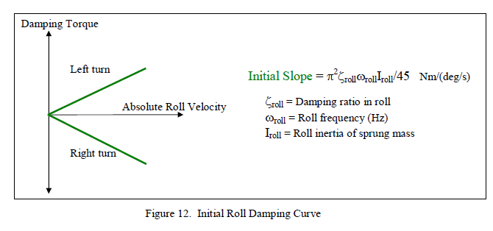
Critical damping - front+rear (One side damper) | 16604 | N/(m/s)

 |  |  | split?

Critical damping - front (corner damper) - wb split | 7555 | N/(m/s)
Critical damping - rear (corner damper) | 9049 | N/(m/s)

Critical damping - front (corner damper) - roll k split | 11292 | N/(m/s)
Critical damping - rear (corner damper) | 5312 | N/(m/s)

Roll Damping ratio | 0.40 | -

Pitch mode
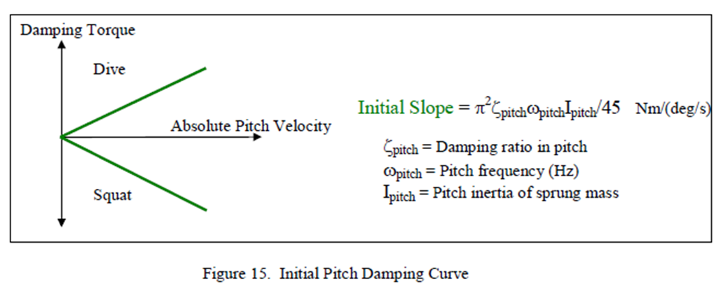
Pitch constants | Value | Unit |  | Setup evaluation | Value | Unit
Average pitch stiffness - 0 km/h | 34402 | Nm/deg |  | Front displ. Ratio - 0 km/h | 0.40 | -
Average pitch stiffness - 80 km/h | 34402 | Nm/deg |  | Front displ. Ratio - 80 km/h | 0.40 | -
Average pitch stiffness - 160 km/h | 34402 | Nm/deg |  | Front displ. Ratio - 160 km/h | 0.39 | -
Average pitch stiffness - 240 km/h | 35693 | Nm/deg |  | Front displ. Ratio - 240 km/h | 0.46 | -
Average pitch stiffness - 320 km/h | 35693 | Nm/deg |  | Front displ. Ratio - 320 km/h | 0.46 | -

1-dof nat. freq. - 0 km/h | 5.77 | Hz |  | Damping constant - 0 km/h | 2315 | N/(m/s)
1-dof nat. freq. - 80 km/h | 5.77 | Hz
1-dof nat. freq. - 160 km/h | 5.77 | Hz
1-dof nat. freq. - 240 km/h | 5.88 | Hz
1-dof nat. freq. - 320 km/h | 5.88 | Hz

Critical damping - 0 km/h | 1897 | Nm/(deg/s)
Critical damping - 80 km/h | 1897 | Nm/(deg/s)
Critical damping - 160 km/h | 1897 | Nm/(deg/s)
Critical damping - 240 km/h | 1933 | Nm/(deg/s)
Critical damping - 320 km/h | 1933 | Nm/(deg/s)

Damping ratio - 0 km/h | 0.74 | - | ? | Not really sure, shouldn't we distribute the pitch movement between front and rear, instead of a simple average?
Damping ratio - 80 km/h | 0.74 | - | ?
Damping ratio - 160 km/h | 0.74 | - | ?
Damping ratio - 240 km/h | 0.73 | - | ?
Damping ratio - 320 km/h | 0.73 | - | ?

Critical damping - 0 km/h - front | 10038 | N/(m/s)
Critical damping - 0 km/h - front | 5019 | N/(m/s)
Critical damping - 0 km/h - front | 5019 | N/(m/s)
Critical damping - 0 km/h - front | 5112 | N/(m/s)
Critical damping - 0 km/h - front | 5112 | N/(m/s)

Critical damping - 0 km/h - rear | 6012 | N/(m/s)
Critical damping - 0 km/h - rear | 6012 | N/(m/s)
Critical damping - 0 km/h - rear | 6012 | N/(m/s)
Critical damping - 0 km/h - rear | 6124 | N/(m/s)
Critical damping - 0 km/h - rear | 6124 | N/(m/s)

Damping ratio - 0 km/h - front |  | -
Damping ratio - 80 km/h - front |  | -
Damping ratio - 160 km/h - front |  | -
Damping ratio - 240 km/h - front |  | -
Damping ratio - 320 km/h - front |  | -

Damping ratio - 0 km/h - rear |  | -
Damping ratio - 80 km/h - rear |  | -
Damping ratio - 160 km/h - rear |  | -
Damping ratio - 240 km/h - rear |  | -
Damping ratio - 320 km/h - rear |  | -

Base setup - First Request
C [kN/(m/s)] |  |  |  |  | LS Vel | 50 | Damper curves [N] |  |  |  |  |  |  | vi-grade curves (negative compression)
 | LSC | HSC | LSR | HSR | HS Vel | 250 | Velocity | Front Lat. | Front C. | Rear Lat. | Rear C. |  | -250 | #REF! | #REF! | #REF! | #REF!
Front Lateral | #REF! | #REF! | #REF! | #REF! |  |  | 250 | #REF! | #REF! | #REF! | #REF! | rebound | -150 | #REF! | #REF! | #REF! | #REF!
Front Central | #REF! | #REF! | #REF! | #REF! | Factor central dampers |  | 50 | #REF! | #REF! | #REF! | #REF! |  | -50 | #REF! | #REF! | #REF! | #REF!
 |  |  |  |  | LS | HS | 0 | 0 | 0 | 0 | 0 |  | 0 | 0 | 0 | 0 | 0
Rear Lateral | #REF! | #REF! | #REF! | #REF! | 2 | 1 | 50 | #REF! | #REF! | #REF! | #REF! |  | 50 | #REF! | #REF! | #REF! | #REF!
Rear Central | #REF! | #REF! | #REF! | #REF! | Factor side dampers |  | 250 | #REF! | #REF! | #REF! | #REF! | compression | 150 | #REF! | #REF! | #REF! | #REF!
 |  |  |  |  | LS | HS |  |  |  |  |  |  | 250 | #REF! | #REF! | #REF! | #REF!
 |  |  |  |  | 3 | 1.5 | Damper curves with motion ratio [N]
Combined C [kN/(m/s)] |  |  |  |  |  |  | MR | 0.74 | 1.2 | 0.8 | 0.87
Front Heave | #REF! | #REF! | #REF! | #REF! |  |  | Velocity | Front Lat. | Front C. | Rear Lat. | Rear C.
Rear Heave | #REF! | #REF! | #REF! | #REF! |  |  | 250 | #REF! | #REF! | #REF! | #REF!
 |  |  |  |  |  |  | 50 | #REF! | #REF! | #REF! | #REF!
Roll | #REF! | #REF! |  |  |  |  | 0 | 0 | 0 | 0 | 0
 |  |  |  |  |  |  | 50 | #REF! | #REF! | #REF! | #REF!
Single wheel F | #REF! | #REF! | #REF! | #REF! |  |  | 250 | #REF! | #REF! | #REF! | #REF!
Single wheel R | #REF! | #REF! | #REF! | #REF!
Base setup

Damping Ratio ζ @160km/h
Front Heave | #REF! | #REF! | #REF! | #REF!
Rear Heave | #REF! | #REF! | #REF! | #REF!

Roll | #REF! | #REF!

Single wheel F | #REF! | #REF! | #REF! | #REF!
Single wheel R | #REF! | #REF! | #REF! | #REF!

Base setup

Damping ratio FRF
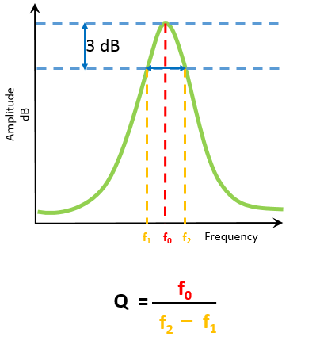
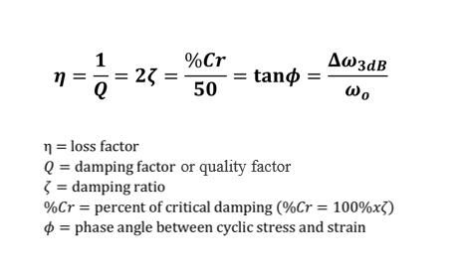

f2 and f1, -3dB (0.707 * amplitude_max)

