ISO Standard
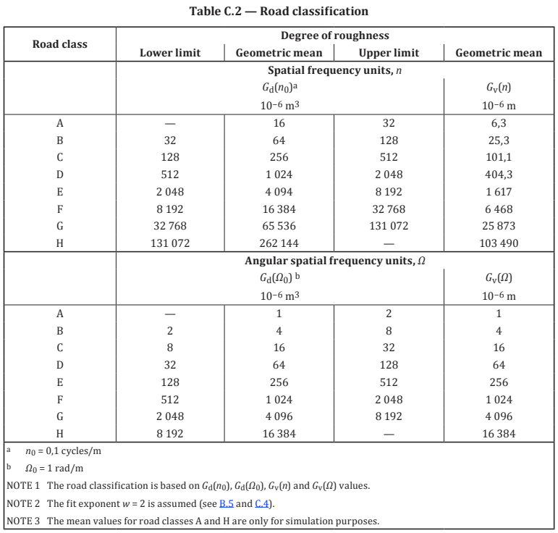
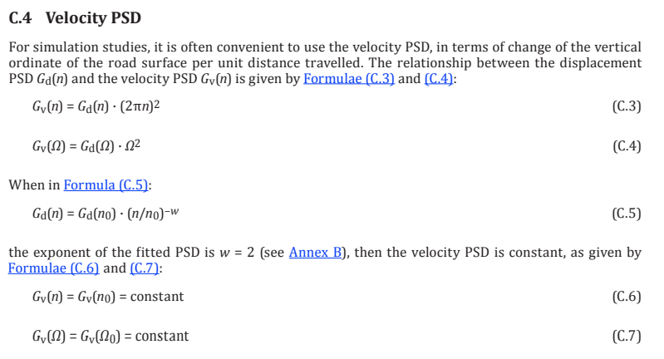
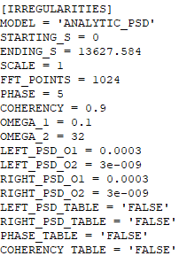
Ω0 | 1 | rad/m | ISO 8608:2016 | VI-Road Parameters
Gd(Ω0) | 3 | 10^-6 m3
w | 2 | -

Ω [rad/m] | Gd(Ω)
0.1 | 0.0003
32 | 2.9E-09

