Thesis_AdimensionalMaps
Max Power | 547.37 | kW
Max Torque | 800 | Nm
REV Limit | 7750 | RPM |  |  |  |  |  |  |  |  |  |  |  |  |  | Original Maps

21VALT05 (FROM DYNO DATA 063) |  | FULL LOAD |  |  |  |  |  |  |  |  |  |  |  |  |  |  | 21VALT05 (FROM DYNO DATA 063) |  | FULL LOAD

RPM | 51.6% | 54.8% | 58.1% | 61.3% | 64.5% | 67.7% | 71.0% | 74.2% | 77.4% | 80.6% | 83.9% | 87.1% | 90.3% | 93.5% | 96.8% |  | RPM | 4000 | 4250 | 4500 | 4750 | 5000 | 5250 | 5500 | 5750 | 6000 | 6250 | 6500 | 6750 | 7000 | 7250 | 7500
mfuel [kg/h] | 57.65 | 65.022 | 73.168 | 82.26 | 90.66 | 101.653 | 109.17 | 115.38 | 123.98 | 128.25 | 135.102 | 137.23 | 136.43 | 138.66 | 137.9 |  | mfuel [kg/h] | 57.65 | 65.022 | 73.168 | 82.26 | 90.66 | 101.653 | 109.17 | 115.38 | 123.98 | 128.25 | 135.102 | 137.23 | 136.43 | 138.66 | 137.9
mfuel [kg/s] | 0.0160 | 0.0181 | 0.0203 | 0.0229 | 0.0252 | 0.0282 | 0.0303 | 0.0321 | 0.0344 | 0.0356 | 0.0375 | 0.0381 | 0.0379 | 0.0385 | 0.0383 |  | mfuel [kg/s] | 0.0160139 | 0.0180617 | 0.0203244 | 0.0228500 | 0.0251833 | 0.0282369 | 0.0303250 | 0.0320500 | 0.0344389 | 0.0356250 | 0.0375283 | 0.0381194 | 0.0378972 | 0.0385167 | 0.0383056
Torque [Nm]/MaxTorque | 0.782 | 0.823 | 0.865 | 0.891 | 0.901 | 0.944 | 0.954 | 0.953 | 0.979 | 0.977 | 0.979 | 0.960 | 0.919 | 0.898 | 0.850 |  | EngineTorque [Nm] | 625.6 | 658.4 | 691.8 | 713.1 | 720.9 | 755.1 | 763.5 | 762.8 | 782.9 | 781.2 | 783.1 | 767.6 | 734.9 | 718.1 | 680
Power [kW]/MaxPower | 0.479 | 0.535 | 0.595 | 0.648 | 0.689 | 0.758 | 0.803 | 0.839 | 0.898 | 0.934 | 0.973 | 0.991 | 0.984 | 0.996 | 0.975 |  | Engine Power [kW] | 261.9 | 292.9 | 325.8 | 354.5 | 377.3 | 414.9 | 439.5 | 459.1 | 491.7 | 511.0 | 532.8 | 542.3 | 538.4 | 544.9 | 533.8
bSFC [g/kWh] | 220.1 | 222.0 | 224.6 | 232.0 | 240.3 | 245.0 | 248.4 | 251.3 | 252.2 | 251.0 | 253.6 | 253.0 | 253.4 | 254.5 | 258.3 |  | bSFC [g/kWh] | 220.1 | 222.0 | 224.6 | 232.0 | 240.3 | 245.0 | 248.4 | 251.3 | 252.2 | 251.0 | 253.6 | 253.0 | 253.4 | 254.5 | 258.3

R060-Map improved after knock control |  | FULL LOAD |  |  |  |  |  |  |  |  |  |  |  |  |  |  | R060-Map improved after knock control |  | FULL LOAD

RPM/REV_Lim | 51.6% | 54.8% | 58.1% | 61.3% | 64.5% | 67.7% | 71.0% | 74.2% | 77.4% | 80.6% | 83.9% | 87.1% | 90.3% | 93.5% | 96.8% |  | RPM | 4000 | 4250 | 4500 | 4750 | 5000 | 5250 | 5500 | 5750 | 6000 | 6250 | 6500 | 6750 | 7000 | 7250 | 7500
mfuel [kg/h] | 57.0 | 62.2 | 69.7 | 77.4 | 86.8 | 94.9 | 102.1 | 109.0 | 113.3 | 119.1 | 124.2 | 129.2 | 131.4 | 131.9 | 134.6 |  | mfuel [kg/h] | 57.0 | 62.2 | 69.7 | 77.4 | 86.8 | 94.9 | 102.1 | 109.0 | 113.3 | 119.1 | 124.2 | 129.2 | 131.4 | 131.9 | 134.6
mfuel [kg/s] | 0.0158 | 0.0173 | 0.0194 | 0.0215 | 0.0241 | 0.0263 | 0.0284 | 0.0303 | 0.0315 | 0.0331 | 0.0345 | 0.0359 | 0.0365 | 0.0366 | 0.0374 |  | mfuel [kg/s] | 0.0158267 | 0.0172908 | 0.0193631 | 0.0214914 | 0.0241025 | 0.0263486 | 0.0283600 | 0.0302747 | 0.0314697 | 0.0330889 | 0.0345131 | 0.0358856 | 0.0364872 | 0.0366383 | 0.0373986
Torque [Nm]/MaxTorque | 0.786 | 0.795 | 0.839 | 0.865 | 0.897 | 0.925 | 0.949 | 0.963 | 0.970 | 0.969 | 0.961 | 0.955 | 0.925 | 0.897 | 0.874 |  | TORQUE DYNO [Nm] | 629.0 | 635.8 | 671.4 | 692.1 | 717.5 | 739.7 | 759.3 | 770.0 | 775.8 | 775.2 | 768.8 | 764.3 | 740.2 | 717.5 | 699.0
Power [kW]/MaxPower | 0.481 | 0.517 | 0.578 | 0.629 | 0.686 | 0.743 | 0.799 | 0.847 | 0.890 | 0.926 | 0.956 | 0.986 | 0.991 | 0.995 | 1.002 |  | POWER DYNO [kW] | 263.3 | 282.8 | 316.2 | 344.1 | 375.5 | 406.5 | 437.1 | 463.4 | 487.2 | 507.1 | 523.0 | 540.0 | 542.3 | 544.5 | 548.7
BSFC DYNO [g/kWh] | 216.4 | 220.1 | 220.4 | 224.9 | 231.1 | 233.4 | 233.6 | 235.2 | 232.5 | 234.9 | 237.5 | 239.2 | 242.2 | 242.3 | 245.4 |  | BSFC DYNO [g/kWh] | 216.4 | 220.1 | 220.4 | 224.9 | 231.1 | 233.4 | 233.6 | 235.2 | 232.5 | 234.9 | 237.5 | 239.2 | 242.2 | 242.3 | 245.4

bSFC Improvement % | FULL LOAD |  |  |  |  |  |  |  |  |  |  |  |  |  |  | AVG
 | -1.70% | -0.86% | -1.84% | -3.09% | -3.84% | -4.74% | -5.96% | -6.42% | -7.79% | -6.40% | -6.32% | -5.45% | -4.41% | -4.80% | -5.02% | -4.58%

Pre-Knock vs Post-Knock calibration

21VALT05 (FROM DYNO DATA 063) |  | FULL LOAD

RPM/REV_Lim | 51.6% | 58.1% | 64.5% | 71.0% | 77.4% | 83.9% | 90.3% | 96.8%
mfuel [kg/h] | 57.65 | 73.168 | 90.66 | 109.17 | 123.98 | 135.102 | 136.43 | 137.9
mfuel [kg/s] | 0.0160 | 0.0203 | 0.0252 | 0.0303 | 0.0344 | 0.0375 | 0.0379 | 0.0383
Torque [Nm]/MaxTorque | 0.782 | 0.86475 | 0.901125 | 0.954375 | 0.978625 | 0.978875 | 0.918625 | 0.85
Power [kW]/MaxPower | 0.47850379487 | 0.59528059615 | 0.68924509615 | 0.80297197115 | 0.89822719231 | 0.97332804167 | 0.98368249359 | 0.97521153846
bSFC [g/kWh] | 220.1 | 224.6 | 240.3 | 248.4 | 252.2 | 253.6 | 253.4 | 258.3

VAL21T05 Engine Map (Matlab script)

RPM/REV_Lim | 51.6% | 58.1% | 64.5% | 71.0% | 77.4% | 83.9% | 90.3% | 96.8%
mfuel [kg/h] | 49.264068234 | 76.515218691 | 99.280050202 | 117.55856277 | 131.35075639 | 140.65663106 | 145.47618678 | 145.80942356
mfuel [kg/s] | 0.0137 | 0.0213 | 0.0276 | 0.0327 | 0.0365 | 0.0391 | 0.0404 | 0.0405
Torque [Nm]/MaxTorque
Power [kW]/MaxPower | 54.512 | 154.630 | 186.533 | 259.011 | 319.026 | 489.007 | 515.446 | 501.583
bSFC [g/kWh] | 903.7 | 494.8 | 532.2 | 453.9 | 411.7 | 287.6 | 282.2 | 290.7

bSFC Delta % | 310.6% | 120.4% | 121.5% | 82.7% | 63.3% | 13.4% | 11.4% | 12.5%

Canopy_dmFuelMaps
BEFORE BANCAGE

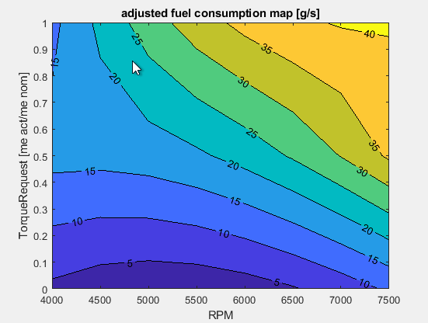
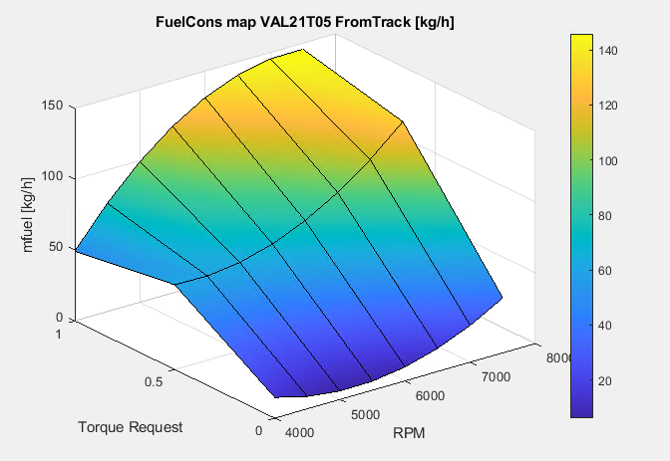
VAL21T05 Map (Track data)
 |  | Already on Canopy |  |  |  |  | FOR --> LUT_fuelflow_VAL21T05_FromTrack |  |  |  |  | FOR --> LUT_fuelflow_VAL21T05 |  |  |  |  |  |  |  | FOR --> LUT_fuelflow_V16 |  |  |  | Post-Knock
 |  | Canopy dmFuelMapData (pre VAL21T05) |  |  |  |  | Canopy dmFuelMapData (on data of VAL21T05) |  |  |  |  | Canopy dmFuelMapData (Pre-knock Dyno data) |  |  |  |  |  |  |  | Canopy dmFuelMapData (From PIPO Dyno run 060)
 |  |  |  |  |  |  |  |  | me_act/me_max |  |  |  |  | me_act/me_max
 |  | RPM | rad/s | request | dm_Fuel [kg/s] |  | RPM | rad/s | request | dm_Fuel [kg/s] |  | RPM | rad/s | request | dm_Fuel [kg/s] |  |  |  |  | RPM | rad/s | request | dm_Fuel [kg/s] |  | kg/s | 4000 | 4500 | 5000 | 5500 | 6000 | 6500 | 7000 | 7500
 |  | 4000 | 418.879 | 0 | 0 |  | 4000 | 418.88 | 0.0 | 0.004071 |  | 4000 | 418.879 | 0 | 0.004071 |  |  |  |  | 4000 | 418.879 | 0.33 | 0.006147 |  | 0.33 | 0.0061472222222 | 0.0079222222222 | 0.0099083333333 | 0.011447777778 | 0.012980555556 | 0.014161111111 | 0.015027222222 | 0.016054166667
 |  | 4000 | 418.87902048 | 0.5 | 0.009796 |  | 4000 | 418.88 | 0.5 | 0.016642 |  | 4000 | 418.879 | 0.33 | 0.006106 |  |  |  |  | 4000 | 418.879 | 0.66 | 0.010001 |  | 0.66 | 0.010000555556 | 0.013619444444 | 0.016152777778 | 0.017749722222 | 0.0208875 | 0.023302777778 | 0.023858055556 | 0.024995555556
 |  | 4000 | 418.87902048 | 1 | 0.019592 |  | 4000 | 418.88 | 1.0 | 0.013684 |  | 4000 | 418.879 | 1 | 0.016014 |  |  |  |  | 4000 | 418.879 | 1.00 | 0.015827 |  | 1 | 0.015826666667 | 0.019363055556 | 0.0241025 | 0.02836 | 0.031469722222 | 0.034513055556 | 0.036487222222 | 0.037398611111
 |  | 4500 | 471.23889804 | 0 | 0 |  | 4500 | 471.24 | 0.0 | 0.002447 |  | 4500 | 471.239 | 0 | 0.002447 |  |  |  |  | 4500 | 471.239 | 0.33 | 0.007922
 |  | 4500 | 471.23889804 | 0.5 | 0.011864 |  | 4500 | 471.24 | 0.5 | 0.016525 |  | 4500 | 471.239 | 0.33 | 0.007925 |  |  |  |  | 4500 | 471.239 | 0.66 | 0.013619
 |  | 4500 | 471.23889804 | 1 | 0.023728 |  | 4500 | 471.24 | 1.0 | 0.021254 |  | 4500 | 471.239 | 1 | 0.020324 |  |  |  |  | 4500 | 471.239 | 1.00 | 0.019363 |  | kg/h | 4000 | 4500 | 5000 | 5500 | 6000 | 6500 | 7000 | 7500
 |  | 5000 | 523.5987756 | 0 | 0 |  | 5000 | 523.60 | 0.0 | 0.001684 |  | 5000 | 523.599 | 0 | 0.001684 |  |  |  |  | 5000 | 523.599 | 0.33 | 0.009908 |  | 0.33 | 22.13 | 28.52 | 35.67 | 41.212 | 46.73 | 50.98 | 54.098 | 57.795
 |  | 5000 | 523.5987756 | 0.5 | 0.013828 |  | 5000 | 523.60 | 0.5 | 0.017359 |  | 5000 | 523.599 | 0.33 | 0.009892 |  |  |  |  | 5000 | 523.599 | 0.66 | 0.016153 |  | 0.66 | 36.002 | 49.03 | 58.15 | 63.899 | 75.195 | 83.89 | 85.889 | 89.984
 |  | 5000 | 523.5987756 | 1 | 0.027656 |  | 5000 | 523.60 | 1.0 | 0.027578 |  | 5000 | 523.599 | 1 | 0.025183 |  |  |  |  | 5000 | 523.599 | 1.00 | 0.024103 |  | 1 | 56.976 | 69.707 | 86.769 | 102.096 | 113.291 | 124.247 | 131.354 | 134.635
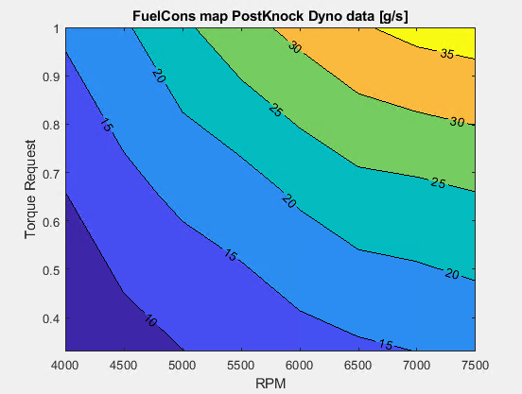
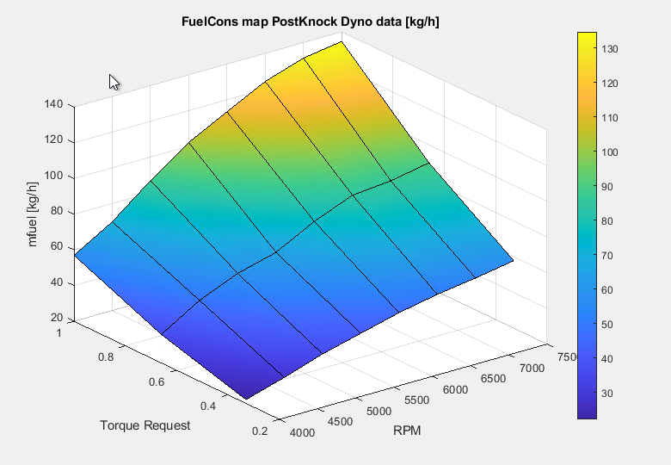
PostKnock Map (Dyno data run060)
 |  | 5500 | 575.95865316 | 0 | 0 |  | 5500 | 575.96 | 0.0 | 0.001782 |  | 5500 | 575.959 | 0 | 0.001782 |  |  |  |  | 5500 | 575.959 | 0.33 | 0.011448
 |  | 5500 | 575.95865316 | 0.5 | 0.016044 |  | 5500 | 575.96 | 0.5 | 0.019146 |  | 5500 | 575.959 | 0.33 | 0.011439 |  |  |  |  | 5500 | 575.959 | 0.66 | 0.017750
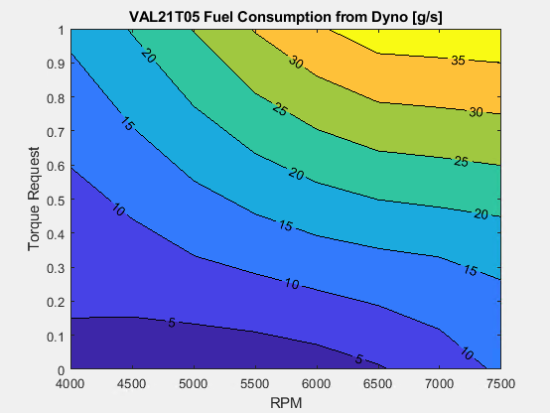
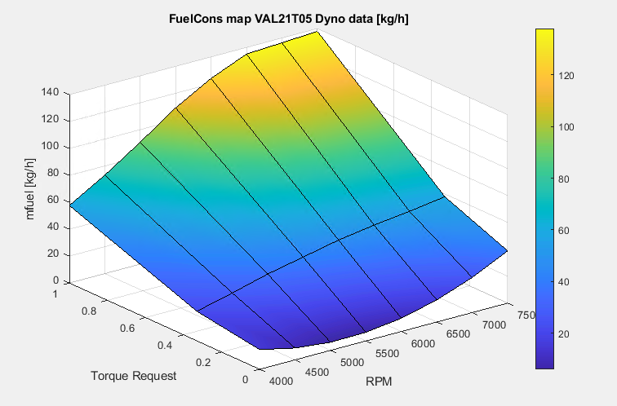
VAL21T05 Map (Dyno data run063)
 |  | 5500 | 575.95865316 | 1 | 0.032089 |  | 5500 | 575.96 | 1.0 | 0.032655 |  | 5500 | 575.959 | 1 | 0.030325 |  |  |  |  | 5500 | 575.959 | 1.00 | 0.028360
 |  | 6000 | 628.31853072 | 0 | 0 |  | 6000 | 628.32 | 0.0 | 0.002742 |  | 6000 | 628.319 | 0 | 0.002742 |  |  |  |  | 6000 | 628.319 | 0.33 | 0.012981
 |  | 6000 | 628.31853072 | 0.5 | 0.01786 |  | 6000 | 628.32 | 0.5 | 0.021885 |  | 6000 | 628.319 | 0.33 | 0.013000 |  |  |  |  | 6000 | 628.319 | 0.66 | 0.020888
 |  | 6000 | 628.31853072 | 1 | 0.035719 |  | 6000 | 628.32 | 1.0 | 0.036486 |  | 6000 | 628.319 | 1 | 0.034439 |  |  |  |  | 6000 | 628.319 | 1.00 | 0.031470
 |  | 6500 | 680.67840828 | 0 | 0 |  | 6500 | 680.68 | 0.0 | 0.004563 |  | 6500 | 680.678 | 0 | 0.004563 |  |  |  |  | 6500 | 680.678 | 0.33 | 0.014161
 |  | 6500 | 680.67840828 | 0.5 | 0.019232 |  | 6500 | 680.68 | 0.5 | 0.025575 |  | 6500 | 680.678 | 0.33 | 0.014129 |  |  |  |  | 6500 | 680.678 | 0.66 | 0.023303
 |  | 6500 | 680.67840828 | 1 | 0.038464 |  | 6500 | 680.68 | 1.0 | 0.039071 |  | 6500 | 680.678 | 1 | 0.037528 |  |  |  |  | 6500 | 680.678 | 1.00 | 0.034513
 |  | 7000 | 733.03828584 | 0 | 0 |  | 7000 | 733.04 | 0.0 | 0.007246 |  | 7000 | 733.038 | 0 | 0.007246 |  |  |  |  | 7000 | 733.038 | 0.33 | 0.015027
 |  | 7000 | 733.03828584 | 0.5 | 0.020372 |  | 7000 | 733.04 | 0.5 | 0.030218 |  | 7000 | 733.038 | 0.33 | 0.015025 |  |  |  |  | 7000 | 733.038 | 0.66 | 0.023858
 |  | 7000 | 733.03828584 | 1 | 0.040744 |  | 7000 | 733.04 | 1.0 | 0.040410 |  | 7000 | 733.038 | 1 | 0.037897 |  |  |  |  | 7000 | 733.038 | 1.00 | 0.036487
 |  | 7500 | 785.3981634 | 0 | 0 |  | 7500 | 785.40 | 0.0 | 0.010790 |  | 7500 | 785.398 | 0 | 0.010790 |  |  |  |  | 7500 | 785.398 | 0.33 | 0.016054
 |  | 7500 | 785.3981634 | 0.5 | 0.0209 |  | 7500 | 785.40 | 0.5 | 0.035813 |  | 7500 | 785.398 | 0.33 | 0.016089 |  |  |  |  | 7500 | 785.398 | 0.66 | 0.024996
 |  | 7500 | 785.3981634 | 1 | 0.0418 |  | 7500 | 785.40 | 1.0 | 0.040503 |  | 7500 | 785.398 | 1 | 0.038306 |  |  |  |  | 7500 | 785.398 | 1.00 | 0.037399

 |  |  |  |  |  |  |  |  |  |  |  |  |  |  |  |  |  |  |  | R060-Map improved after knock control |  | FULL LOAD | Matt's Version

 |  |  |  |  |  |  |  |  |  |  |  |  |  |  |  |  |  |  |  | RPM | 4000 | 4250 | 4500 | 4750 | 5000 | 5250 | 5500 | 5750 | 6000 | 6250 | 6500 | 6750 | 7000 | 7250 | 7500
 | VAL21T05 Engine Map (Matlab script) |  |  |  |  |  |  |  |  |  |  |  |  |  |  |  |  |  |  | mfuel [kg/h] | 57.0 | 62.2 | 69.7 | 77.4 | 86.8 | 94.9 | 102.1 | 109.0 | 113.3 | 119.1 | 124.2 | 129.2 | 131.4 | 131.9 | 134.6
 |  |  |  |  |  |  |  |  |  |  |  |  |  |  |  |  |  |  |  | mfuel [kg/s] | 0.0158267 | 0.0172908 | 0.0193631 | 0.0214914 | 0.0241025 | 0.0263486 | 0.0283600 | 0.0302747 | 0.0314697 | 0.0330889 | 0.0345131 | 0.0358856 | 0.0364872 | 0.0366383 | 0.0373986
 | RPM | 4000 | 4500 | 5000 | 5500 | 6000 | 6500 | 7000 | 7500 |  |  |  |  |  |  |  |  |  |  | TORQUE DYNO [Nm] | 629.0 | 635.8 | 671.4 | 692.1 | 717.5 | 739.7 | 759.3 | 770.0 | 775.8 | 775.2 | 768.8 | 764.3 | 740.2 | 717.5 | 699.0
 | mfuel [kg/h] | 49.264068234 | 76.515218691 | 99.280050202 | 117.55856277 | 131.35075639 | 140.65663106 | 145.47618678 | 145.80942356 |  |  |  |  |  |  |  |  |  |  | POWER DYNO [kW] | 263.3 | 282.8 | 316.2 | 344.1 | 375.5 | 406.5 | 437.1 | 463.4 | 487.2 | 507.1 | 523.0 | 540.0 | 542.3 | 544.5 | 548.7
 | mfuel [kg/s] | 0.013684 | 0.021254 | 0.027578 | 0.032655 | 0.036486 | 0.039071 | 0.040410 | 0.040503 |  |  |  |  |  |  |  |  |  |  | BSFC DYNO [g/kWh] | 216.4 | 220.1 | 220.4 | 224.9 | 231.1 | 233.4 | 233.6 | 235.2 | 232.5 | 234.9 | 237.5 | 239.2 | 242.2 | 242.3 | 245.4
 | EngineTorque [Nm]
 | EnginePower [kW] | 54.512 | 154.630 | 186.533 | 259.011 | 319.026 | 489.007 | 515.446 | 501.583
 | bSFC [g/kWh] | 903.73459738 | 494.82719168 | 532.23756319 | 453.8749737 | 411.72434379 | 287.63742749 | 282.23381009 | 290.69863793 |  |  |  |  |  |  |  |  |  |  | bSFC Improvement % | FULL LOAD |  |  |  |  |  |  |  |  |  |  |  |  |  |  | AVG
 |  |  |  |  |  |  |  |  |  |  |  |  |  |  |  |  |  |  |  |  | -1.70% | -0.86% | -1.84% | -3.09% | -3.84% | -4.74% | -5.96% | -6.42% | -7.79% | -6.40% | -6.32% | -5.45% | -4.41% | -4.80% | -5.02% | -4.58%
 | 21VALT05 (FROM DYNO DATA 063) |  | FULL LOAD | Matt's Version

Fuel mass flow rate vs RPM
Torque/Power Curve + bSFC
 | RPM | 4000 | 4250 | 4500 | 4750 | 5000 | 5250 | 5500 | 5750 | 6000 | 6250 | 6500 | 6750 | 7000 | 7250 | 7500
 | mfuel [kg/h] | 57.65 | 65.022 | 73.168 | 82.26 | 90.66 | 101.653 | 109.17 | 115.38 | 123.98 | 128.25 | 135.102 | 137.23 | 136.43 | 138.66 | 137.9
 | mfuel [kg/s] | 0.0160139 | 0.0180617 | 0.0203244 | 0.0228500 | 0.0251833 | 0.0282369 | 0.0303250 | 0.0320500 | 0.0344389 | 0.0356250 | 0.0375283 | 0.0381194 | 0.0378972 | 0.0385167 | 0.0383056
 | EngineTorque [Nm] | 625.6 | 658.4 | 691.8 | 713.1 | 720.9 | 755.1 | 763.5 | 762.8 | 782.9 | 781.2 | 783.1 | 767.6 | 734.9 | 718.1 | 680
 | Engine Power [kW] | 261.9 | 292.9 | 325.8 | 354.5 | 377.3 | 414.9 | 439.5 | 459.1 | 491.7 | 511.0 | 532.8 | 542.3 | 538.4 | 544.9 | 533.8
 | bSFC [g/kWh] | 220.1 | 222.0 | 224.6 | 232.0 | 240.3 | 245.0 | 248.4 | 251.3 | 252.2 | 251.0 | 253.6 | 253.0 | 253.4 | 254.5 | 258.3

 | 21VALT05 (FROM TRACK DATA) |  | RELEASE | (ANTILAG Contribution to fuel consumption) |  |  |  | Matt's Version

 | RPM | 4000 | 4250 | 4500 | 4750 | 5000 | 5250 | 5500 | 5750 | 6000 | 6250 | 6500 | 6750 | 7000 | 7250 | 7500
 | mfuel [kg/h] | 8.8843333333 | 9.7515 | 11.489 | 11.443 | 13.679166667 | 13.885333333 | 15.3995 | 20.67
 | mfuel [kg/s] | 0.0024679 | 0.0027088 | 0.0031914 | 0.0031786 | 0.0037998 | 0.0038570 | 0.0042776 | 0.0057417
 | EngineTorque [Nm] | -5.2013333333 | -7.789 | -10.6885 | -12.911 | -11.494 | -19.948666667 | -32.835 | -30.893
 | Engine Power [kW] | -1.917 | -1.78 | -4.8005 | -7.0215 | -5.8653333333 | -11.458333333 | -19.463 | -18.998
 | bSFC [g/kWh] | 4634.5 | 5478.4 | 2393.3 | 1629.7 | 2332.2 | 1211.8 | 791.2 | 1088.0

 | kg/s | 0 | 0.33 | 1 |  | kg/h | 0 | 0.33 | 1 |  | kg/h | 4000 | 4500 | 5000 | 5500 | 6000 | 6500 | 7000 | 7500
 | 4000 | 0.004071 | 0.006106 | 0.016014 |  | 4000 | 14.657 | 21.980 | 57.650 |  | 0.000 | 14.657 | 8.809 | 6.062 | 6.417 | 9.872 | 16.428 | 26.086 | 38.844
 | 4500 | 0.002447 | 0.007925 | 0.020324 |  | 4500 | 8.809 | 28.530 | 73.168 |  | 0.330 | 21.980 | 28.530 | 35.610 | 41.180 | 46.800 | 50.864 | 54.090 | 57.920
 | 5000 | 0.001684 | 0.009892 | 0.025183 |  | 5000 | 6.062 | 35.610 | 90.660 |  | 1.000 | 57.650 | 73.168 | 90.660 | 109.170 | 123.980 | 135.102 | 136.430 | 137.900
 | 5500 | 0.001782 | 0.011439 | 0.030325 |  | 5500 | 6.417 | 41.180 | 109.170
 | 6000 | 0.002742 | 0.013000 | 0.034439 |  | 6000 | 9.872 | 46.800 | 123.980
 | 6500 | 0.004563 | 0.014129 | 0.037528 |  | 6500 | 16.428 | 50.864 | 135.102
 | 7000 | 0.007246 | 0.015025 | 0.037897 |  | 7000 | 26.086 | 54.090 | 136.430
 | 7500 | 0.010790 | 0.016089 | 0.038306 |  | 7500 | 38.844 | 57.920 | 137.900

Torque/Power Curve + bSFC

PreVSPost-Bancage
Torque/Power Curves PreVSPost DynoKnockControl Session
PRE | 21VALT05 (FROM DYNO DATA Run 063) |  |  | FULL LOAD | Matt's Version

 | RPM | 3750 | 4000 | 4250 | 4500 | 4750 | 5000 | 5250 | 5500 | 5750 | 6000 | 6250 | 6500 | 6750 | 7000 | 7250 | 7500
 | mfuel [kg/h] | 51.16 | 57.65 | 65.022 | 73.168 | 82.26 | 90.66 | 101.653 | 109.17 | 115.38 | 123.98 | 128.25 | 135.102 | 137.23 | 136.43 | 138.66 | 137.9
 | mfuel [kg/s] | 0.0142111 | 0.0160139 | 0.0180617 | 0.0203244 | 0.0228500 | 0.0251833 | 0.0282369 | 0.0303250 | 0.0320500 | 0.0344389 | 0.0356250 | 0.0375283 | 0.0381194 | 0.0378972 | 0.0385167 | 0.0383056
 | EngineTorque [Nm] | 595.3 | 625.6 | 658.4 | 691.8 | 713.1 | 720.9 | 755.1 | 763.5 | 762.8 | 782.9 | 781.2 | 783.1 | 767.6 | 734.9 | 718.1 | 680
 | Engine Power [kW] | 233.7 | 261.9 | 292.9 | 325.8 | 354.5 | 377.3 | 414.9 | 439.5 | 459.1 | 491.7 | 511.0 | 532.8 | 542.3 | 538.4 | 544.9 | 533.8
 | bSFC [g/kWh] | 219.0 | 220.1 | 222.0 | 224.6 | 232.0 | 240.3 | 245.0 | 248.4 | 251.3 | 252.2 | 251.0 | 253.6 | 253.0 | 253.4 | 254.5 | 258.3

POST | R060-Map improved after knock control |  |  | FULL LOAD | Matt's Version

 | RPM | 3750 | 4000 | 4250 | 4500 | 4750 | 5000 | 5250 | 5500 | 5750 | 6000 | 6250 | 6500 | 6750 | 7000 | 7250 | 7500
 | mfuel [kg/h] | 50.0 | 57.0 | 62.2 | 69.7 | 77.4 | 86.8 | 94.9 | 102.1 | 109.0 | 113.3 | 119.1 | 124.2 | 129.2 | 131.4 | 131.9 | 134.6
 | mfuel [kg/s] | 0.0138911 | 0.0158267 | 0.0172908 | 0.0193631 | 0.0214914 | 0.0241025 | 0.0263486 | 0.0283600 | 0.0302747 | 0.0314697 | 0.0330889 | 0.0345131 | 0.0358856 | 0.0364872 | 0.0366383 | 0.0373986
 | TORQUE DYNO [Nm] | 588.5 | 629.0 | 635.8 | 671.4 | 692.1 | 717.5 | 739.7 | 759.3 | 770.0 | 775.8 | 775.2 | 768.8 | 764.3 | 740.2 | 717.5 | 699.0
 | POWER DYNO [kW] | 231.0 | 263.3 | 282.8 | 316.2 | 344.1 | 375.5 | 406.5 | 437.1 | 463.4 | 487.2 | 507.1 | 523.0 | 540.0 | 542.3 | 544.5 | 548.7
 | BSFC DYNO [g/kWh] | 216.5 | 216.4 | 220.1 | 220.4 | 224.9 | 231.1 | 233.4 | 233.6 | 235.2 | 232.5 | 234.9 | 237.5 | 239.2 | 242.2 | 242.3 | 245.4

 | Deltas --> (New-Old)/Old [%]
 |  |  |  |  |  |  |  |  |  |  |  |  |  |  |  |  |  | AVG
 | RPM | 3750 | 4000 | 4250 | 4500 | 4750 | 5000 | 5250 | 5500 | 5750 | 6000 | 6250 | 6500 | 6750 | 7000 | 7250 | 7500
 | mfuel [kg/h] | -2.25% | -1.17% | -4.27% | -4.73% | -5.95% | -4.29% | -6.69% | -6.48% | -5.54% | -8.62% | -7.12% | -8.03% | -5.86% | -3.72% | -4.88% | -2.37% | -5.31%
 | mfuel [kg/s] | -2.25% | -1.17% | -4.27% | -4.73% | -5.95% | -4.29% | -6.69% | -6.48% | -5.54% | -8.62% | -7.12% | -8.03% | -5.86% | -3.72% | -4.88% | -2.37% | -5.31%
 | TORQUE DYNO [Nm] | -1.14% | 0.54% | -3.43% | -2.95% | -2.94% | -0.47% | -2.04% | -0.55% | 0.94% | -0.91% | -0.77% | -1.83% | -0.43% | 0.72% | -0.08% | 2.79% | -0.76%
 | POWER DYNO [kW] | -1.14% | 0.54% | -3.43% | -2.95% | -2.94% | -0.47% | -2.04% | -0.55% | 0.94% | -0.91% | -0.77% | -1.83% | -0.43% | 0.72% | -0.08% | 2.79% | -0.76%
 | BSFC DYNO [g/kWh] | -1.12% | -1.70% | -0.86% | -1.84% | -3.09% | -3.84% | -4.74% | -5.96% | -6.42% | -7.79% | -6.40% | -6.32% | -5.45% | -4.41% | -4.80% | -5.02% | -4.58%

WD_Maps and simulations(INTERP)
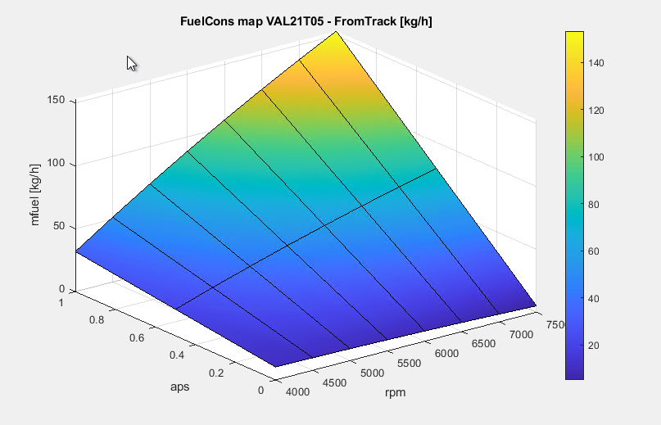
 | WinDarab

 | LUT_fuelflow_V15
 | aps/RPM | 0 | 4000 | 4500 | 5000 | 5500 | 6000 | 6500 | 7000 | 7500 | 8000
 | 0 | 0 | 0 | 0 | 0 | 0 | 0 | 0 | 0 | 0 | 0
 | 1 | 0 | 70.53 | 85.42 | 99.56 | 115.52 | 128.59 | 138.47 | 146.68 | 150.48 | 160.51

 | LUT_fuelflow_VAL21T05 |  | DYNO data
 | aps/RPM | 0 | 4000 | 4500 | 5000 | 5500 | 6000 | 6500 | 7000 | 7500
 | 0 | 0.000 | 10.311 | 9.960 | 9.475 | 8.857 | 8.105 | 7.219 | 6.199 | 5.045
 | 0.5 | 0.000 | 37.305 | 43.630 | 51.338 | 62.329 | 74.402 | 82.059 | 79.600 | 78.573
 | 1 | 0.000 | 64.300 | 77.300 | 93.200 | 115.800 | 140.700 | 156.900 | 153.000 | 152.100

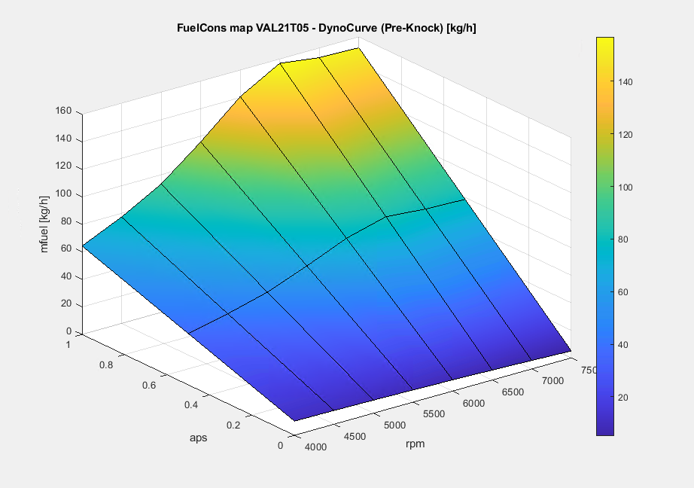
 | LUT_fuelflow_VAL21T05_FromTrack
 | aps/RPM | 0 | 4000 | 4500 | 5000 | 5500 | 6000 | 6500 | 7000 | 7500
 | 0 | 0.000 | 10.311 | 9.960 | 9.475 | 8.857 | 8.105 | 7.219 | 6.199 | 5.045
 | 0.5 | 0.000 | 21.109 | 30.732 | 39.914 | 48.656 | 56.957 | 64.817 | 72.237 | 79.215
 | 1 | 0.000 | 31.907 | 51.504 | 70.353 | 88.455 | 105.809 | 122.415 | 138.274 | 153.386

 | LUT_fuelflow_V16 |  | (Post-Knock) |  | DYNO data
 | aps/RPM | 0 | 4000 | 4500 | 5000 | 5500 | 6000 | 6500 | 7000 | 7500
 | 0 | 0.0000 | 10.3106 | 9.9599 | 9.4754 | 8.8570 | 8.1049 | 7.2189 | 6.1991 | 5.0454
 | 0.5 | 0.0000 | 34.2053 | 39.6409 | 49.1876 | 61.4286 | 63.7525 | 67.7595 | 69.8495 | 71.1727
 | 1 | 0.0000 | 58.1000 | 69.3220 | 88.8998 | 114.0001 | 119.4001 | 128.3000 | 133.4999 | 137.3000

Fasulla | LUT_fuelflow_ARA21T06_FromTrack |  | (Post-Knock)
 | aps/RPM | 0 | 4000 | 4500 | 5000 | 5500 | 6000 | 6500 | 7000 | 7500
 | 0 | 0.0000 | 9.7951 | 9.4619 | 9.0016 | 8.4142 | 7.6996 | 6.8579 | 5.8891 | 4.7932
 | 0.5 | 0.0000 | 20.0535 | 29.1954 | 37.9186 | 46.2232 | 54.1091 | 61.5763 | 68.6249 | 75.2547
 | 1 | 0.0000 | 30.3119 | 48.9289 | 66.8357 | 84.0322 | 100.5186 | 116.2947 | 131.3606 | 145.7163



 |  |  |  |  |  |  | From Track data
 |  |  |  |  |  |  | Matlab Script | DYNO data | DYNO data
 | Lap | Laptime | Fuelcons_lap_FFM [kg] | Fuelcons_lap_DynoVAL21T05 (from Dyno bSFC) [kg] | Fuelcons_lap_Dyno_PostKnock (from Dyno bSFC) [kg] |  | Fuelcons_ VAL21T05_FromTrack | Fuelcons_ V15 | Fuelcons_ VAL21T05 | Fuelcons_V16 (Post-Knock)
 | 20210428_16-49-37_VAL_PT5_FP4_007008_020_01-24-79 |  |  |  |  | Improvement
 | #1 | 0:02:09 | 2.010 | 1.674 | 1.584 | -5.38% | 2.904 | 3.425 | 3.657 | 3.215
 | #2 | 0:01:25 | 1.980 | 1.693 | 1.600 | -5.49% | 2.514 | 2.762 | 3.008 | 2.619
 | #3 | 0:01:26 | 2.032 | 1.731 | 1.637 | -5.42% | 2.798 | 3.055 | 3.307 | 2.887
 | #4 | 0:01:25 | 2.040 | 1.747 | 1.652 | -5.41% | 2.766 | 3.013 | 3.26 | 2.846
 | #5 | 0:01:25 | 2.040 | 1.742 | 1.648 | -5.42% | 2.266 | 2.462 | 2.673 | 2.329
 | #6 | 0:01:25 | 2.048 | 1.753 | 1.658 | -5.39% | 3.085 | 3.374 | 3.653 | 3.185
 | #7 | 0:01:25 | 2.048 | 1.756 | 1.661 | -5.38% | 2.655 | 2.894 | 3.128 | 2.735
 | #8 | 0:01:26 | 2.032 | 1.733 | 1.640 | -5.37% | 2.932 | 3.228 | 3.481 | 3.043
 | #9 | 0:01:25 | 2.055 | 1.742 | 1.648 | -5.34% | 3.205 | 3.504 | 3.788 | 3.311
 | #10 | 0:01:25 | 2.040 | 1.736 | 1.643 | -5.40% | 1.797 | 1.96 | 2.12 | 1.853
 | #11 | 0:01:24 | 2.032 | 1.737 | 1.643 | -5.40% | 2.644 | 2.895 | 3.137 | 2.738
 | #12 | 0:01:25 | 2.055 | 1.739 | 1.646 | -5.35% | 3.68 | 4.032 | 4.357 | 3.81
 | #13 | 0:01:40 | 1.200 | 0.956 | 0.907 | -5.10% | 1.058 | 1.427 | 1.507 | 1.389

 |  | [kg/lap] | 2.037 | 1.737 | 1.643 | Average | Canopy (DynoMapVAL21T05) | Canopy (engineMapFROMTrack)
 |  |  |  |  |  |  | 3.080 | 2.733

FuelConsumption_VAL21T05
Evaluate | Lap | Laptime | Max ffm_fuel_lap [L] | Max fuelcons_lap [L] | Fuelcons_VAL21T05_FromTrack | Fuelcons_ V15 | Fuelcons_ VAL21T05_Dyno [L] | WD_LUT_Fuelcons_V16 (Post-Knock) [L] | ECU correction factor | Max bop_lap_energy_meas [MJ] | Max ffm_fuel_lap_kg | Max engine_energy_intg [MJ] | Transmission efficiency | Average engine bSFC [g/kWh] | Average bSFC at driveshafts [g/kWh]
 | 20210428_16-49-37_VAL_PT5_FP4_007008_020_01-24-79
y | #1 | 0:02:09 | 2.68 | 2.61 | 2.904 | 3.425 | 2.232 | 2.112 | 1.0268 | 22.998 | 2.0100 | 24.118 | 95.4% | 300.0 | 314.6
y | #2 | 0:01:25 | 2.64 | 2.57 | 2.514 | 2.762 | 2.257 | 2.133 | 1.0272 | 23.351 | 1.9800 | 24.19 | 96.5% | 294.7 | 305.3
y | #3 | 0:01:26 | 2.71 | 2.64 | 2.798 | 3.055 | 2.308 | 2.183 | 1.0265 | 23.883 | 2.0325 | 24.749 | 96.5% | 295.6 | 306.4
y | #4 | 0:01:25 | 2.72 | 2.65 | 2.766 | 3.013 | 2.329 | 2.203 | 1.0264 | 24.096 | 2.0400 | 24.958 | 96.5% | 294.3 | 304.8
y | #5 | 0:01:25 | 2.72 | 2.65 | 2.266 | 2.462 | 2.323 | 2.197 | 1.0264 | 24.119 | 2.0400 | 24.867 | 97.0% | 295.3 | 304.5
y | #6 | 0:01:25 | 2.73 | 2.66 | 3.085 | 3.374 | 2.337 | 2.211 | 1.0263 | 24.235 | 2.0475 | 25.006 | 96.9% | 294.8 | 304.1
y | #7 | 0:01:25 | 2.73 | 2.66 | 2.655 | 2.894 | 2.341 | 2.215 | 1.0263 | 24.284 | 2.0475 | 25.151 | 96.6% | 293.1 | 303.5
y | #8 | 0:01:26 | 2.71 | 2.64 | 2.932 | 3.228 | 2.31 | 2.186 | 1.0265 | 24.044 | 2.0325 | 24.763 | 97.1% | 295.5 | 304.3
y | #9 | 0:01:25 | 2.74 | 2.67 | 3.205 | 3.504 | 2.322 | 2.198 | 1.0262 | 24.287 | 2.0550 | 24.981 | 97.2% | 296.1 | 304.6
y | #10 | 0:01:25 | 2.72 | 2.65 | 1.797 | 1.96 | 2.315 | 2.19 | 1.0264 | 24.205 | 2.0400 | 24.871 | 97.3% | 295.3 | 303.4
y | #11 | 0:01:24 | 2.71 | 2.65 | 2.644 | 2.895 | 2.316 | 2.191 | 1.0226 | 24.237 | 2.0325 | 24.962 | 97.1% | 293.1 | 301.9
y | #12 | 0:01:25 | 2.74 | 2.68 | 3.68 | 4.032 | 2.318 | 2.194 | 1.0224 | 24.153 | 2.0550 | 24.958 | 96.8% | 296.4 | 306.3
y | #13 | 0:01:40 | 1.6 | 1.59 | 1.058 | 1.427 | 1.274 | 1.209 | 1.0063 | 13.6114 | 1.2000 | 14.052 | 96.9% | 307.4 | 317.4

 |  | Estimated fuel density [kg/L] |  | 0.75 |  |  |  |  |  |  |  |  | AVERAGE | 296.3 | 306.2

 | Canopy (DynoMapVAL21T05) | Canopy (engineMapFROMTrack)
 | 3.080 | 2.733 | 2.6269 | 2.5631 | 2.6388 | 2.9255 | 2.2294 | 2.1094 | 1.0243 | 23.193 | 1.9702 | 23.971 | 96.8% | 296.3 | 306.2 | Average
 |  |  | 34.15 | 33.32 |  |  |  |  |  | 301.5034 | 25.6125 | 311.626 |  |  |  | SUM
 |  |  | 140.152 | 136.746 |  |  |  |  |  | 1237.374 | 105.114 | 1278.918 |  |  |  | Estimated for a LeMans Stint (done upon distance)

 |  |  | 113.422 | 110.726 |  |  |  |  |  | 1000.000 | 85.067 | 1033.574 |  |  |  | Estimated for a LeMans Stint Fixing Energy

 |  |  |  |  |  |  |  |  | From Canopy: | 999.99

 |  | 10 laps at VAL [km] |  | 40.85
 |  | Le Mans stint->12.3laps [km] |  | 167.649

 | Simulation Results |  | Laptime | Max bop_lap_energy_meas [MJ] | Delta respect to average measured [%] | Fuel Consumption per lap [kg] | Fuel Consumption per lap [L] | Delta respect to measured [%] | 12.3 Le Mans Stint Energy [MJ]
 | Vallelunga
 | Vallelunga 520kW BoP -0.06Cd |  | 0:01:23 | 25 | 7.79% | 2.127 | 2.836 | 7.94%
 | Vallelunga 520kW BoP_BaselineDRAG (WT04) |  | 0:01:23 | 25.3 | 9.09% | 2.152 | 2.870 | 9.24%
 | Vallelunga_2WD_FIA_model |  | 0:01:22 | 23.7 | No Data | ? | ? | No Data
 | Le Mans
 | Le Mans 520kW BoP -0.06 Cd |  | 0:03:26 | 81.3 | No Data | 6.916 | 9.221 | No Data | 999.99
 | Le Mans 520kW BoP_BaselineDRAG (WT04) |  | 03:27:.20 | 82.2 | No Data | 6.992 | 9.323 | No Data | 1011.06
 | Le Mans 520kW BoP -0.06 Cd_RaciLine |  | 0:03:25 | 81.1 | No Data | ? | ? | No Data | 997.53
 | Le Mans 520kW BoP_BaselineDRAG (WT04)_RaciLine |  | 0:03:26 | 82 | No Data | ? | ? | No Data | 1008.6
 |  |  |  | (Le Mans Sensitivity --> 0.15 MJ/Lap/DragPoint )
 | Le Mans_2WD_FIA_model |  | 0:03:22 | 77.2 | No Data | ? | ? | No Data | 949.56
 | Le Mans_2WD_FIA_model_RaciLine |  | 0:03:21 | 77.7 | No Data | ? | ? | No Data | 955.71

 |  |  |  | Max bop_lap_energy_meas [MJ] | bSFC Estimation at Driveshafts | Fuel From Canopy [L] | 12.3 Le Mans Stint Energy [MJ] | Full LeMans Stint Consumption [L] | 2m refuelling time to full tank [s] | 2.6m refuelling time to full tank [s]
 | Le Mans PreKnock engine map (VAL21T05Dyno) |  | 0:03:26 | 81.3 | 311.734 | 9.387 | 999.99 | 115.456 | 36.46 | 31.95
 | Le Mans PostKnock engine map (V16) |  | 3:26:16 | 81.3 | 270.111 | 8.133 | 999.99 | 100.04 | 31.59 | 27.69

 |  |  |  |  |  |  |  | Wet Conditions | 40.109473684 | 35.151291513
 |  |  |  |  |  |  |  | (same fuel quantity of Le Mans Stint)

20210513_PIPO_Engine5ADelivery
VAL 21T05 MAP (New engine at Dyno) |  |  |  |  |  |  |  |  |  |  |  |  |  |  |  |  |  |  |  |  | Post-Knock Control session (New engine at Dyno)

Data location |  |  | File |  |  |  |  |  |  |  |  |  |  |  |  |  |  |  |  |  | Data location |  |  |  | File
\\pe.local\shares\P074\TestData\20210513_PIPO_Engine5ADelivery |  |  | P21-05A-20210512-20-34-55-Engine_Partial load 30% |  |  |  |  |  |  |  |  |  |  |  |  |  |  |  |  |  | \\pe.local\shares\P074\TestData\20210513_PIPO_Engine5ADelivery |  |  |  | P21-05A-20210512-20-47-15-Engine_Courbe21 - 060 -520kw -partial
33% Load | 21VALT05 (FROM DYNO DATA) |  |  |  |  |  | 33% LOAD | Matt's version |  |  |  |  |  |  |  |  |  |  |  |  | 33% Load |  | Improved map after knock control session |  |  |  |  |  | 33% LOAD | Matt's version

VAL21T05 Engine Map spec
 | RPM | 3000 | 3250 | 3500 | 3750 | 4000 | 4250 | 4500 | 4750 | 5000 | 5250 | 5500 | 5750 | 6000 | 6250 | 6500 | 6750 | 7000 | 7250 | 7500 |  |  | RPM | 3000 | 3500 | 4000 | 4500 | 5000 | 5500 | 6000 | 6500 | 7000 | 7500
 | mfuel [kg/h] |  |  |  |  | 21.98 |  | 28.53 |  | 35.61 |  | 41.18 |  | 46.8 |  | 50.864 |  | 54.09 |  | 57.92 |  |  | mfuel [kg/h] | 14.5 | 17.8 | 22.1 | 28.5 | 35.7 | 41.2 | 46.7 | 51.0 | 54.1 | 57.8
 | mfuel [kg/s] |  |  |  |  | 0.0061056 |  | 0.0079250 |  | 0.0098917 |  | 0.0114389 |  | 0.0130000 |  | 0.0141289 |  | 0.0150250 |  | 0.0160889 |  |  | mfuel [kg/s] | 0.0040306 | 0.0049361 | 0.0061472 | 0.0079222 | 0.0099083 | 0.0114478 | 0.0129806 | 0.0141611 | 0.0150272 | 0.0160542
 | TORQUE DYNO [Nm] |  |  |  |  | 201.9 |  | 222.8 |  | 232.4 |  | 239.5 |  | 262.8 |  | 265.5 |  | 256 |  | 246.7 |  |  | TORQUE DYNO [Nm] | 170.6 | 186.9 | 204.0 | 223.9 | 232.5 | 240.0 | 263.2 | 267.3 | 255.9 | 246.4
 | POWER DYNO [kW] |  |  |  |  | 84.5 |  | 104.9 |  | 121.6 |  | 137.9 |  | 165.0 |  | 180.6 |  | 187.6 |  | 193.7 |  |  | POWER DYNO [kW] | 53.6 | 68.5 | 85.4 | 105.5 | 121.7 | 138.2 | 165.3 | 181.9 | 187.5 | 193.4
 | BSFC DYNO [g/kWh] | #DIV/0! | #DIV/0! | #DIV/0! | #DIV/0! | 260.0 | #DIV/0! | 271.9 | #DIV/0! | 292.8 | #DIV/0! | 298.7 | #DIV/0! | 283.6 | #DIV/0! | 281.6 | #DIV/0! | 288.4 | #DIV/0! | 299.1 |  |  | BSFC DYNO [g/kWh] | 270.9 | 259.5 | 259.1 | 270.4 | 293.2 | 298.3 | 282.7 | 280.3 | 288.5 | 298.8

Data location |  |  | File |  |  |  |  |  |  |  |  |  |  |  |  |  |  |  |  |  | Data location |  |  |  | File
\\pe.local\shares\P074\TestData\20210510_PIPO_KnockControl |  |  | P21-01B-20210311-12-39-07Engine_Courbe21-0018-TGS |  |  |  |  |  |  |  |  |  |  |  |  |  |  |  |  |  | \\pe.local\shares\P074\TestData\20210513_PIPO_Engine5ADelivery |  |  |  | P21-05A-20210512-20-47-15-Engine_Courbe21 - 060 -520kw -partial
Full Load 520kW | 21VALT05 (FROM DYNO DATA) |  |  |  |  |  | FULL LOAD | Matt's version |  |  |  |  |  |  |  |  |  |  |  |  | 66% Load |  | Improved map after knock control session |  |  |  |  |  | 66% LOAD | Matt's version

 | RPM | 3000 | 3250 | 3500 | 3750 | 4000 | 4250 | 4500 | 4750 | 5000 | 5250 | 5500 | 5750 | 6000 | 6250 | 6500 | 6750 | 7000 | 7250 | 7500 |  |  | RPM | 3000 | 3500 | 4000 | 4500 | 5000 | 5500 | 6000 | 6500 | 7000 | 7500
 | mfuel [kg/h] |  |  |  | 57.64 | 64.14 | 69.38 | 77.25 | 86.27 | 93.04 | 103.73 | 115.75 | 120.22 | 140.36 | 137.12 | 156.73 | 152.9 | 152.8 | 154.1 | 151.91 |  |  | mfuel [kg/h] | 23.0 | 27.4 | 36.0 | 49.0 | 58.2 | 63.9 | 75.2 | 83.9 | 85.9 | 90.0
 | mfuel [kg/s] |  |  |  | 0.0160111 | 0.0178167 | 0.0192722 | 0.0214583 | 0.0239639 | 0.0258444 | 0.0288139 | 0.0321528 | 0.0333944 | 0.0389889 | 0.0380889 | 0.0435361 | 0.0424722 | 0.0424444 | 0.0428056 | 0.0421972 |  |  | mfuel [kg/s] | 0.0064025 | 0.0076033 | 0.0100006 | 0.0136194 | 0.0161528 | 0.0177497 | 0.0208875 | 0.0233028 | 0.0238581 | 0.0249956
 | TORQUE DYNO [Nm] |  |  |  | 603 | 631.7 | 641.6 | 682.8 | 703.6 | 709.8 | 728.9 | 764.2 | 741.3 | 788.9 | 746.1 | 795.9 | 751.6 | 733 | 712 | 672.7 |  |  | TORQUE DYNO [Nm] | 318.1 | 327.8 | 379.6 | 409.6 | 443.9 | 438.8 | 474.3 | 489.8 | 449.6 | 435.6
 | POWER DYNO [kW] |  |  |  | 236.7 | 264.5 | 285.4 | 321.6 | 349.8 | 371.5 | 400.5 | 439.9 | 446.1 | 495.4 | 488.1 | 541.5 | 531.0 | 537.0 | 540.3 | 528.1 |  |  | POWER DYNO [kW] | 99.9 | 120.1 | 158.9 | 192.9 | 232.3 | 252.6 | 297.9 | 333.2 | 329.4 | 341.9
 | BSFC DYNO [g/kWh] | #DIV/0! | #DIV/0! | #DIV/0! | 243.5 | 242.5 | 243.1 | 240.2 | 246.6 | 250.5 | 259.0 | 263.1 | 269.5 | 283.3 | 280.9 | 289.4 | 287.9 | 284.5 | 285.2 | 287.7 |  |  | BSFC DYNO [g/kWh] | 230.8 | 227.9 | 226.5 | 254.1 | 250.3 | 253.0 | 252.5 | 251.8 | 260.7 | 263.2

Data location |  |  | File |  |  |  |  |  |  |  |  |  |  |  |  |  |  |  |  |  | Data location |  |  |  | File
\\pe.local\shares\P074\TestData\20210513_PIPO_Engine5ADelivery |  |  | P21-05A-20210512-21-06-01-Engine_Courbe21 - 063 -520 kw old map Vallelunga |  |  |  |  |  |  |  |  |  |  |  |  |  |  |  |  |  | \\pe.local\shares\P074\TestData\20210513_PIPO_Engine5ADelivery |  |  |  | P21-05A-20210512-20-47-15-Engine_Courbe21 - 060 -520kw -partial
Full Load 520kW | 21VALT05 (FROM DYNO DATA) |  |  |  |  |  | FULL LOAD | Matt's version |  |  |  |  |  |  |  |  |  |  |  |  | Full Load 520kW |  | Improved map after knock control session |  |  |  |  |  | FULL LOAD | Matt's version

 | RPM | 3000 | 3250 | 3500 | 3750 | 4000 | 4250 | 4500 | 4750 | 5000 | 5250 | 5500 | 5750 | 6000 | 6250 | 6500 | 6750 | 7000 | 7250 | 7500 |  |  | RPM | 3000 | 3250 | 3500 | 3750 | 4000 | 4250 | 4500 | 4750 | 5000 | 5250 | 5500 | 5750 | 6000 | 6250 | 6500 | 6750 | 7000 | 7250 | 7500
 | mfuel [kg/h] |  |  |  | 51.16 | 57.65 | 65.022 | 73.168 | 82.26 | 90.66 | 101.653 | 109.17 | 115.38 | 123.98 | 128.25 | 135.102 | 137.23 | 136.43 | 138.66 | 137.9 |  |  | mfuel [kg/h] | 37.1 | 40.1 | 44.0 | 50.0 | 57.0 | 62.2 | 69.7 | 77.4 | 86.8 | 94.9 | 102.1 | 109.0 | 113.3 | 119.1 | 124.2 | 129.2 | 131.4 | 131.9 | 134.6
 | mfuel [kg/s] |  |  |  | 0.0142111 | 0.0160139 | 0.0180617 | 0.0203244 | 0.0228500 | 0.0251833 | 0.0282369 | 0.0303250 | 0.0320500 | 0.0344389 | 0.0356250 | 0.0375283 | 0.0381194 | 0.0378972 | 0.0385167 | 0.0383056 |  |  | mfuel [kg/s] | 0.0103094 | 0.0111253 | 0.0122222 | 0.0138911 | 0.0158267 | 0.0172908 | 0.0193631 | 0.0214914 | 0.0241025 | 0.0263486 | 0.0283600 | 0.0302747 | 0.0314697 | 0.0330889 | 0.0345131 | 0.0358856 | 0.0364872 | 0.0366383 | 0.0373986
 | TORQUE DYNO [Nm] |  |  |  | 595.3 | 625.6 | 658.4 | 691.8 | 713.1 | 720.9 | 755.1 | 763.5 | 762.8 | 782.9 | 781.2 | 783.1 | 767.6 | 734.9 | 718.1 | 680 |  |  | TORQUE DYNO [Nm] | 531.8 | 538.6 | 552.2 | 588.5 | 629.0 | 635.8 | 671.4 | 692.1 | 717.5 | 739.7 | 759.3 | 770.0 | 775.8 | 775.2 | 768.8 | 764.3 | 740.2 | 717.5 | 699.0
 | POWER DYNO [kW] |  |  |  | 233.7 | 261.9 | 292.9 | 325.8 | 354.5 | 377.3 | 414.9 | 439.5 | 459.1 | 491.7 | 511.0 | 532.8 | 542.3 | 538.4 | 544.9 | 533.8 |  |  | POWER DYNO [kW] | 167.0 | 183.2 | 202.3 | 231.0 | 263.3 | 282.8 | 316.2 | 344.1 | 375.5 | 406.5 | 437.1 | 463.4 | 487.2 | 507.1 | 523.0 | 540.0 | 542.3 | 544.5 | 548.7
 | BSFC DYNO [g/kWh] | #DIV/0! | #DIV/0! | #DIV/0! | 219.0 | 220.1 | 222.0 | 224.6 | 232.0 | 240.3 | 245.0 | 248.4 | 251.3 | 252.2 | 251.0 | 253.6 | 253.0 | 253.4 | 254.5 | 258.3 |  |  | BSFC DYNO [g/kWh] | 222.3 | 218.6 | 217.5 | 216.5 | 216.4 | 220.1 | 220.4 | 224.9 | 231.1 | 233.4 | 233.6 | 235.2 | 232.5 | 234.9 | 237.5 | 239.2 | 242.2 | 242.3 | 245.4
VAL21T05 Engine Map spec
 |  |  |  |  |  |  |  |  |  |  |  |  |  |  |  |  |  |  |  |  | Data location |  |  |  | File
 |  |  |  |  |  |  |  |  |  |  |  |  |  |  |  |  |  |  |  |  | \\pe.local\shares\P074\TestData\20210510_PIPO_KnockControl |  |  |  | P21-01B-20210507-20-39-14-Engine_Courbe-47-48
 |  |  |  |  |  |  |  |  |  |  |  |  |  |  |  |  |  |  |  |  | Full Load 520kW |  | R048-Map improved after knock control |  |  |  |  |  | FULL LOAD | Matt's version

 |  |  |  |  |  |  |  |  |  |  |  |  |  |  |  |  |  |  |  |  |  |  | RPM | 3000 | 3250 | 3500 | 3750 | 4000 | 4250 | 4500 | 4750 | 5000 | 5250 | 5500 | 5750 | 6000 | 6250 | 6500 | 6750 | 7000 | 7250 | 7500
 |  |  |  |  |  |  |  |  |  |  |  |  |  |  |  |  |  |  |  |  |  |  | mfuel [kg/h] |  |  |  |  | 58.0 | 63.9 | 69.7 | 79.1 | 88.8 | 97.9 | 105.5 | 111.5 | 119.0 | 123.3 | 128.5 | 132.5 | 134.3 | 134.7 | 137.5
 |  |  |  |  |  |  |  |  |  |  |  |  |  |  |  |  |  |  |  |  |  |  | mfuel [kg/s] |  |  |  |  | 0.0161164 | 0.0177611 | 0.0193733 | 0.0219750 | 0.0246747 | 0.0271833 | 0.0293044 | 0.0309706 | 0.0330661 | 0.0342436 | 0.0356967 | 0.0368125 | 0.0372972 | 0.0374194 | 0.0381806
 |  |  |  |  |  |  |  |  |  |  |  |  |  |  |  |  |  |  |  |  |  |  | TORQUE DYNO [Nm] |  |  |  |  | 620.6 | 632.1 | 663.5 | 686.7 | 716.6 | 739.2 | 757.4 | 768.0 | 779.5 | 776.3 | 771.0 | 763.3 | 738.4 | 716.8 | 699.0
 |  |  |  |  |  |  |  |  |  |  |  |  |  |  |  |  |  |  |  |  |  |  | POWER DYNO [kW] |  |  |  |  | 259.8 | 281.2 | 312.5 | 341.4 | 375.0 | 406.2 | 436.0 | 462.2 | 489.5 | 507.8 | 524.5 | 539.3 | 541.0 | 543.9 | 548.7
 |  |  |  |  |  |  |  |  |  |  |  |  |  |  |  |  |  |  |  |  |  |  | BSFC DYNO [g/kWh] | #DIV/0! | #DIV/0! | #DIV/0! | #DIV/0! | 223.3 | 227.4 | 223.2 | 231.7 | 236.9 | 240.9 | 242.0 | 241.2 | 243.2 | 242.8 | 245.0 | 245.7 | 248.2 | 247.7 | 250.5

 |  |  |  |  |  |  |  |  |  |  |  |  |  |  |  |  |  |  |  |  | Data location |  |  |  |  | File
 |  |  |  |  |  |  |  |  |  |  |  |  |  |  |  |  |  |  |  |  | \\pe.local\shares\P074\TestData\20210513_PIPO_Engine5ADelivery |  |  |  |  | P21-05A-20210512-20-54-58-Engine_Courbe21 - 062 -500 kw
 |  |  |  |  |  |  |  |  |  |  |  |  |  |  |  |  |  |  |  |  | Full Load 500kW |  | Improved map after knock control session |  |  |  |  |  | FULL LOAD | Matt's version

 |  |  |  |  |  |  |  |  |  |  |  |  |  |  |  |  |  |  |  |  |  |  | RPM | 3000 | 3500 | 4000 | 4500 | 5000 | 5500 | 6000 | 6500 | 7000 | 7500
 |  |  |  |  |  |  |  |  |  |  |  |  |  |  |  |  |  |  |  |  |  |  | mfuel [kg/h] | 38.0 | 43.1 | 53.4 | 66.6 | 82.3 | 99.2 | 108.5 | 119.4 | 129.3 | 128.6
 |  |  |  |  |  |  |  |  |  |  |  |  |  |  |  |  |  |  |  |  |  |  | mfuel [kg/s] | 0.0105469 | 0.0119672 | 0.0148311 | 0.0185017 | 0.0228536 | 0.0275603 | 0.0301397 | 0.0331592 | 0.0359206 | 0.0357111
 |  |  |  |  |  |  |  |  |  |  |  |  |  |  |  |  |  |  |  |  |  |  | TORQUE DYNO [Nm] | 543.8 | 545.1 | 590.6 | 641.4 | 686.4 | 727.6 | 733.8 | 734.4 | 726.0 | 652.1
 |  |  |  |  |  |  |  |  |  |  |  |  |  |  |  |  |  |  |  |  |  |  | POWER DYNO [kW] | 170.8 | 199.7 | 247.3 | 302.1 | 359.2 | 418.9 | 460.8 | 499.6 | 531.9 | 511.9
 |  |  |  |  |  |  |  |  |  |  |  |  |  |  |  |  |  |  |  |  |  |  | BSFC DYNO [g/kWh] | 222.4 | 215.7 | 215.9 | 220.5 | 229.0 | 236.9 | 235.5 | 238.9 | 243.1 | 251.1

 |  |  |  |  |  |  |  |  |  |  |  |  |  |  |  |  |  |  |  |  | Data location |  |  |  |  | File
 |  |  |  |  |  |  |  |  |  |  |  |  |  |  |  |  |  |  |  |  | \\pe.local\shares\P074\TestData\20210513_PIPO_Engine5ADelivery |  |  |  |  | P21-05A-20210512-20-50-04-Engine_Courbe21 - 061 -480kw
 |  |  |  |  |  |  |  |  |  |  |  |  |  |  |  |  |  |  |  |  | Full Load 480kW |  | Improved map after knock control session |  |  |  |  |  | FULL LOAD | Matt's version

 |  |  |  |  |  |  |  |  |  |  |  |  |  |  |  |  |  |  |  |  |  |  | RPM | 3000 | 3500 | 4000 | 4500 | 5000 | 5500 | 6000 | 6500 | 7000 | 7500
 |  |  |  |  |  |  |  |  |  |  |  |  |  |  |  |  |  |  |  |  |  |  | mfuel [kg/h] | 36.6 | 41.7 | 51.1 | 63.8 | 78.6 | 95.2 | 105.9 | 113.5 | 122.7 | 125.8
 |  |  |  |  |  |  |  |  |  |  |  |  |  |  |  |  |  |  |  |  |  |  | mfuel [kg/s] | 0.0101692 | 0.0115725 | 0.0141936 | 0.0177286 | 0.0218383 | 0.0264331 | 0.0294256 | 0.0315283 | 0.0340764 | 0.0349411
 |  |  |  |  |  |  |  |  |  |  |  |  |  |  |  |  |  |  |  |  |  |  | TORQUE DYNO [Nm] | 529.2 | 525.0 | 558.5 | 610.9 | 653.8 | 695.4 | 711.5 | 695.5 | 688.1 | 638.6
 |  |  |  |  |  |  |  |  |  |  |  |  |  |  |  |  |  |  |  |  |  |  | POWER DYNO [kW] | 166.2 | 192.3 | 233.8 | 287.7 | 342.2 | 400.3 | 446.8 | 473.2 | 504.1 | 501.3
 |  |  |  |  |  |  |  |  |  |  |  |  |  |  |  |  |  |  |  |  |  |  | BSFC DYNO [g/kWh] | 220.3 | 216.6 | 218.5 | 221.8 | 229.8 | 237.7 | 237.1 | 239.9 | 243.3 | 250.9

 |  |  |  |  |  |  |  |  |  |  |  |  |  |  |  |  |  |  |  |  |  | WinDarab bSFC Post-Knock DYNO Map [kg/h]

 |  |  |  |  |  |  |  |  |  |  |  |  |  |  |  |  |  |  |  |  |  |  | nmot | 0 | 3000 | 3250 | 3500 | 3750 | 4000 | 4250 | 4500 | 4750 | 5000 | 5250 | 5500 | 5750 | 6000 | 6250 | 6500 | 6750 | 7000 | 7250 | 7500
 |  |  |  |  |  |  |  |  |  |  |  |  |  |  |  |  |  |  |  |  |  |  | bSFC [g/kWh] | 0 | 222.25921818 | 218.60256862 | 217.51030455 | 216.49773525 | 216.35798406 | 220.09013582 | 220.43174986 | 224.8516772 | 231.0810271 | 233.36564033 | 233.57386359 | 235.1882955 | 232.53374778 | 234.8997259 | 237.54767638 | 239.24680628 | 242.20761228 | 242.25341334 | 245.36416901

 |  |  |  |  |  |  |  |  |  |  |  |  |  |  |  |  |  |  |  |  |  | bSFC Map PostKnock (Dyno) [g/kWh]

 |  |  |  |  |  |  |  |  |  |  |  |  |  |  |  |  |  |  |  |  |  |  |  | 3000 | 3500 | 4000 | 4500 | 5000 | 5500 | 6000 | 6500 | 7000 | 7500
 |  |  |  |  |  |  |  |  |  |  |  |  |  |  |  |  |  |  |  |  |  |  | 0.33 | 270.869 | 259.538 | 259.109 | 270.442 | 293.158 | 298.292 | 282.716 | 280.336 | 288.539 | 298.800
 |  |  |  |  |  |  |  |  |  |  |  |  |  |  |  |  |  |  |  |  |  |  | 0.66 | 230.759 | 227.940 | 226.533 | 254.145 | 250.315 | 252.963 | 252.450 | 251.750 | 260.738 | 263.153
 |  |  |  |  |  |  |  |  |  |  |  |  |  |  |  |  |  |  |  |  |  |  | 1 | 222.259 | 217.510 | 216.358 | 220.432 | 231.081 | 233.574 | 232.534 | 237.548 | 242.208 | 245.364

33% Load | 21VALT05 (FROM DYNO DATA) |  | 33% LOAD | Matt's version |  |  |  |  |  |  | WinDarab fuelflow VAL21T05 Map [kg/h]

 | RPM | 4000 | 4500 | 5000 | 5500 | 6000 | 6500 | 7000 | 7500 |  |  | 4000 | 4500 | 5000 | 5500 | 6000 | 6500 | 7000 | 7500
 | mfuel [kg/h] | 21.98 | 28.53 | 35.61 | 41.18 | 46.8 | 50.864 | 54.09 | 57.92 |  | 0.33 | 21.98 | 28.53 | 35.61 | 41.18 | 46.8 | 50.864 | 54.09 | 57.92
 | mfuel [kg/s] | 0.0061056 | 0.0079250 | 0.0098917 | 0.0114389 | 0.0130000 | 0.0141289 | 0.0150250 | 0.0160889 |  | 1 | 57.65 | 73.168 | 90.66 | 109.17 | 123.98 | 135.102 | 136.43 | 137.9
 | TORQUE DYNO [Nm] | 201.9 | 222.8 | 232.4 | 239.5 | 262.8 | 265.5 | 256 | 246.7
 | POWER DYNO [kW] | 84.5 | 104.9 | 121.6 | 137.9 | 165.0 | 180.6 | 187.6 | 193.7 |  | bSFC Map VAL21T05 (Dyno) [g/kWh]
 | BSFC DYNO [g/kWh] | 260.0 | 271.9 | 292.8 | 298.7 | 283.6 | 281.6 | 288.4 | 299.1
 |  |  |  |  |  |  |  |  |  |  |  | 4000 | 4500 | 5000 | 5500 | 6000 | 6500 | 7000 | 7500
Full Load 520kW | 21VALT05 (FROM DYNO DATA) |  | FULL LOAD | Matt's version |  |  |  |  |  |  | 0.33 | 260.02971768 | 271.87274869 | 292.7908175 | 298.68247519 | 283.57036908 | 281.5945435 | 288.38361579 | 299.08163555
 |  |  |  |  |  |  |  |  |  |  | 1 | 220.10716846 | 224.55344346 | 240.30471465 | 248.3837537 | 252.1655156 | 253.58455831 | 253.38167245 | 258.3364556
 | RPM | 4000 | 4500 | 5000 | 5500 | 6000 | 6500 | 7000 | 7500
 | mfuel [kg/h] | 57.65 | 73.168 | 90.66 | 109.17 | 123.98 | 135.102 | 136.43 | 137.9
 | mfuel [kg/s] | 0.0160139 | 0.0203244 | 0.0251833 | 0.0303250 | 0.0344389 | 0.0375283 | 0.0378972 | 0.0383056
 | TORQUE DYNO [Nm] | 625.6 | 691.8 | 720.9 | 763.5 | 782.9 | 783.1 | 734.9 | 680
 | POWER DYNO [kW] | 261.9 | 325.8 | 377.3 | 439.5 | 491.7 | 532.8 | 538.4 | 533.8
 | BSFC DYNO [g/kWh] | 220.1 | 224.6 | 240.3 | 248.4 | 252.2 | 253.6 | 253.4 | 258.3

WinDarab bSFC VAL21T05 DYNO Map [kg/h]

 | nmot | 0 | 3750 | 4000 | 4250 | 4500 | 4750 | 5000 | 5250 | 5500 | 5750 | 6000 | 6250 | 6500 | 6750 | 7000 | 7250 | 7500
 | bSFC [g/kWh] | 0 | 218.95506307 | 220.10716846 | 222.01032784 | 224.55344346 | 232.02579305 | 240.30471465 | 244.98981689 | 248.3837537 | 251.32958389 | 252.1655156 | 250.96128445 | 253.58455831 | 253.04743012 | 253.38167245 | 254.46020294 | 258.3364556

