Front_Forces_FEA(Matlab)_21data
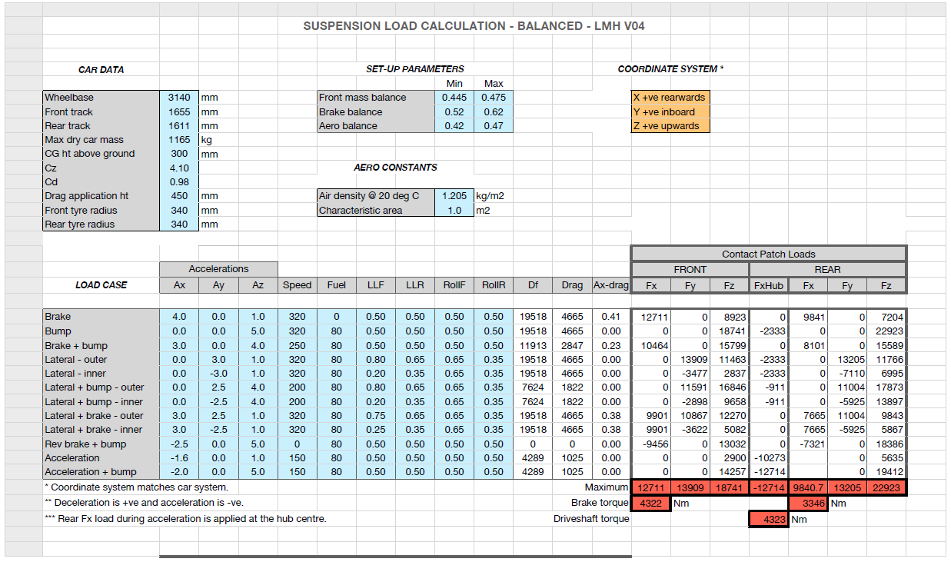
Date | 13/5/2020 |  |  | Notes
 |  |  |  | Forces from FEA (Matlab Truss Model), Front Suspension V07, CPL V04 Balanced
Reaction forces from FEA
 |  |  | Coord | Brake | Bump | Brake + Bump + Lateral (Outer) | Brake + Bump + Lateral (Inner) | Lateral (Outer) | Lateral (Inner) | Lateral + Brake (Outer) | Lateral + Brake (Inner) | Acceleration + Bump | Min | Max
LCA | Front | X | -200 | -12618 | -7855 | -1475 | -5852 | 2206 | -6209 | -7903 | -13440 | -5044 | -13440 | 2206.2
LCA | Front | Y | -392.863 | 20426 | 12716 | 2389 | 9474 | -3572 | 10051 | 12795 | 21758 | 8166 | -3571.6 | 21758
LCA | Front | Z | 148.189 | -70 | -44 | -8 | -33 | 12 | -35 | -44 | -75 | -28 | -75.056 | 12.321
LCA | Rear | X | 175 | -7835 | 8813 | -7864 | -3886 | -4960 | 2968 | -10285 | -5069 | 5660 | -10285 | 8813.4
LCA | Rear | Y | -425.672 | -12743 | 14335 | -12791 | -6320 | -8068 | 4827 | -16728 | -8244 | 9205 | -16728 | 14335
LCA | Rear | Z | 150.288 | -44 | 49 | -44 | -22 | -28 | 17 | -58 | -28 | 32 | -57.717 | 49.458
LCA | Outer | X | -1.952 | -20453 | 959 | -9340 | -9738 | -2754 | -3241 | -18188 | -18509 | 616 | -20452.7 | 958.6 | SUM CALCULATED IN EXCEL
LCA | Outer | Y | -713.481 | 7683 | 27051 | -10402 | 3154 | -11639 | 14878 | -3933 | 13514 | 17371 | -11639.2 | 27051
LCA | Outer | Z | 149.295 | -114 | 6 | -52 | -54 | -16 | -18 | -102 | -104 | 4 | -114.429 | 5.593
UCA | Front | X | -65 | 5468 | 763 | 163 | 2131 | -1505 | 1817 | 3370 | 5556 | 490 | -1504.8 | 5555.8
UCA | Front | Y | -434.674 | -13011 | -1816 | -388 | -5070 | 3581 | -4324 | -8021 | -13222 | -1166 | -13222 | 3581.1
UCA | Front | Z | 400.889 | 189 | 26 | 6 | 74 | -52 | 63 | 117 | 193 | 17 | -52.155 | 192.56
UCA | Rear | X | 175 | 4702 | -1126 | 4925 | 2835 | 3310 | -271 | 5930 | 3574 | -723 | -1125.6 | 5930.4
UCA | Rear | Y | -455.672 | 6035 | -1445 | 6321 | 3639 | 4249 | -347 | 7612 | 4588 | -928 | -1444.7 | 7611.6
UCA | Rear | Z | 367.66 | -1138 | 272 | -1192 | -686 | -801 | 65 | -1435 | -865 | 175 | -1435.1 | 272.38
UCA | Outer | X | 24.82 | 10170 | -363 | 5088 | 4966 | 1806 | 1546 | 9301 | 9130 | -233 | -362.55 | 10169.8
UCA | Outer | Y | -648.424 | -6976 | -3261 | 5932 | -1431 | 7830 | -4671 | -409 | -8634 | -2094 | -8634.3 | 7829.8
UCA | Outer | Z | 404.002 | -948 | 299 | -1186 | -612 | -853 | 128 | -1318 | -672 | 192 | -1318.29 | 298.826
TROD | Inner | X | -125 | -478 | 203 | -452 | -267 | -287 | 49 | -582 | -361 | 130 | -581.77 | 202.84
TROD | Inner | Y | -430 | 4580 | -1943 | 4333 | 2554 | 2745 | -468 | 5572 | 3458 | -1248 | -1942.7 | 5571.8
TROD | Inner | Z | 396 | -289 | 122 | -273 | -161 | -173 | 29 | -351 | -218 | 79 | -351.26 | 122.47
Pushrod | Upper | X | 16 | -193 | -799 | -657 | -322 | -606 | -195 | -443 | -172 | -513 | -798.79 | -172.28
Pushrod | Upper | Y | -370 | -5287 | -21848 | -17963 | -8802 | -16572 | -5331 | -12107 | -4712 | -14029 | -21848 | -4711.9
Pushrod | Upper | Z | 486 | -4588 | -18960 | -15588 | -7638 | -14381 | -4626 | -10507 | -4089 | -12175 | -18960 | -4089.1

Sum check (upright) |  | Fx |  | -10954 | 0 | -5361 | -5361 | -1841 | -1841 | -9912 | -9912 | 0
 |  | Fy |  | 0 | 0 | -18100 | -4525 | -17636 | 4408 | -10877 | 3625 | 0
 |  | Fz |  | -5940 | -18533 | -17100 | -8466 | -15423 | -4486 | -12278 | -5083 | -11901

Sign of Fy applied to magnitude, Negative -> Compression of the link, Positive -> Tension of the link (had to reverse tierod sign)
Link Loads
LCA | Front | Mag |  | 24009 | 14946 | 2808 | 11136 | -4198 | 11814 | 15039 | 25574 | 9598 | -4198 | 25574 | Blue, maximum tension
LCA | Rear | Mag |  | -14959 | 16828 | -15015 | -7419 | -9471 | 5666 | -19637 | -9678 | 10806 | -19637 | 16828 | Red, maximum compression
UCA | Front | Mag |  | -14114 | -1970 | -421 | -5500 | 3885 | -4690 | -8701 | -14343 | -1265 | -14343 | 3885
UCA | Rear | Mag |  | 7735 | -1852 | 8101 | 4664 | 5445 | -445 | 9755 | 5880 | -1189 | -1852 | 9755
TROD | Outer | Mag |  | 4614 | -1957 | 4365 | 2573 | 2765 | -471 | 5613 | 3484 | -1257 | -1957 | 5613
Pushrod | Lower | Mag |  | -7003 | -28939 | -23793 | -11658 | -21950 | -7061 | -16037 | -6241 | -18582 | -28939 | -6241

Outer ball joint loads
LCA | Outer | Mag |  | 21848 | 27068 | 13980 | 10236 | 11961 | 15227 | 18609 | 22917 | 17382 | 10236 | 27068
UCA | Outer | Mag |  | 12369 | 3294 | 7905 | 5204 | 8080 | 4922 | 9403 | 12584 | 2115 | 2115 | 12584

Force direction matching link direction - Checks |  |  |  |  |  |  |  |  |  |  |  |  |  |  |  | CHECKS
LCA | front link | Mag | 376.85558967 | 24009 | 14946 | 2808 | 11136 | 4198 | 11814 | 15039 | 25574 | 9598
 |  | u | -0.526 | -0.526 | -0.526 | -0.526 | -0.526 | 0.526 | -0.526 | -0.526 | -0.526 | -0.526 |  |  |  | 0.000 | 0.000 | #REF! | 0.000 | 0.000 | 0.000 | 0.000 | 0.000 | 0.000 | #REF! | #REF! | 0.000
 |  | v | 0.851 | 0.851 | 0.851 | 0.851 | 0.851 | -0.851 | 0.851 | 0.851 | 0.851 | 0.851 |  |  |  | 0.000 | 0.000 | #REF! | 0.000 | 0.000 | 0.000 | 0.000 | 0.000 | 0.000 | #REF! | #REF! | 0.000
 |  | w | -0.003 | -0.003 | -0.003 | -0.003 | -0.003 | 0.003 | -0.003 | -0.003 | -0.003 | -0.003 |  |  |  | 0.000 | 0.000 | #REF! | 0.000 | 0.000 | 0.000 | 0.000 | 0.000 | 0.000 | #REF! | #REF! | 0.000
 |  | check 1 | 1.000 | 1.000 | 1.000 | 1.000 | 1.000 | 1.000 | 1.000 | 1.000 | 1.000 | 1.000

LCA | rear link | Mag | 337.85650332 | 14959 | 16828 | 15015 | 7419 | 9471 | 5666 | 19637 | 9678 | 10806
 |  | u | 0.524 | -0.524 | 0.524 | -0.524 | -0.524 | -0.524 | 0.524 | -0.524 | -0.524 | 0.524 |  |  |  | 0.000 | 0.000 | #REF! | 0.000 | 0.000 | 0.000 | 0.000 | 0.000 | 0.000 | #REF! | #REF! | 0.000
 |  | v | 0.852 | -0.852 | 0.852 | -0.852 | -0.852 | -0.852 | 0.852 | -0.852 | -0.852 | 0.852 |  |  |  | 0.000 | 0.000 | #REF! | 0.000 | 0.000 | 0.000 | 0.000 | 0.000 | 0.000 | #REF! | #REF! | 0.000
 |  | w | 0.003 | -0.003 | 0.003 | -0.003 | -0.003 | -0.003 | 0.003 | -0.003 | -0.003 | 0.003 |  |  |  | 0.000 | 0.000 | #REF! | 0.000 | 0.000 | 0.000 | 0.000 | 0.000 | 0.000 | #REF! | #REF! | 0.000
 |  | check 1 | 1.000 | 1.000 | 1.000 | 1.000 | 1.000 | 1.000 | 1.000 | 1.000 | 1.000 | 1.000

UCA | front link | Mag | 231.87579794 | 14114 | 1970 | 421 | 5500 | 3885 | 4690 | 8701 | 14343 | 1265
 |  | u | -0.387 | 0.387 | 0.387 | 0.387 | 0.387 | -0.387 | 0.387 | 0.387 | 0.387 | 0.387 |  |  |  | 0.000 | 0.000 | #REF! | 0.000 | 0.000 | 0.000 | 0.000 | 0.000 | 0.000 | #REF! | #REF! | 0.000
 |  | v | 0.922 | -0.922 | -0.922 | -0.922 | -0.922 | 0.922 | -0.922 | -0.922 | -0.922 | -0.922 |  |  |  | 0.000 | 0.000 | #REF! | 0.000 | 0.000 | 0.000 | 0.000 | 0.000 | 0.000 | #REF! | #REF! | 0.000
 |  | w | -0.013 | 0.013 | 0.013 | 0.013 | 0.013 | -0.013 | 0.013 | 0.013 | 0.013 | 0.013 |  |  |  | 0.000 | 0.000 | #REF! | 0.000 | 0.000 | 0.000 | 0.000 | 0.000 | 0.000 | #REF! | #REF! | 0.000
 |  | check 1 | 1.000 | 1.000 | 1.000 | 1.000 | 1.000 | 1.000 | 1.000 | 1.000 | 1.000 | 1.000

UCA | rear link | Mag | 247.03867484 | 7735 | 1852 | 8101 | 4664 | 5445 | 445 | 9755 | 5880 | 1189
 |  | u | 0.608 | 0.608 | -0.608 | 0.608 | 0.608 | 0.608 | -0.608 | 0.608 | 0.608 | -0.608 |  |  |  | 0.000 | 0.000 | #REF! | 0.000 | 0.000 | 0.000 | 0.000 | 0.000 | 0.000 | #REF! | #REF! | 0.000
 |  | v | 0.780 | 0.780 | -0.780 | 0.780 | 0.780 | 0.780 | -0.780 | 0.780 | 0.780 | -0.780 |  |  |  | 0.000 | 0.000 | #REF! | 0.000 | 0.000 | 0.000 | 0.000 | 0.000 | 0.000 | #REF! | #REF! | 0.000
 |  | w | -0.147 | -0.147 | 0.147 | -0.147 | -0.147 | -0.147 | 0.147 | -0.147 | -0.147 | 0.147 |  |  |  | 0.000 | 0.000 | #REF! | 0.000 | 0.000 | 0.000 | 0.000 | 0.000 | 0.000 | #REF! | #REF! | 0.000
 |  | check 1 | 1.000 | 1.000 | 1.000 | 1.000 | 1.000 | 1.000 | 1.000 | 1.000 | 1.000 | 1.000

TROD |  | Mag | 255.6808362 | 4614 | 1957 | 4365 | 2573 | 2765 | 471 | 5613 | 3484 | 1257
outer x | -98.5 | u | -0.104 | -0.104 | 0.104 | -0.104 | -0.104 | -0.104 | 0.104 | -0.104 | -0.104 | 0.104 |  |  |  | 0.000 | 0.000 | #REF! | 0.000 | 0.000 | 0.000 | 0.000 | 0.000 | 0.000 | #REF! | #REF! | 0.000
y | -683.8 | v | 0.993 | 0.993 | -0.993 | 0.993 | 0.993 | 0.993 | -0.993 | 0.993 | 0.993 | -0.993 |  |  |  | 0.000 | 0.000 | #REF! | 0.000 | 0.000 | 0.000 | 0.000 | 0.000 | 0.000 | #REF! | #REF! | 0.000
z | 412 | w | -0.063 | -0.063 | 0.063 | -0.063 | -0.063 | -0.063 | 0.063 | -0.063 | -0.063 | 0.063 |  |  |  | 0.000 | 0.000 | #REF! | 0.000 | 0.000 | 0.000 | 0.000 | 0.000 | 0.000 | #REF! | #REF! | 0.000
 |  | check 1 | 1.000 | 1.000 | 1.000 | 1.000 | 1.000 | 1.000 | 1.000 | 1.000 | 1.000 | 1.000

Pushrod |  | Mag | 422.63213677 | 7003 | 28939 | 23793 | 11658 | 21950 | 7061 | 16037 | 6241 | 18582
lower x | 4.334 | u | 0.028 | -0.028 | -0.028 | -0.028 | -0.028 | -0.028 | -0.028 | -0.028 | -0.028 | -0.028 |  |  |  | 0.000 | 0.000 | #REF! | 0.000 | 0.000 | 0.000 | 0.000 | 0.000 | 0.000 | #REF! | #REF! | 0.000
y | -689.074 | v | 0.755 | -0.755 | -0.755 | -0.755 | -0.755 | -0.755 | -0.755 | -0.755 | -0.755 | -0.755 |  |  |  | 0.000 | 0.000 | #REF! | 0.000 | 0.000 | 0.000 | 0.000 | 0.000 | 0.000 | #REF! | #REF! | 0.000
z | 209.1 | w | 0.655 | -0.655 | -0.655 | -0.655 | -0.655 | -0.655 | -0.655 | -0.655 | -0.655 | -0.655 |  |  |  | 0.000 | 0.000 | #REF! | 0.000 | 0.000 | 0.000 | 0.000 | 0.000 | 0.000 | #REF! | #REF! | 0.000
 |  | check 1 | 1.000 | 1.000 | 1.000 | 1.000 | 1.000 | 1.000 | 1.000 | 1.000 | 1.000 | 1.000

Rear_Forces_FEA(Matlab)_21data
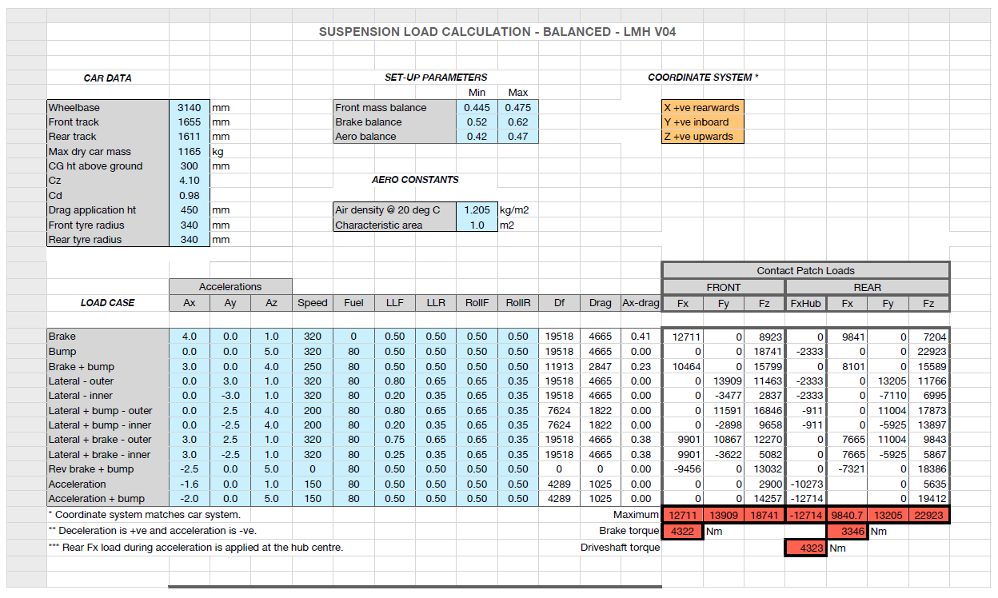
Date | 13/05/2020 |  |  | Notes | Forces from FEA (Matlab Truss Model), Rear Suspension Mick V05mod (rocker points proposal), CPL V04 Balanced

Reaction forces from FEA
 |  |  | Coord | Brake | Bump | Brake + Bump + Lateral (Outer) | Brake + Bump + Lateral (Inner) | Lateral (Outer) | Lateral (Inner) | Lateral + Brake (Outer) | Lateral + Brake (Inner) | Acceleration + Bump | Min | Max
LCA | Front | X | 2725 | -18532 | -20113 | -14567 | -17416 | -7483 | -12521 | -16965 | -20280 | -11463 | -20280 | -7482.6
LCA | Front | Y | -198 | 24168 | 26230 | 18997 | -22712 | 9758 | -16329 | 22124 | -26447 | 14948 | -26447 | 26230
LCA | Front | Z | 151.706 | 2092 | 2270 | 1644 | 1966 | 845 | 1413 | 1915 | 2289 | 1294 | 844.54 | 2289
LCA | Rear | X | 3212.5 | -1252 | 10587 | -1589 | 4556 | -1661 | 5473 | -3295 | 1399 | 7959 | -3294.7 | 10587
LCA | Rear | Y | -132.88 | -6161 | 52098 | -7818 | -22419 | -8175 | -26932 | -16213 | -6885 | 39167 | -26932 | 52098
LCA | Rear | Z | 124.346 | -166 | 1406 | -211 | 605 | -221 | 727 | -438 | 186 | 1057 | -437.63 | 1406.3
LCA | Outer | X | 3084.939 | -19784 | -9526 | -16156 | -12860 | -9144 | -7048 | -20260 | -18881 | -3504 | -20259.7 | -3503.6 | SUM CALCULATED IN EXCEL
LCA | Outer | Y | -686.918 | 18007 | 78328 | 11179 | -45131 | 1584 | -43261 | 5911 | -33332 | 54115 | -45131 | 78328
LCA | Outer | Z | 110.31 | 1925 | 3676 | 1433 | 2571 | 624 | 2140 | 1477 | 2475 | 2351 | 623.89 | 3676.4
UCA | Front | X | 2648 | 10808 | 3741 | 10691 | 4858 | 6985 | 1516 | 12732 | 9134 | 11126 | 1515.5 | 12732
UCA | Front | Y | -310 | -8543 | -2957 | -8450 | 3840 | -5521 | 1198 | -10064 | 7220 | -8794 | -10064 | 7219.8
UCA | Front | Z | 289.077 | 338 | 117 | 334 | 152 | 218 | 47 | 398 | 286 | 348 | 47.378 | 398.05
UCA | Rear | X | 3005.1 | -612 | 4135 | -1568 | 1977 | -1538 | 2373 | -1943 | 629 | 2745 | -1943.3 | 4134.6
UCA | Rear | Y | -198.629 | 4199 | -28346 | 10752 | 13551 | 10543 | 16265 | 13322 | 4315 | -18822 | -28346 | 16265
UCA | Rear | Z | 279.725 | -213 | 1436 | -545 | 687 | -534 | 824 | -675 | 219 | 954 | -675.05 | 1436.3
UCA | Outer | X | 3070 | 10196 | 7876 | 9123 | 6835 | 5447 | 3888 | 10789 | 9763 | 13871 | 3888 | 13871.4
UCA | Outer | Y | -643.566 | -4344 | -31303 | 2302 | 17391 | 5022 | 17463 | 3258 | 11535 | -27616 | -31302.9 | 17462.9
UCA | Outer | Z | 302.27 | 125 | 1553 | -211 | 838 | -316 | 872 | -277 | 504 | 1302 | -315.84 | 1553.25
TROD | Inner | X | 3267.5 | 233 | 116 | 296 | 171 | 206 | 108 | 288 | 223 | -400 | -400 | 296.28
TROD | Inner | Y | -136 | -3395 | -1694 | -4316 | 2489 | -3005 | 1572 | -4190 | 3248 | 5826 | -4315.5 | 5826.2
TROD | Inner | Z | 238 | 83 | 42 | 106 | 61 | 74 | 39 | 103 | 80 | -143 | -143.16 | 106.04
Pushrod | Upper | X | 3054.753 | 876 | 3868 | 2586 | 1703 | 2065 | 1627 | 1509 | 1221 | 2758 | 876.06 | 3867.6
Pushrod | Upper | Y | -161.722 | -10268 | -45331 | -30314 | 19965 | -24207 | 19073 | -17689 | 14312 | -32326 | -45331 | 19965
Pushrod | Upper | Z | 359.461 | -6441 | -28435 | -19016 | -12523 | -15185 | -11964 | -11096 | -8978 | -20277 | -28435 | -6440.9

Sum check (upright) |  | Fx |  | -8479 | 2333 | -4150 | -4151 | -1425 | -1425 | -7674 | -7674 | 12726
 |  | Fy |  | 0 | 0 | -21149 | -5286 | -20607 | -5153 | -12710 | -4237 | -1
 |  | Fz |  | -4307 | -23164 | -17687 | -9052 | -14803 | -8914 | -9793 | -5919 | -16768

Sign of Fy applied to magnitude, Negative -> Compression of the link, Positive -> Tension of the link (had to reverse tierod sign)
Link Loads
LCA | Front | Mag |  | 30527 | 33132 | 23996 | -28688 | 12326 | -20625 | 27945 | -33406 | 18882 | -33406 | 33132 | Blue, maximum tension
LCA | Rear | Mag |  | -6289 | 53181 | -7981 | -22885 | -8345 | -27492 | -16550 | -7028 | 39982 | -27492 | 53181 | Red, maximum compression
UCA | Front | Mag |  | -13781 | -4770 | -13632 | 6194 | -8906 | 1932 | -16234 | 11646 | -14186 | -16234 | 11646
UCA | Rear | Mag |  | 4248 | -28682 | 10879 | 13712 | 10668 | 16458 | 13480 | 4366 | -19045 | -28682 | 16458
TROD | Outer | Mag |  | -3404 | -1699 | -4327 | -2496 | -3013 | -1576 | -4202 | -3256 | 5842 | -4327 | 5842
Pushrod | Lower | Mag |  | -12153 | -53651 | -35878 | -23629 | -28650 | -22574 | -20936 | -16939 | -38259 | -53651 | -12153

Outer ball joints loads
LCA | Outer | Mag |  | 26821 | 78991 | 19698 | 46998 | 9301 | 43884 | 21156 | 38388 | 54279 | 9301 | 78991
UCA | Outer | Mag |  | 11083 | 32316 | 9411 | 18705 | 7416 | 17912 | 11273 | 15121 | 30932 | 7416 | 32316

Force direction matching link direction - Checks |  |  |  |  |  |  |  |  |  |  |  |  |  |  |  | CHECKS
LCA | front link | Mag | 608.53144805 | 30527 | 33132 | 23996 | 28688 | 12326 | 20625 | 27945 | 33406 | 18882
 |  | u | -0.591 | -0.607 | -0.607 | -0.607 | -0.607 | -0.607 | -0.607 | -0.607 | -0.607 | -0.607 |  |  |  | 0.016 | 0.016 | #REF! | 0.016 | 0.016 | 0.016 | 0.016 | 0.016 | 0.016 | 0.016 | #REF! | #REF!
 |  | v | 0.803 | 0.792 | 0.792 | 0.792 | -0.792 | 0.792 | -0.792 | 0.792 | -0.792 | 0.792 |  |  |  | -0.012 | -0.012 | #REF! | -0.012 | -0.012 | -0.012 | -0.012 | -0.012 | -0.012 | -0.012 | #REF! | #REF!
 |  | w | 0.068 | 0.069 | 0.069 | 0.069 | 0.069 | 0.069 | 0.069 | 0.069 | 0.069 | 0.069 |  |  |  | 0.000 | 0.000 | #REF! | 0.000 | 0.000 | 0.000 | 0.000 | 0.000 | 0.000 | 0.000 | #REF! | #REF!
 |  | check 1 | 1.000 | 1.000 | 1.000 | 1.000 | 1.000 | 1.000 | 1.000 | 1.000 | 1.000 | 1.000

LCA | rear link | Mag | 568.70635961 | 6289 | 53181 | 7981 | 22885 | 8345 | 27492 | 16550 | 7028 | 39982
 |  | u | 0.224 | -0.199 | 0.199 | -0.199 | 0.199 | -0.199 | 0.199 | -0.199 | 0.199 | 0.199 |  |  |  | -0.025 | -0.025 | #REF! | -0.025 | -0.025 | -0.025 | -0.025 | -0.025 | -0.025 | -0.025 | #REF! | #REF!
 |  | v | 0.974 | -0.980 | 0.980 | -0.980 | -0.980 | -0.980 | -0.980 | -0.980 | -0.980 | 0.980 |  |  |  | 0.005 | 0.005 | #REF! | 0.005 | 0.005 | 0.005 | 0.005 | 0.005 | 0.005 | 0.005 | #REF! | #REF!
 |  | w | 0.025 | -0.026 | 0.026 | -0.026 | 0.026 | -0.026 | 0.026 | -0.026 | 0.026 | 0.026 |  |  |  | 0.002 | 0.002 | #REF! | 0.002 | 0.002 | 0.002 | 0.002 | 0.002 | 0.002 | 0.002 | #REF! | #REF!
 |  | check 1 | 1.000 | 1.000 | 1.000 | 1.000 | 1.000 | 1.000 | 1.000 | 1.000 | 1.000 | 1.000

UCA | front link | Mag | 538.07465245 | 13781 | 4770 | 13632 | 6194 | 8906 | 1932 | 16234 | 11646 | 14186
 |  | u | -0.784 | 0.784 | 0.784 | 0.784 | 0.784 | 0.784 | 0.784 | 0.784 | 0.784 | 0.784 |  |  |  | 0.000 | 0.000 | #REF! | 0.000 | 0.000 | 0.000 | 0.000 | 0.000 | 0.000 | 0.000 | #REF! | #REF!
 |  | v | 0.620 | -0.620 | -0.620 | -0.620 | 0.620 | -0.620 | 0.620 | -0.620 | 0.620 | -0.620 |  |  |  | 0.000 | 0.000 | #REF! | 0.000 | 0.000 | 0.000 | 0.000 | 0.000 | 0.000 | 0.000 | #REF! | #REF!
 |  | w | -0.025 | 0.025 | 0.025 | 0.025 | 0.025 | 0.025 | 0.025 | 0.025 | 0.025 | 0.025 |  |  |  | 0.000 | 0.000 | #REF! | 0.000 | 0.000 | 0.000 | 0.000 | 0.000 | 0.000 | 0.000 | #REF! | #REF!
 |  | check 1 | 1.000 | 1.000 | 1.000 | 1.000 | 1.000 | 1.000 | 1.000 | 1.000 | 1.000 | 1.000

UCA | rear link | Mag | 450.21019646 | 4248 | 28682 | 10879 | 13712 | 10668 | 16458 | 13480 | 4366 | 19045
 |  | u | -0.144 | -0.144 | 0.144 | -0.144 | 0.144 | -0.144 | 0.144 | -0.144 | 0.144 | 0.144 |  |  |  | 0.000 | 0.000 | #REF! | 0.000 | 0.000 | 0.000 | 0.000 | 0.000 | 0.000 | 0.000 | #REF! | #REF!
 |  | v | 0.988 | 0.988 | -0.988 | 0.988 | 0.988 | 0.988 | 0.988 | 0.988 | 0.988 | -0.988 |  |  |  | 0.000 | 0.000 | #REF! | 0.000 | 0.000 | 0.000 | 0.000 | 0.000 | 0.000 | 0.000 | #REF! | #REF!
 |  | w | -0.050 | -0.050 | 0.050 | -0.050 | 0.050 | -0.050 | 0.050 | -0.050 | 0.050 | 0.050 |  |  |  | 0.000 | 0.000 | #REF! | 0.000 | 0.000 | 0.000 | 0.000 | 0.000 | 0.000 | 0.000 | #REF! | #REF!
 |  | check 1 | 1.000 | 1.000 | 1.000 | 1.000 | 1.000 | 1.000 | 1.000 | 1.000 | 1.000 | 1.000

TROD |  | Mag | 474.6348958 | 3404 | 1699 | 4327 | 2496 | 3013 | 1576 | 4202 | 3256 | 5842
outer x | 3300 | u | -0.068 | 0.068 | 0.068 | 0.068 | 0.068 | 0.068 | 0.068 | 0.068 | 0.068 | -0.068 |  |  |  | 0.000 | 0.000 | #REF! | 0.000 | 0.000 | 0.000 | 0.000 | 0.000 | 0.000 | 0.000 | #REF! | #REF!
y | -609.378 | v | 0.997 | -0.997 | -0.997 | -0.997 | 0.997 | -0.997 | 0.997 | -0.997 | 0.997 | 0.997 |  |  |  | 0.000 | 0.000 | #REF! | 0.000 | 0.000 | 0.000 | 0.000 | 0.000 | 0.000 | 0.000 | #REF! | #REF!
z | 249.632 | w | -0.025 | 0.025 | 0.025 | 0.025 | 0.025 | 0.025 | 0.025 | 0.025 | 0.025 | -0.025 |  |  |  | 0.000 | 0.000 | #REF! | 0.000 | 0.000 | 0.000 | 0.000 | 0.000 | 0.000 | 0.000 | #REF! | #REF!
 |  | check 1 | 1.000 | 1.000 | 1.000 | 1.000 | 1.000 | 1.000 | 1.000 | 1.000 | 1.000 | 1.000

Pushrod |  | Mag | 557.44062828 | 12153 | 53651 | 35878 | 23629 | 28650 | 22574 | 20936 | 16939 | 38259
lower x | 3094.938 | u | -0.072 | 0.072 | 0.072 | 0.072 | 0.072 | 0.072 | 0.072 | 0.072 | 0.072 | 0.072 |  |  |  | 0.000 | 0.000 | #REF! | 0.000 | 0.000 | 0.000 | 0.000 | 0.000 | 0.000 | 0.000 | #REF! | #REF!
y | -632.717 | v | 0.845 | -0.845 | -0.845 | -0.845 | 0.845 | -0.845 | 0.845 | -0.845 | 0.845 | -0.845 |  |  |  | 0.000 | 0.000 | #REF! | 0.000 | 0.000 | 0.000 | 0.000 | 0.000 | 0.000 | 0.000 | #REF! | #REF!
z | 64.014 | w | 0.530 | -0.530 | -0.530 | -0.530 | -0.530 | -0.530 | -0.530 | -0.530 | -0.530 | -0.530 |  |  |  | 0.000 | 0.000 | #REF! | 0.000 | 0.000 | 0.000 | 0.000 | 0.000 | 0.000 | 0.000 | #REF! | #REF!
 |  | check 1 | 1.000 | 1.000 | 1.000 | 1.000 | 1.000 | 1.000 | 1.000 | 1.000 | 1.000 | 1.000

