System Diagram
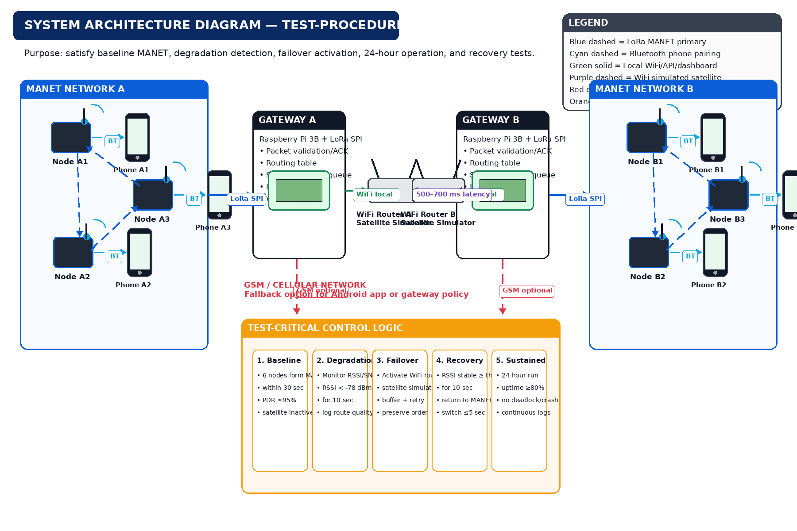
System Architecture Diagram - Test Procedure Aligned
Updated to prioritize DOCX test procedures: baseline MANET, RSSI degradation detection, failover activation, sustained operation, and recovery.

Data Flow
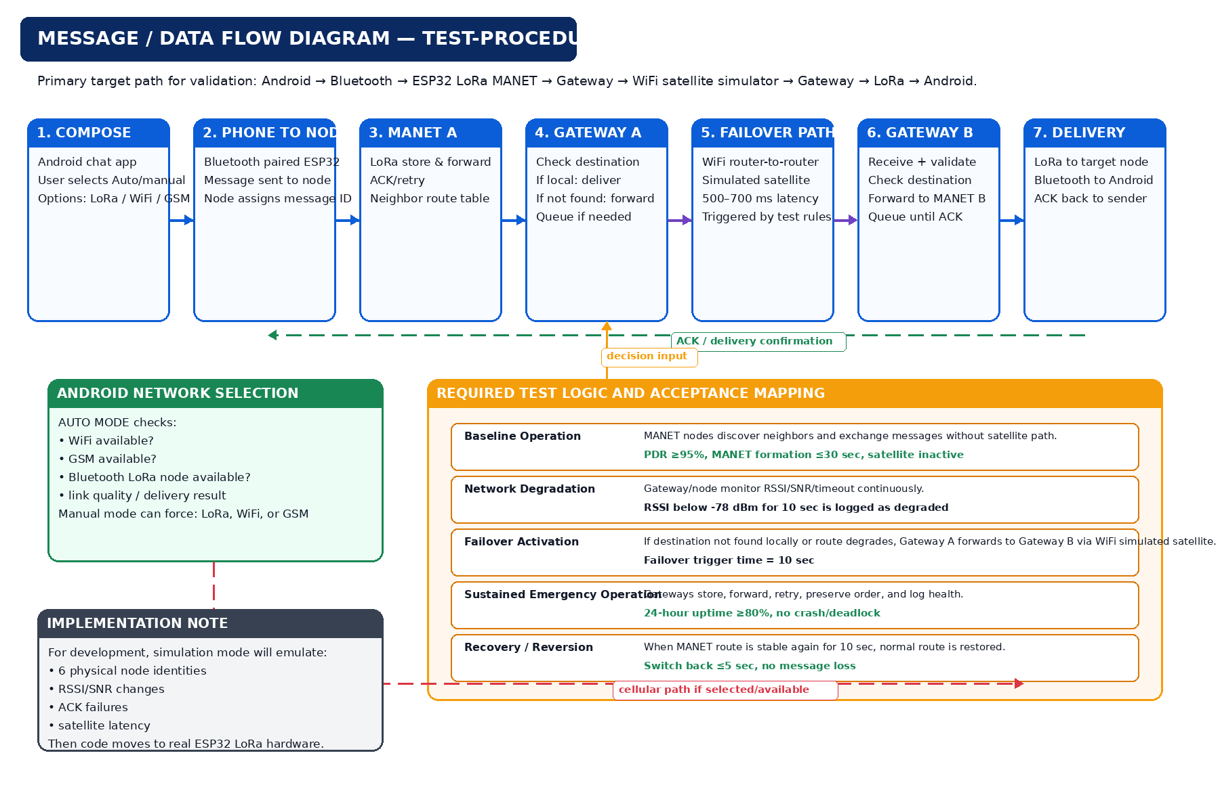
Message / Data Flow Diagram - Test Procedure Aligned
Updated to prioritize DOCX test procedures: baseline MANET, RSSI degradation detection, failover activation, sustained operation, and recovery.

