Topologi
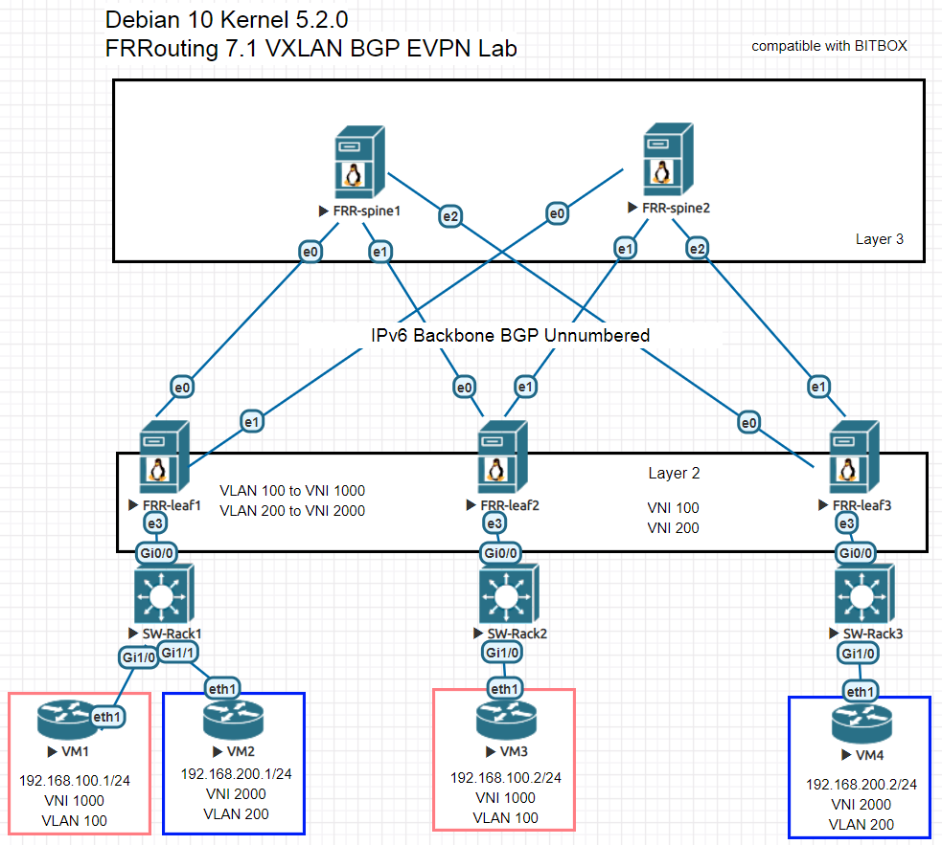
Daftar Isi Sheet :
1. Topology
2. Cara running simulasi di GNS3
3. config frr-spine1
4. config frr-spine2
5. config frr-leaf1
6. config frr-leaf2
7. config frr-leaf3
8. config SW-Rack1
9. config SW-Rack2
8. config SW-Rack3
9. katalog BITBOX

Cara GNS3
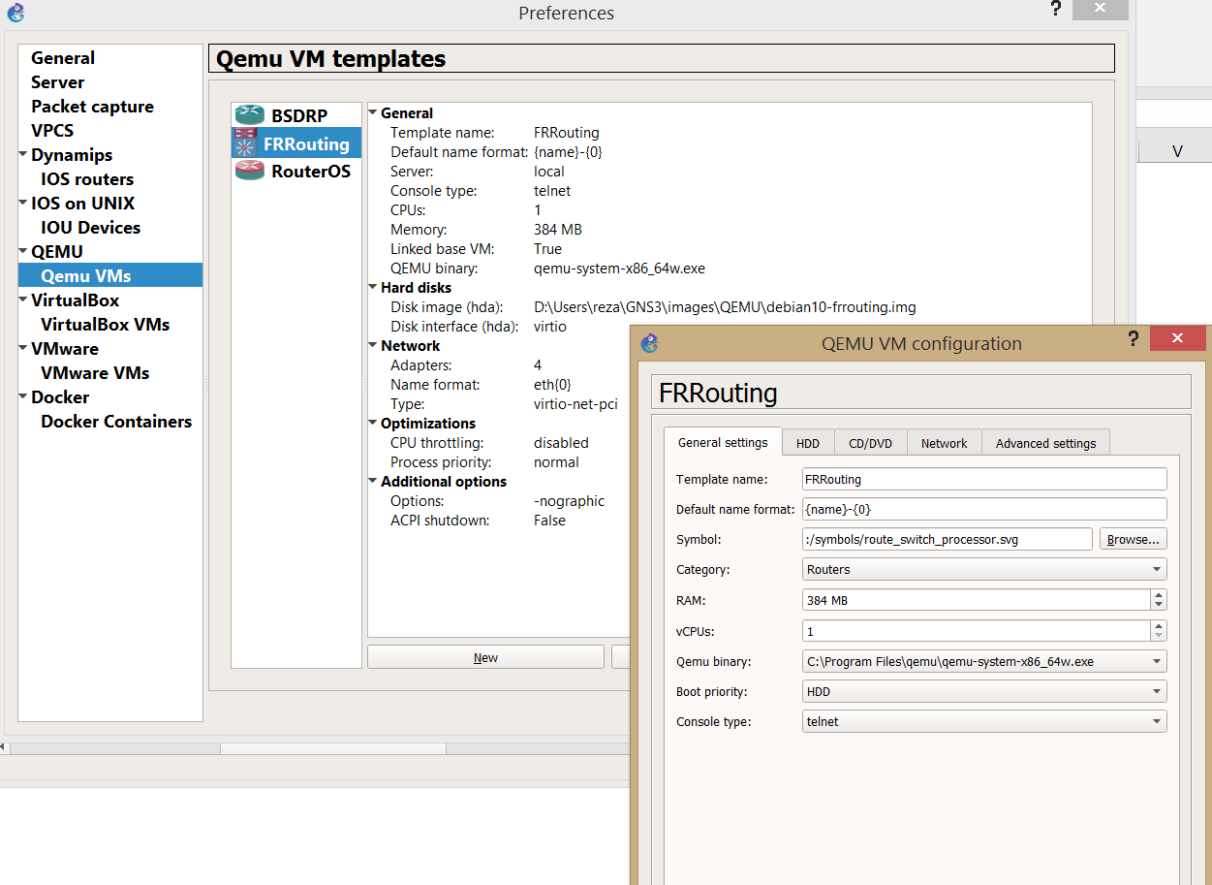
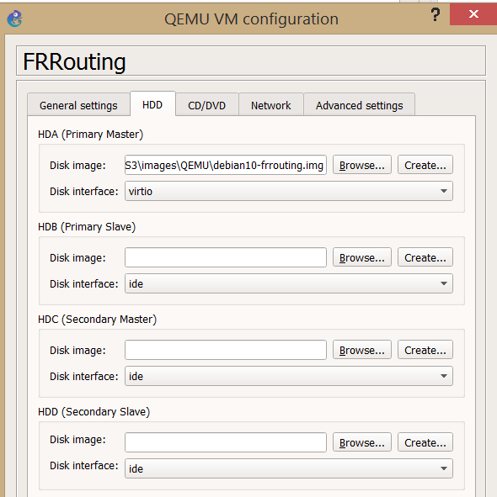
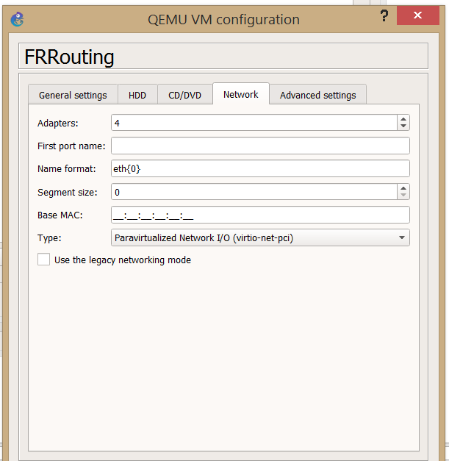
Daftar Isi Sheet : | Cara Running simulator di GNS3
1. Topology | disarankan dijalankan di komputer yang memiliki RAM 4GB atau lebih
2. Cara running simulasi di GNS3 | lakukan instalasi GNS3, versi yang simple tanpa menggunakan server adalah versi 1.5.2 dapat didownload di link berikut
3. config frr-spine1 | https://github.com/GNS3/gns3-gui/releases/download/v1.5.2/GNS3-1.5.2-all-in-one.exe
4. config frr-spine2
5. config frr-leaf1 | 1. download image debian10-frrouting.img.xz (ukuran sekitar 690MB)
6. config frr-leaf2 | https://drive.google.com/file/d/1zyy9M-9YPzbcsSSVg2wLyiMxSAsecYJ0/view?usp=sharing
7. config frr-leaf3 | 2. ekstrak dengan menggunakan tools 7zip, file akan menjadi berukuran sekitar 3GB, berakhiran .img
8. config SW-Rack1 | 3. Import ke GNS3 sebagai QEMU appliance, browse hdd ke lokasi folder image yang telah di exctract tadi
9. config SW-Rack2 | 4. setting parameter preference di GNS3 sbb (lihat gambar dibawah)
8. config SW-Rack3 | 5. untuk pengetesan, gunakan VirtualPC atau Host template lain sebagai host VM1, VM2, VM3 dan VM4 (lihat topology). Pada contoh digunakan RouterOS CHR
9. katalog BITBOX

Katalog BITBOX
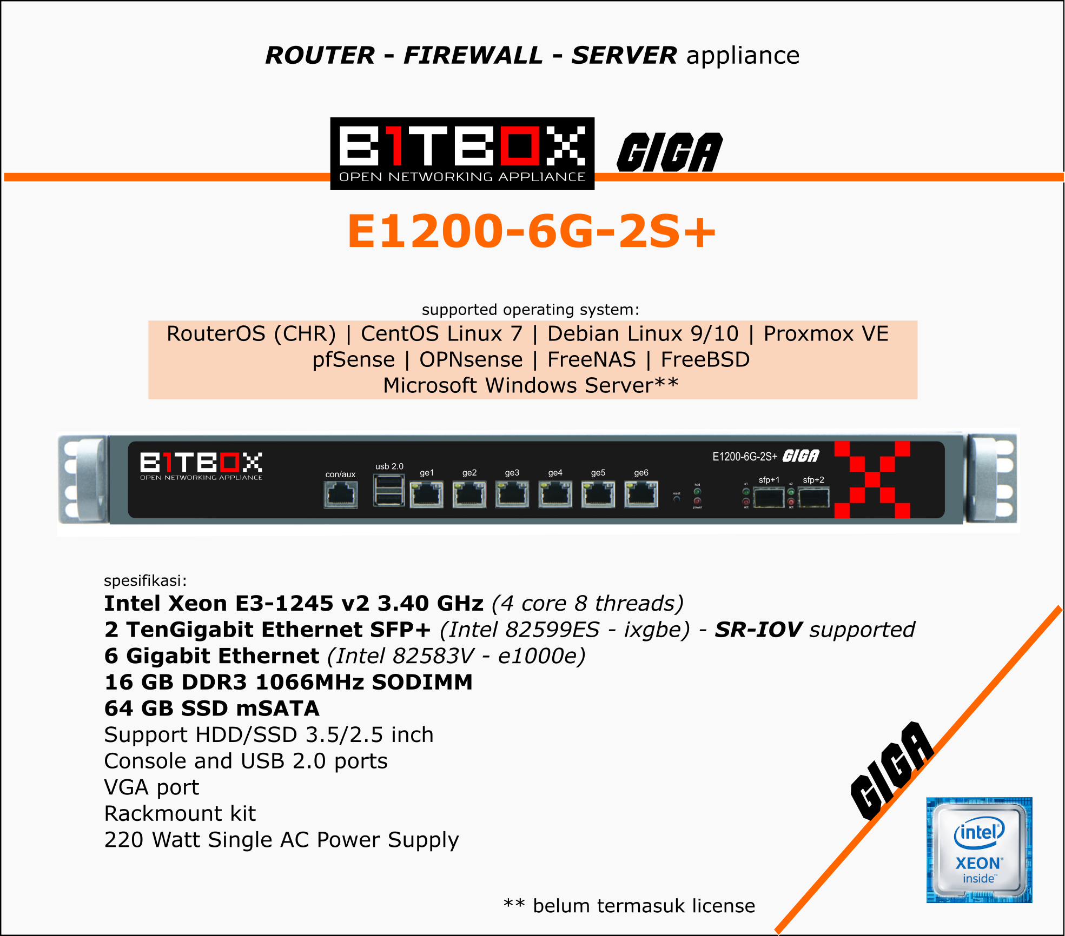
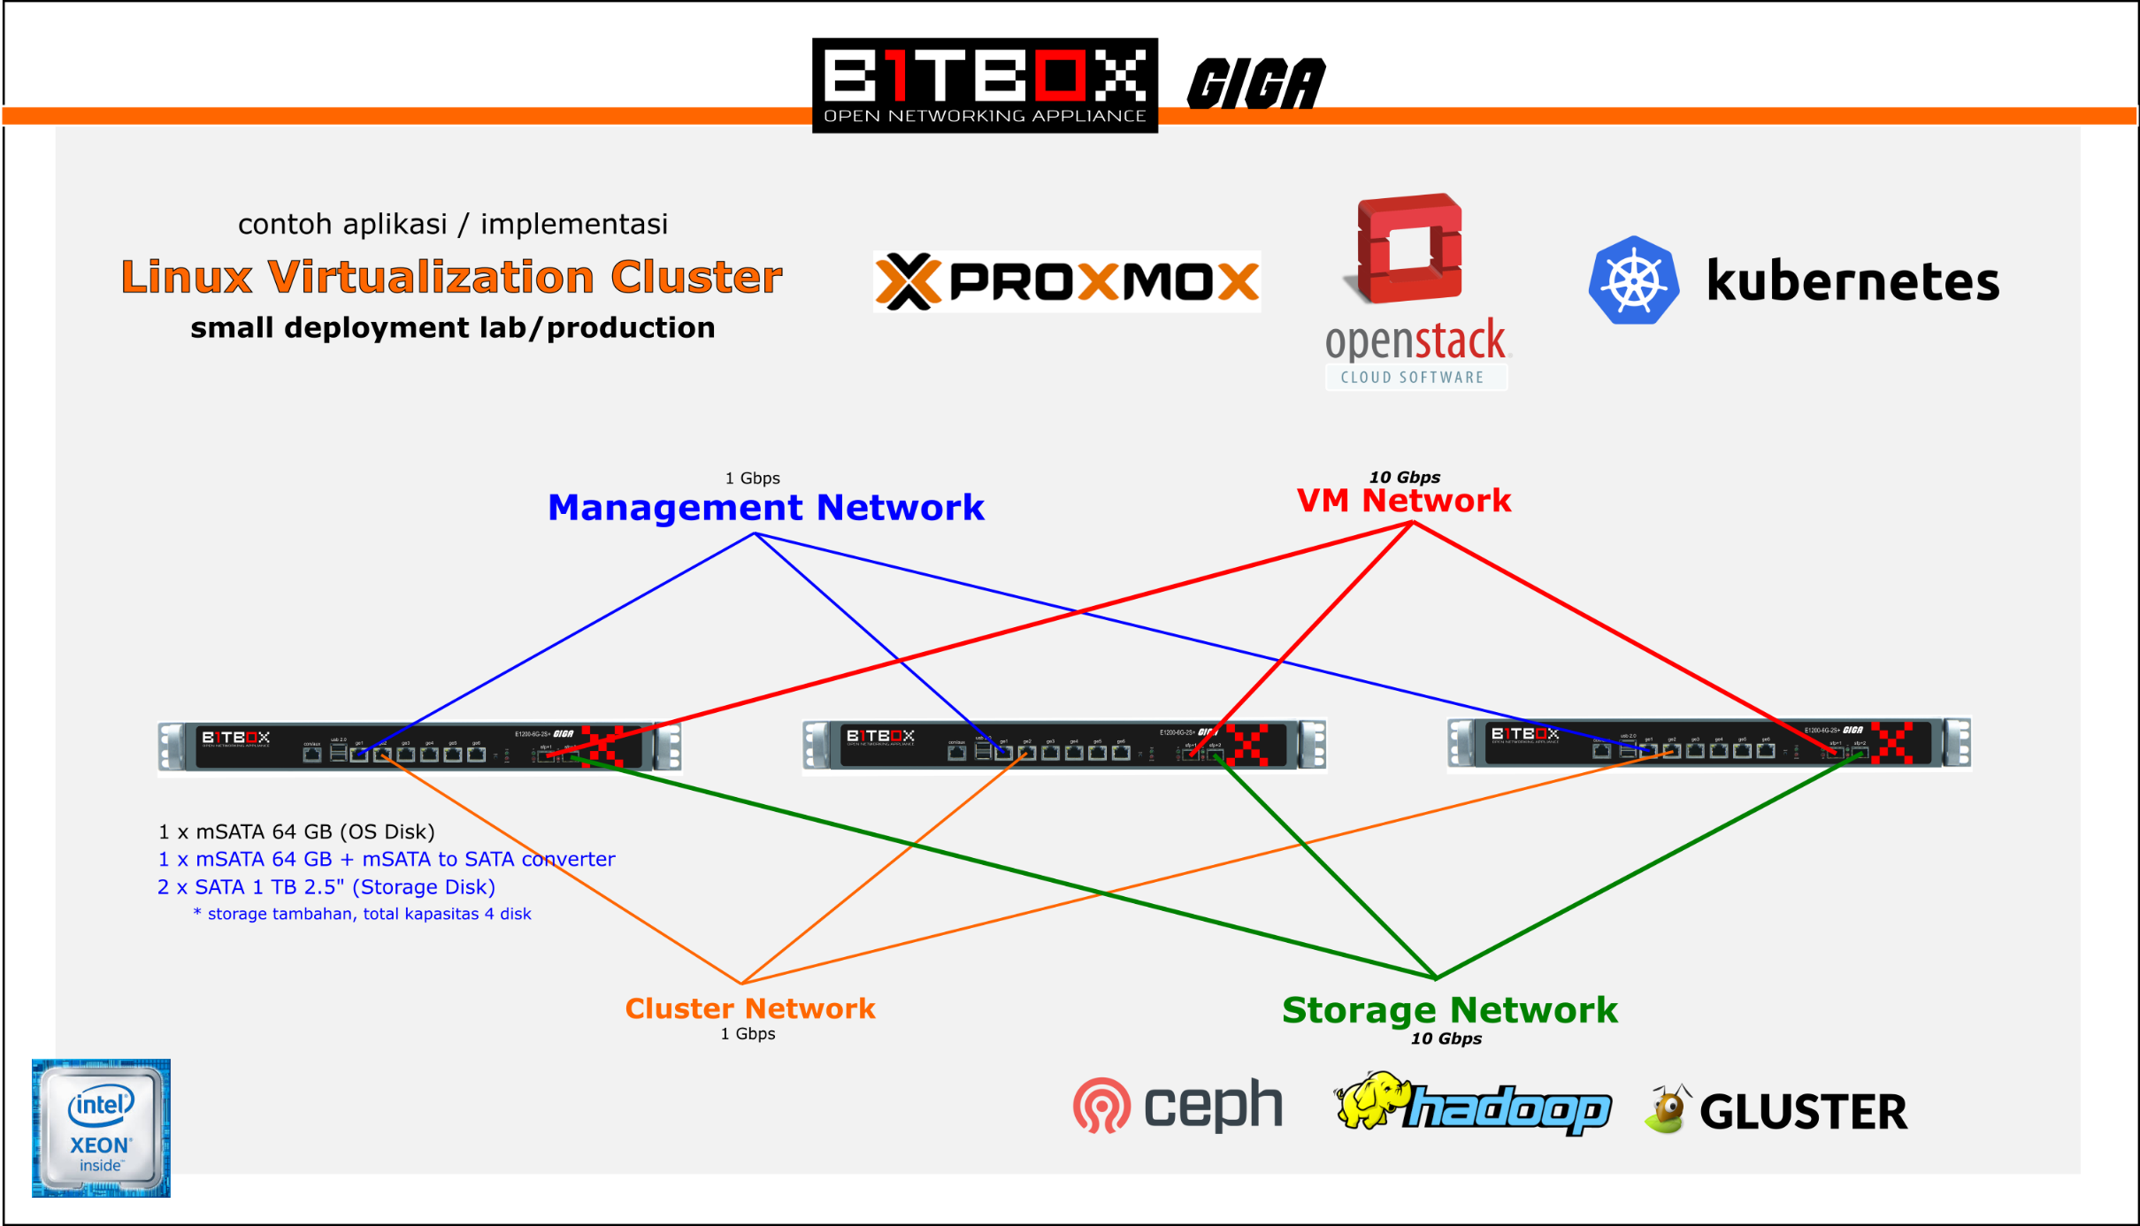
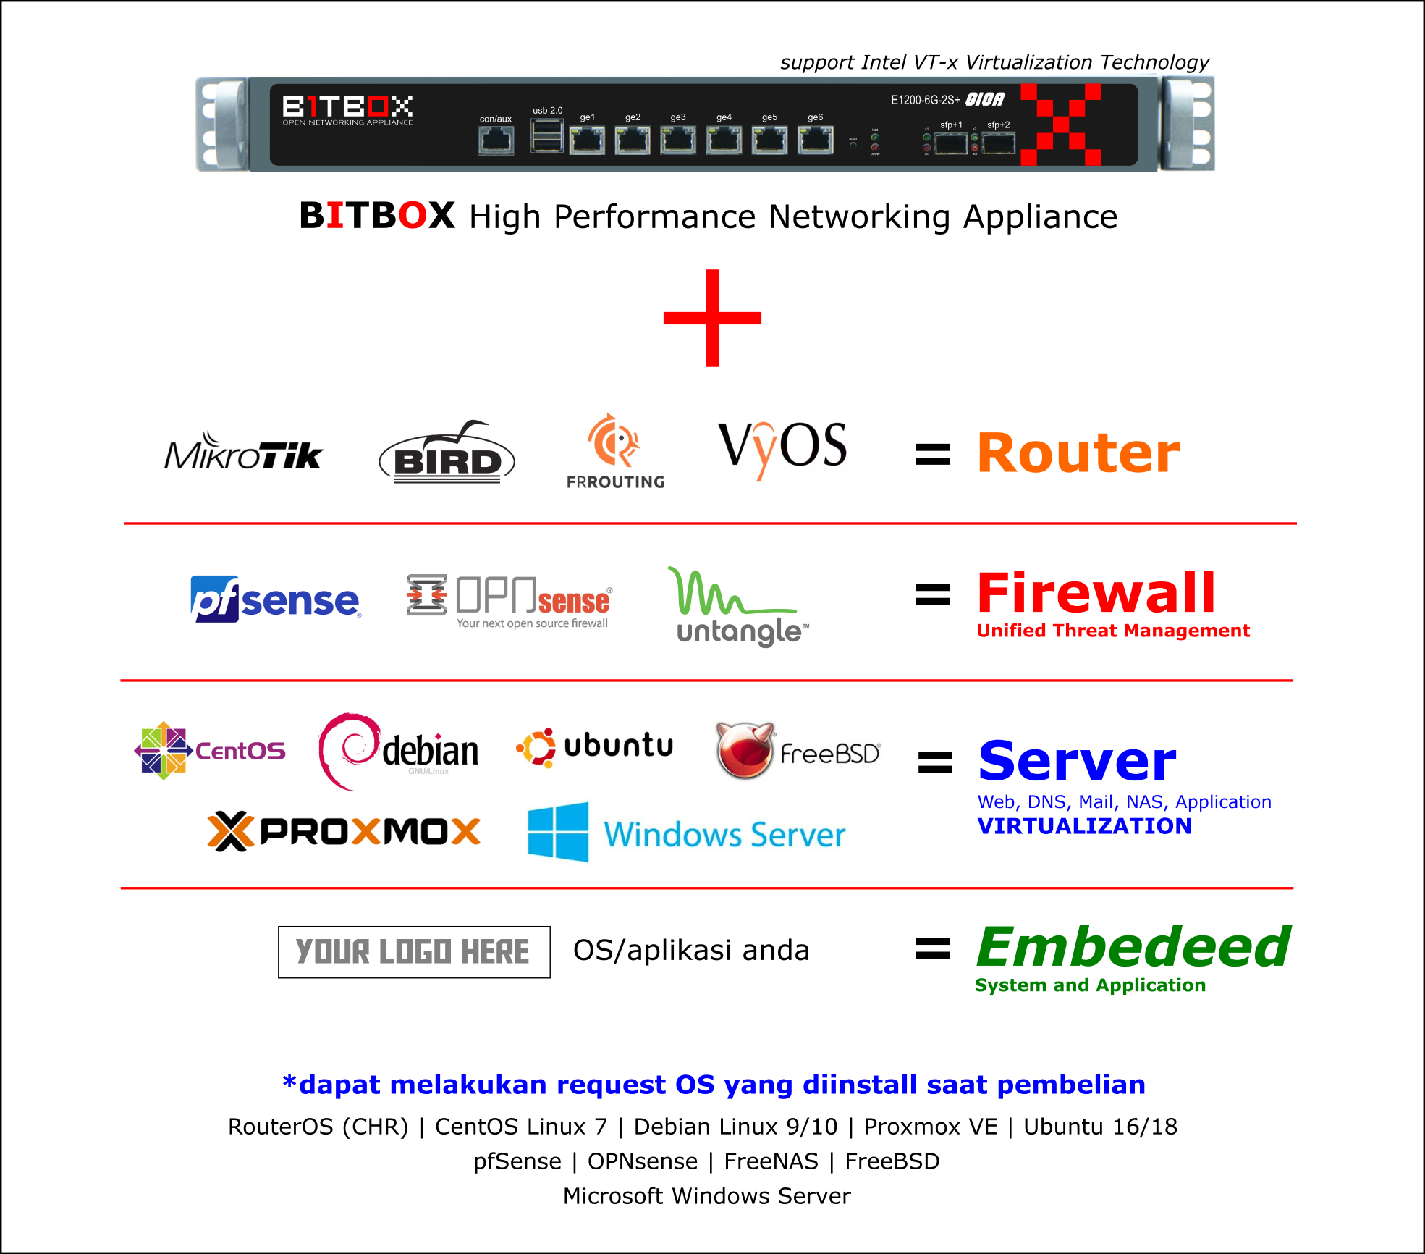
Daftar Isi Sheet : | Katalog BITBOX
1. Topology
2. Cara running simulasi di GNS3 |  | Link Marketplace
3. config frr-spine1 |  | https://www.tokopedia.com/jagonetworkid/etalase/bitbox-open-networking-appliance
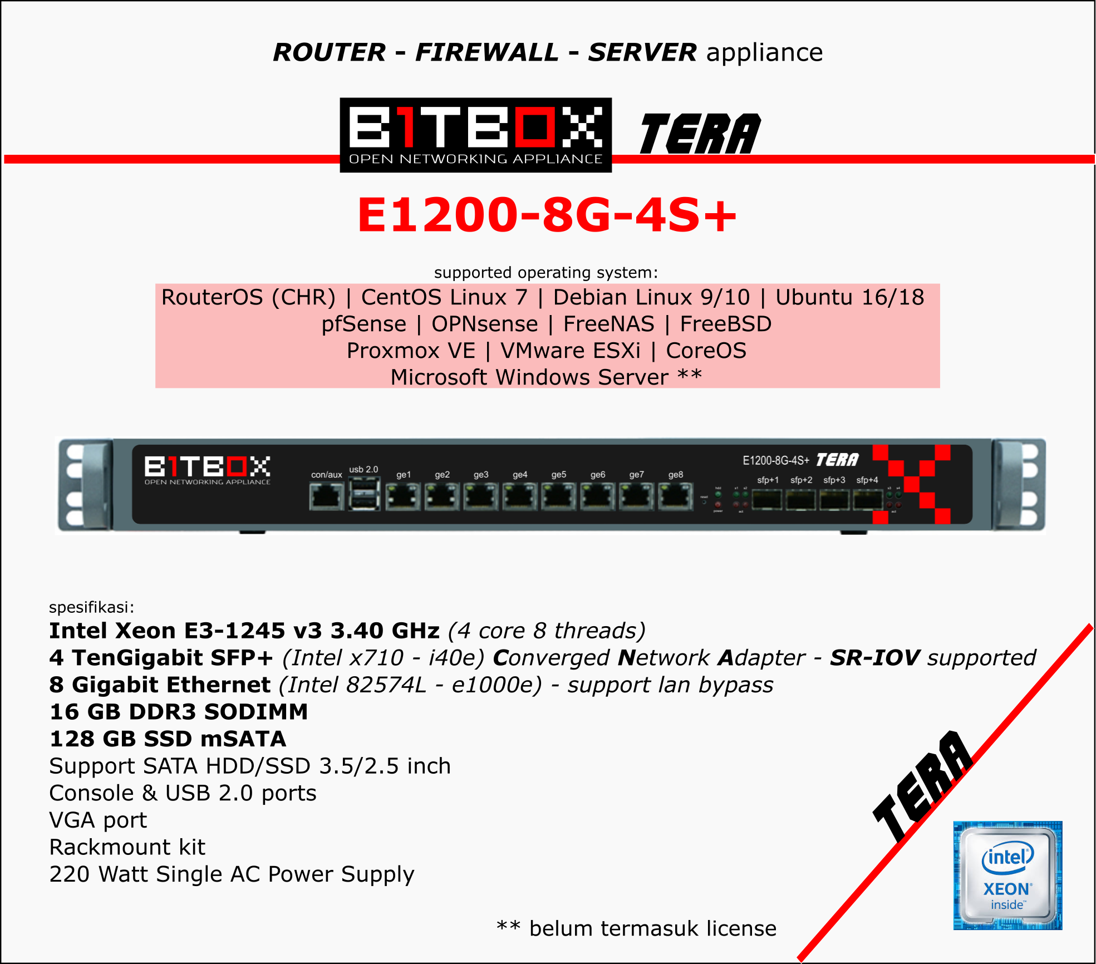
4. config frr-spine2
5. config frr-leaf1
6. config frr-leaf2
7. config frr-leaf3
8. config SW-Rack1
9. config SW-Rack2
8. config SW-Rack3
9. katalog BITBOX

