Home
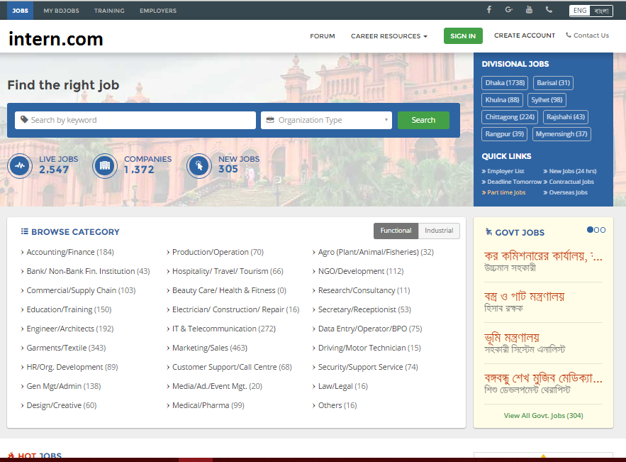

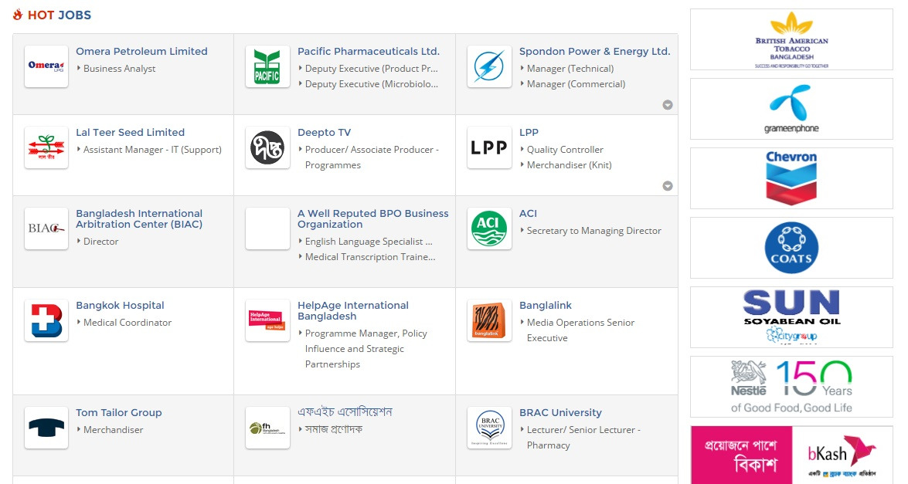

studentHome
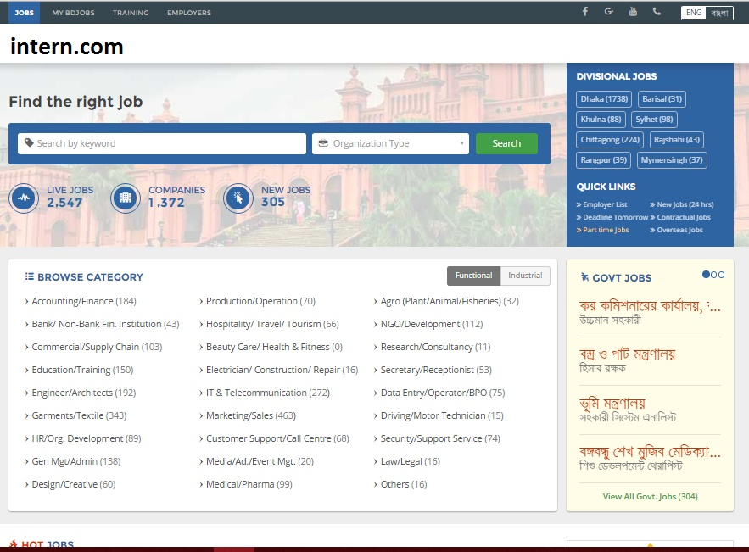



Daffodil Computers | needs | 10 | people on | IT/Development | for | 2-4 Months

Daffodil Computers | needs | 20 | people on | Management | for | 4-6 Months

Daffodil Computers | needs | 30 | people on | Accounting | for | 6-8 Months

Daffodil Computers | needs | 40 | people on | Finance | for | 6-8 Months

Daffodil Computers | needs | 12 | people on | Tourism | for | According to University requirement

 |  |  |  |  |  |  | Notification
 |  |  |  |  |  |  | You are invited in XYZ Inc as an Android Dev. We would love to work with you.

offers
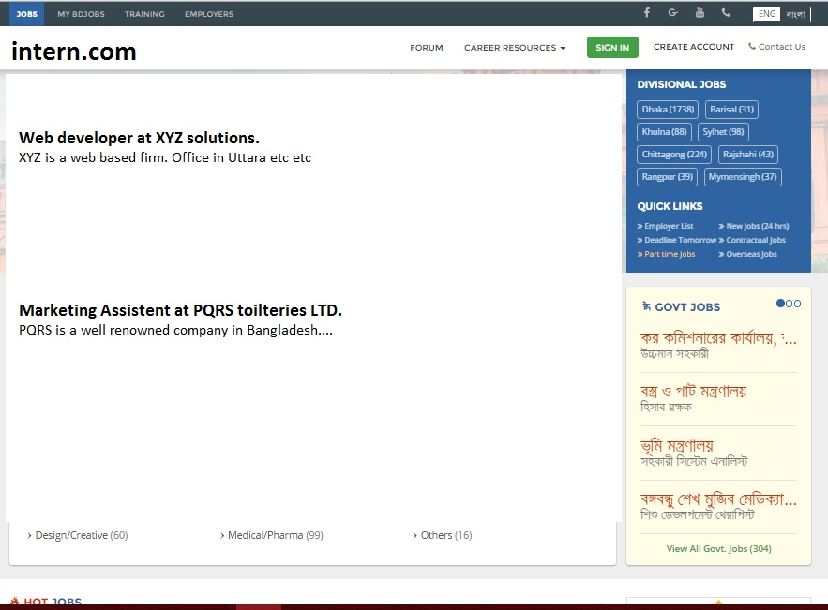

studentProfile
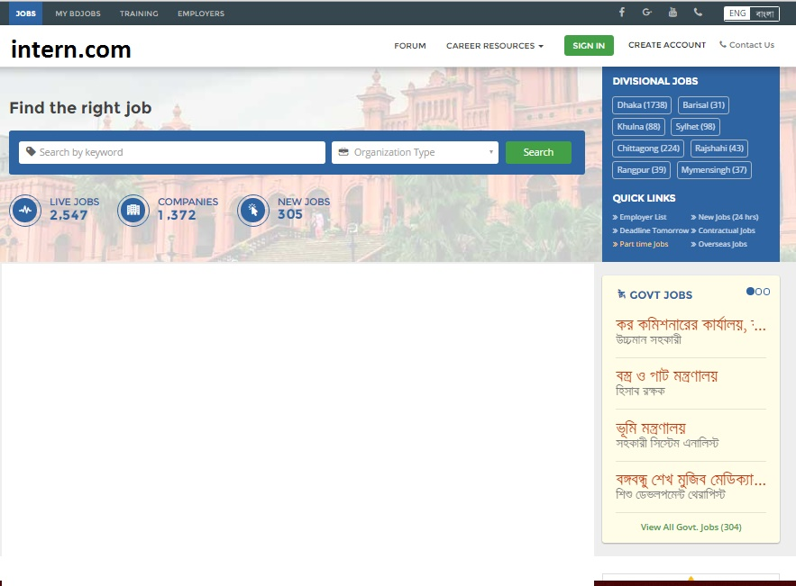

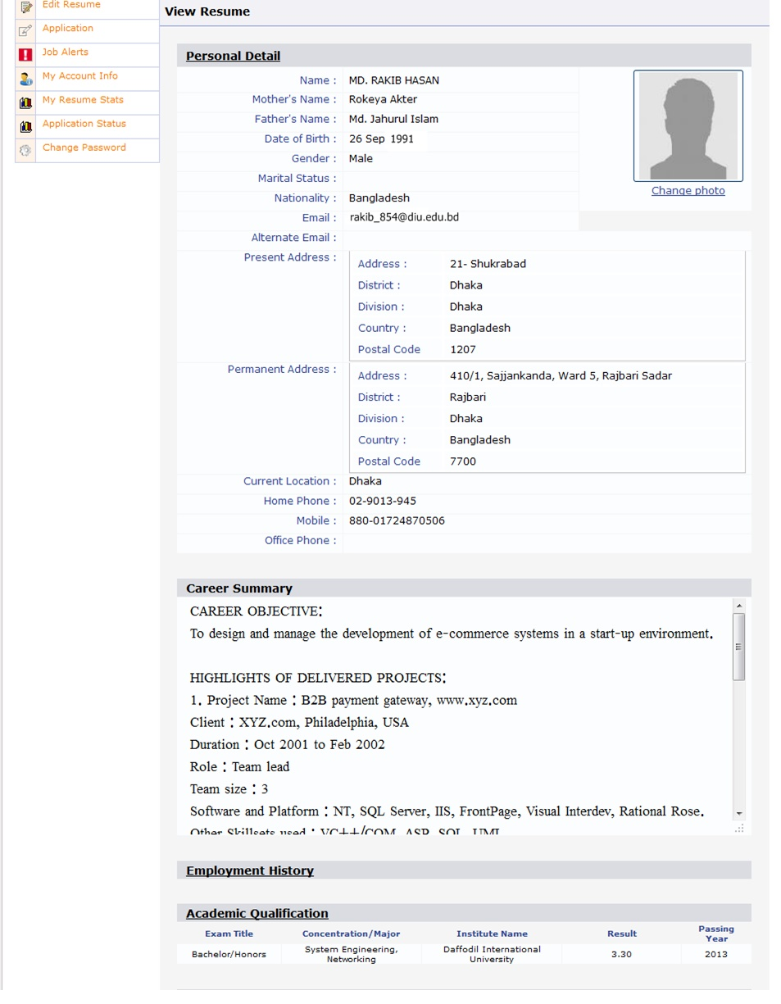

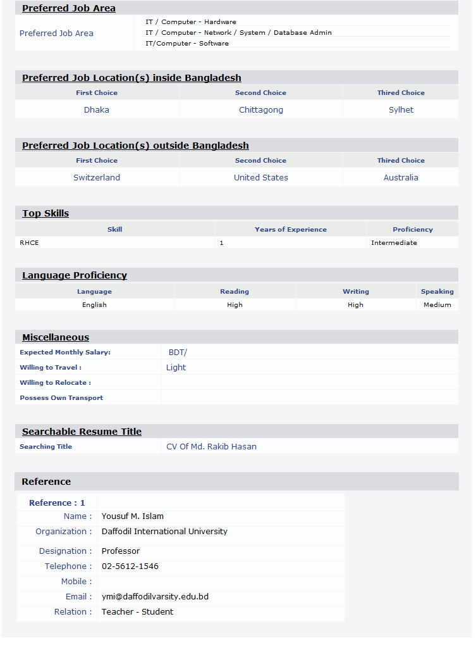

performance
Attendace -- 90%
Login/Logout -- 98%
Meeting -- 100%

empHome


empProStu
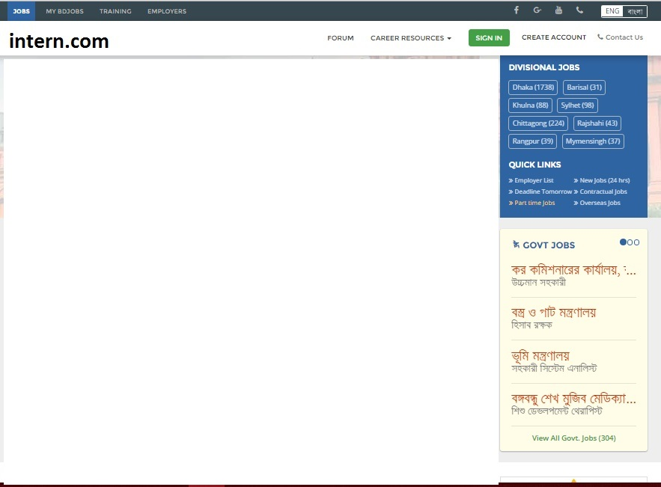

XYZ Solutions
The best in the country

Live Jobs

empPro
XYZ Solutions
The best in the country

Live Jobs

detailsEmp
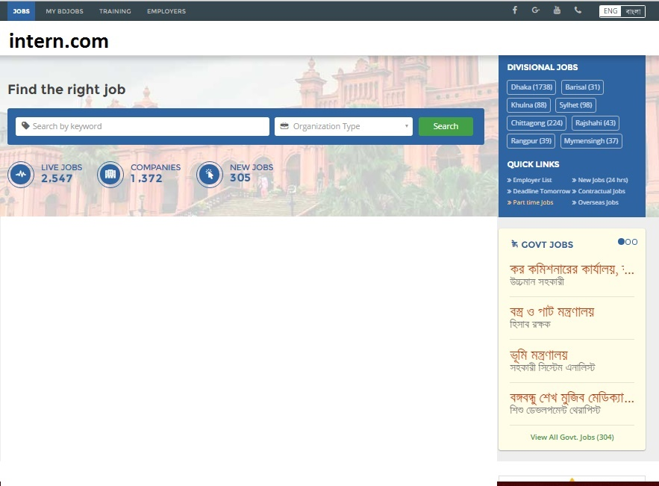

XYZ Solutions
Field: Computer Science & Engineering
Position: Andoid Developer
Duration: 6 Months
Application Deadline: 10th Nov

Xyz is a grat place for programmers. Specially for inters we provide real life working experience in complex projects. Basically this portion will reflect the text that the employer will write in "Offer in detail" box of his "Post Offer" button.

supHome
XYZ inc needs 5 people on IT/DEV as android dev for 3 months

empProSup
XYZ Solutions
The best in the country

Live Jobs

detailsSup
XYZ Solutions
Field: Computer Science & Engineering
Position: Andoid Developer
Duration: 6 Months
Application Deadline: 10th Nov

Xyz is a grat place for programmers. Specially for interns we provide real life working experience in complex projects. Basically this portion will reflect the text that the employer will write in "Offer in detail" box of his "Post Offer" button.

review
xyz solutions wants to hire Abul Hasnat as android dev
Mukto Soft wants to hire Jobayer Mojumder as .NET Developer.

ExApplicants
Jobayer Mojumder has applied for Android Developer in XYZ INC

