Sheet1
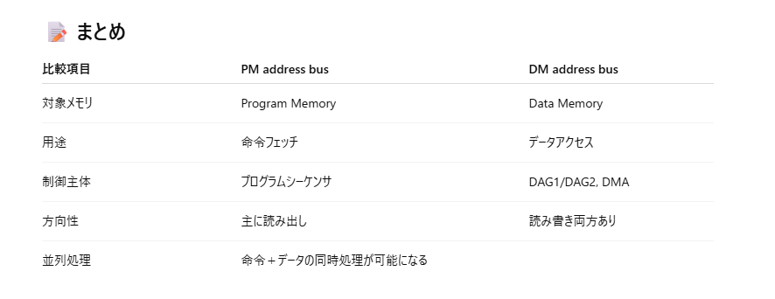
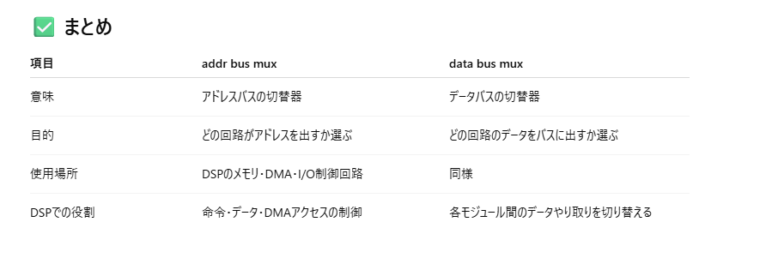
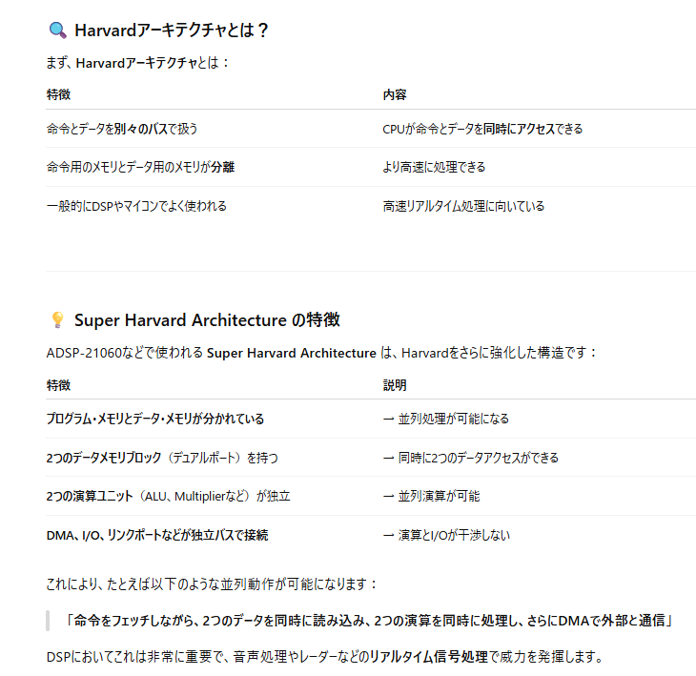
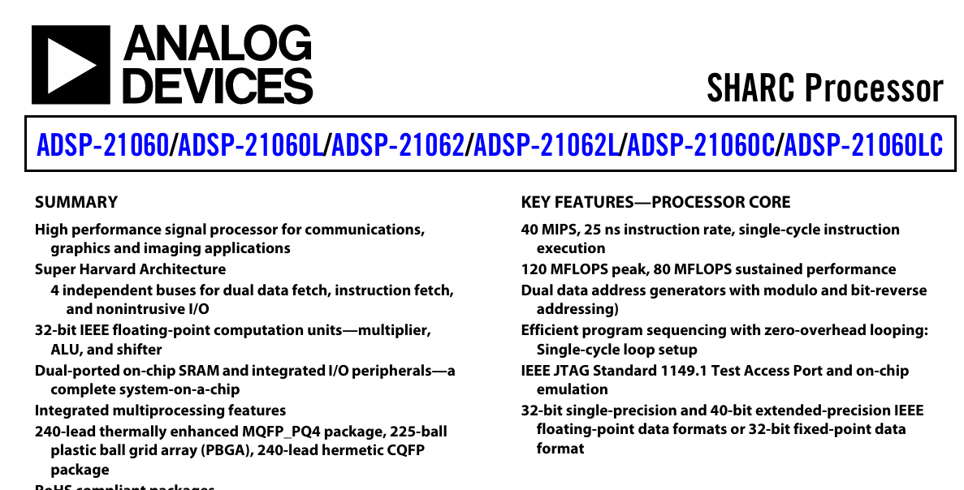

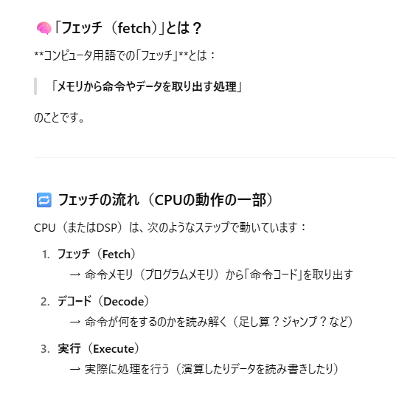

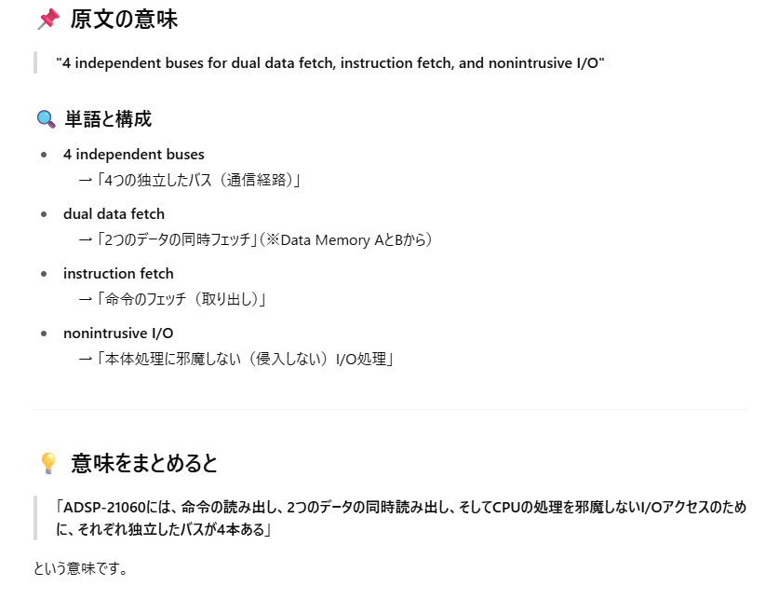

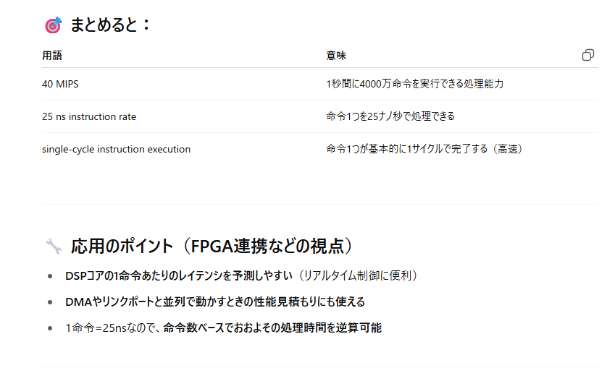

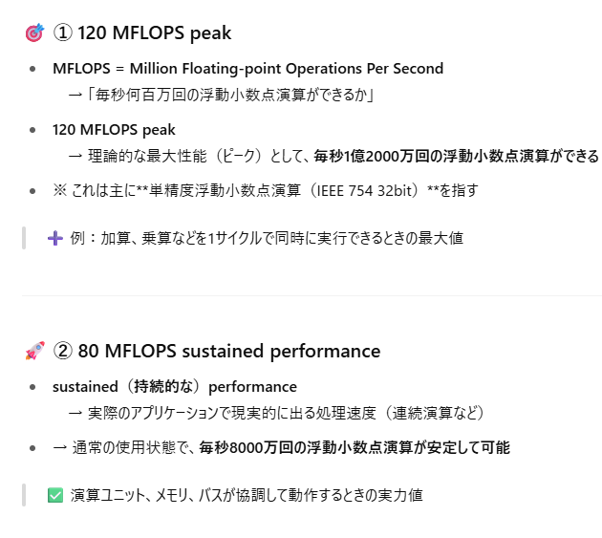

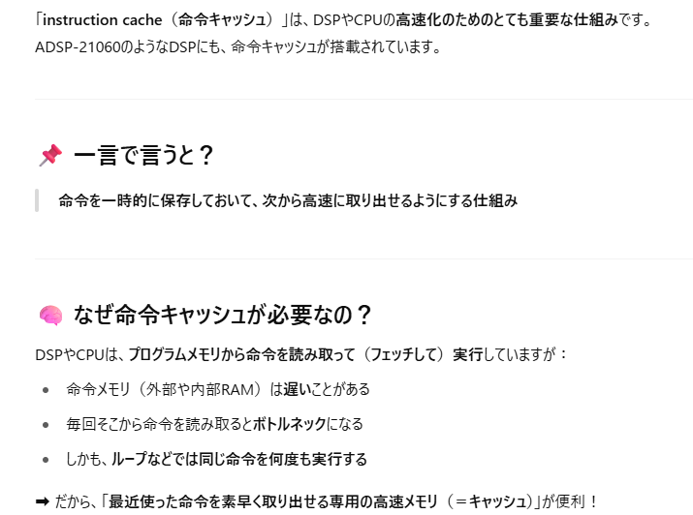
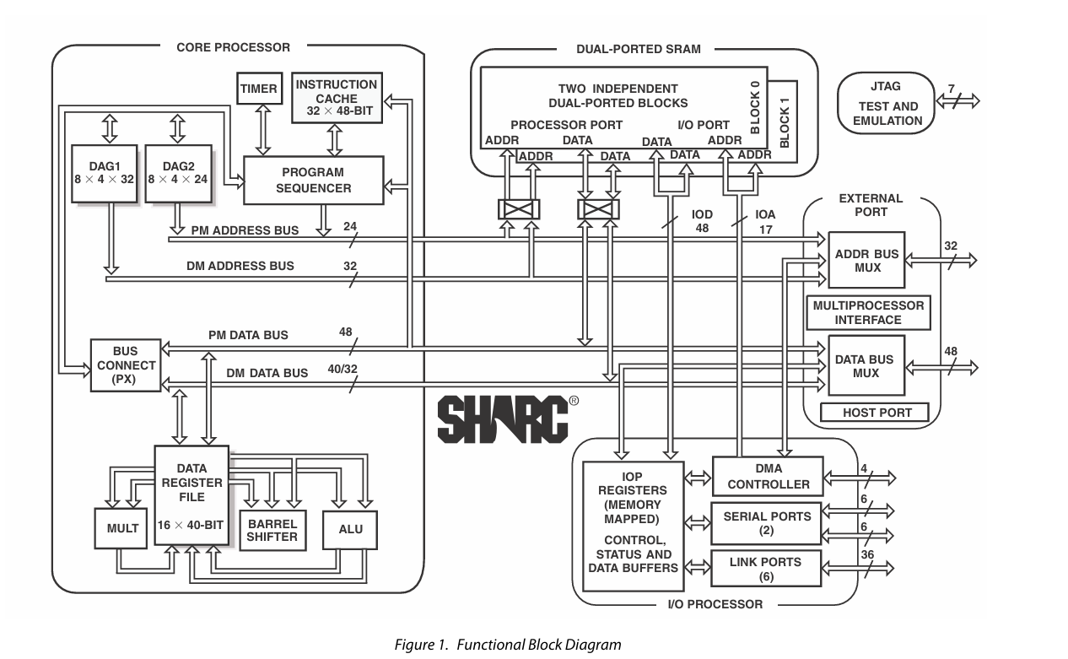

アドレス生成器（Data Address Generator）

Sheet2
電源 | VDD | 3.15~3.45V

リセット | #RESET | 電源起動時はアサートする必要がある。
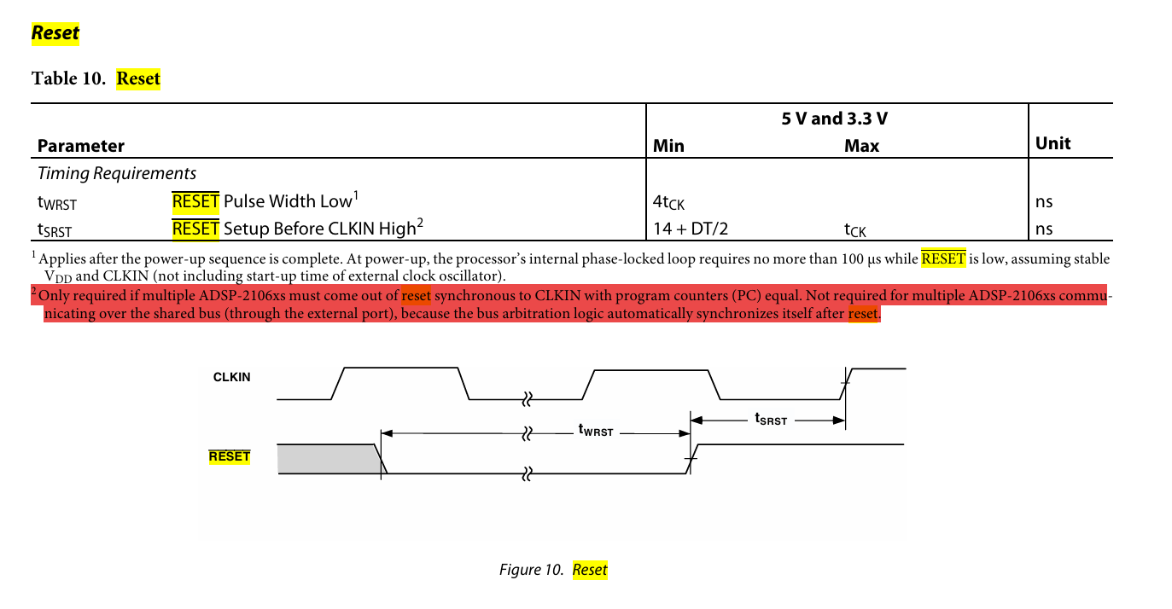

この文章の意味が謎

定格
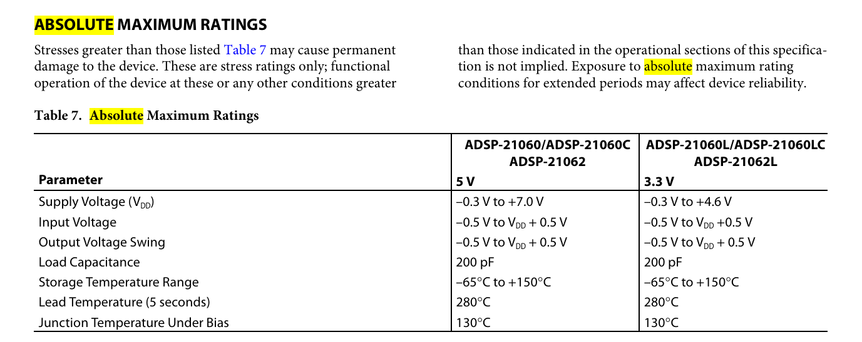

入力端子は電源ＯＮ前に電圧を印可してはいけない。

クロック
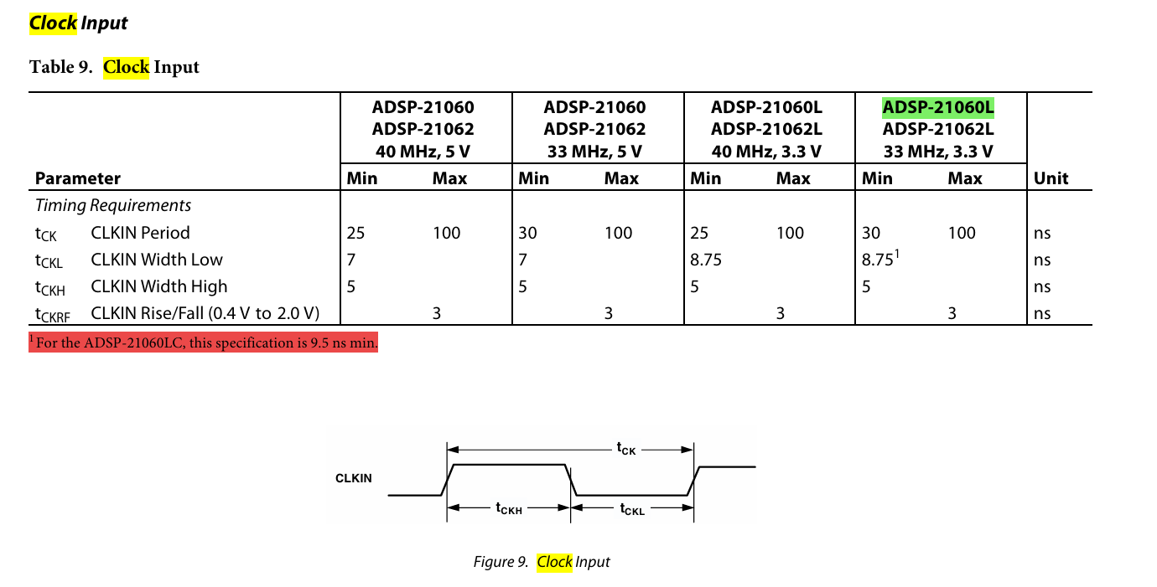

これは守る必要がある。
33MHz - 10MHz
 |  |  | 33333333.333 | 33.333333333 | MHz
 |  |  | 10000000 | 10 | MHz

ジッタ特性とかは書いてない。

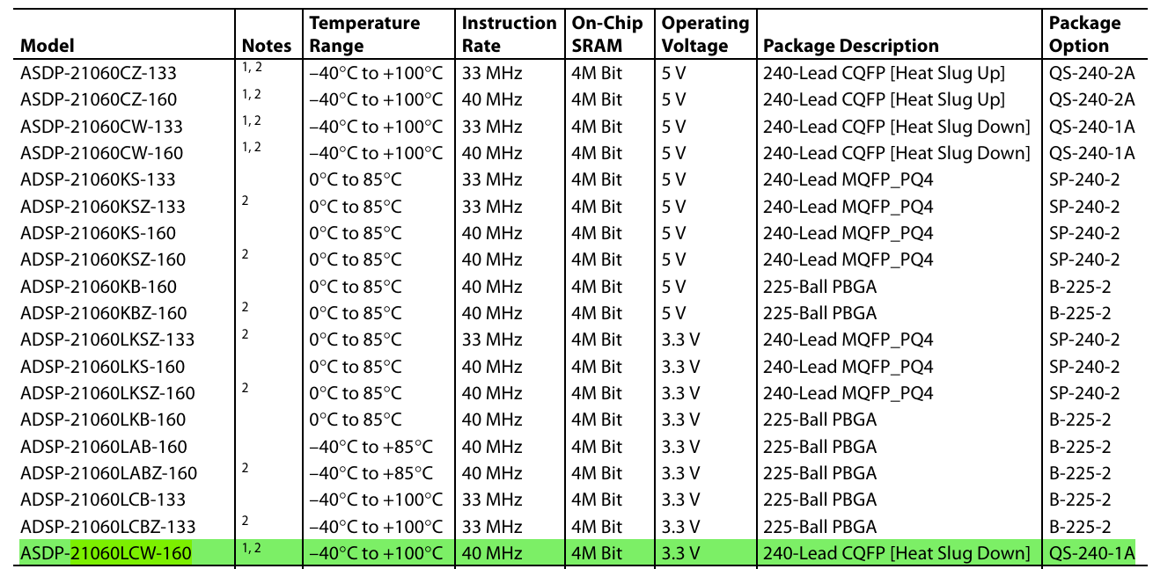

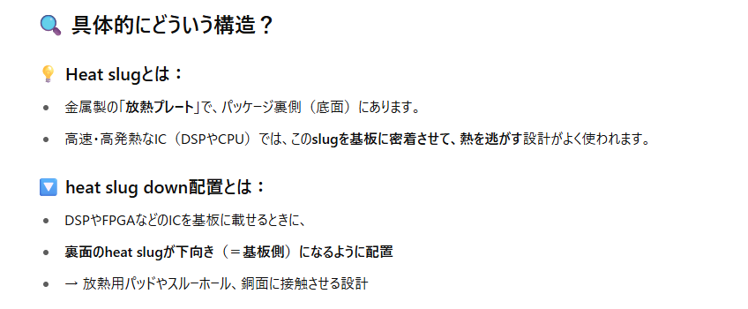

放熱の仕方が変わるかも。

シンボル
VDD
GND
DATA
ADDR
LINK PORT
240
181
JTAG
SERIAL PORT
BOOT
 |  |  | 240 | 239 | 238 | 237 | 236 | 235 | 234 | 233 | 232 | 231 | 230 | 229 | 228 | 227 | 226 | 225 | 224 | 223 | 222 | 221 | 220 | 219 | 218 | 217 | 216 | 215 | 214 | 213 | 212 | 211 | 210 | 209 | 208 | 207 | 206 | 205 | 204 | 203 | 202 | 201 | 200 | 199 | 198 | 197 | 196 | 195 | 194 | 193 | 192 | 191 | 190 | 189 | 188 | 187 | 186 | 185 | 184 | 183 | 182 | 181
1
180
 |  |  | GND | L0DAT3 | L0DAT2 | L0DAT1 | L0DAT0 | L0CLK | L0ACK | VDD | L1DAT3 | L1DAT2 | L1DAT1 | L1DAT0 | L1CLK | L1ACK | GND | GND | VDD | L2DAT3 | L2DAT2 | L2DAT1 | L2DAT0 | L2CLK | L2ACK | NC | VDD | L3DAT3 | L3DAT2 | L3DAT1 | L3DAT0 | L3CLK | L3ACK | GND | L4DAT3 | L4DAT2 | L4DAT1 | L4DAT0 | L4CLK | L4ACK | VDD | GND | VDD | L5DAT3 | L5DAT2 | L5DAT1 | L5DAT0 | L5CLK | L5ACK | GND | ID2 | ID1 | ID0 | LBOOT | RPBA | RESET | EBOOT | IRQ2 | IRQ1 | IRQ0 | TCK | TMS
 | 1 | GND |  |  |  |  |  |  |  |  |  |  |  |  |  |  |  |  |  |  |  |  |  |  |  |  |  |  |  |  |  |  |  |  |  |  |  |  |  |  |  |  |  |  |  |  |  |  |  |  |  |  |  |  |  |  |  |  |  |  |  |  | TDI | 180
 | 2 | DATA0 |  |  |  |  |  |  |  |  |  |  |  |  |  |  |  |  |  |  |  |  |  |  |  |  |  |  |  |  |  |  |  |  |  |  |  |  |  |  |  |  |  |  |  |  |  |  |  |  |  |  |  |  |  |  |  |  |  |  |  |  | TRST | 179
 | 3 | DATA1 |  |  |  |  |  |  |  |  |  |  |  |  |  |  |  |  |  |  |  |  |  |  |  |  |  |  |  |  |  |  |  |  |  |  |  |  |  |  |  |  |  |  |  |  |  |  |  |  |  |  |  |  |  |  |  |  |  |  |  |  | VDD | 178
 | 4 | DATA2 |  |  |  |  |  |  |  |  |  |  |  |  |  |  |  |  |  |  |  |  |  |  |  |  |  |  |  |  |  |  |  |  |  |  |  |  |  |  |  |  |  |  |  |  |  |  |  |  |  |  |  |  |  |  |  |  |  |  |  |  | TDO | 177
 | 5 | VDD |  |  |  |  |  |  |  |  |  |  |  |  |  |  |  |  |  |  |  |  |  |  |  |  |  |  |  |  |  |  |  |  |  |  |  |  |  |  |  |  |  |  |  |  |  |  |  |  |  |  |  |  |  |  |  |  |  |  |  |  | TIMEXP | 176
 | 6 | DATA3 |  |  |  |  |  |  |  |  |  |  |  |  |  |  |  |  |  |  |  |  |  |  |  |  |  |  |  |  |  |  |  |  |  |  |  |  |  |  |  |  |  |  |  |  |  |  |  |  |  |  |  |  |  |  |  |  |  |  |  |  | EMU | 175
 | 7 | DATA4 |  |  |  |  |  |  |  |  |  |  |  |  |  |  |  |  |  |  |  |  |  |  |  |  |  |  |  |  |  |  |  |  |  |  |  |  |  |  |  |  |  |  |  |  |  |  |  |  |  |  |  |  |  |  |  |  |  |  |  |  | ICSA | 174
 | 8 | DATA5 |  |  |  |  |  |  |  |  |  |  |  |  |  |  |  |  |  |  |  |  |  |  |  |  |  |  |  |  |  |  |  |  |  |  |  |  |  |  |  |  |  |  |  |  |  |  |  |  |  |  |  |  |  |  |  |  |  |  |  |  | FLAG3 | 173
 | 9 | GND |  |  |  |  |  |  |  |  |  |  |  |  |  |  |  |  |  |  |  |  |  |  |  |  |  |  |  |  |  |  |  |  |  |  |  |  |  |  |  |  |  |  |  |  |  |  |  |  |  |  |  |  |  |  |  |  |  |  |  |  | FLAG2 | 172
 | 10 | DATA6 |  |  |  |  |  |  |  |  |  |  |  |  |  |  |  |  |  |  |  |  |  |  |  |  |  |  |  |  |  |  |  |  |  |  |  |  |  |  |  |  |  |  |  |  |  |  |  |  |  |  |  |  |  |  |  |  |  |  |  |  | FLAG1 | 171
 | 11 | DATA7 |  |  |  |  |  |  |  |  |  |  |  |  |  |  |  |  |  |  |  |  |  |  |  |  |  |  |  |  |  |  |  |  |  |  |  |  |  |  |  |  |  |  |  |  |  |  |  |  |  |  |  |  |  |  |  |  |  |  |  |  | FLAG0 | 170
 | 12 | DATA8 |  |  |  |  |  |  |  |  |  |  |  |  |  |  |  |  |  |  |  |  |  |  |  |  |  |  |  |  |  |  |  |  |  |  |  |  |  |  |  |  |  |  |  |  |  |  |  |  |  |  |  |  |  |  |  |  |  |  |  |  | GND | 169
 | 13 | VDD |  |  |  |  |  |  |  |  |  |  |  |  |  |  |  |  |  |  |  |  |  |  |  |  |  |  |  |  |  |  |  |  |  |  |  |  |  |  |  |  |  |  |  |  |  |  |  |  |  |  |  |  |  |  |  |  |  |  |  |  | ADDR0 | 168
 | 14 | DATA9 |  |  |  |  |  |  |  |  |  |  |  |  |  |  |  |  |  |  |  |  |  |  |  |  |  |  |  |  |  |  |  |  |  |  |  |  |  |  |  |  |  |  |  |  |  |  |  |  |  |  |  |  |  |  |  |  |  |  |  |  | ADDR1 | 167
 | 15 | DATA10 |  |  |  |  |  |  |  |  |  |  |  |  |  |  |  |  |  |  |  |  |  |  |  |  |  |  |  |  |  |  |  |  |  |  |  |  |  |  |  |  |  |  |  |  |  |  |  |  |  |  |  |  |  |  |  |  |  |  |  |  | VDD | 166
 | 16 | DATA11 |  |  |  |  |  |  |  |  |  |  |  |  |  |  |  |  |  |  |  |  |  |  |  |  |  |  |  |  |  |  |  |  |  |  |  |  |  |  |  |  |  |  |  |  |  |  |  |  |  |  |  |  |  |  |  |  |  |  |  |  | ADDR2 | 165
 | 17 | GND |  |  |  |  |  |  |  |  |  |  |  |  |  |  |  |  |  |  |  |  |  |  |  |  |  |  |  |  |  |  |  |  |  |  |  |  |  |  |  |  |  |  |  |  |  |  |  |  |  |  |  |  |  |  |  |  |  |  |  |  | ADDR3 | 164
 | 18 | DATA12 |  |  |  |  |  |  |  |  |  |  |  |  |  |  |  |  |  |  |  |  |  |  |  |  |  |  |  |  |  |  |  |  |  |  |  |  |  |  |  |  |  |  |  |  |  |  |  |  |  |  |  |  |  |  |  |  |  |  |  |  | ADDR4 | 163
 | 19 | DATA13 |  |  |  |  |  |  |  |  |  |  |  |  |  |  |  |  |  |  |  |  |  |  |  |  |  |  |  |  |  |  |  |  |  |  |  |  |  |  |  |  |  |  |  |  |  |  |  |  |  |  |  |  |  |  |  |  |  |  |  |  | GND | 162
 | 20 | DATA14 |  |  |  |  |  |  |  |  |  |  |  |  |  |  |  |  |  |  |  |  |  |  |  |  |  |  |  |  |  |  |  |  |  |  |  |  |  |  |  |  |  |  |  |  |  |  |  |  |  |  |  |  |  |  |  |  |  |  |  |  | ADDR5 | 161
 | 21 | VDD |  |  |  |  |  |  |  |  |  |  |  |  |  |  |  |  |  |  |  |  |  |  |  |  |  |  |  |  |  |  |  |  |  |  |  |  |  |  |  |  |  |  |  |  |  |  |  |  |  |  |  |  |  |  |  |  |  |  |  |  | ADDR6 | 160
 | 22 | DATA15 |  |  |  |  |  |  |  |  |  |  |  |  |  |  |  |  |  |  |  |  |  |  |  |  |  |  |  |  |  |  |  |  |  |  |  |  |  |  |  |  |  |  |  |  |  |  |  |  |  |  |  |  |  |  |  |  |  |  |  |  | ADDR7 | 159
 | 23 | DATA16 |  |  |  |  |  |  |  |  |  |  |  |  |  |  |  |  |  |  |  |  |  |  |  |  |  |  |  |  |  |  |  |  |  |  |  |  |  |  |  |  |  |  |  |  |  |  |  |  |  |  |  |  |  |  |  |  |  |  |  |  | VDD | 158
 | 24 | DATA17 |  |  |  |  |  |  |  |  |  |  |  |  |  |  |  |  |  |  |  |  |  |  |  |  |  |  |  |  |  |  |  |  |  |  |  |  |  |  |  |  |  |  |  |  |  |  |  |  |  |  |  |  |  |  |  |  |  |  |  |  | ADDR8 | 157
 | 25 | GND |  |  |  |  |  |  |  |  |  |  |  |  |  |  |  |  |  |  |  |  |  |  |  |  |  |  |  |  |  |  |  |  |  |  |  |  |  |  |  |  |  |  |  |  |  |  |  |  |  |  |  |  |  |  |  |  |  |  |  |  | ADDR9 | 156
 | 26 | DATA18 |  |  |  |  |  |  |  |  |  |  |  |  |  |  |  |  |  |  |  |  |  |  |  |  |  |  |  |  |  |  |  |  |  |  |  |  |  |  |  |  |  |  |  |  |  |  |  |  |  |  |  |  |  |  |  |  |  |  |  |  | ADDR10 | 155
 | 27 | DATA19 |  |  |  |  |  |  |  |  |  |  |  |  |  |  |  |  |  |  |  |  |  |  |  |  |  |  |  |  |  |  |  |  |  |  |  |  |  |  |  |  |  |  |  |  |  |  |  |  |  |  |  |  |  |  |  |  |  |  |  |  | GND | 154
 | 28 | DATA20 |  |  |  |  |  |  |  |  |  |  |  |  |  |  |  |  |  |  |  |  |  |  |  |  |  |  |  |  |  |  |  |  |  |  |  |  |  |  |  |  |  |  |  |  |  |  |  |  |  |  |  |  |  |  |  |  |  |  |  |  | ADDR11 | 153
 | 29 | VDD |  |  |  |  |  |  |  |  |  |  |  |  |  |  |  |  |  |  |  |  |  |  |  |  |  |  |  |  |  |  |  |  |  |  |  |  |  |  |  |  |  |  |  |  |  |  |  |  |  |  |  |  |  |  |  |  |  |  |  |  | ADDR12 | 152
 | 30 | DATA21 |  |  |  |  |  |  |  |  |  |  |  |  |  |  |  |  |  |  |  |  |  |  |  |  |  |  |  |  |  |  |  |  |  |  |  |  |  |  |  |  |  |  |  |  |  |  |  |  |  |  |  |  |  |  |  |  |  |  |  |  | ADDR13 | 151
 | 31 | DATA22 |  |  |  |  |  |  |  |  |  |  |  |  |  |  |  |  |  |  |  |  |  |  |  |  |  |  |  |  |  |  |  |  |  |  |  |  |  |  |  |  |  |  |  |  |  |  |  |  |  |  |  |  |  |  |  |  |  |  |  |  | VDD | 150
 | 32 | DATA23 |  |  |  |  |  |  |  |  |  |  |  |  |  |  |  |  |  |  |  |  |  |  |  |  |  |  |  |  |  |  |  |  |  |  |  |  |  |  |  |  |  |  |  |  |  |  |  |  |  |  |  |  |  |  |  |  |  |  |  |  | ADDR14 | 149
TOP VIEW
 | 33 | GND |  |  |  |  |  |  |  |  |  |  |  |  |  |  |  |  |  |  |  |  |  |  |  |  |  |  |  |  |  |  |  |  |  |  |  |  |  |  |  |  |  |  |  |  |  |  |  |  |  |  |  |  |  |  |  |  |  |  |  |  | ADDR15 | 148
 | 34 | DATA24 |  |  |  |  |  |  |  |  |  |  |  |  |  |  |  |  |  |  |  |  |  |  |  |  |  |  |  |  |  |  |  |  |  |  |  |  |  |  |  |  |  |  |  |  |  |  |  |  |  |  |  |  |  |  |  |  |  |  |  |  | GND | 147
 | 35 | DATA25 |  |  |  |  |  |  |  |  |  |  |  |  |  |  |  |  |  |  |  |  |  |  |  |  |  |  |  |  |  |  |  |  |  |  |  |  |  |  |  |  |  |  |  |  |  |  |  |  |  |  |  |  |  |  |  |  |  |  |  |  | ADDR16 | 146
 | 36 | DATA26 |  |  |  |  |  |  |  |  |  |  |  |  |  |  |  |  |  |  |  |  |  |  |  |  |  |  |  |  |  |  |  |  |  |  |  |  |  |  |  |  |  |  |  |  |  |  |  |  |  |  |  |  |  |  |  |  |  |  |  |  | ADDR17 | 145
 | 37 | VDD |  |  |  |  |  |  |  |  |  |  |  |  |  |  |  |  |  |  |  |  |  |  |  |  |  |  |  |  |  |  |  |  |  |  |  |  |  |  |  |  |  |  |  |  |  |  |  |  |  |  |  |  |  |  |  |  |  |  |  |  | ADDR18 | 144
 | 38 | VDD |  |  |  |  |  |  |  |  |  |  |  |  |  |  |  |  |  |  |  |  |  |  |  |  |  |  |  |  |  |  |  |  |  |  |  |  |  |  |  |  |  |  |  |  |  |  |  |  |  |  |  |  |  |  |  |  |  |  |  |  | VDD | 143
 | 39 | DATA27 |  |  |  |  |  |  |  |  |  |  |  |  |  |  |  |  |  |  |  |  |  |  |  |  |  |  |  |  |  |  |  |  |  |  |  |  |  |  |  |  |  |  |  |  |  |  |  |  |  |  |  |  |  |  |  |  |  |  |  |  | VDD | 142
 | 40 | DATA28 |  |  |  |  |  |  |  |  |  |  |  |  |  |  |  |  |  |  |  |  |  |  |  |  |  |  |  |  |  |  |  |  |  |  |  |  |  |  |  |  |  |  |  |  |  |  |  |  |  |  |  |  |  |  |  |  |  |  |  |  | ADDR19 | 141
 | 41 | DATA29 |  |  |  |  |  |  |  |  |  |  |  |  |  |  |  |  |  |  |  |  |  |  |  |  |  |  |  |  |  |  |  |  |  |  |  |  |  |  |  |  |  |  |  |  |  |  |  |  |  |  |  |  |  |  |  |  |  |  |  |  | ADDR20 | 140
 | 42 | GND |  |  |  |  |  |  |  |  |  |  |  |  |  |  |  |  |  |  |  |  |  |  |  |  |  |  |  |  |  |  |  |  |  |  |  |  |  |  |  |  |  |  |  |  |  |  |  |  |  |  |  |  |  |  |  |  |  |  |  |  | ADDR21 | 139
 | 43 | DATA30 |  |  |  |  |  |  |  |  |  |  |  |  |  |  |  |  |  |  |  |  |  |  |  |  |  |  |  |  |  |  |  |  |  |  |  |  |  |  |  |  |  |  |  |  |  |  |  |  |  |  |  |  |  |  |  |  |  |  |  |  | GND | 138
 | 44 | DATA31 |  |  |  |  |  |  |  |  |  |  |  |  |  |  |  |  |  |  |  |  |  |  |  |  |  |  |  |  |  |  |  |  |  |  |  |  |  |  |  |  |  |  |  |  |  |  |  |  |  |  |  |  |  |  |  |  |  |  |  |  | ADDR22 | 137
 | 45 | DATA32 |  |  |  |  |  |  |  |  |  |  |  |  |  |  |  |  |  |  |  |  |  |  |  |  |  |  |  |  |  |  |  |  |  |  |  |  |  |  |  |  |  |  |  |  |  |  |  |  |  |  |  |  |  |  |  |  |  |  |  |  | ADDR23 | 136
 | 46 | GND |  |  |  |  |  |  |  |  |  |  |  |  |  |  |  |  |  |  |  |  |  |  |  |  |  |  |  |  |  |  |  |  |  |  |  |  |  |  |  |  |  |  |  |  |  |  |  |  |  |  |  |  |  |  |  |  |  |  |  |  | ADDR24 | 135
HEAT SLUG
 | 47 | VDD |  |  |  |  |  |  |  |  |  |  |  |  |  |  |  |  |  |  |  |  |  |  |  |  |  |  |  |  |  |  |  |  |  |  |  |  |  |  |  |  |  |  |  |  |  |  |  |  |  |  |  |  |  |  |  |  |  |  |  |  | VDD | 134
 | 48 | VDD |  |  |  |  |  |  |  |  |  |  |  |  |  |  |  |  |  |  |  |  |  |  |  |  |  |  |  |  |  |  |  |  |  |  |  |  |  |  |  |  |  |  |  |  |  |  |  |  |  |  |  |  |  |  |  |  |  |  |  |  | GND | 133
 | 49 | DATA33 |  |  |  |  |  |  |  |  |  |  |  |  |  |  |  |  |  |  |  |  |  |  |  |  |  |  |  |  |  |  |  |  |  |  |  |  |  |  |  |  |  |  |  |  |  |  |  |  |  |  |  |  |  |  |  |  |  |  |  |  | VDD | 132
 | 50 | DATA34 |  |  |  |  |  |  |  |  |  |  |  |  |  |  |  |  |  |  |  |  |  |  |  |  |  |  |  |  |  |  |  |  |  |  |  |  |  |  |  |  |  |  |  |  |  |  |  |  |  |  |  |  |  |  |  |  |  |  |  |  | ADDR25 | 131
 | 51 | DATA35 |  |  |  |  |  |  |  |  |  |  |  |  |  |  |  |  |  |  |  |  |  |  |  |  |  |  |  |  |  |  |  |  |  |  |  |  |  |  |  |  |  |  |  |  |  |  |  |  |  |  |  |  |  |  |  |  |  |  |  |  | ADDR26 | 130
 | 52 | NC |  |  |  |  |  |  |  |  |  |  |  |  |  |  |  |  |  |  |  |  |  |  |  |  |  |  |  |  |  |  |  |  |  |  |  |  |  |  |  |  |  |  |  |  |  |  |  |  |  |  |  |  |  |  |  |  |  |  |  |  | ADDR27 | 129
 | 53 | GND |  |  |  |  |  |  |  |  |  |  |  |  |  |  |  |  |  |  |  |  |  |  |  |  |  |  |  |  |  |  |  |  |  |  |  |  |  |  |  |  |  |  |  |  |  |  |  |  |  |  |  |  |  |  |  |  |  |  |  |  | GND | 128
 | 54 | DATA36 |  |  |  |  |  |  |  |  |  |  |  |  |  |  |  |  |  |  |  |  |  |  |  |  |  |  |  |  |  |  |  |  |  |  |  |  |  |  |  |  |  |  |  |  |  |  |  |  |  |  |  |  |  |  |  |  |  |  |  |  | MS3 | 127
 | 55 | DATA37 |  |  |  |  |  |  |  |  |  |  |  |  |  |  |  |  |  |  |  |  |  |  |  |  |  |  |  |  |  |  |  |  |  |  |  |  |  |  |  |  |  |  |  |  |  |  |  |  |  |  |  |  |  |  |  |  |  |  |  |  | MS2 | 126
 | 56 | DATA38 |  |  |  |  |  |  |  |  |  |  |  |  |  |  |  |  |  |  |  |  |  |  |  |  |  |  |  |  |  |  |  |  |  |  |  |  |  |  |  |  |  |  |  |  |  |  |  |  |  |  |  |  |  |  |  |  |  |  |  |  | MS1 | 125
 | 57 | VDD |  |  |  |  |  |  |  |  |  |  |  |  |  |  |  |  |  |  |  |  |  |  |  |  |  |  |  |  |  |  |  |  |  |  |  |  |  |  |  |  |  |  |  |  |  |  |  |  |  |  |  |  |  |  |  |  |  |  |  |  | MS0 | 124
 | 58 | DATA39 |  |  |  |  |  |  |  |  |  |  |  |  |  |  |  |  |  |  |  |  |  |  |  |  |  |  |  |  |  |  |  |  |  |  |  |  |  |  |  |  |  |  |  |  |  |  |  |  |  |  |  |  |  |  |  |  |  |  |  |  | SW | 123
 | 59 | DATA40 |  |  |  |  |  |  |  |  |  |  |  |  |  |  |  |  |  |  |  |  |  |  |  |  |  |  |  |  |  |  |  |  |  |  |  |  |  |  |  |  |  |  |  |  |  |  |  |  |  |  |  |  |  |  |  |  |  |  |  |  | BMS | 122
 | 60 | DATA41 |  |  |  |  |  |  |  |  |  |  |  |  |  |  |  |  |  |  |  |  |  |  |  |  |  |  |  |  |  |  |  |  |  |  |  |  |  |  |  |  |  |  |  |  |  |  |  |  |  |  |  |  |  |  |  |  |  |  |  |  | ADDR28 | 121
60
121
 |  |  | GND | DATA42 | DATA43 | DATA44 | VDD | DATA45 | DATA46 | DATA47 | GND | VDD | GND | BR1 | BR2 | BR3 | BR4 | BR5 | BR6 | VDD | PAGE | DMAG1 | DMAG2 | ACK | CLKIN | GND | VDD | GND | WR | RD | CS | HBG | REDY | ADRCLK | GND | VDD | VDD | RFS0 | RCLK0 | DR0 | TFS0 | TCLK0 | DT0 | CPA | GND | RFS1 | RCLK1 | DR1 | TFS1 | TCLK1 | DT1 | HBR | DMAR1 | DMAR2 | SBTS | GND | ADDR31 | ADDR30 | ADDR29 | VDD | VDD | GND
120
 |  |  | 61 | 62 | 63 | 64 | 65 | 66 | 67 | 68 | 69 | 70 | 71 | 72 | 73 | 74 | 75 | 76 | 77 | 78 | 79 | 80 | 81 | 82 | 83 | 84 | 85 | 86 | 87 | 88 | 89 | 90 | 91 | 92 | 93 | 94 | 95 | 96 | 97 | 98 | 99 | 100 | 101 | 102 | 103 | 104 | 105 | 106 | 107 | 108 | 109 | 110 | 111 | 112 | 113 | 114 | 115 | 116 | 117 | 118 | 119 | 120
61

