8. Dasboard Creation
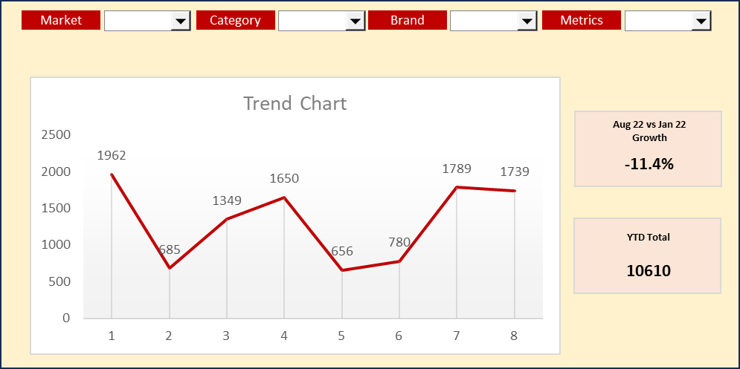
Ex 8 |  | Raw Data
 | Market | Manufactrer | Category | Trademark | Band | Metrics | Jan-22 | Feb-22 | Mar-22 | Apr-22 | May-22 | Jun-22 | Jul-22 | Aug-22
 | India | PepsiCo | Core Sparkling | Pepsi-Cola | PC | Value | 1962 | 685 | 1349 | 1650 | 656 | 780 | 1789 | 1739
 | India | PepsiCo | Core Sparkling | Pepsi-Cola | PC | Volume | 3086 | 2425 | 1817 | 1631 | 2818 | 1203 | 2474 | 2724
 | India | PepsiCo | Core Sparkling | Pepsi-Cola | PM | Value | 1113 | 919 | 525 | 1216 | 993 | 360 | 598 | 875
 | India | PepsiCo | Core Sparkling | Pepsi-Cola | PM | Volume | 2312 | 1225 | 2507 | 2358 | 1651 | 1589 | 1184 | 1478
 | India | PepsiCo | Juice | Tropicana | TO | Value | 1070 | 1012 | 344 | 1149 | 900 | 380 | 1185 | 841
 | India | PepsiCo | Juice | Tropicana | TO | Volume | 209 | 150 | 325 | 804 | 534 | 834 | 795 | 255
 | India | PepsiCo | Juice | Tropicana | TT | Value | 803 | 610 | 896 | 239 | 140 | 238 | 342 | 577
 | India | PepsiCo | Juice | Tropicana | TT | Volume | 793 | 657 | 362 | 422 | 164 | 139 | 559 | 147
 | India | TCCC | Core Sparkling | Coca-Cola | CCO | Value | 682 | 1434 | 1041 | 968 | 1228 | 1791 | 1392 | 1324
 | India | TCCC | Core Sparkling | Coca-Cola | CCO | Volume | 1131 | 917 | 961 | 732 | 1079 | 1363 | 1135 | 233
 | India | TCCC | Core Sparkling | Coca-Cola | CCZ | Value | 1580 | 1764 | 1256 | 964 | 1565 | 1055 | 1152 | 558
 | India | TCCC | Core Sparkling | Coca-Cola | CCZ | Volume | 1439 | 2377 | 1207 | 2240 | 2319 | 1177 | 1525 | 961
 | India | TCCC | Juice | Minute Maid | MMN | Value | 514 | 746 | 792 | 755 | 726 | 175 | 785 | 173
 | India | TCCC | Juice | Minute Maid | MMN | Volume | 315 | 765 | 754 | 483 | 718 | 972 | 232 | 682
 | India | TCCC | Juice | Minute Maid | MMP | Value | 1312 | 1755 | 574 | 339 | 1329 | 1532 | 1668 | 520
 | India | TCCC | Juice | Minute Maid | MMP | Volume | 577 | 550 | 705 | 208 | 620 | 199 | 850 | 284
 | Bangladesh | PepsiCo | Core Sparkling | Pepsi-Cola | PC | Value | 491 | 171 | 675 | 825 | 164 | 195 | 895 | 435
 | Bangladesh | PepsiCo | Core Sparkling | Pepsi-Cola | PC | Volume | 1029 | 606 | 606 | 816 | 705 | 301 | 619 | 681
 | Bangladesh | PepsiCo | Core Sparkling | Pepsi-Cola | PM | Value | 278 | 306 | 131 | 608 | 248 | 120 | 199 | 438
 | Bangladesh | PepsiCo | Core Sparkling | Pepsi-Cola | PM | Volume | 771 | 408 | 627 | 786 | 826 | 795 | 296 | 739
 | Bangladesh | PepsiCo | Juice | Tropicana | TO | Value | 268 | 506 | 172 | 575 | 450 | 127 | 593 | 210
 | Bangladesh | PepsiCo | Juice | Tropicana | TO | Volume | 105 | 75 | 108 | 268 | 267 | 278 | 199 | 85
 | Bangladesh | PepsiCo | Juice | Tropicana | TT | Value | 268 | 305 | 448 | 60 | 70 | 79 | 171 | 289
 | Bangladesh | PepsiCo | Juice | Tropicana | TT | Volume | 397 | 329 | 91 | 211 | 55 | 70 | 186 | 37
 | Bangladesh | TCCC | Core Sparkling | Coca-Cola | CCO | Value | 341 | 478 | 347 | 323 | 307 | 597 | 348 | 331
 | Bangladesh | TCCC | Core Sparkling | Coca-Cola | CCO | Volume | 377 | 229 | 320 | 244 | 270 | 341 | 568 | 117
 | Bangladesh | TCCC | Core Sparkling | Coca-Cola | CCZ | Value | 790 | 882 | 419 | 482 | 391 | 264 | 288 | 186
 | Bangladesh | TCCC | Core Sparkling | Coca-Cola | CCZ | Volume | 480 | 792 | 302 | 747 | 1160 | 392 | 508 | 240
 | Bangladesh | TCCC | Juice | Minute Maid | MMN | Value | 171 | 249 | 264 | 252 | 242 | 44 | 196 | 58
 | Bangladesh | TCCC | Juice | Minute Maid | MMN | Volume | 158 | 255 | 251 | 242 | 180 | 243 | 58 | 171
 | Bangladesh | TCCC | Juice | Minute Maid | MMP | Value | 656 | 585 | 144 | 85 | 665 | 511 | 834 | 260
 | Bangladesh | TCCC | Juice | Minute Maid | MMP | Volume | 192 | 275 | 176 | 52 | 155 | 50 | 213 | 142
 | Srilanka | PepsiCo | Core Sparkling | Pepsi-Cola | PC | Value | 654 | 171 | 270 | 413 | 219 | 156 | 596 | 348
 | Srilanka | PepsiCo | Core Sparkling | Pepsi-Cola | PC | Volume | 772 | 808 | 454 | 544 | 705 | 301 | 825 | 681
 | Srilanka | PepsiCo | Core Sparkling | Pepsi-Cola | PM | Value | 371 | 230 | 131 | 304 | 199 | 90 | 199 | 292
 | Srilanka | PepsiCo | Core Sparkling | Pepsi-Cola | PM | Volume | 578 | 408 | 501 | 590 | 550 | 318 | 395 | 370
 | Srilanka | PepsiCo | Juice | Tropicana | TO | Value | 214 | 202 | 69 | 287 | 180 | 76 | 237 | 210
 | Srilanka | PepsiCo | Juice | Tropicana | TO | Volume | 52 | 30 | 65 | 268 | 178 | 278 | 265 | 64
 | Srilanka | PepsiCo | Juice | Tropicana | TT | Value | 268 | 153 | 179 | 80 | 35 | 48 | 68 | 144
 | Srilanka | PepsiCo | Juice | Tropicana | TT | Volume | 264 | 164 | 72 | 84 | 41 | 28 | 140 | 29
 | Srilanka | TCCC | Core Sparkling | Coca-Cola | CCO | Value | 171 | 359 | 260 | 323 | 246 | 597 | 348 | 265
 | Srilanka | TCCC | Core Sparkling | Coca-Cola | CCO | Volume | 283 | 306 | 320 | 146 | 360 | 454 | 284 | 47
 | Srilanka | TCCC | Core Sparkling | Coca-Cola | CCZ | Value | 395 | 588 | 314 | 193 | 522 | 264 | 384 | 186
 | Srilanka | TCCC | Core Sparkling | Coca-Cola | CCZ | Volume | 288 | 475 | 402 | 560 | 773 | 235 | 508 | 320
 | Srilanka | TCCC | Juice | Minute Maid | MMN | Value | 129 | 187 | 264 | 189 | 182 | 58 | 157 | 43
 | Srilanka | TCCC | Juice | Minute Maid | MMN | Volume | 63 | 191 | 151 | 161 | 180 | 324 | 46 | 171
 | Srilanka | TCCC | Juice | Minute Maid | MMP | Value | 328 | 439 | 115 | 85 | 443 | 383 | 334 | 130
 | Srilanka | TCCC | Juice | Minute Maid | MMP | Volume | 115 | 138 | 141 | 52 | 207 | 50 | 170 | 95

 | Create a simple dashboard with Selections

 | 1 | Market
 | 2 | Category
 | 3 | Brand
 | 4 | Metrics

 |  | Dashboard should have Trand Chart, Growth from Jan to Aug, and YTD (Year to Date) Aug 22 based on the selection Dropdown
 |  |  | YTD = Sum of all the numbers from Jan to Aug
 |  | Sample - | You can use your own Visulization, Logic, Formula and colors. Better the best. Also give Header to the Dasboard

