D9S1
Buctril Super – Wheat Farmer Session QUICK REPORT |  |  |  | Date | 2025-12-03 | Day: | 9
1. Session Summary |  | Spot:(Dealer shop/ Field /Dera /Other)
Sessopm | Village / Mauza | Tehsil / District | Host |  | Nearest Dealer Name, Shop | Contact | Location Coordinate:
1 | Bassti Seerein | Muzaffar Ghar | Bilal Gorai | 0307-6344702 | M. Sari Ahmed, Al Sarn & Brother | 0300-4936442 | 30°01'07.0"N 71°07'10.7"E
2. Buctril Awareness & Intent (numbers only)
Total farmers present |  | 28 | Total wheat farmers (approx.) | 28 | Total wheat acres represented (approx.) |  | 320
Farmers who already know Buctril Super |  | 25 | Farmers who used Buctril Super last year | 22 | Farmers who say they will definitely use this year |  | 26
Farmers who say 'maybe' / will think |  | 2 | Farmers clearly not interested |  | Estimated acres to be sprayed with Buctril Super (this group) |  | 305
3. Message Understanding (1–3 score for whole group) |  |  |  | Score Guide: 1 = Not understood, 2 = Partly understood, 3 = Very clear |  |  | Score (1–3)
 | Weeds can reduce wheat yield by 20–40% | Golden Period: 30–40 days after sowing is critical for weed control | Buctril Super = for broadleaf weeds in wheat | Buctril Super + Atlantis Super = for mixed weeds (broadleaf + grassy) | Safety & PPE (no smoking, gloves/mask, wash after spray)
 | 2 | 3 | 3 | 3 | 3
4. Reasons to Use / Not Use Buctril Super (count how many farmers said each)
Reasons to USE Buctril Super |  |  |  | Supervisor to observe Reasons NOT to use / delay (DON’T ASK, JUDGE)
 | Reason |  | Count | Reason |  |  | Count
1 | Better weed control vs other options |  | 20 | Price too high
2 | Safe on crop (no burning) |  | 21 | Happy with existing generic brand
3 | Trust in Bayer brand |  | 25 | Fear of crop damage / burning
4 | Good past experience |  | 22 | No money / credit at the moment
5 | Dealer strongly recommending |  |  | Product not available at dealer
6 | Offer / scheme / gift |  |  | Do not believe in herbicide / prefer manual weeding
7 | Other (write) |  |  | Other (write)
5. Key Influencer Farmers (only 3 quick entries)
SN | Farmer Name | Mobile / WhatsApp | Village | Wheat acres (approx.) | Buctril Plan (Yes / Maybe / No) | Other Brands / Method to control | Remarks if any
1 | Bilal Khan | 0300-6346702 | Basti Seerin | 25 |  |  | Cap.
2 | Mukhtzar Khan | 0304-7325640 |  | 25
3 | Manzoor Hussain | 0300-3868355 |  | 5
4 | Sajjad Hussain | 0301-8741412 |  | 7
5 | Malik Allah Ditta | 0306-7627351 |  | 5
6 | Ghulam Akbar Khan | 0346-7946595 |  | 5 | May be | Target
7 | Muhammad Iqbal | 0333-6467690 |  | 7
8 | Asghar Ali | 0329-8131451 |  | 5
9 | M. Bukhtash | 0339-7203326 |  | 5
10 | M. Afzal | 0306-7816457 |  | 2
11 | Pervaiz Husnain | 0308-7354624 |  | 12
12 | Shahid | 0301-1168781 |  | 10
13 | M. Iqbal | 0321-3196003 |  | 5 |  |  | Cap
14 | Altaf Muhammad | 0303-6412354 |  | 10 |  |  | Cap
15 | Akhtar Hussain | 0308-5798980 |  | 7
16 | Salman Haider | 0309-0495714 |  | 8
17 | M. Sajjad | 0300-4041901 |  | 5
18 | M. Iqbal | 0303-0225966 |  | 60
19 | Fiaz Hussain | 0362-7719825 |  | 50
20 | M. Shahid | 0301-5877937 |  | 40 |  |  | Cap
21 | Shahid Hussain | 0300-8046941 |  | 45
22 | Niaz Ahmed | 0302-2762757 |  | 5
23 | Abdul Khaliq | 0304-9107183 |  | 15
24 | Abdul Sattar | 0308-0392497 |  | 6 | May be | Target
25 | M. Aslam | 0302-7417282 |  | 5
26 | M. Zohaib | 0301-1350647 |  | 10
27 | Manzoor | 0306-5429287 |  | 14
28 | M. Adnan | 0334-1104656 |  | 6 |  |  | Cap.
29
30
31
32
33
34
35
36
37
38
39
6. Competition & Dealer Feedback
Top competitor brands mentioned (write names)
Any competitor schemes in past/future (credit, discount, gifts)?
Dealer attitude to Buctril Super (supportive / neutral / prefers other brands)
Host Comments about session: |  |  | Excellent
 |  | 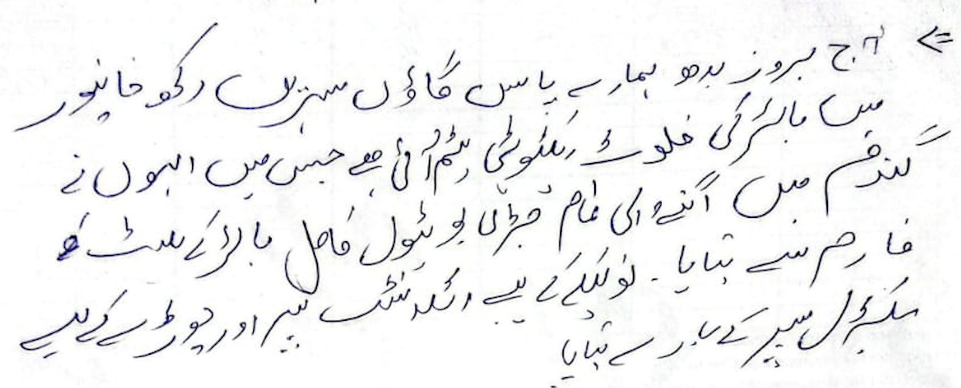 Name, | Bilal Gorai | Contact, | 0307-6344702 | Sign
Sales Staff Feedback about the session:
 |  | Name, | Táriq Husain | Contact, | 0301-4590967 | Sign
Manager / Backchecker End Note:

Session Effectiveness & Intent (Overall Group)
 | Metric | Selection / Notes |  | Choices |  | Entry
1 | Understood 20–40% yield loss due to weeds? |  |  | (Clear / Some / Not clear) |  | Clear
2 | Remember Golden Period (30–40 days after sowing)? |  |  | (Most / Few / None) |  | Most
3 | Understood Buctril Super role (Broadleaf weeds in wheat)? |  |  | (Clear / Mixed / Not clear) |  | Clear
4 | Recall approximate dose & water (≈300 ml/acre & 80–100 L)? |  |  | (Most / Few / None) |  | Most
5 | Understood combo Buctril + Atlantis for mixed weeds? |  |  | (Yes / Some confusion / No) |  | Yes
6 | Safety & PPE messages taken seriously? |  |  | (Yes / Some / No) |  | Yes
Commercial Intent & Outcomes
 | Field |  |  | Required |  | Entry
1 | Repeat users committing Buctril Super this season |  |  | (no. of farmers) |  | 22
2 | New farmers saying 'I will definitely use' (no. of farmers) |  |  | (no. of farmers) |  | 4
3 | Farmers saying 'I may consider' (no. of farmers) |  |  | (no. of farmers) |  | 2
4 | Farmers refusing / uninterested (no. of farmers) |  |  | (no. of farmers)
5 | Committed acres for Buctril Super (firm) |  |  | (no. of farmers) |  | 305
6 | Potential additional acres (interested but not firm) |  |  | (no. of farmers) |  | 13
7 | Main reasons to use |  |  | (better control, crop safety, trust, dealer advice, etc) |  | Better contrl
8 | Main reasons for hesitation |  |  | (e.g. price, trust in generics, fear of burn, availability) |  | Price
Competition & Market Insight
 | Field |  |  |  |  | Entry
1 | Main competitor herbicide brands mentioned
2 | Competitor schemes/offers |  |  | (credit, gifts, discounts, etc)
3 | Dealer feedback on Buctril Super |  |  | (stock, movement, attitude)
4 | Photos, Quotes & Marketing Remarks
 | Field |  |  |  | Notes
1 | Photos / videos taken? |  |  | (Village Entry, Exit, Aerial Footage, excittment, Group calls, Engagements) |  | Yes
2 | Farmer quotes worth using in marketing (write exact words)
3 | What worked best in this session? |  | Gifts, Discussion, Q&A, Anchor's Opening, Part of Speech, any other |  |  | Gift
4 | What to improve in future sessions (content / visuals / timing)?
5 | New ideas or opportunities spotted (local influencer, Model Field, village event)? |  |  |  | 3 influencers | Demo Plot

D9S3
Buctril Super – Wheat Farmer Session QUICK REPORT |  |  |  | Date | 2025-12-03 | Day: | 9
1. Session Summary |  | Spot:(Dealer shop/ Field /Dera /Other)
Sessopm | Village / Mauza | Tehsil / District | Host |  | Nearest Dealer Name, Shop | Contact | Location Coordinate:
3 | Phaty wala | Muzaffar Ghar | Mujahid Hussain | 0302-6131374 | M. Ali Hajish, Balcoh Agro Services | 0345-7171771 | 30°10'30.0"N 71°03'49.5"E
2. Buctril Awareness & Intent (numbers only) |  |  |  |  |  | 0317-6633203 | https://maps.app.goo.gl/A2PBDMF7ch9FqUKFA
Total farmers present |  | 54 | Total wheat farmers (approx.) | 54 | Total wheat acres represented (approx.) |  | 337
Farmers who already know Buctril Super |  | 40 | Farmers who used Buctril Super last year | 39 | Farmers who say they will definitely use this year |  | 50
Farmers who say 'maybe' / will think |  | 4 | Farmers clearly not interested |  | Estimated acres to be sprayed with Buctril Super (this group) |  | 310
3. Message Understanding (1–3 score for whole group) |  |  |  | Score Guide: 1 = Not understood, 2 = Partly understood, 3 = Very clear |  |  | Score (1–3)
 | Weeds can reduce wheat yield by 20–40% | Golden Period: 30–40 days after sowing is critical for weed control | Buctril Super = for broadleaf weeds in wheat | Buctril Super + Atlantis Super = for mixed weeds (broadleaf + grassy) | Safety & PPE (no smoking, gloves/mask, wash after spray)
 | 3 | 3 | 3 | 3 | 3
4. Reasons to Use / Not Use Buctril Super (count how many farmers said each)
Reasons to USE Buctril Super |  |  |  | Supervisor to observe Reasons NOT to use / delay (DON’T ASK, JUDGE)
 | Reason |  | Count | Reason |  |  | Count
1 | Better weed control vs other options |  | 35 | Price too high
2 | Safe on crop (no burning) |  | 32 | Happy with existing generic brand
3 | Trust in Bayer brand |  | 40 | Fear of crop damage / burning
4 | Good past experience |  | 39 | No money / credit at the moment
5 | Dealer strongly recommending |  |  | Product not available at dealer
6 | Offer / scheme / gift |  |  | Do not believe in herbicide / prefer manual weeding
7 | Other (write) |  |  | Other (write)
5. Key Influencer Farmers (only 3 quick entries)
SN | Farmer Name | Mobile / WhatsApp | Village | Wheat acres (approx.) | Buctril Plan (Yes / Maybe / No) | Other Brands / Method to control | Remarks if any
1 | Mujahid Husain | 0302-6131374 | Patty Wala | 6 | Yes |  | Cap.
2 | M. Bilal | 0346-4774921 | Patty Wala | 10 | Yes |  | Cap.
3 | Ghulam Akbar | 0345-1646227 | Patty Wala | 17 | Yes |  | Cap.
4 | M. Kashif | 0318-6563445 | Patty Wala | 5 | Yes
5 | Riaz Husain | 0320-7350282 | Patty Wala | 4 | Yes
6 | Saeed Husain | 0333-3788554 | Patty Wala | 10 | Yes
7 | Zafar Iqbal | 0346-7826548 | Patty Wala | 7 | Yes
8 | Gholam Shabir | 0344-7101033 | Patty Wala | 5 | Yes
9 | M. Nawaz | 0345-7628972 | Patty Wala | 2 | Yes
10 | Sikandar Ali | 0347-8398678 | Patty Wala | 2 | Yes
11 | M. Afzal | 0345-7194991 | Patty Wala | 5 | Yes
12 | Manzoor Husain | 3 | Patty Wala | 2 | May be | Syngenta
13 | M. Nawaz | 0306-3253505 | Patty Wala | 8 | May be | Syngol
14 | Khurshed Ahmad | 0345-7153431 | Patty Wala | 6 | Yes
15 | M. Shafi | 0310-6578124 | Patty Wala | 4 | Yes
16 | Shahid Iqbal | 0305-6906952 | Patty Wala | 4 | Yes
17 | Khuram Shahzad | 0347-1700733 | Patty Wala | 4 | Yes
18 | Ghulam Murtaza | 0305-2674735 | Patty Wala | 3 | Yes
19 | Malik Ilahi Buksh | 0314-6502848 | Patty Wala | 15 | Yes
20 | Noor M. | 0310-2051053 | Patty Wala | 2 | Yes
21 | Khedam Husain | 0343-7108661 | Patty Wala | 10 | Yes
22 | Fida Husain | 0317-7031050 | Patty Wala | 2 | Yes
23 | M. Javaid | 0345-1646830 | Patty Wala | 7 | Yes
24 | Naseem Zafar | 0349-7149126 | Patty Wala | 6 | Yes
25 | Ijaz Husain | 0347-7285410 | Patty Wala | 7 | Yes
26 | M. Shahzad | 0346-4797987 | Patty Wala | 4 | Yes
27 | Mulazim Husain | 0344-4295891 | Patty Wala | 4 | Yes |  | Cap.
28 | Qalander Hayat | 0301-7409632 | Patty Wala | 9 | Yes
29 | M. Adnan | 0311-9424691 | Patty Wala | 2 | Yes
30 | M. Waseem | 0342-3878509 | Patty Wala | 4 | Yes
31 | M. Wahab | 0346-4797987 | Patty Wala | 5 | Yes
32 | Malik Tariq | 0345-1372839 | Patty Wala | 2 | Yes
33 | Habib Buksh | 0343-3999094 | Patty Wala | 2 | Yes
34 | M. Rafique | 0346-4775156 | Patty Wala | 4 | Yes |  | Cap.
35 | Malik Riaz | 0342-8689361 | Patty Wala | 2 | Yes
36 | M. Bilal | 0304-9912787 | Patty Wala | 3 | Yes
37 | M. Sikandar | 0345-7156330 | Patty Wala | 5 | Yes
38 | M. Sarfaraz | 0311-4773609 | Patty Wala | 25 | Yes
40 | M. Sital | 0300-0292996 | Patty Wala | 15 | May be | Syngenta
1 | M. Zeeshan | 0312-0746312 | Patty Wala | 1 | May be | Syngenta
2 | M. Hasan | 0317-1698158 | Patty Wala | 3 | Yes
3 | M. Irfan | 0326-7886181 | Patty Wala | 2 | Yes
4 | Nazir Ahmad | 0302-5899753 | Patty Wala | 1 | Yes
5 | M. Ans | 0329-6979569 | Patty Wala | 2 | Yes |  | Cap.
6 | M. Hanif | 0349-6884091 | Patty Wala | 10 | Yes
7 | Shahid | 0325-475114 | Patty Wala | 2 | Yes
8 | M. Shakeel | 0311-7718701 | Patty Wala | 30 | Yes
9 | Nazir | 0301-5480088 | Patty Wala | 12 | Yes
10 | M. Ramzan | 0346-7800514 | Patty Wala | 6 | Yes
11 | Mulazim | 0349-1673209 | Patty Wala | 3 | Yes
12 | M. Akram | 0301-0376876 | Patty Wala | 10 | Yes
13 | Malik Shabbir | 0304-5857957 | Patty Wala | 4 | Yes
14 | M. Yousaf | 0307-7511876 | Patty Wala | 3 | Yes
15 | Waqas | 0349-6848091 | Patty Wala | 3 | Yes
38
40
6. Competition & Dealer Feedback
Top competitor brands mentioned (write names)
Any competitor schemes in past/future (credit, discount, gifts)?
Dealer attitude to Buctril Super (supportive / neutral / prefers other brands)
Host Comments about session: |  |  | V. Inposmative and helpful
 |  | Name, | Mujahid Hussain | Contact, | 0302-6131374 | Sign
Sales Staff Feedback about the session: |  |  |  | 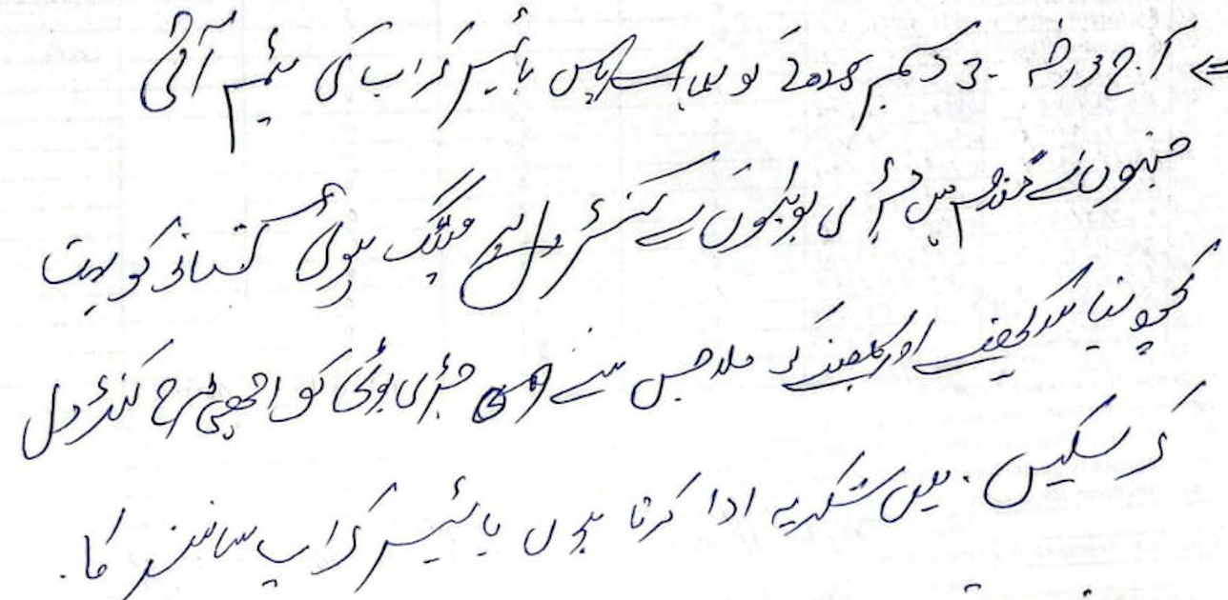
 |  | Name, | Ghukem Murtaxa | Contact, | 0313-7879 858 | Sign
Manager / Backchecker End Note:

Session Effectiveness & Intent (Overall Group)
 | Metric | Selection / Notes |  | Choices |  | Entry
1 | Understood 20–40% yield loss due to weeds? |  |  | (Clear / Some / Not clear) |  | Clear
2 | Remember Golden Period (30–40 days after sowing)? |  |  | (Most / Few / None) |  | Most
3 | Understood Buctril Super role (Broadleaf weeds in wheat)? |  |  | (Clear / Mixed / Not clear) |  | Clear
4 | Recall approximate dose & water (≈300 ml/acre & 80–100 L)? |  |  | (Most / Few / None) |  | Most
5 | Understood combo Buctril + Atlantis for mixed weeds? |  |  | (Yes / Some confusion / No) |  | Yes
6 | Safety & PPE messages taken seriously? |  |  | (Yes / Some / No) |  | Yes
Commercial Intent & Outcomes
 | Field |  |  | Required |  | Entry
1 | Repeat users committing Buctril Super this season |  |  | (no. of farmers) |  | 39
2 | New farmers saying 'I will definitely use' (no. of farmers) |  |  | (no. of farmers) |  | 11
3 | Farmers saying 'I may consider' (no. of farmers) |  |  | (no. of farmers) |  | 4
4 | Farmers refusing / uninterested (no. of farmers) |  |  | (no. of farmers)
5 | Committed acres for Buctril Super (firm) |  |  | (no. of farmers) |  | 310
6 | Potential additional acres (interested but not firm) |  |  | (no. of farmers) |  | 27
7 | Main reasons to use |  |  | (better control, crop safety, trust, dealer advice, etc) |  | Trust
8 | Main reasons for hesitation |  |  | (e.g. price, trust in generics, fear of burn, availability) |  | Fear of Burn
Competition & Market Insight
 | Field |  |  |  |  | Entry
1 | Main competitor herbicide brands mentioned
2 | Competitor schemes/offers |  |  | (credit, gifts, discounts, etc)
3 | Dealer feedback on Buctril Super |  |  | (stock, movement, attitude)
4 | Photos, Quotes & Marketing Remarks
 | Field |  |  |  | Notes
1 | Photos / videos taken? |  |  | (Village Entry, Exit, Aerial Footage, excittment, Group calls, Engagements) |  | Yes
2 | Farmer quotes worth using in marketing (write exact words)
3 | What worked best in this session? |  | Gifts, Discussion, Q&A, Anchor's Opening, Part of Speech, any other |  |  | Discussion
4 | What to improve in future sessions (content / visuals / timing)?
5 | New ideas or opportunities spotted (local influencer, Model Field, village event)? |  |  |  |  | Demo Plot

D10S1
Buctril Super – Wheat Farmer Session QUICK REPORT |  |  |  | Date | 2025-12-04 | Day: | 10
1. Session Summary |  | Spot:(Dealer shop/ Field /Dera /Other)
Sessopm | Village / Mauza | Tehsil / District | Host |  | Nearest Dealer Name, Shop | Contact | Location Coordinate:
1 | Basti Haider Ghazi | Kot Adu | Ghulan Hailer | 0343 - 1349093 | Mudavar Farcoa, Haji & Sons | 345-8541301 | 30°32'20.2"N 70°58'33.1"E
2. Buctril Awareness & Intent (numbers only)
Total farmers present |  | 37 | Total wheat farmers (approx.) | 37 | Total wheat acres represented (approx.) |  | 376
Farmers who already know Buctril Super |  | 27 | Farmers who used Buctril Super last year | 21 | Farmers who say they will definitely use this year |  | 35
Farmers who say 'maybe' / will think |  | 2 | Farmers clearly not interested |  | Estimated acres to be sprayed with Buctril Super (this group) |  | 356
3. Message Understanding (1–3 score for whole group) |  |  |  | Score Guide: 1 = Not understood, 2 = Partly understood, 3 = Very clear |  |  | Score (1–3)
 | Weeds can reduce wheat yield by 20–40% | Golden Period: 30–40 days after sowing is critical for weed control | Buctril Super = for broadleaf weeds in wheat | Buctril Super + Atlantis Super = for mixed weeds (broadleaf + grassy) | Safety & PPE (no smoking, gloves/mask, wash after spray)
 | 3 | 2 | 3 | 3 | 3
4. Reasons to Use / Not Use Buctril Super (count how many farmers said each)
Reasons to USE Buctril Super |  |  |  | Supervisor to observe Reasons NOT to use / delay (DON’T ASK, JUDGE)
 | Reason |  | Count | Reason |  |  | Count
1 | Better weed control vs other options |  | 20 | Price too high
2 | Safe on crop (no burning) |  | 19 | Happy with existing generic brand
3 | Trust in Bayer brand |  | 20 | Fear of crop damage / burning
4 | Good past experience |  | 21 | No money / credit at the moment
5 | Dealer strongly recommending |  |  | Product not available at dealer
6 | Offer / scheme / gift |  |  | Do not believe in herbicide / prefer manual weeding
7 | Other (write) |  |  | Other (write)
5. Key Influencer Farmers (only 3 quick entries)
SN | Farmer Name | Mobile / WhatsApp | Village | Wheat acres (approx.) | Buctril Plan (Yes / Maybe / No) | Other Brands / Method to control | Remarks if any
1 | M. Arif | 03058624201 | Basti Haider Ghazi | 8 | Yes
2 | M. Yasir | 03413752212 | Basti Haider Ghazi | 5
3 | Daneyal | 03216946211 | Basti Haider Ghazi | 7
4 | Fida Hussain | 03321778038 | Basti Haider Ghazi | 5
5 | M. Nadeem | 03431881239 | Basti Haider Ghazi | 10
6 | Sabir Hussain | 03453032269 | Basti Haider Ghazi | 11
7 | Ghulam Shabir | 03483950578 | Basti Haider Ghazi | 15
8 | Mukhtiar Hussain | 03017949135 | Basti Haider Ghazi | 10
9 | Ibrahim | 03340621414 | Basti Haider Ghazi | 5
10 | Ghulam Akbar | 03404204818 | Basti Haider Ghazi | 10
11 | Ghulam Asghar | 03340621414 | Basti Haider Ghazi | 10
12 | Niaz | 03426262518 | Basti Haider Ghazi | 11
13 | M. Taki | 03356971133 | Basti Haider Ghazi | 10
14 | Sharif Shah | 03483832482 | Basti Haider Ghazi | 8 | May be | Target
15 | Ghulam Haider | 03431349093 | Basti Haider Ghazi | 20 | Yes | Cap.
16 | Hasan | 03450377850 | Basti Haider Ghazi | 10
17 | Syed AD Shah | 03445395286 | Basti Haider Ghazi | 10
18 | Ashraf | 03367946228 | Basti Haider Ghazi | 8
19 | Madad Hussain | 03321778038 | Basti Haider Ghazi | 12 |  | Cap.
20 | Ghulam Mustafa | 03266861415 | Basti Haider Ghazi | 10
21 | Matloob | 03486329193 | Basti Haider Ghazi | 12 |  | Cap.
22 | Sajjad | 03487196812 | Basti Haider Ghazi | 13
23 | Qaisar | 03465890401 | Basti Haider Ghazi | 10
24 | M. Naki | 03480401606 | Basti Haider Ghazi | 11 | May be | Suncrop
25 | Riaz Hussain | 03311714081 | Basti Haider Ghazi | 15 | Yes
26 | Malik Sanwara | 03443699158 | Basti Haider Ghazi | 10
27 | Sajid Hussain | 03235438130 | Basti Haider Ghazi | 11 |  | Cap.
28 | Mohsin Raza | 03440242487 | Basti Haider Ghazi | 8
29 | Qaswar Abbas | 03447100788 | Basti Haider Ghazi | 8
30 | Ali Muhammad | 03406695264 | Basti Haider Ghazi | 10
31 | Zeeshan | 03188031936 | Basti Haider Ghazi | 7
32 | Mujahid | 03499721536 | Basti Haider Ghazi | 10
33 | Hussain Haider | 03326137795 | Basti Haider Ghazi | 11
34 | Imdad Hussain | 03487021802 | Basti Haider Ghazi | 12 |  | Cap.
35 | Ghulam Abbas | 03483832024 | Basti Haider Ghazi | 11
36 | Ghulam Hussain | 03462267450 | Basti Haider Ghazi | 15
37 | Anas Abbas | 03436619744 | Basti Haider Ghazi | 7
38
40
6. Competition & Dealer Feedback
Top competitor brands mentioned (write names)
Any competitor schemes in past/future (credit, discount, gifts)?
Dealer attitude to Buctril Super (supportive / neutral / prefers other brands)
Host Comments about session:
 |  | Name, | Ghulan Hailer | Contact, | 0343 - 1349093 | Sign
Sales Staff Feedback about the session:
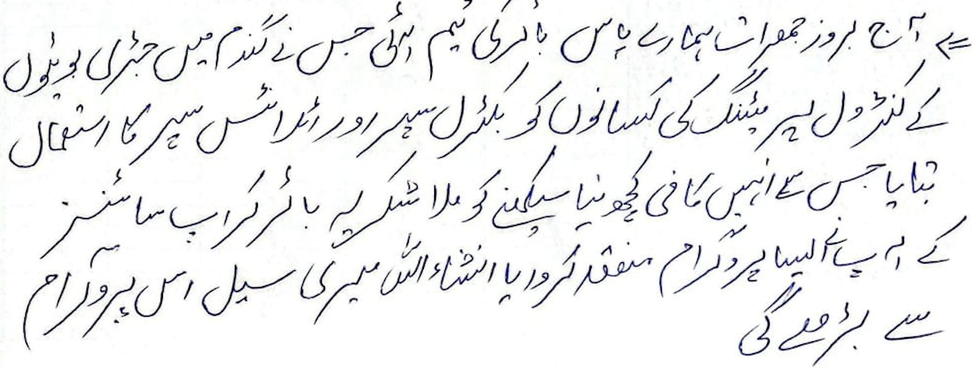
 |  | Name, | M. Junaid | Contact, | 0348-0636385 | Sign

Manager / Backchecker End Note:

Session Effectiveness & Intent (Overall Group)
 | Metric | Selection / Notes |  | Choices |  | Entry
1 | Understood 20–40% yield loss due to weeds? |  |  | (Clear / Some / Not clear) |  | Clear
2 | Remember Golden Period (30–40 days after sowing)? |  |  | (Most / Few / None) |  | Most
3 | Understood Buctril Super role (Broadleaf weeds in wheat)? |  |  | (Clear / Mixed / Not clear) |  | Clear
4 | Recall approximate dose & water (≈300 ml/acre & 80–100 L)? |  |  | (Most / Few / None) |  | Most
5 | Understood combo Buctril + Atlantis for mixed weeds? |  |  | (Yes / Some confusion / No) |  | Yes
6 | Safety & PPE messages taken seriously? |  |  | (Yes / Some / No) |  | Yes
Commercial Intent & Outcomes
 | Field |  |  | Required |  | Entry
1 | Repeat users committing Buctril Super this season |  |  | (no. of farmers) |  | 21
2 | New farmers saying 'I will definitely use' (no. of farmers) |  |  | (no. of farmers) |  | 14
3 | Farmers saying 'I may consider' (no. of farmers) |  |  | (no. of farmers) |  | 2
4 | Farmers refusing / uninterested (no. of farmers) |  |  | (no. of farmers)
5 | Committed acres for Buctril Super (firm) |  |  | (no. of farmers) |  | 356
6 | Potential additional acres (interested but not firm) |  |  | (no. of farmers) |  | 20
7 | Main reasons to use |  |  | (better control, crop safety, trust, dealer advice, etc) |  | Crop Safety
8 | Main reasons for hesitation |  |  | (e.g. price, trust in generics, fear of burn, availability) |  | Trust
Competition & Market Insight
 | Field |  |  |  |  | Entry
1 | Main competitor herbicide brands mentioned
2 | Competitor schemes/offers |  |  | (credit, gifts, discounts, etc)
3 | Dealer feedback on Buctril Super |  |  | (stock, movement, attitude)
4 | Photos, Quotes & Marketing Remarks
 | Field |  |  |  | Notes
1 | Photos / videos taken? |  |  | (Village Entry, Exit, Aerial Footage, excittment, Group calls, Engagements) |  | Yes
2 | Farmer quotes worth using in marketing (write exact words)
3 | What worked best in this session? |  | Gifts, Discussion, Q&A, Anchor's Opening, Part of Speech, any other |  |  | Q&A
4 | What to improve in future sessions (content / visuals / timing)?
5 | New ideas or opportunities spotted (local influencer, Model Field, village event)? |  |  |  | 3 Inflencers Noted | Village Event

D10S2
Buctril Super – Wheat Farmer Session QUICK REPORT |  |  |  | Date | 2025-12-04 | Day: | 10
1. Session Summary |  | Spot:(Dealer shop/ Field /Dera /Other)
Sessopm | Village / Mauza | Tehsil / District | Host |  | Nearest Dealer Name, Shop | Contact | Location Coordinate:
2 | Hanjrai Bangla Chaah Phaati wala | Kot Adu | Naveed Ahmed | 0344-1073974 | Nasir Ahmad, Uzair Khan Traders | 0342-382/088 | 30°36'43.1"N 70°55'01.8"E
2. Buctril Awareness & Intent (numbers only) | Naveed Ahmed
Total farmers present |  | 34 | Total wheat farmers (approx.) | 34 | Total wheat acres represented (approx.) |  | 275
Farmers who already know Buctril Super |  | 24 | Farmers who used Buctril Super last year | 18 | Farmers who say they will definitely use this year |  | 30
Farmers who say 'maybe' / will think |  | 4 | Farmers clearly not interested |  | Estimated acres to be sprayed with Buctril Super (this group) |  | 254
3. Message Understanding (1–3 score for whole group) |  |  |  | Score Guide: 1 = Not understood, 2 = Partly understood, 3 = Very clear |  |  | Score (1–3)
 | Weeds can reduce wheat yield by 20–40% | Golden Period: 30–40 days after sowing is critical for weed control | Buctril Super = for broadleaf weeds in wheat | Buctril Super + Atlantis Super = for mixed weeds (broadleaf + grassy) | Safety & PPE (no smoking, gloves/mask, wash after spray)
 | 2 | 3 | 3 | 2 | 3
4. Reasons to Use / Not Use Buctril Super (count how many farmers said each)
Reasons to USE Buctril Super |  |  |  | Supervisor to observe Reasons NOT to use / delay (DON’T ASK, JUDGE)
 | Reason |  | Count | Reason |  |  | Count
1 | Better weed control vs other options |  | 17 | Price too high
2 | Safe on crop (no burning) |  | 15 | Happy with existing generic brand
3 | Trust in Bayer brand |  | 20 | Fear of crop damage / burning
4 | Good past experience |  | 18 | No money / credit at the moment
5 | Dealer strongly recommending |  |  | Product not available at dealer
6 | Offer / scheme / gift |  |  | Do not believe in herbicide / prefer manual weeding
7 | Other (write) |  |  | Other (write)
5. Key Influencer Farmers (only 3 quick entries)
SN | Farmer Name | Mobile / WhatsApp | Village | Wheat acres (approx.) | Buctril Plan (Yes / Maybe / No) | Other Brands / Method to control | Remarks if any
1 | Rana Zubair | 03419356629 | Hanjra, Bangla | 7 | May be | Syngenta
2 | Phul Ariz | 03456007576 | Hanjra, Bangla | 5 | May be
3 | M. Arif | 03413132786 | Hanjra, Bangla | 10 | Yes
4 | Allah Rakesh | 03476683990 | Hanjra, Bangla | 5
5 | Nazir | 03496764695 | Hanjra, Bangla | 4
6 | M. Aslam | 03417344908 | Hanjra, Bangla | 10
7 | Ashq Hussain | 03494931631 | Hanjra, Bangla | 10
8 | Sami Ullah | 03498823713 | Hanjra, Bangla | 30
9 | Mohsin | 03496231194 | Hanjra, Bangla | 35
10 | Arshad | 03471671221 | Hanjra, Bangla | 20
11 | M. Aslam | 03077391939 | Hanjra, Bangla
12 | Naveed Ahmad | 03453869775 | Hanjra, Bangla | 1 | Yes |  | Cap
13 | Ajmal | 03454845346 | Chak Mati Wala | 3
14 | Allah Wasaya | 03463242258 | Chak Mati Wala | 1
15 | Sadique Hussain |  | Chak Mati Wala | 1 | May be | Syngenta
16 | Ghulam Yasin | 03443836831 | Chak Mati Wala | 3
17 | M. Aslam | 03426629952 | Chak Mati Wala | 1
18 | Tanvir Abbas | 03426701229 | Chak Mati Wala | 4
19 | Aftab Hussain | 03477314795 | Chak Mati Wala | 5
20 | Adnan | 03456804022 | Chak Mati Wala | 6
21 | Ijaz Ahmad | 03421904095 | Chak Mati Wala | 2
22 | Abdul Khaliq | 03446806930 | Chak Mati Wala | 8 | May be | Sunrop
23 | Irfan Ali | 03421006930 | Chak Mati Wala | 6 | Yes
24 | Ghulam Abbas | 03472150147 | Chak Mati Wala | 1 |  |  | Cap
25 | Sajjad Ahmad | 03450281390 | Chak Mati Wala | 3
26 | Bashir Ahmad | 03428546616 | Chak Mati Wala | 4
27 | M. Zubair | 03476375477 | Chak Mati Wala | 4
28 | Nasir Ahmad | 03466449109 | Chak Mati Wala | 5
29 | Imran Mosa | 03467227188 | Chak Mati Wala | 3
30 | Munawar | 03452167657 | Chak Mati Wala | 5 |  |  | Cap
31 | M. Rafique | 03461633571 | Chak Mati Wala | 1
32 | M. Tanvir | 03476859416 | Chak Mati Wala | 5 |  |  | Cap
33 | Rafique | 03401844242 | Chak Mati Wala | 50 |  |  | Cap
34
35
36
37
38
40
6. Competition & Dealer Feedback
Top competitor brands mentioned (write names)
Any competitor schemes in past/future (credit, discount, gifts)?
Dealer attitude to Buctril Super (supportive / neutral / prefers other brands)
Host Comments about session:
 |  | Name, | Naveed Ahmed | Contact, | 0344-1073974 | Sign
Sales Staff Feedback about the session: |  | 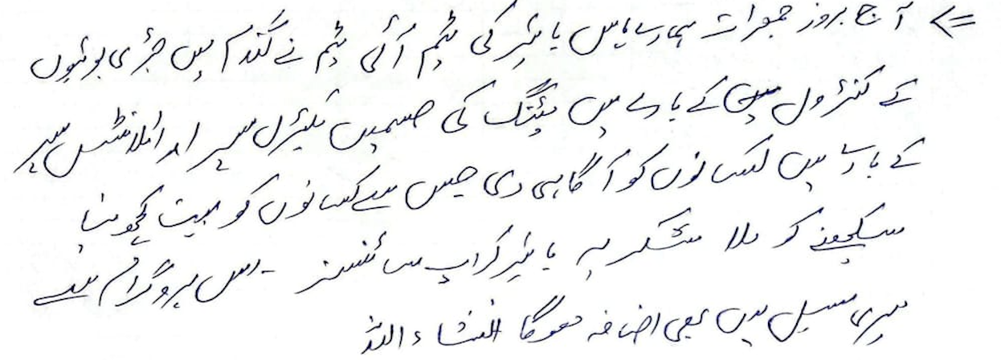
 |  | Name, | Gulam Yasin | Contact, | 0341-8606797 | Sign
Manager / Backchecker End Note:

Session Effectiveness & Intent (Overall Group)
 | Metric | Selection / Notes |  | Choices |  | Entry
1 | Understood 20–40% yield loss due to weeds? |  |  | (Clear / Some / Not clear) |  | Clear
2 | Remember Golden Period (30–40 days after sowing)? |  |  | (Most / Few / None) |  | Most
3 | Understood Buctril Super role (Broadleaf weeds in wheat)? |  |  | (Clear / Mixed / Not clear) |  | Clear
4 | Recall approximate dose & water (≈300 ml/acre & 80–100 L)? |  |  | (Most / Few / None) |  | Most
5 | Understood combo Buctril + Atlantis for mixed weeds? |  |  | (Yes / Some confusion / No) |  | Yes
6 | Safety & PPE messages taken seriously? |  |  | (Yes / Some / No) |  | Yes
Commercial Intent & Outcomes
 | Field |  |  | Required |  | Entry
1 | Repeat users committing Buctril Super this season |  |  | (no. of farmers) |  | 18
2 | New farmers saying 'I will definitely use' (no. of farmers) |  |  | (no. of farmers) |  | 12
3 | Farmers saying 'I may consider' (no. of farmers) |  |  | (no. of farmers) |  | 4
4 | Farmers refusing / uninterested (no. of farmers) |  |  | (no. of farmers)
5 | Committed acres for Buctril Super (firm) |  |  | (no. of farmers) |  | 254
6 | Potential additional acres (interested but not firm) |  |  | (no. of farmers) |  | 21
7 | Main reasons to use |  |  | (better control, crop safety, trust, dealer advice, etc) |  | Better Control
8 | Main reasons for hesitation |  |  | (e.g. price, trust in generics, fear of burn, availability) |  | Price
Competition & Market Insight
 | Field |  |  |  |  | Entry
1 | Main competitor herbicide brands mentioned
2 | Competitor schemes/offers |  |  | (credit, gifts, discounts, etc)
3 | Dealer feedback on Buctril Super |  |  | (stock, movement, attitude)
4 | Photos, Quotes & Marketing Remarks
 | Field |  |  |  | Notes
1 | Photos / videos taken? |  |  | (Village Entry, Exit, Aerial Footage, excittment, Group calls, Engagements) |  | Yes
2 | Farmer quotes worth using in marketing (write exact words)
3 | What worked best in this session? |  | Gifts, Discussion, Q&A, Anchor's Opening, Part of Speech, any other |  |  | Discussion
4 | What to improve in future sessions (content / visuals / timing)?
5 | New ideas or opportunities spotted (local influencer, Model Field, village event)? |  |  |  | 5 Influencers noted | Demo Plot wanted

D11S1
Buctril Super – Wheat Farmer Session QUICK REPORT |  |  |  | Date | 2025-12-05 | Day: | 11
1. Session Summary |  | Spot:(Dealer shop/ Field /Dera /Other)
Sessopm | Village / Mauza | Tehsil / District | Host |  | Nearest Dealer Name, Shop | Contact | Location Coordinate:
1 | Basti joya | Karor Lal esan | Mushtaq Hussain | 0306-8513786 | M. Azhar Hussain, Achas Comision Shop | 0308-205622 | 31°09'39.5"N 70°56'28.0"E
2. Buctril Awareness & Intent (numbers only)
Total farmers present |  | 32 | Total wheat farmers (approx.) | 32 | Total wheat acres represented (approx.) |  | 256
Farmers who already know Buctril Super |  | 25 | Farmers who used Buctril Super last year | 24 | Farmers who say they will definitely use this year |  | 30
Farmers who say 'maybe' / will think |  | 2 | Farmers clearly not interested |  | Estimated acres to be sprayed with Buctril Super (this group) |  | 248
3. Message Understanding (1–3 score for whole group) |  |  |  | Score Guide: 1 = Not understood, 2 = Partly understood, 3 = Very clear |  |  | Score (1–3)
 | Weeds can reduce wheat yield by 20–40% | Golden Period: 30–40 days after sowing is critical for weed control | Buctril Super = for broadleaf weeds in wheat | Buctril Super + Atlantis Super = for mixed weeds (broadleaf + grassy) | Safety & PPE (no smoking, gloves/mask, wash after spray)
 | 2 | 3 | 3 | 2 | 3
4. Reasons to Use / Not Use Buctril Super (count how many farmers said each)
Reasons to USE Buctril Super |  |  |  | Supervisor to observe Reasons NOT to use / delay (DON’T ASK, JUDGE)
 | Reason |  | Count | Reason |  |  | Count
1 | Better weed control vs other options |  | 20 | Price too high
2 | Safe on crop (no burning) |  | 22 | Happy with existing generic brand
3 | Trust in Bayer brand |  | 24 | Fear of crop damage / burning
4 | Good past experience |  | 22 | No money / credit at the moment
5 | Dealer strongly recommending |  |  | Product not available at dealer
6 | Offer / scheme / gift |  |  | Do not believe in herbicide / prefer manual weeding
7 | Other (write) |  |  | Other (write)
5. Key Influencer Farmers (only 3 quick entries)
SN | Farmer Name | Mobile / WhatsApp | Village | Wheat acres (approx.) | Buctril Plan (Yes / Maybe / No) | Other Brands / Method to control | Remarks if any
1 | Musthaq | 0306.8513786 | Basti Joriya | 10 | Yes |  | Cap.
2 | M. Ibrahim | 0306.7740110 | Basti Joriya | 20
3 | Karam Hussain | 0306.2249897 | Basti Joriya | 10
4 | Nasir Abbas | 0301.8617147 | Basti Joriya | 10
5 | Riaz Joya | 0309.7832014 | Basti Joriya | 5
6 | Ghulam Qasim | 0301.8139862 | Basti Joriya | 30 |  |  | Cap.
7 | Javed Hussain | 0306.1214130 | Basti Joriya | 5
8 | Syed Riaz Hussain | 0306.2375676 | Basti Joriya | 2
9 | Shakeel Ahmed | 0301.8990655 | Basti Joriya | 10
10 | Riaz Hussain | 0300.5489281 | Basti Joriya | 5
11 | Ghulam Abbas | 0306.5212587 | Basti Joriya | 15
12 | Ghulam Mukhtar | 0306.4728212 | Basti Joriya | 10 |  |  | Cap.
13 | Sher Muhammad | 0307.6503969 | Basti Joriya | 60
14 | Arshad Hussain | 0308.7918417 | Basti Joriya | 27 |  |  | Cap.
15 | Aftab Musthaq | 0300.5120355 | Basti Joriya | 6
16 | Kazim Hussain | 0305.8778841 | Basti Joriya | 6 |  |  | Cap.
17 | Mohsin | 0305.5148649 | Basti Joriya | 3
18 | Sujjad Hussain | 0305-7810862 | Basti Joriya | 25
19 | Karam | 0301.876183 | Basti Joriya | 8
20 | Asif Raza | 0305.7810862 | Basti Joriya | 5
21 | Tauqeer Abbas | 0308.7195725 | Basti Joriya | 10 | Maybe
22 | Arif Abbas | 0308.4323495 | Basti Joriya | 5
23 | Mehdi Hassan | 0308.8213790 | Basti Joriya | 3 |  | Target
24 | M. Asghar | 0301.6381214 | Basti Joriya | 2
25 | Mureed Abbas | 0347.9297514 | Basti Joriya | 2
26 | Muradza Hassan | 0305.2778841 | Basti Joriya | 5
27 | Waqar Haider | 0305.1858212 | Basti Joriya | 2
28 | M. Saghir | 0305.8766987 | Basti Joriya | 5
29 | Mukhtiar | 0307.5188357 | Basti Joriya | 5 | Maybe | Suncrop
30 | Malik Khalid | 0306.8746620 | Basti Joriya | 10 | Yes
31 | Ghulam Abbas | 0307.6508073 | Basti Joriya | 5
32 | Murawas Abbas | 0308.7203578 | Basti Joriya | 30
33
34
35
36
37
38
40
6. Competition & Dealer Feedback
Top competitor brands mentioned (write names)
Any competitor schemes in past/future (credit, discount, gifts)?
Dealer attitude to Buctril Super (supportive / neutral / prefers other brands)
Host Comments about session:
 |  | Name, | Mushtaq Hussain | Contact, | 0306-8513786 | Sign
Sales Staff Feedback about the session: |  | 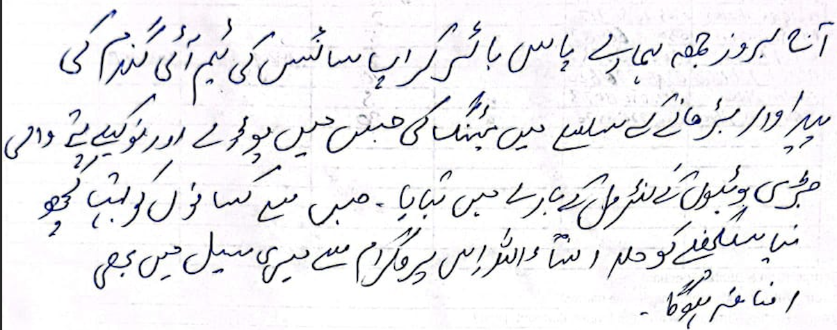
 |  | Name, | M. Aslam | Contact, | 0300-9875514 | Sign
Manager / Backchecker End Note:

Session Effectiveness & Intent (Overall Group)
 | Metric | Selection / Notes |  | Choices |  | Entry
1 | Understood 20–40% yield loss due to weeds? |  |  | (Clear / Some / Not clear) |  | Clear
2 | Remember Golden Period (30–40 days after sowing)? |  |  | (Most / Few / None) |  | Most
3 | Understood Buctril Super role (Broadleaf weeds in wheat)? |  |  | (Clear / Mixed / Not clear) |  | Clear
4 | Recall approximate dose & water (≈300 ml/acre & 80–100 L)? |  |  | (Most / Few / None) |  | Most
5 | Understood combo Buctril + Atlantis for mixed weeds? |  |  | (Yes / Some confusion / No) |  | Yes
6 | Safety & PPE messages taken seriously? |  |  | (Yes / Some / No) |  | Yes
Commercial Intent & Outcomes
 | Field |  |  | Required |  | Entry
1 | Repeat users committing Buctril Super this season |  |  | (no. of farmers) |  | 24
2 | New farmers saying 'I will definitely use' (no. of farmers) |  |  | (no. of farmers) |  | 6
3 | Farmers saying 'I may consider' (no. of farmers) |  |  | (no. of farmers) |  | 2
4 | Farmers refusing / uninterested (no. of farmers) |  |  | (no. of farmers)
5 | Committed acres for Buctril Super (firm) |  |  | (no. of farmers) |  | 248
6 | Potential additional acres (interested but not firm) |  |  | (no. of farmers) |  | 8
7 | Main reasons to use |  |  | (better control, crop safety, trust, dealer advice, etc) |  | Trust
8 | Main reasons for hesitation |  |  | (e.g. price, trust in generics, fear of burn, availability) |  | Price
Competition & Market Insight
 | Field |  |  |  |  | Entry
1 | Main competitor herbicide brands mentioned
2 | Competitor schemes/offers |  |  | (credit, gifts, discounts, etc)
3 | Dealer feedback on Buctril Super |  |  | (stock, movement, attitude)
4 | Photos, Quotes & Marketing Remarks
 | Field |  |  |  | Notes
1 | Photos / videos taken? |  |  | (Village Entry, Exit, Aerial Footage, excittment, Group calls, Engagements) |  | Yes
2 | Farmer quotes worth using in marketing (write exact words)
3 | What worked best in this session? |  | Gifts, Discussion, Q&A, Anchor's Opening, Part of Speech, any other |  |  | Discussin
4 | What to improve in future sessions (content / visuals / timing)?
5 | New ideas or opportunities spotted (local influencer, Model Field, village event)? |  |  |  | 5 Influencers Noted | Local Influencer

D11S2
Buctril Super – Wheat Farmer Session QUICK REPORT |  |  |  | Date | 2025-12-05 | Day: | 11
1. Session Summary |  | Spot:(Dealer shop/ Field /Dera /Other)
Sessopm | Village / Mauza | Tehsil / District | Host |  | Nearest Dealer Name, Shop | Contact | Location Coordinate:
2 | Chak 106 TDA | Karor Lal esan | Mulazim Hussain | 0307-8802008 | M. Azhar Hussain, Achas Comision Shop | 0308-205622 | 31°08'42.9"N 71°01'52.8"E
2. Buctril Awareness & Intent (numbers only)
Total farmers present |  | 51 | Total wheat farmers (approx.) | 51 | Total wheat acres represented (approx.) |  | 335
Farmers who already know Buctril Super |  | 40 | Farmers who used Buctril Super last year | 35 | Farmers who say they will definitely use this year |  | 46
Farmers who say 'maybe' / will think |  | 5 | Farmers clearly not interested |  | Estimated acres to be sprayed with Buctril Super (this group) |  | 317
3. Message Understanding (1–3 score for whole group) |  |  |  | Score Guide: 1 = Not understood, 2 = Partly understood, 3 = Very clear |  |  | Score (1–3)
 | Weeds can reduce wheat yield by 20–40% | Golden Period: 30–40 days after sowing is critical for weed control | Buctril Super = for broadleaf weeds in wheat | Buctril Super + Atlantis Super = for mixed weeds (broadleaf + grassy) | Safety & PPE (no smoking, gloves/mask, wash after spray)
 | 3 | 3 | 3 | 2 | 3
4. Reasons to Use / Not Use Buctril Super (count how many farmers said each)
Reasons to USE Buctril Super |  |  |  | Supervisor to observe Reasons NOT to use / delay (DON’T ASK, JUDGE)
 | Reason |  | Count | Reason |  |  | Count
1 | Better weed control vs other options |  | 30 | Price too high
2 | Safe on crop (no burning) |  | 32 | Happy with existing generic brand
3 | Trust in Bayer brand |  | 35 | Fear of crop damage / burning
4 | Good past experience |  | 30 | No money / credit at the moment
5 | Dealer strongly recommending |  |  | Product not available at dealer
6 | Offer / scheme / gift |  |  | Do not believe in herbicide / prefer manual weeding
7 | Other (write) |  |  | Other (write)
5. Key Influencer Farmers (only 3 quick entries)
SN | Farmer Name | Mobile / WhatsApp | Village | Wheat acres (approx.) | Buctril Plan (Yes / Maybe / No) | Other Brands / Method to control | Remarks if any
1 | Mulozim Hussain | 0347-2802008 |  | 25 | Yes |  | Cap.
2 | Vzir Nazar | 0346-7003568 |  | 7
3 | Hussain Abbas | 0317-0166248 |  | 10
4 | Ghulam Abbas | 0349-0762236 |  | 1 | May be | Syngenta
5 | Zafar Iqbal | 0345-7180234 |  | 8 | Yes
6 | M. Ahsan | 0346-4770430 |  | 2
7 | Mushtaq | 0344-8722129 |  | 4 |  |  | Cap.
8 | Allah Ditta | 0321-5362217 |  | 2
9 | Amar Abbas | 0325-4796806 |  | 1
10 | M. Sadiq | 0346-6585299 |  | 3
11 | M. Rafique | 0333-7485825 |  | 3 |  |  | Cap.
12 | Kashif Iqbal | 0344-795106 |  | 4
13 | Sarf Ahmad | 0341-6222964 |  | 3
14 | Allah Ditta | 0342-3180456 |  | 1
15 | Allah Wasaya | 0346-1626206 |  | 2
16 | Afsan Ali | 0327-7532412 |  | 2
17 | M. Nawaz | 0307-6510174 |  | 5
18 | M. Iqbal | 0347-6434667 |  | 4
19 | M. Nazir | 0341-6978238 |  | 1
20 | Mulazim | 0321-8000000 |  | 1
21 | M. Ramzan | 0301-4713166 |  | 4
22 | Qaisar Abbas | 0323-5066966 |  | 2
23 | Veer Muhammad | 0302-1199914 |  | 1 | May be | Suncrop
24 | Peer Baksh | 0305-8557106 |  | 3 | Yes |  | Cap.
25 | Sajjad | 0345-3636106 |  | 3 |  |  | Cap.
26 | Fazal Abbas | 0346-6975091 |  | 25 |  |  | Cap.
27 | Riaz Husain | 0347-0349953 |  | 1
28 | Ghulam Husain | 0347-0962673 |  | 1
29 | Bilal Husain | 0304-9300566 |  | 10 |  |  | Cap.
30 | Sajid Ullah | 0349-6288836 |  | 1
31 | M. Hanif | 0305-1785945 |  | 2 | 11
32 | Malik Rajan Babar | 0306-8665929 |  | 2
33 | Mukhtar Hussain | 0305-7379830 |  | 1
34 | M. Uzair | 0342-8648428 |  | 1 | 5
35 | Hafiz Ghulam Yasin | 0347-8802009 |  | 5
36 | Muhammad Abbas | 0329-4488588 |  | 8
37 | Basher Ahmad | 0302-4022144 |  | 4 | May be | Suncrop
38 | Talib Husain | 0341-3646504 |  | 3 | Yes
40 | Manzer | 0346-3806895 |  | 25
6. Competition & Dealer Feedback
Top competitor brands mentioned (write names)
Any competitor schemes in past/future (credit, discount, gifts)?
Dealer attitude to Buctril Super (supportive / neutral / prefers other brands)
Host Comments about session:
 |  | Name, | Mulazim Hussain | Contact, | 0307-8802008 | Sign
Sales Staff Feedback about the session: |  | 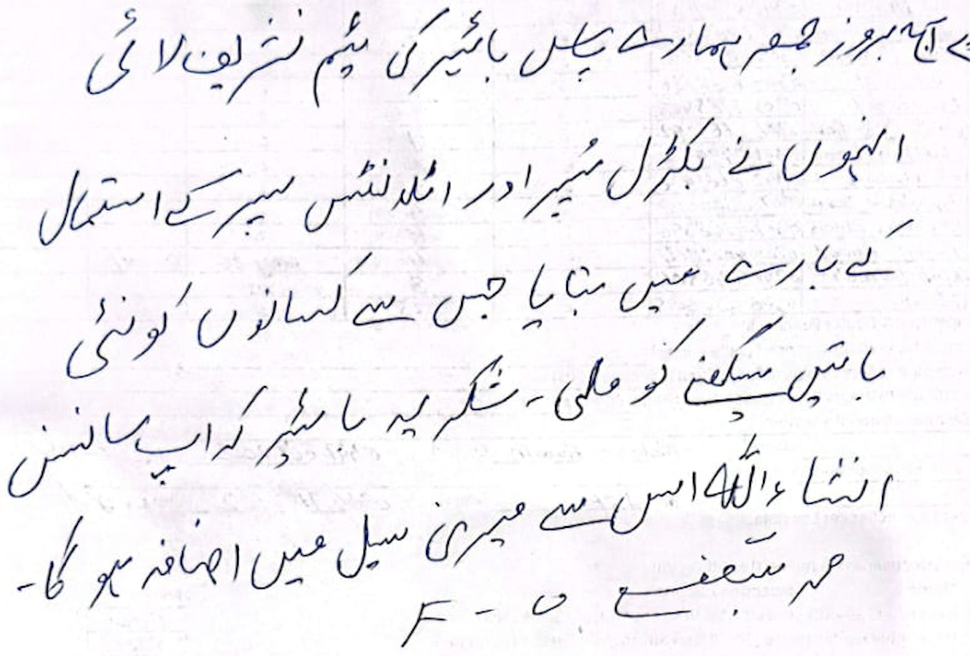
 |  | Name, | M. Shafi | Contact, | 0344 - 7144162 | Sign
Manager / Backchecker End Note:

Session Effectiveness & Intent (Overall Group)
 | Metric | Selection / Notes |  | Choices |  | Entry
1 | Understood 20–40% yield loss due to weeds? |  |  | (Clear / Some / Not clear) |  | Clear
2 | Remember Golden Period (30–40 days after sowing)? |  |  | (Most / Few / None) |  | Most
3 | Understood Buctril Super role (Broadleaf weeds in wheat)? |  |  | (Clear / Mixed / Not clear) |  | Clear
4 | Recall approximate dose & water (≈300 ml/acre & 80–100 L)? |  |  | (Most / Few / None) |  | Most
5 | Understood combo Buctril + Atlantis for mixed weeds? |  |  | (Yes / Some confusion / No) |  | Yes
6 | Safety & PPE messages taken seriously? |  |  | (Yes / Some / No) |  | Yes
Commercial Intent & Outcomes
 | Field |  |  | Required |  | Entry
1 | Repeat users committing Buctril Super this season |  |  | (no. of farmers) |  | 35
2 | New farmers saying 'I will definitely use' (no. of farmers) |  |  | (no. of farmers) |  | 11
3 | Farmers saying 'I may consider' (no. of farmers) |  |  | (no. of farmers) |  | 5
4 | Farmers refusing / uninterested (no. of farmers) |  |  | (no. of farmers)
5 | Committed acres for Buctril Super (firm) |  |  | (no. of farmers) |  | 317
6 | Potential additional acres (interested but not firm) |  |  | (no. of farmers) |  | 18
7 | Main reasons to use |  |  | (better control, crop safety, trust, dealer advice, etc) |  | Better Contol
8 | Main reasons for hesitation |  |  | (e.g. price, trust in generics, fear of burn, availability) |  | Price
Competition & Market Insight
 | Field |  |  |  |  | Entry
1 | Main competitor herbicide brands mentioned
2 | Competitor schemes/offers |  |  | (credit, gifts, discounts, etc)
3 | Dealer feedback on Buctril Super |  |  | (stock, movement, attitude)
4 | Photos, Quotes & Marketing Remarks
 | Field |  |  |  | Notes
1 | Photos / videos taken? |  |  | (Village Entry, Exit, Aerial Footage, excittment, Group calls, Engagements) |  | Yes
2 | Farmer quotes worth using in marketing (write exact words)
3 | What worked best in this session? |  | Gifts, Discussion, Q&A, Anchor's Opening, Part of Speech, any other |  |  | Q&A
4 | What to improve in future sessions (content / visuals / timing)?
5 | New ideas or opportunities spotted (local influencer, Model Field, village event)? |  |  |  | 5 Influencers | Village event

D11S3
Buctril Super – Wheat Farmer Session QUICK REPORT |  |  |  | Date | 2025-12-05 | Day: | 11
1. Session Summary |  | Spot:(Dealer shop/ Field /Dera /Other)
Sessopm | Village / Mauza | Tehsil / District | Host |  | Nearest Dealer Name, Shop | Contact | Location Coordinate:
3 | Bassti Maachi Buchi wala | Karor Lal esan | M. SULEMAN | 0308-1405556 | Atta ullah, Ehsan Zarai Services | 0301-4998520 | 31°21'20.7"N 70°57'03.9"E
2. Buctril Awareness & Intent (numbers only)
Total farmers present |  | 66 | Total wheat farmers (approx.) | 66 | Total wheat acres represented (approx.) |  | 675
Farmers who already know Buctril Super |  | 50 | Farmers who used Buctril Super last year | 46 | Farmers who say they will definitely use this year |  | 60
Farmers who say 'maybe' / will think |  | 6 | Farmers clearly not interested |  | Estimated acres to be sprayed with Buctril Super (this group) |  | 632
3. Message Understanding (1–3 score for whole group) |  |  |  | Score Guide: 1 = Not understood, 2 = Partly understood, 3 = Very clear |  |  | Score (1–3)
 | Weeds can reduce wheat yield by 20–40% | Golden Period: 30–40 days after sowing is critical for weed control | Buctril Super = for broadleaf weeds in wheat | Buctril Super + Atlantis Super = for mixed weeds (broadleaf + grassy) | Safety & PPE (no smoking, gloves/mask, wash after spray)
 | 2 | 3 | 3 | 3 | 2
4. Reasons to Use / Not Use Buctril Super (count how many farmers said each)
Reasons to USE Buctril Super |  |  |  | Supervisor to observe Reasons NOT to use / delay (DON’T ASK, JUDGE)
 | Reason |  | Count | Reason |  |  | Count
1 | Better weed control vs other options |  | 35 | Price too high
2 | Safe on crop (no burning) |  | 40 | Happy with existing generic brand
3 | Trust in Bayer brand |  | 45 | Fear of crop damage / burning
4 | Good past experience |  | 41 | No money / credit at the moment
5 | Dealer strongly recommending |  |  | Product not available at dealer
6 | Offer / scheme / gift |  |  | Do not believe in herbicide / prefer manual weeding
7 | Other (write) |  |  | Other (write)
5. Key Influencer Farmers (only 3 quick entries)
SN | Farmer Name | Mobile / WhatsApp | Village | Wheat acres (approx.) | Buctril Plan (Yes / Maybe / No) | Other Brands / Method to control | Remarks if any
1 | Aqib Ali | 0314-6999369 | Basti Machi Buchi wala | 7 | Yes
2 | Nasir Ali | 0310-1122124 | Basti Machi Buchi wala | 5
3 | Aftab | 0340-4927787 | Basti Machi Buchi wala | 3
4 | Aqib Ali | 0320-4144607 | Basti Machi Buchi wala | 8
5 | Farhan | 0300-7782824 | Basti Machi Buchi wala | 9
6 | Rasheed | 0340-3345675 | Basti Machi Buchi wala | 10
7 | Mumtaz Ali | 0333-6964277 | Basti Machi Buchi wala | 5
8 | Rashid | 0321-7607971 | Basti Machi Buchi wala | 10
9 | Danish | 0324-2763349 | Basti Machi Buchi wala | 8
10 | Akram | 0346-8448249 | Basti Machi Buchi wala | 10
11 | Amery | 0347-7097345 | Basti Machi Buchi wala | 7
12 | Irfan Khan | 0308-3235593 | Basti Machi Buchi wala | 10 | May be | Target
13 | Usman | 0344-7098681 | Basti Machi Buchi wala | 9
14 | Muhammad | 0344-6711824 | Basti Machi Buchi wala | 25 | Yes
15 | Zahid Ali | 0323-7195720 | Basti Machi Buchi wala | 7
16 | Mulazim | 0301-6122466 | Basti Machi Buchi wala | 10
17 | Zafay Ali | 0348-7948818 | Basti Machi Buchi wala | 4
18 | Ataurhman | 0304-6933816 | Basti Machi Buchi wala | 5
19 | Adnan Ali | 0347-6297876 | Basti Machi Buchi wala | 10
20 | Moshin | 0340-1123912 | Basti Machi Buchi wala | 4
21 | Aliya | 0320-1480025 | Basti Machi Buchi wala | 26
22 | Khadim | 0303-7888341 | Basti Machi Buchi wala | 9 | May be | Target
23 | Asad | 0320-5817759 | Basti Machi Buchi wala | 4 | Yes
24 | Qamar | 0335-7027492 | Basti Machi Buchi wala | 8 | Yes |  | Cap.
25 | Shoib | 0311-5726360 | Basti Machi Buchi wala | 10
26 | Naveed | 0346-9735812 | Basti Machi Buchi wala | 20
27 | Ajmal | 0345-9775514 | Basti Machi Buchi wala | 10 | May be | Target
28 | Shaid Ali | 0310-8345705 | Basti Machi Buchi wala | 10 | Yes |  | Cap.
29 | M. Suleman | 0308-1405556 | Basti Machi Buchi wala | 25
30 | Naveed | 0344-0888407 | Basti Machi Buchi wala | 15
31 | Kazim | 0321-4546460 | Basti Machi Buchi wala | 30
32 | Allah Ditta | 0347-2677870 | Basti Machi Buchi wala | 8 | May be | Syngenta
33 | Amery | 0333-8772272 | Basti Machi Buchi wala | 13
34 | Asif Ali | 0324-6971821 | Basti Machi Buchi wala | 17
35 | Javeed Ali | 0345-6346819 | Basti Machi Buchi wala | 27
36 | Ismail | 0347-4813395 | Basti Machi Buchi wala | 16
37 | Mazhar | 0333-7017165 | Basti Machi Buchi wala | 15
38 | Yaqoob Ali | 0345-8455117 | Basti Machi Buchi wala | 6
39 | Shanib | 0328-5401577 | Basti Machi Buchi wala | 16
40 | Yousif Khan | 0323-9457485 | Basti Machi Buchi wala | 10
41 | Abdul Pan | 0331-6830847 | Basti Machi Buchi wala | 7
42 | Ashiq | 0332-7612352 | Basti Machi Buchi wala | 12
43 | Qaisar Ali | 0301-6792727 | Basti Machi Buchi wala | 10 |  |  | Cap
44 | Allah Ditta | 0347-7595680 | Basti Machi Buchi wala | 18
45 | G. Yasin | 0303-8111311 | Basti Machi Buchi wala | 7
46 | Shahnawaz | 0333-7849799 | Basti Machi Buchi wala | 5
47 | Ihsan Nawaz | 0301-6781039 | Basti Machi Buchi wala | 8
48 | Altaf Nawaz | 0308-4031481 | Basti Machi Buchi wala | 3
49 | Raja Manzo | 0340-2261272 | Basti Machi Buchi wala | 18
50 | Jani Ismail | 0342-3812332 | Basti Machi Buchi wala | 5 | May be | Target
51 | Irfan Ali | 0310-7582661 | Basti Machi Buchi wala | 13 | Yes
52 | Majid Ali | 0346-6048402 | Basti Machi Buchi wala | 10
53 | Kashif | 0335-7055536 | Basti Machi Buchi wala | 4
54 | Waseem | 0302-3370888 | Basti Machi Buchi wala | 6 |  |  | Cap.
55 | G. Hasan | 0347-7107234 | Basti Machi Buchi wala | 20 |  |  | Cap.
56 | Jhangir | 0339-4098464 | Basti Machi Buchi wala | 15
57 | Imran Ali | 0312-1205393 | Basti Machi Buchi wala | 10
58 | Naeem | 0321-3464738 | Basti Machi Buchi wala | 26
59 | Ghaffar | 0333-5879750 | Basti Machi Buchi wala | 7
60 | Murtaza | 0335-7042492 | Basti Machi Buchi wala | 10
61 | Dani | 0347-7949187 | Basti Machi Buchi wala | 6
62 | Mehboob | 0345-4252992 | Basti Machi Buchi wala | 13
63 | Murtaza | 0334-6823347 | Basti Machi Buchi wala | 10
64 | Ahsan Ali | 0324-7584771 | Basti Machi Buchi wala | 11
65 | Mustafa | 0307-6789020 | Basti Machi Buchi wala | 3 | May be | Ali Akbar
66 | Kashif Ali | 0345-8346027 | Basti Machi Buchi wala | 7
67
68
69
70
6. Competition & Dealer Feedback
Top competitor brands mentioned (write names)
Any competitor schemes in past/future (credit, discount, gifts)?
Dealer attitude to Buctril Super (supportive / neutral / prefers other brands)
Host Comments about session:
 |  | Name, | M. SULEMAN | Contact, | 0308-1405556 | Sign
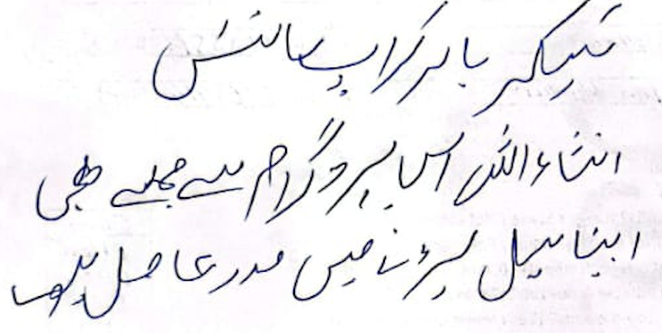 Sales Staff Feedback about the session: |  | 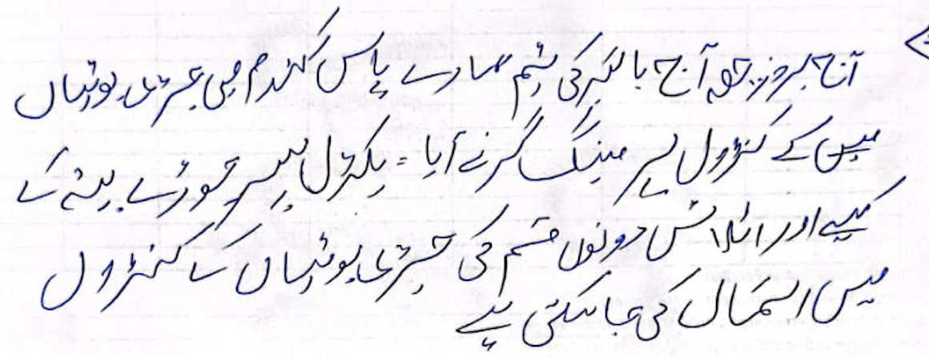
 |  | Name, | Irfan Hussain | Contact, | 0304-9365914 | Sign
Manager / Backchecker End Note:

Session Effectiveness & Intent (Overall Group)
 | Metric | Selection / Notes |  | Choices |  | Entry
1 | Understood 20–40% yield loss due to weeds? |  |  | (Clear / Some / Not clear) |  | Clear
2 | Remember Golden Period (30–40 days after sowing)? |  |  | (Most / Few / None) |  | Most
3 | Understood Buctril Super role (Broadleaf weeds in wheat)? |  |  | (Clear / Mixed / Not clear) |  | Clear
4 | Recall approximate dose & water (≈300 ml/acre & 80–100 L)? |  |  | (Most / Few / None) |  | Most
5 | Understood combo Buctril + Atlantis for mixed weeds? |  |  | (Yes / Some confusion / No) |  | Yes
6 | Safety & PPE messages taken seriously? |  |  | (Yes / Some / No) |  | Yes
Commercial Intent & Outcomes
 | Field |  |  | Required |  | Entry
1 | Repeat users committing Buctril Super this season |  |  | (no. of farmers) |  | 46
2 | New farmers saying 'I will definitely use' (no. of farmers) |  |  | (no. of farmers) |  | 14
3 | Farmers saying 'I may consider' (no. of farmers) |  |  | (no. of farmers) |  | 6
4 | Farmers refusing / uninterested (no. of farmers) |  |  | (no. of farmers)
5 | Committed acres for Buctril Super (firm) |  |  | (no. of farmers) |  | 632
6 | Potential additional acres (interested but not firm) |  |  | (no. of farmers) |  | 43
7 | Main reasons to use |  |  | (better control, crop safety, trust, dealer advice, etc) |  | Trust
8 | Main reasons for hesitation |  |  | (e.g. price, trust in generics, fear of burn, availability) |  | Fear of Burn
Competition & Market Insight
 | Field |  |  |  |  | Entry
1 | Main competitor herbicide brands mentioned
2 | Competitor schemes/offers |  |  | (credit, gifts, discounts, etc)
3 | Dealer feedback on Buctril Super |  |  | (stock, movement, attitude)
4 | Photos, Quotes & Marketing Remarks
 | Field |  |  |  | Notes
1 | Photos / videos taken? |  |  | (Village Entry, Exit, Aerial Footage, excittment, Group calls, Engagements) |  | Yes
2 | Farmer quotes worth using in marketing (write exact words)
3 | What worked best in this session? |  | Gifts, Discussion, Q&A, Anchor's Opening, Part of Speech, any other |  |  | Gifts
4 | What to improve in future sessions (content / visuals / timing)?
5 | New ideas or opportunities spotted (local influencer, Model Field, village event)? |  |  |  | 7 Influencers Noted | Demo Plot Desired

D12S2
Buctril Super – Wheat Farmer Session QUICK REPORT |  |  |  | Date | 2025-12-06 | Day: | 12
1. Session Summary |  | Spot:(Dealer shop/ Field /Dera /Other)
Sessopm | Village / Mauza | Tehsil / District | Host |  | Nearest Dealer Name, Shop | Contact | Location Coordinate:
2 | 54-ML | Bhakkar | Ch. Ghulam Murtaza | 0315-6603754 | Ghazanfer, Ghazanfer Traderrs | 0317-7998764 | 31°43'58.9"N 71°18'26.5"E
2. Buctril Awareness & Intent (numbers only)
Total farmers present |  | 27 | Total wheat farmers (approx.) | 27 | Total wheat acres represented (approx.) |  | 535
Farmers who already know Buctril Super |  | 20 | Farmers who used Buctril Super last year | 15 | Farmers who say they will definitely use this year |  | 24
Farmers who say 'maybe' / will think |  | 3 | Farmers clearly not interested |  | Estimated acres to be sprayed with Buctril Super (this group) |  | 512
3. Message Understanding (1–3 score for whole group) |  |  |  | Score Guide: 1 = Not understood, 2 = Partly understood, 3 = Very clear |  |  | Score (1–3)
 | Weeds can reduce wheat yield by 20–40% | Golden Period: 30–40 days after sowing is critical for weed control | Buctril Super = for broadleaf weeds in wheat | Buctril Super + Atlantis Super = for mixed weeds (broadleaf + grassy) | Safety & PPE (no smoking, gloves/mask, wash after spray)
 | 2 | 3 | 3 | 2 | 3
4. Reasons to Use / Not Use Buctril Super (count how many farmers said each)
Reasons to USE Buctril Super |  |  |  | Supervisor to observe Reasons NOT to use / delay (DON’T ASK, JUDGE)
 | Reason |  | Count | Reason |  |  | Count
1 | Better weed control vs other options |  | 14 | Price too high
2 | Safe on crop (no burning) |  | 13 | Happy with existing generic brand
3 | Trust in Bayer brand |  | 15 | Fear of crop damage / burning
4 | Good past experience |  | 12 | No money / credit at the moment
5 | Dealer strongly recommending |  |  | Product not available at dealer
6 | Offer / scheme / gift |  |  | Do not believe in herbicide / prefer manual weeding
7 | Other (write) |  |  | Other (write)
5. Key Influencer Farmers (only 3 quick entries)
SN | Farmer Name | Mobile / WhatsApp | Village | Wheat acres (approx.) | Buctril Plan (Yes / Maybe / No) | Other Brands / Method to control | Remarks if any

1 | H. Ghulam Murtaza | 0315-6603754 | 54-ML | 15 | Yes |  | Cap.
2 | Abdul Jabbar | 0307-7581729 | 54-ML | 5 | Yes
3 | Arif | 0302-7968175 | 54-ML | 7 | Yes |  | Cap.
4 | M. Musawar | 0329-5964011 | 54-ML | 4 | Yes |  | Cap.
5 | Samar Attah | 0349-0978354 | 54-ML | 14 | Yes
6 | M. Arslan | 0348-5260191 | 54-ML | 12 | Yes
7 | M. Hammad | 0329-2449615 | 54-ML | 5 | Yes
8 | M. Hamza | 0344-4792258 | 54-ML | 13 | Yes
9 | M. Ishaq | 0341-8165354 | 54-ML | 4 | May be | Sincap
10 | M. Ibrar | 0343-8129136 | 54-ML | 2 | May be | Target
11 | M. Rehan | 0305-9819570 | 54-ML | 13 | Yes |  | Cap.
12 | M. Aslam | 0344-7975247 | 54-ML | 12 | Yes
13 | Riaz | 0310-7069556 | 54-ML | 2 | Yes
14 | M. Nawaz | 0340-8761430 | 54-ML | 10 | Yes |  | Cap.
15 | Majid Ali | 0345-045984 | 54-ML | 4 | Yes
16 | M. Ahmer | 0347-0293154 | 54-ML | 8 | Yes
17 | M. Tariq | 0347-2192553 | 54-ML | 10 | Yes
18 | M. Walus | 0346-1874774 | 54-ML | 10 | Yes
19 | Allan Ditta | 0340-7855098 | 54-ML | 13 | Yes
20 | Abdul Ghaffar | 0346-4951575 | 54-ML | 17 | May be | Target
21 | Abdul Karim | 0333-8905389 | 54-ML | 50 | Yes
22 | Amir Ali | 0330-6056441 | 54-ML | 25 | Yes
23 | Abdul Qadeer | 0341-4357065 | 54-ML | 70 | Yes
24 | Abdul Qayyum | 0348-0156385 | 54-ML | 50 | Yes
25 | Abdul Rehman | 0334-7666391 | 54-ML | 50 | Yes
26 | Abdul Rauf | 0306-1449250 | 54-ML | 60 | Yes
27 | Rehman | 0342-1566036 | 54-ML | 70 | Yes
28
29
30
31
32
33
34
35
36
38
40
6. Competition & Dealer Feedback
Top competitor brands mentioned (write names)
Any competitor schemes in past/future (credit, discount, gifts)?
Dealer attitude to Buctril Super (supportive / neutral / prefers other brands)
Host Comments about session:
 |  | Name, | Ch. Ghulam Murtaza | Contact, | 0315-6603754 | Sign
Sales Staff Feedback about the session:
 |  | Name, | 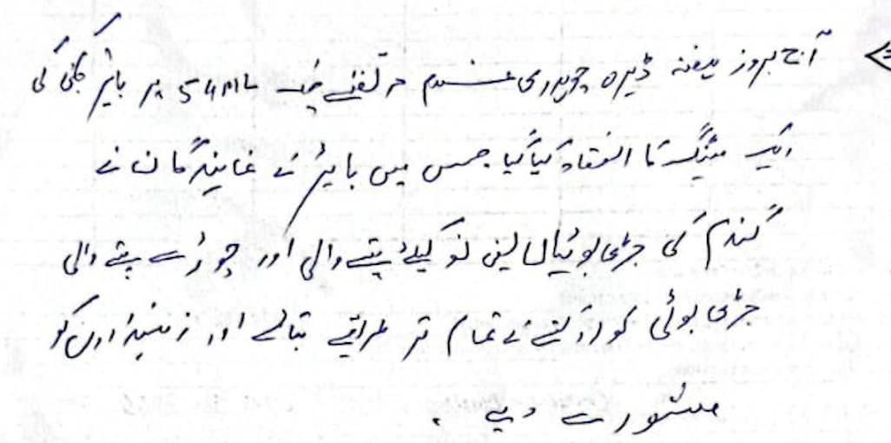 Syed Tasawar Abbas | Contact, | 0336-6631214 | Sign
Manager / Backchecker End Note:

Session Effectiveness & Intent (Overall Group)
 | Metric | Selection / Notes |  | Choices |  | Entry
1 | Understood 20–40% yield loss due to weeds? |  |  | (Clear / Some / Not clear) |  | Clear
2 | Remember Golden Period (30–40 days after sowing)? |  |  | (Most / Few / None) |  | Most
3 | Understood Buctril Super role (Broadleaf weeds in wheat)? |  |  | (Clear / Mixed / Not clear) |  | Clear
4 | Recall approximate dose & water (≈300 ml/acre & 80–100 L)? |  |  | (Most / Few / None) |  | Most
5 | Understood combo Buctril + Atlantis for mixed weeds? |  |  | (Yes / Some confusion / No) |  | Yes
6 | Safety & PPE messages taken seriously? |  |  | (Yes / Some / No) |  | Yes
Commercial Intent & Outcomes
 | Field |  |  | Required |  | Entry
1 | Repeat users committing Buctril Super this season |  |  | (no. of farmers) |  | 15
2 | New farmers saying 'I will definitely use' (no. of farmers) |  |  | (no. of farmers) |  | 9
3 | Farmers saying 'I may consider' (no. of farmers) |  |  | (no. of farmers) |  | 3
4 | Farmers refusing / uninterested (no. of farmers) |  |  | (no. of farmers)
5 | Committed acres for Buctril Super (firm) |  |  | (no. of farmers) |  | 512
6 | Potential additional acres (interested but not firm) |  |  | (no. of farmers) |  | 23
7 | Main reasons to use |  |  | (better control, crop safety, trust, dealer advice, etc) |  | Better Conrol
8 | Main reasons for hesitation |  |  | (e.g. price, trust in generics, fear of burn, availability) |  | Fear of burn
Competition & Market Insight
 | Field |  |  |  |  | Entry
1 | Main competitor herbicide brands mentioned
2 | Competitor schemes/offers |  |  | (credit, gifts, discounts, etc)
3 | Dealer feedback on Buctril Super |  |  | (stock, movement, attitude)
4 | Photos, Quotes & Marketing Remarks
 | Field |  |  |  | Notes
1 | Photos / videos taken? |  |  | (Village Entry, Exit, Aerial Footage, excittment, Group calls, Engagements) |  | Yes
2 | Farmer quotes worth using in marketing (write exact words)
3 | What worked best in this session? |  | Gifts, Discussion, Q&A, Anchor's Opening, Part of Speech, any other |  |  | Discussio, Q&A
4 | What to improve in future sessions (content / visuals / timing)?
5 | New ideas or opportunities spotted (local influencer, Model Field, village event)? |  |  |  | 4 Inflencers noted | Demo Plot desired

D12S3
Buctril Super – Wheat Farmer Session QUICK REPORT |  |  |  | Date | 2025-12-06 | Day: | 12
1. Session Summary |  | Spot:(Dealer shop/ Field /Dera /Other)
Sessopm | Village / Mauza | Tehsil / District | Host |  | Nearest Dealer Name, Shop | Contact | Location Coordinate:
3 | Majoka | Bhakkar | Nazar Abbas | 0310-7789111 | M. Asghar, Akhter Traders | 0301-55277000 | 31°46'33.4"N 71°01'47.5"E
2. Buctril Awareness & Intent (numbers only)
Total farmers present |  | 35 | Total wheat farmers (approx.) | 35 | Total wheat acres represented (approx.) |  | 290
Farmers who already know Buctril Super |  | 26 | Farmers who used Buctril Super last year | 21 | Farmers who say they will definitely use this year |  | 31
Farmers who say 'maybe' / will think |  | 4 | Farmers clearly not interested |  | Estimated acres to be sprayed with Buctril Super (this group) |  | 278
3. Message Understanding (1–3 score for whole group) |  |  |  | Score Guide: 1 = Not understood, 2 = Partly understood, 3 = Very clear |  |  | Score (1–3)
 | Weeds can reduce wheat yield by 20–40% | Golden Period: 30–40 days after sowing is critical for weed control | Buctril Super = for broadleaf weeds in wheat | Buctril Super + Atlantis Super = for mixed weeds (broadleaf + grassy) | Safety & PPE (no smoking, gloves/mask, wash after spray)
 | 3 | 3 | 3 | 2 | 3
4. Reasons to Use / Not Use Buctril Super (count how many farmers said each)
Reasons to USE Buctril Super |  |  |  | Supervisor to observe Reasons NOT to use / delay (DON’T ASK, JUDGE)
 | Reason |  | Count | Reason |  |  | Count
1 | Better weed control vs other options |  | 20 | Price too high
2 | Safe on crop (no burning) |  | 19 | Happy with existing generic brand
3 | Trust in Bayer brand |  | 21 | Fear of crop damage / burning
4 | Good past experience |  | 16 | No money / credit at the moment
5 | Dealer strongly recommending |  |  | Product not available at dealer
6 | Offer / scheme / gift |  |  | Do not believe in herbicide / prefer manual weeding
7 | Other (write) |  |  | Other (write)
5. Key Influencer Farmers (only 3 quick entries)
SN | Farmer Name | Mobile / WhatsApp | Village | Wheat acres (approx.) | Buctril Plan (Yes / Maybe / No) | Other Brands / Method to control | Remarks if any
1 | Ameer Humain | 0343.1747459 |  | 21 | Yes
2 | M. Abid | 0346.7353278 | Kundani | 26 | Yes |  | Cap
3 | Zahid Humain | 0343.1720586 | Kundani | 11 | Yes
4 | Mohib | 0344.8637592 | Kundani | 10 | Yes
5 | Asghad | 0349.3848354 | Kundani | 6 | Yes
6 | Juma Khan | 0345.1903635 | Kundani | 12 | Yes
7 | Zaman | 0343.7861108 | Kundani | 12 | Yes
8 | Paael Khan | 0343.7867786 | Kundani | 10 | Yes
9 | Saleem | 0317.6891684 | Kundani | 8 | Yes
10 | Sajjad Khan | 0346.1881412 | Kundani | 10 | Yes
11 | Asghar | 0343.1747429 | Kundani |  | Yes |  | Cap
12 | Zaheer Khan | 0345.7659279 | Kundani | 15 | Yes
13 | Iqbal Husain | 0341.7883270 | Kundani | 30 | Yes |  | Cap
14 | Iqbal | 0344.8637612 | Kundani | 38 | Yes
15 | Akhtar Abbas | 03 | Kundani | 27 | Yes
16 | Zahur Husain | 0343.7830534 | Kundani | 24 | Yes
17 | Imran Abbas | 0340.4577267 | Kundani | 8 | Yes |  | Cap
18 | Nito Khan | 0347.2125677 | Kundani | 12 | Yes
19 | Mulazim Husain | 0344.8628614 | Kundani | 15 | Yes
20 | Mazhar Abbas | 0341.6608144 | Kundani | 12 | Yes
21 | Kaif Raza | 0341.3372097 | Kundani | 36 | Yes
22 | Hussain Khan | 0344.7981020 | Kundani | 25 | Yes |  | Cap
23 | Parvaiz Ali | 0342.7967903 | Kundani | 5 | Yes |  | Cap
24 | Ali Raza | 0347.2125518 | Kundani | 27 | Yes
25 | Kamran Ali | 0348.7103672 | Kundani | 21 | Yes
26 | Mustaza | 0343.5516945 | Kundani | 12 | Yes
27 | Ghulam Abbas | 0340.821166 | Kundani | 27 | Yes
28 | Syed Ghalib Husain | 0348.0665532 | Kundani | 22 | Yes
29 | Syed Imran Husain | 0346.7714247 | Kundani | 18 | Yes
30 | Sajjad | 0344.2060391 | Kundani | 11 | Yes
31 | Kail Raza | 0348.7741209 | Kundani | 222 | Yes
32 | Imran Ali | 0341.7764512 | Kundani | 27 | Yes
33 | Tariq Husain | 0346.2214965 | Kundani | 35 | Yes
34 | Ghulam Yasin | 0348.1743439 | Kundani | 29 | Maybe | Sun crop
35
36
37
38
40
6. Competition & Dealer Feedback
Top competitor brands mentioned (write names)
Any competitor schemes in past/future (credit, discount, gifts)?
Dealer attitude to Buctril Super (supportive / neutral / prefers other brands)
Host Comments about session:
 |  | Name, | Nazar Abbas | Contact, | 0310-7789111 | Sign
Sales Staff Feedback about the session: |  | 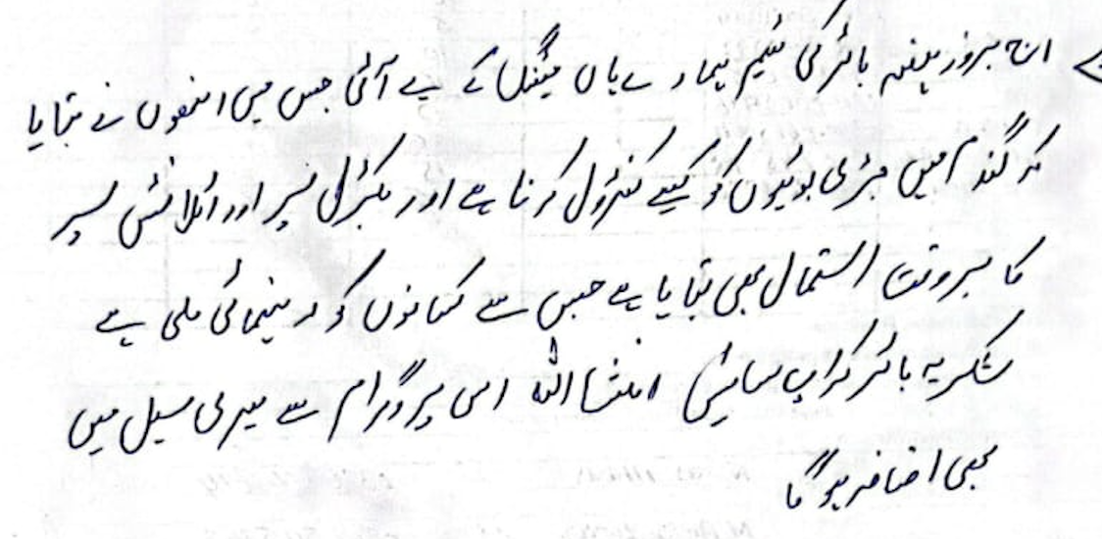
 |  | Name, | M. Tahir | Contact, | 0307-5115767 | Sign
Manager / Backchecker End Note:

Session Effectiveness & Intent (Overall Group)
 | Metric | Selection / Notes |  | Choices |  | Entry
1 | Understood 20–40% yield loss due to weeds? |  |  | (Clear / Some / Not clear) |  | Clear
2 | Remember Golden Period (30–40 days after sowing)? |  |  | (Most / Few / None) |  | Most
3 | Understood Buctril Super role (Broadleaf weeds in wheat)? |  |  | (Clear / Mixed / Not clear) |  | Clear
4 | Recall approximate dose & water (≈300 ml/acre & 80–100 L)? |  |  | (Most / Few / None) |  | Most
5 | Understood combo Buctril + Atlantis for mixed weeds? |  |  | (Yes / Some confusion / No) |  | Yes
6 | Safety & PPE messages taken seriously? |  |  | (Yes / Some / No) |  | Yes
Commercial Intent & Outcomes
 | Field |  |  | Required |  | Entry
1 | Repeat users committing Buctril Super this season |  |  | (no. of farmers) |  | 21
2 | New farmers saying 'I will definitely use' (no. of farmers) |  |  | (no. of farmers) |  | 10
3 | Farmers saying 'I may consider' (no. of farmers) |  |  | (no. of farmers) |  | 4
4 | Farmers refusing / uninterested (no. of farmers) |  |  | (no. of farmers)
5 | Committed acres for Buctril Super (firm) |  |  | (no. of farmers) |  | 278
6 | Potential additional acres (interested but not firm) |  |  | (no. of farmers) |  | 12
7 | Main reasons to use |  |  | (better control, crop safety, trust, dealer advice, etc) |  | Trust
8 | Main reasons for hesitation |  |  | (e.g. price, trust in generics, fear of burn, availability) |  | Price
Competition & Market Insight
 | Field |  |  |  |  | Entry
1 | Main competitor herbicide brands mentioned
2 | Competitor schemes/offers |  |  | (credit, gifts, discounts, etc)
3 | Dealer feedback on Buctril Super |  |  | (stock, movement, attitude)
4 | Photos, Quotes & Marketing Remarks
 | Field |  |  |  | Notes
1 | Photos / videos taken? |  |  | (Village Entry, Exit, Aerial Footage, excittment, Group calls, Engagements) |  | Yes
2 | Farmer quotes worth using in marketing (write exact words)
3 | What worked best in this session? |  | Gifts, Discussion, Q&A, Anchor's Opening, Part of Speech, any other |  |  | Parts of Speech
4 | What to improve in future sessions (content / visuals / timing)?
5 | New ideas or opportunities spotted (local influencer, Model Field, village event)? |  |  |  | 5 Influencers | Demo Plot Desired

D13S1
Buctril Super – Wheat Farmer Session QUICK REPORT |  |  |  | Date | 2025-12-08 | Day: | 13
1. Session Summary |  | Spot:(Dealer shop/ Field /Dera /Other)
Sessopm | Village / Mauza | Tehsil / District | Host |  | Nearest Dealer Name, Shop | Contact | Location Coordinate:
1 | Kalor Sharif Kacha | Mianwali | Abid Hussain | 0301-2068770 | Waseem Khan, Awais & Brothers | 0300-0232627 | 32°44'03.5"N 71°16'39.9"E
2. Buctril Awareness & Intent (numbers only)
Total farmers present |  | 32 | Total wheat farmers (approx.) | 32 | Total wheat acres represented (approx.) |  | 441
Farmers who already know Buctril Super |  | 29 | Farmers who used Buctril Super last year | 27 | Farmers who say they will definitely use this year |  | 31
Farmers who say 'maybe' / will think |  | 1 | Farmers clearly not interested |  | Estimated acres to be sprayed with Buctril Super (this group) |  | 436
3. Message Understanding (1–3 score for whole group) |  |  |  | Score Guide: 1 = Not understood, 2 = Partly understood, 3 = Very clear |  |  | Score (1–3)
 | Weeds can reduce wheat yield by 20–40% | Golden Period: 30–40 days after sowing is critical for weed control | Buctril Super = for broadleaf weeds in wheat | Buctril Super + Atlantis Super = for mixed weeds (broadleaf + grassy) | Safety & PPE (no smoking, gloves/mask, wash after spray)
 | 3 | 2 | 3 | 3 | 3
4. Reasons to Use / Not Use Buctril Super (count how many farmers said each)
Reasons to USE Buctril Super |  |  |  | Supervisor to observe Reasons NOT to use / delay (DON’T ASK, JUDGE)
 | Reason |  | Count | Reason |  |  | Count
1 | Better weed control vs other options |  | 25 | Price too high |  |  | 20
2 | Safe on crop (no burning) |  | 27 | Happy with existing generic brand |  |  | 5
3 | Trust in Bayer brand |  | 29 | Fear of crop damage / burning |  |  | 15
4 | Good past experience |  | 25 | No money / credit at the moment |  |  | 5
5 | Dealer strongly recommending |  |  | Product not available at dealer
6 | Offer / scheme / gift |  |  | Do not believe in herbicide / prefer manual weeding
7 | Other (write) |  |  | Other (write)
5. Key Influencer Farmers (only 3 quick entries)
SN | Farmer Name | Mobile / WhatsApp | Village | Wheat acres (approx.) | Buctril Plan (Yes / Maybe / No) | Other Brands / Method to control | Remarks if any

1 | Abid Khan | 0301-2068770 | Kalor Sharif Kacha | 6 | Yes
2 | Arif Khan | 0306-5306563 | Kalor Sharif Kacha | 10 | Yes
3 | Isfar Shah | 0308-7057911 | Kalor Sharif Kacha | 15 | Yes
4 | A-babh | 0307-8560803 | Kalor Sharif Kacha | 25 | Yes |  | cap
5 | Rafiullah | 0306-4885977 | Kalor Sharif Kacha | 7 | Yes
6 | Zulfiqar | 0341-7229066 | Kalor Sharif Kacha | 4 | Yes
7 | Ubaidullah | 0306-0311841 | Kalor Sharif Kacha | 6 | Yes
8 | M. Amjad | 0325-2192623 | Kalor Sharif Kacha | 20 | Yes
9 | Mumtaz Khan | 0308-4490834 | Kalor Sharif Kacha | 10 | Yes
10 | M. Rafiq | 0307-9552793 | Kalor Sharif Kacha | 15 | Yes
11 | Atif Rehman | 0307-8900258 | Kalor Sharif Kacha | 7 | Yes
12 | M. Sharail | 0305-9216036 | Kalor Sharif Kacha | 4 | Yes
13 | A. Majeed | 0306-6351633 | Kalor Sharif Kacha | 3 | Yes
14 | Sheer-bhador | - | Kalor Sharif Kacha | 15 | Yes
15 | M. Sadia | 0300-5912337 | Kalor Sharif Kacha | 18 | Yes
16 | Qallu Alam | 0344-7289066 | Kalor Sharif Kacha | 25 | Yes
17 | M. Razqal | 0301-3854198 | Kalor Sharif Kacha | 7 | Yes
18 | Shah Alam | 0304-6537374 | Kalor Sharif Kacha | 35 | Yes |  | cap
19 | M. Qadir | 0346-5625063 | Kalor Sharif Kacha | 3 | Yes
20 | Sa. Khwza | 0303-9216235 | Kalor Sharif Kacha | 5 | Yes
21 | Abdul Sattar | 0302-7096731 | Kalor Sharif Kacha | 5 | Yes
22 | Abdul Ghaffar | 0303-5658632 | Kalor Sharif Kacha | 10 | Yes |  | cap
23 | M. Saeed | 0301-5230419 | Kalor Sharif Kacha | 5 | may be
24 | Mumtaz Ullah | 0306-6057862 | Kalor Sharif Kacha | 30 | Yes
25 | Mushtaq Khurram | 0306-3211142 | Kalor Sharif Kacha | 7 | Yes
26 | Malik-Makhni | 0344-7529941 | Kalor Sharif Kacha | 8 | Yes
27 | Abdul Jabbar | 0306-6059683 | Kalor Sharif Kacha | 10 | Yes
28 | Shoaib | 0324-0022807 | Kalor Sharif Kacha | 5 | Yes |  | cap
29 | Sambal | 0325-8712585 | Kalor Sharif Kacha | 5 | Yes
30 | Fiaz | 0300-1382627 | Kalor Sharif Kacha | 20 | Yes
31 | Tariq | 0300-1622627 | Kalor Sharif Kacha | 15 | Yes
32 | Ikhlaq | 0304-3532587 | Kalor Sharif Kacha | 20 | Yes
34
35
36
37
38
40
6. Competition & Dealer Feedback
Top competitor brands mentioned (write names)
Any competitor schemes in past/future (credit, discount, gifts)?
Dealer attitude to Buctril Super (supportive / neutral / prefers other brands)
Host Comments about session:
 |  | Name, | Abid Hussain | Contact, | 0301-2068770 | Sign
Sales Staff Feedback about the session: |  |  | 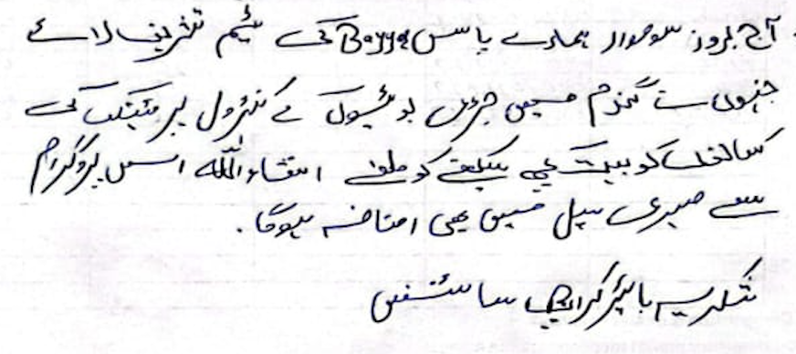
 |  | Name, | Arif Khan | Contact, | 0306-5306565 | Sign
Manager / Backchecker End Note:

Session Effectiveness & Intent (Overall Group)
 | Metric | Selection / Notes |  | Choices |  | Entry
1 | Understood 20–40% yield loss due to weeds? |  |  | (Clear / Some / Not clear) |  | Clear
2 | Remember Golden Period (30–40 days after sowing)? |  |  | (Most / Few / None) |  | Most
3 | Understood Buctril Super role (Broadleaf weeds in wheat)? |  |  | (Clear / Mixed / Not clear) |  | Clear
4 | Recall approximate dose & water (≈300 ml/acre & 80–100 L)? |  |  | (Most / Few / None) |  | Most
5 | Understood combo Buctril + Atlantis for mixed weeds? |  |  | (Yes / Some confusion / No) |  | Yes
6 | Safety & PPE messages taken seriously? |  |  | (Yes / Some / No) |  | Yes
Commercial Intent & Outcomes
 | Field |  |  | Required |  | Entry
1 | Repeat users committing Buctril Super this season |  |  | (no. of farmers) |  | 27
2 | New farmers saying 'I will definitely use' (no. of farmers) |  |  | (no. of farmers) |  | 4
3 | Farmers saying 'I may consider' (no. of farmers) |  |  | (no. of farmers) |  | 1
4 | Farmers refusing / uninterested (no. of farmers) |  |  | (no. of farmers)
5 | Committed acres for Buctril Super (firm) |  |  | (no. of farmers) |  | 436
6 | Potential additional acres (interested but not firm) |  |  | (no. of farmers) |  | 5
7 | Main reasons to use |  |  | (better control, crop safety, trust, dealer advice, etc) |  | Trust
8 | Main reasons for hesitation |  |  | (e.g. price, trust in generics, fear of burn, availability) |  | Fearr of Burn
Competition & Market Insight
 | Field |  |  |  |  | Entry
1 | Main competitor herbicide brands mentioned
2 | Competitor schemes/offers |  |  | (credit, gifts, discounts, etc)
3 | Dealer feedback on Buctril Super |  |  | (stock, movement, attitude)
4 | Photos, Quotes & Marketing Remarks
 | Field |  |  |  | Notes
1 | Photos / videos taken? |  |  | (Village Entry, Exit, Aerial Footage, excittment, Group calls, Engagements) |  | Yes
2 | Farmer quotes worth using in marketing (write exact words)
3 | What worked best in this session? |  | Gifts, Discussion, Q&A, Anchor's Opening, Part of Speech, any other |  |  | Gifts
4 | What to improve in future sessions (content / visuals / timing)?
5 | New ideas or opportunities spotted (local influencer, Model Field, village event)? |  |  |  | 5 influencers noted | Village Event like this should be conducted often

D13S2
Buctril Super – Wheat Farmer Session QUICK REPORT |  |  |  | Date | 2025-12-08 | Day: | 13
1. Session Summary |  | Spot:(Dealer shop/ Field /Dera /Other)
Sessopm | Village / Mauza | Tehsil / District | Host |  | Nearest Dealer Name, Shop | Contact | Location Coordinate:
2 | Kamar Mashaani Gulshan Colony | Mianwali | Taj Muhammad | 0300-7417465 | Arshad, Arshad Zarai | 0301-7802078 | 32°51'53.0"N 71°20'23.0"E
2. Buctril Awareness & Intent (numbers only)
Total farmers present |  | 30 | Total wheat farmers (approx.) | 30 | Total wheat acres represented (approx.) |  | 267
Farmers who already know Buctril Super |  | 26 | Farmers who used Buctril Super last year | 24 | Farmers who say they will definitely use this year |  | 27
Farmers who say 'maybe' / will think |  | 3 | Farmers clearly not interested |  | Estimated acres to be sprayed with Buctril Super (this group) |  | 244
3. Message Understanding (1–3 score for whole group) |  |  |  | Score Guide: 1 = Not understood, 2 = Partly understood, 3 = Very clear |  |  | Score (1–3)
 | Weeds can reduce wheat yield by 20–40% | Golden Period: 30–40 days after sowing is critical for weed control | Buctril Super = for broadleaf weeds in wheat | Buctril Super + Atlantis Super = for mixed weeds (broadleaf + grassy) | Safety & PPE (no smoking, gloves/mask, wash after spray)
...
1 | Taj Muhammad | 0300-7417465 | Gulshan Colony | 30 | Yes |  | Cap
36
37
38
40
6. Competition & Dealer Feedback
Top competitor brands mentioned (write names)
Any competitor schemes in past/future (credit, discount, gifts)?
Dealer attitude to Buctril Super (supportive / neutral / prefers other brands)
Host Comments about session:
 |  | Name, | Taj Muhammad | Contact, | 0300-7417465 | Sign
Sales Staff Feedback about the session: |  | 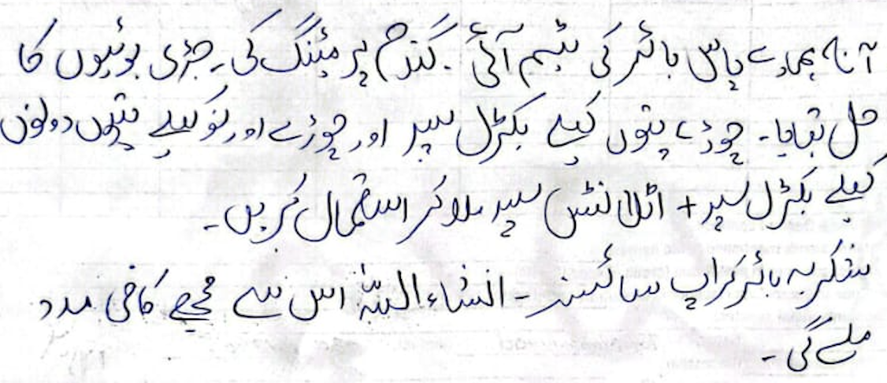
 |  | Name, | Binyameen | Contact, | 0300-1828265 | Sign
Manager / Backchecker End Note:

Session Effectiveness & Intent (Overall Group)
 | Metric | Selection / Notes |  | Choices |  | Entry
1 | Understood 20–40% yield loss due to weeds? |  |  | (Clear / Some / Not clear) |  | Clear
2 | Remember Golden Period (30–40 days after sowing)? |  |  | (Most / Few / None) |  | Most
3 | Understood Buctril Super role (Broadleaf weeds in wheat)? |  |  | (Clear / Mixed / Not clear) |  | Clear
4 | Recall approximate dose & water (≈300 ml/acre & 80–100 L)? |  |  | (Most / Few / None) |  | Most
5 | Understood combo Buctril + Atlantis for mixed weeds? |  |  | (Yes / Some confusion / No) |  | Yes
...

D13S3
...
2 | Shat Ullah | 0305-3126621 | Daud KhaiL kacha | 23 | Yes |  | Cap.
37 | Waqas | 0308-6797042 | Daud KhaiL kacha | 10 | Yes
38 | Tanqueer | 0308-7066753 | Daud KhaiL kacha | 12 | Yes
40 | Mehv N. | 0308-0947500 | Daud KhaiL kacha | 10 | Yes
6. Competition & Dealer Feedback | Javed | 0306-8253689 | Daud KhaiL kacha | 5 | Yes
Top competitor brands mentioned (write names)
Any competitor schemes in past/future (credit, discount, gifts)?
Dealer attitude to Buctril Super (supportive / neutral / prefers other brands)
Host Comments about session:
 |  | Name, | Shifaullah | Contact, | 0305-3126621 | Sign
Sales Staff Feedback about the session:
 |  | Name, | 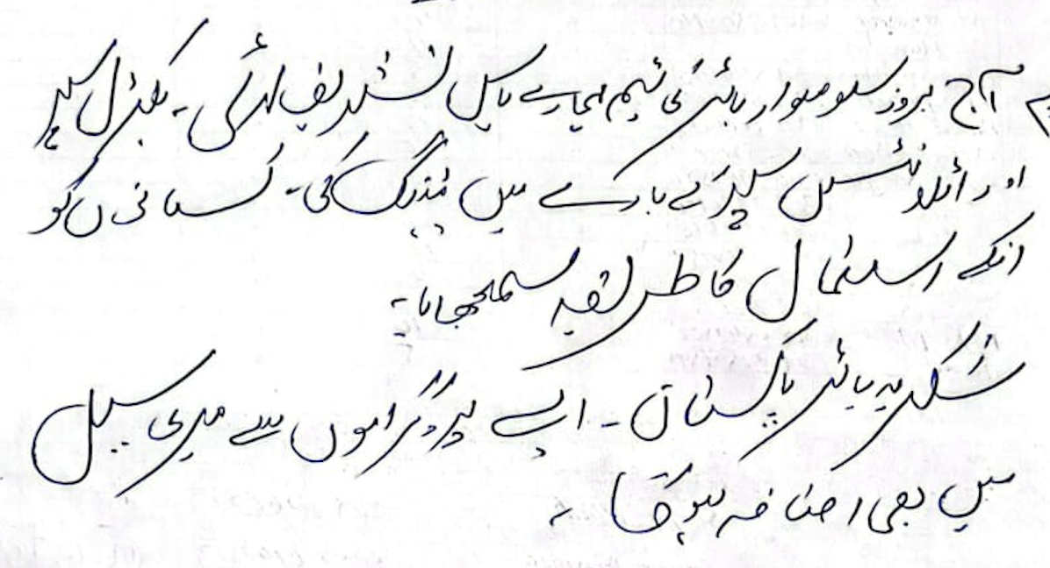 Murtaza | Contact, | 0304-6747523 | Sign
Manager / Backchecker End Note:

Session Effectiveness & Intent (Overall Group)
 | Metric | Selection / Notes |  | Choices |  | Entry
1 | Understood 20–40% yield loss due to weeds? |  |  | (Clear / Some / Not clear) |  | Clear
2 | Remember Golden Period (30–40 days after sowing)? |  |  | (Most / Few / None) |  | Most
3 | Understood Buctril Super role (Broadleaf weeds in wheat)? |  |  | (Clear / Mixed / Not clear) |  | Clear
4 | Recall approximate dose & water (≈300 ml/acre & 80–100 L)? |  |  | (Most / Few / None) |  | Most
5 | Understood combo Buctril + Atlantis for mixed weeds? |  |  | (Yes / Some confusion / No) |  | Yes
6 | Safety & PPE messages taken seriously? |  |  | (Yes / Some / No) |  | Yes
...

D14S1
...
1 | M. Sajid | 0300.5196990 | Jharoola | 75 | Yes | Cap. | Cap
44 | M. Khan | 0349.7736292 | Jharoola | 10 | May be
45
46
47
6. Competition & Dealer Feedback
Top competitor brands mentioned (write names)
Any competitor schemes in past/future (credit, discount, gifts)?
Dealer attitude to Buctril Super (supportive / neutral / prefers other brands) |  |  |  | v. Good
Host Comments about session:
 |  | Name, | Malik Sajid | Contact, | 0300-5196990 | Sign
Sales Staff Feedback about the session: |  |  | 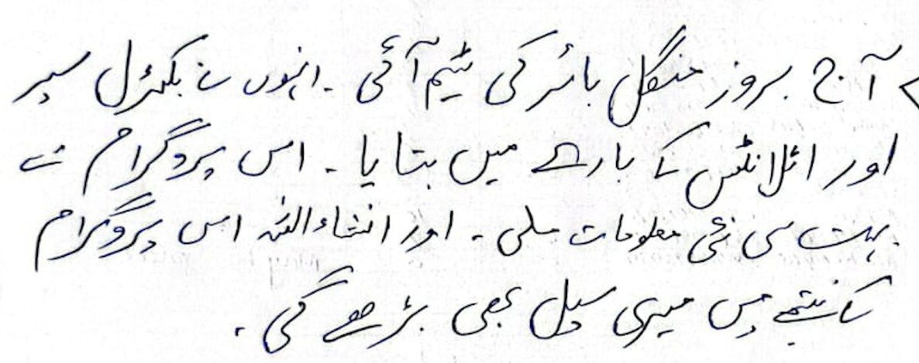
 |  | Name, |  | Contact, |  | Sign
Manager / Backchecker End Note:

Session Effectiveness & Intent (Overall Group)
 | Metric | Selection / Notes |  | Choices |  | Entry
1 | Understood 20–40% yield loss due to weeds? |  |  | (Clear / Some / Not clear) |  | Clear
2 | Remember Golden Period (30–40 days after sowing)? |  |  | (Most / Few / None) |  | Most
3 | Understood Buctril Super role (Broadleaf weeds in wheat)? |  |  | (Clear / Mixed / Not clear) |  | Clear
4 | Recall approximate dose & water (≈300 ml/acre & 80–100 L)? |  |  | (Most / Few / None) |  | Most
5 | Understood combo Buctril + Atlantis for mixed weeds? |  |  | (Yes / Some confusion / No) |  | Yes
...

D14S3
...
Buctril Super – Wheat Farmer Session QUICK REPORT |  |  |  | Date | 2025-12-09 | Day: | 14
36
37
38
40
6. Competition & Dealer Feedback
Top competitor brands mentioned (write names)
Any competitor schemes in past/future (credit, discount, gifts)?
Dealer attitude to Buctril Super (supportive / neutral / prefers other brands)
Host Comments about session:
 |  | Name, | Arshad | Contact, | 0346-3825513 | Sign
Sales Staff Feedback about the session: |  |  | 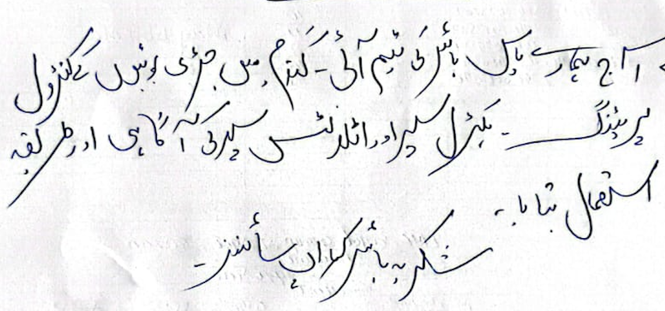
 |  | Name, | Mubashir Siddiqui | Contact, | 0345-1718611 | Sign
Manager / Backchecker End Note:

Session Effectiveness & Intent (Overall Group)
 | Metric | Selection / Notes |  | Choices |  | Entry
1 | Understood 20–40% yield loss due to weeds? |  |  | (Clear / Some / Not clear) |  | Clear
2 | Remember Golden Period (30–40 days after sowing)? |  |  | (Most / Few / None) |  | Most
3 | Understood Buctril Super role (Broadleaf weeds in wheat)? |  |  | (Clear / Mixed / Not clear) |  | Clear
4 | Recall approximate dose & water (≈300 ml/acre & 80–100 L)? |  |  | (Most / Few / None) |  | Most
5 | Understood combo Buctril + Atlantis for mixed weeds? |  |  | (Yes / Some confusion / No) |  | Yes
...

D16S2
...
Buctril Super – Wheat Farmer Session QUICK REPORT |  |  |  | Date | 2025-12-11 | Day: | 16
37
38
40
6. Competition & Dealer Feedback
Top competitor brands mentioned (write names)
Any competitor schemes in past/future (credit, discount, gifts)?
Dealer attitude to Buctril Super (supportive / neutral / prefers other brands)
Host Comments about session:
 |  | Name, | Amir | Contact, | 0345-5828098 | Sign
Sales Staff Feedback about the session:
 | 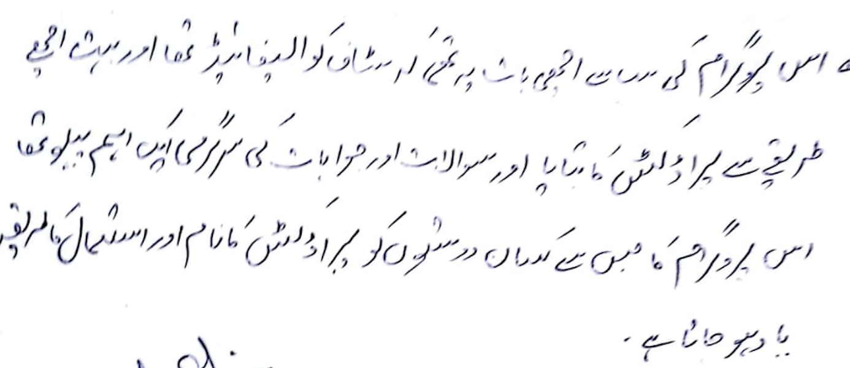 | Name, |  | Contact, |  | Sign
Manager / Backchecker End Note:

Session Effectiveness & Intent (Overall Group)
 | Metric | Selection / Notes |  | Choices |  | Entry
1 | Understood 20–40% yield loss due to weeds? |  |  | (Clear / Some / Not clear) |  | Clear
2 | Remember Golden Period (30–40 days after sowing)? |  |  | (Most / Few / None) |  | Most
3 | Understood Buctril Super role (Broadleaf weeds in wheat)? |  |  | (Clear / Mixed / Not clear) |  | Clear
4 | Recall approximate dose & water (≈300 ml/acre & 80–100 L)? |  |  | (Most / Few / None) |  | Most
5 | Understood combo Buctril + Atlantis for mixed weeds? |  |  | (Yes / Some confusion / No) |  | Yes
6 | Safety & PPE messages taken seriously? |  |  | (Yes / Some / No) |  | Yes
...

D17S2
...
1 | M. Jawaid | 346.7463338 | 338-GB | 20 | Yes |  | Cap.
37
38
40
6. Competition & Dealer Feedback
Top competitor brands mentioned (write names)
Any competitor schemes in past/future (credit, discount, gifts)?
Dealer attitude to Buctril Super (supportive / neutral / prefers other brands) |  |  |  |  | V. Good & Informative
Host Comments about session:
 |  | Name, | M. Javaid | Contact, | 0346-7423338 | Sign
Sales Staff Feedback about the session:
 | 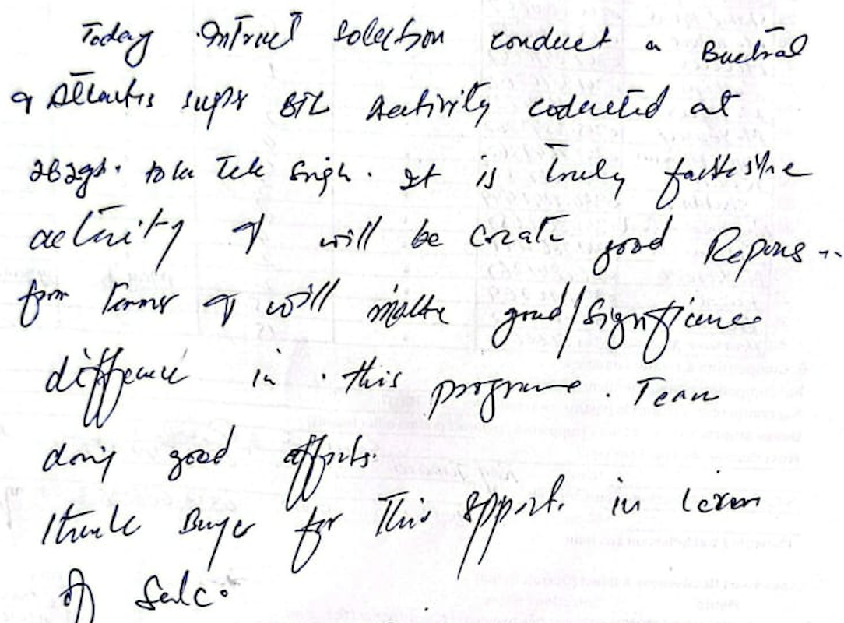 Today INTERACT Solutions conducted a Buctril & Atlantic BTL Activity, It is truly fantastic actvty,
 |  | Name, | Qasim Iqbal | Contact, | 0312-6812343 | Sign
Manager / Backchecker End Note:

Session Effectiveness & Intent (Overall Group)
 | Metric | Selection / Notes |  | Choices |  | Entry
1 | Understood 20–40% yield loss due to weeds? |  |  | (Clear / Some / Not clear) |  | Clear
2 | Remember Golden Period (30–40 days after sowing)? |  |  | (Most / Few / None) |  | Most
3 | Understood Buctril Super role (Broadleaf weeds in wheat)? |  |  | (Clear / Mixed / Not clear) |  | Clear
4 | Recall approximate dose & water (≈300 ml/acre & 80–100 L)? |  |  | (Most / Few / None) |  | Most
5 | Understood combo Buctril + Atlantis for mixed weeds? |  |  | (Yes / Some confusion / No) |  | Yes
...

