Sheet1
 |  |  |  |  |  | Tickets
S No | Ticket Number | Subject | Reporter | Date | Priority | Department | Status | Action
1 | INC0001 | xyz test server is down | Test1 | 31/03/2020 | Low | INFRA TEAM | Opened

 |  |  | Ticket Details

 | Ticket Number |  |  |  | Assigned to
 | Name |  |  |  | Status | Open/Close
 | Email id |  |  |  | Stage | Assigned / Unassigned
 | Priority |  |  |  | Responded By
 | Created On
 | Subject

 | Description |  |  |  | Resolution

 |  |  |  |  |  | History
 |  |  |  | Name | date/time | content | Status change
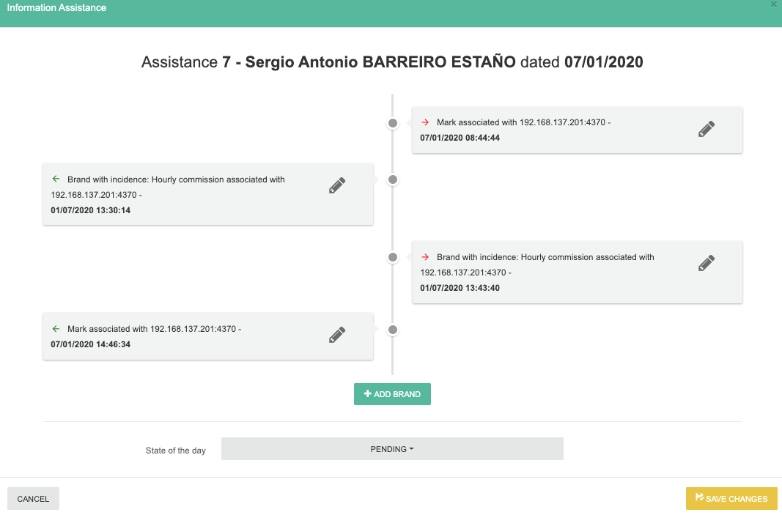

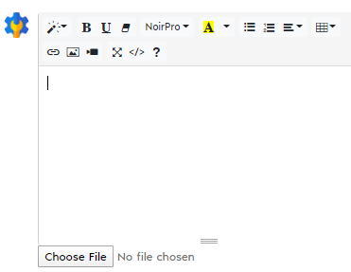

 |  | Space for the image file updates

