Sheet2
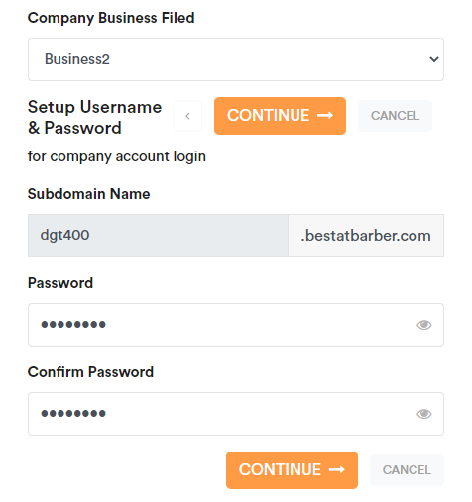
When trying to give the password and click twice the screen opens as below

Sheet3
https://dgt600.bestatbarber.com/login/

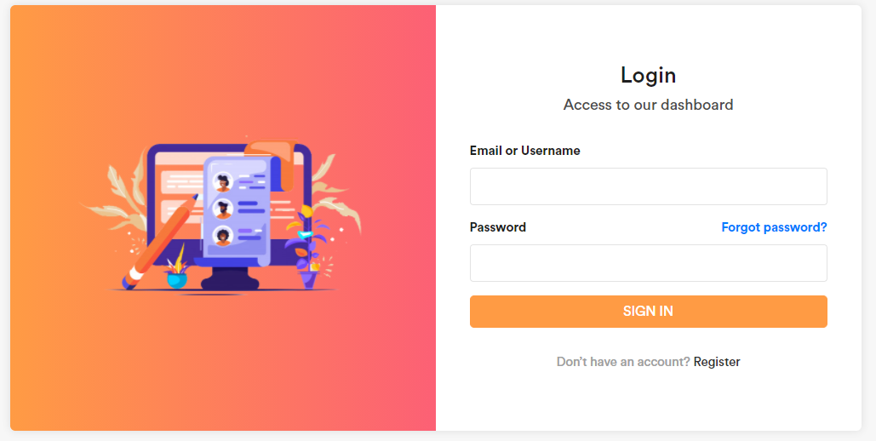
 | When I click on Register I get Company details added successfully

Sheet4
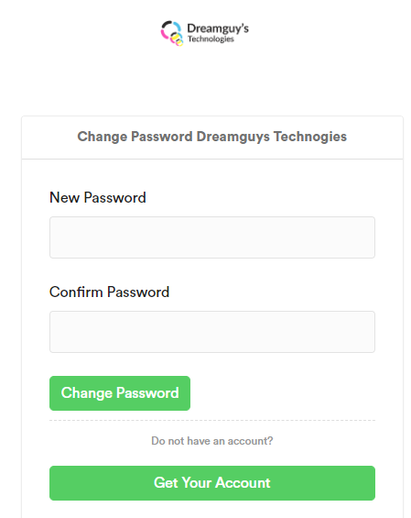
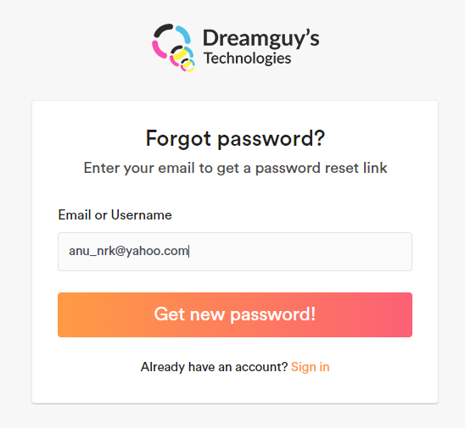
Once the payment is done we get a status message with domain name and userid and password details but the login should be only through mailid
In forgot password Dreamguys logo exists

Sheet5
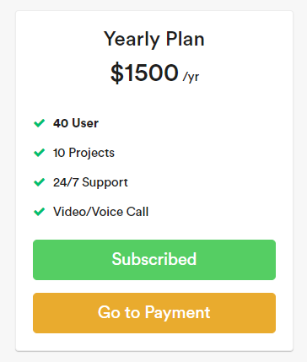
Tried upgrading from Monthly to Annual plan, Go to payment is not redirecting to Payment page

