sing-up test Case
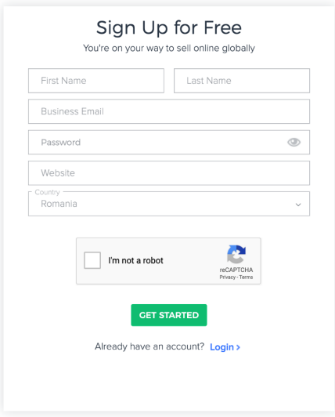
Sing-up Test Case
test title | test steps | test data | expected results
Register – Successfully sing-up | 1. Access [Link register site] |  | 1.Register page is displayed
 | 2.Press "I'm not a robot" button |  | 2.Fill the captcha page is displayed
 | 3.Accept terms and condtions |  | 3.The terms and conditions page is displayed
 | 4.Insert credential and press register button |  | 4.Confirmation page is displayed
 | 5.Insert Verification code sent via email |  | 5.The main page of market place is displayed
Register – Experied verification code | 1. Access [Link register site] |  | 1.Register page is displayed
 | 2.Press "I'm not a robot" button |  | 2.Fill the captcha page is displayed
 | 3.Accept terms and condtions |  | 3.The terms and conditions page is displayed
 | 4.Insert credential and press register button |  | 4.Confirmation page is displayed
 | 5.Insert Verification code sent via email |  | 5.The message "verification code expired after 30 seconds"
Register – without terms and condions checkbox marked | 1. Access [Link register site] |  | 1.Register page is displayed
 | 2.Press "I'm not a robot" button |  | 2.Fill the captcha page is displayed
 | 3. Don't mark "terms and condtions"checkbox |  | 3.The message "you must accept terms and conditons is displayed "
Register – Weak password | 1. Access [Link register site] |  | 1.Register page is displayed
 | 2.Press "I'm not a robot" button |  | 2.Fill the captcha page is displayed
 | 3.Accept terms and condtions |  | 3.The terms and conditions page is displayed
 | 4.Insert credential and press register button |  | 4.The message "The Password must have 1cap letter, must be longer than 6 and minimum 1 digit in it is displayed
Register – with empty credentials fields | 1. Access [Link register site] |  | 1.Register page is displayed
 | 2.Press "I'm not a robot" button |  | 2.Fill the captcha page is displayed
 | 3.Accept terms and condtions |  | 3.The terms and conditions page is displayed
 | 4.Empty credentials fields |  | 4.The message "this fields is requierd" is displayed

Sing-in Test Case
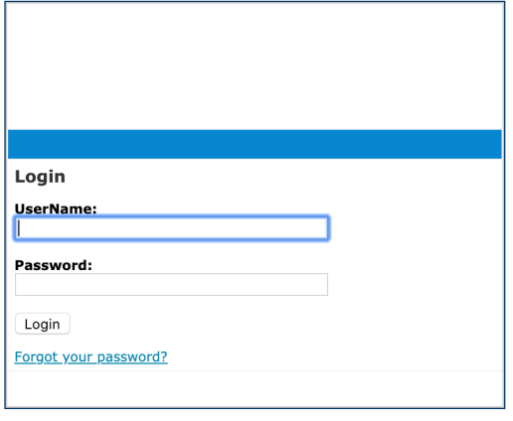
Sing-in TestCase
test title | test steps | test data | expected results
Login – Successfully Login | 1.Access [Link login site] |  | 1. Login page is displayed
 | 2.Insert email & password and press on Login button |  | 2.Market place page is displayed "welcome"-pop up
Login – Login with invalid email & password | 1.Access [Link login site] |  | 1. Login page is displayed
 | 2.Insert invalid email & password and press on Login button |  | 2.The message "invalid email or password" is displayed
Login – Login with invalid email & password 3 times in a row | 1.Access [Link login site] |  | 1. Login page is displayed
 | 2.Insert invalid email & password 3 times in a row and press on Login button |  | 2.The message "your account is blocked for 30 minutes" is displayed
Login – API is down -Login with valid credentials | 1.Access [Link login site] | API DOWN | 1. Login page is displayed
 | 2.Insert email & password and press on Login button |  | The message "an error occurred" is diplayed
Login- Different browsers | 1.Access [Link login site] | Open Chrome/Opera/Brave | 1. Login page is displayed
 | 2.Insert email & password and press on Login button |  | 2.Market place page is displayed "welcome"-pop up
Login-Forgot password | 1.Access [Link login site] |  | 1. Login page is displayed
 | 2.Press "forgot password your password?" |  | Forgot password form should be displayed

