TOC


CITY DISTRICTS AND AREAS
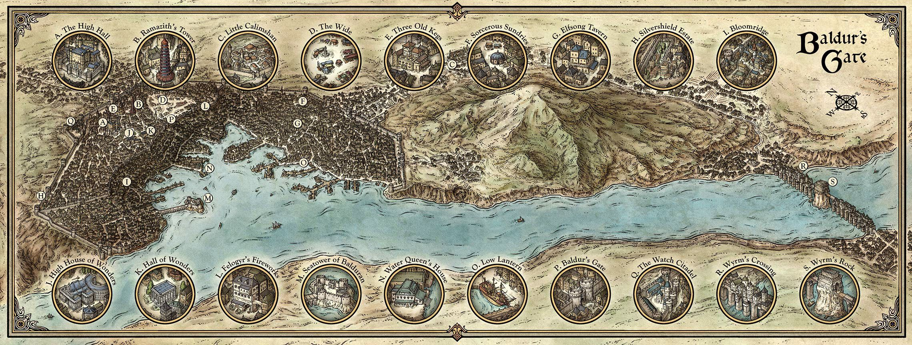
DISTRICT NAME | SIZE | WARD | link to FR fandom wiki | GANG | KINGPIN | Стовпець1 | DESCRIPTION | DISTRICT NAME | Blackgate | Bloomridge | Brampton | Citadel Streets | Eastway | Heapside | Little Calimshan | Manorborn | Norchapel | Rivington | Seatower | Sow's Foot | The Steeps | Stonyeyes | Temples District | Tumbledown | Twin Songs | Whitkeep | The Wide | Wyrm's Crossing
Blackgate | 15 | LOWER CITY | https://forgottenrealms.fandom.com/wiki/Blackgate | Shar’s Serpents i |  | shield dwarfs | The region served as a waiting area for merchants and caravaneers moving their goods along the Trade Way. Traders were forced to stable their pack animals in Blackgate, while their products were transferred to another conveyance while moving through the city. Blackgate's alleys were seemingly packed with people,[4] many of whom worked as laborers, shop assistants, or as dockhands in Gray Harbor.There was a large shield dwarf population, who mainly earned their living as blacksmiths or farriers. | Blackgate | 0 |  |  |  |  |  |  |  |  |  |  |  |  |  |  |  |  |  | 1
Bloomridge | 13 | LOWER CITY | https://forgottenrealms.fandom.com/wiki/Bloomridge | Bloomridge Dandies | Goblin Behnie |  |  | Bloomridge |  | 0 |  |  |  |  |  | 1 |  |  | 1 |  | 1 |  | 1
Brampton | 25 | LOWER CITY | https://forgottenrealms.fandom.com/wiki/Brampton |  | Diamond Urchin |  |  | Brampton |  |  | 0 |  | 1 |  |  |  |  |  |  |  |  |  |  | 1
Citadel Streets | 4 | UPPER CITY | https://forgottenrealms.fandom.com/wiki/Citadel_Streets |  |  |  |  | Citadel Streets |  |  |  | 0 |  |  |  |  |  |  |  |  |  |  | 1
Eastway | 45 | LOWER CITY | https://forgottenrealms.fandom.com/wiki/Eastway_(Baldur%27s_Gate) |  |  |  |  | Eastway |  |  | 1 |  | 0 | 1 |  |  |  |  |  |  |  | 1
Heapside | 38 | LOWER CITY | https://forgottenrealms.fandom.com/wiki/Heapside |  |  |  |  | Heapside |  |  |  |  | 1 | 0 |  |  |  |  |  |  | 1 |  |  |  |  |  | 1
Little Calimshan | 6 | OUTER CITY | https://forgottenrealms.fandom.com/wiki/Little_Calimshan | Right Pashas | Rilsa Rael |  |  | Little Calimshan |  |  |  |  |  |  | 0 |  | 1
Manorborn | 24 | UPPER CITY | https://forgottenrealms.fandom.com/wiki/Manorborn |  | The Whiskey Lady |  |  | Manorborn |  | 1 |  |  |  |  |  | 0 |  |  | 1 |  |  |  | 1
Norchapel | 10 | OUTER CITY | https://forgottenrealms.fandom.com/wiki/Norchapel |  |  |  |  | Norchapel |  |  |  |  |  |  | 1 |  | 0 |  |  |  |  | 1 |  |  |  | 1
Rivington | 9 | OUTER CITY | https://forgottenrealms.fandom.com/wiki/Rivington | Rivington Rats |  |  |  | Rivington |  |  |  |  |  |  |  |  |  | 0 |  |  |  |  |  |  |  |  |  | 1
Seatower | 27 | LOWER CITY | https://forgottenrealms.fandom.com/wiki/Seatower |  | Genamine Kopali |  |  | Seatower |  | 1 |  |  |  |  |  | 1 |  |  | 0
Sow's Foot | 10 | OUTER CITY | https://forgottenrealms.fandom.com/wiki/Sow%27s_Foot |  |  | expatriates from dozens of far-flung nations mingle with races ranging from lizardfolk to svirfneblin | Here, expatriates from dozens of far-flung nations mingle with races ranging from lizardfolk to svirfneblin among the scents of exotic food and the calls of strange animals, banding together against a city that views them as outsiders. | Sow's Foot |  |  |  |  |  |  |  |  |  |  |  | 0 |  |  |  |  | 1 | 1
The Steeps | 27 | LOWER CITY | https://forgottenrealms.fandom.com/wiki/The_Steeps |  | Rakath Glitterbeard |  |  | The Steeps |  |  |  |  |  |  |  |  |  |  |  |  | 0
Stonyeyes | 20 | OUTER CITY | https://forgottenrealms.fandom.com/wiki/Stonyeyes | Bloody Hands |  |  | The neighborhood was home to a large community of half-orcs, many of whom worked as porters. They helped in transporting goods to and from caravans coming to Baldur's Gate, as their pack animals were not allowed within the city wall | Stonyeyes |  |  |  |  | 1 |  |  |  | 1 |  |  |  |  | 0
Temples District | 45 | UPPER CITY | https://forgottenrealms.fandom.com/wiki/Temples_District |  |  |  |  | Temples District |  | 1 |  | 1 |  |  |  | 1 |  |  |  |  | 1 |  | 0 |  |  |  | 1
Tumbledown | 10 | OUTER CITY | https://forgottenrealms.fandom.com/wiki/Tumbledown | Gravemakers |  |  |  | Tumbledown |  |  | 1 |  |  |  |  |  |  |  |  |  |  |  |  | 0
Twin Songs | 10 | OUTER CITY | https://forgottenrealms.fandom.com/wiki/Twin_Songs | The Faithless | Straightstick |  |  | Twin Songs |  |  |  |  |  |  |  |  |  |  |  | 1 |  |  |  |  | 0 |  |  | 1
Whitkeep | 7 | OUTER CITY | https://forgottenrealms.fandom.com/wiki/Whitkeep | Ganthall’s Gallants |  | gnomes |  | Whitkeep |  |  |  |  |  |  |  |  | 1 |  |  | 1 |  |  |  |  |  | 0
The Wide | - | UPPER CITY | https://forgottenrealms.fandom.com/wiki/The_Wide |  | Fetcher |  |  | The Wide |  |  |  |  |  |  |  |  |  |  |  |  |  |  |  |  |  |  | 0
Wyrm's Crossing | - | OUTER CITY | https://forgottenrealms.fandom.com/wiki/Wyrm%27s_Crossing | the Crossed |  | strongheart halflings |  | Wyrm's Crossing |  |  |  |  |  |  |  |  |  | 1 |  |  |  |  |  |  | 1 |  |  | 0
Riverveins

 |  |  |  |  |  |  |  | RULES - Navigating the city

 |  |  |  |  |  |  |  | The Gate is a crowded, bustling city, so moving within it is time-consuming. Walking is the only practical option for getting around, since riding animals and draft ani mals aren’t allowed in the Lower and Upper cities.
 |  |  |  |  |  |  |  | The inset map below identifies the city’s districts and neighborhoods. Walking across a district to the next takes 15 minutes under normal circum stances or 10 minutes if characters rush. Thus, if the characters need to carry a message from the Harbormaster’s Office in Eastway to the High Hall in Temples, the walk through Heapside and the Steeps to Temples would take 30 to 45 minutes.
 |  |  |  |  |  |  |  | Bear in mind that underground routes, flying mounts, parkour, and other means might speed up travel time.

