cover

Key:
BT (Blackstaff Tower & Candelkeep-Forum replies by Steven E. Schend)
MS (Mistshore)
DS (Downshadow)
CotD (City of the Dead)
TGC (The God Catcher)
CoS (Circle of Skulls)
S:TA The Adversary (HC)
E:DM (Death Masks)
EFR (Elminster's Forgotten Realms)
*Note: The sourcebook draws on material from different times, so I included only those infos that stated a current or no date
HoU (Halls of Undermountain)
*Note: I left out the adventures adversaries, considering them to be dead, and adventurers, as they might no longer live in Waterdeep, but kept neutral NPC's who could have allied or could have been rescued by the heroes
SCAG (Sword Coast Adventurer's Guide)
FRCG (Forgotten Realms Campaign Guide 4ed)
Dra2 (Draconomicon2)
CoSp/WiW (City of Splendors Boxed Set Who is Who)
CW (City of Splendors: Waterdeep)
Du (Dungeon Magazine)
Dr (Dragon Magazine)
ED (Ed Greenwood via the Hooded One on Candlekeep Forums)
SAY (Spin a Yarn 2008)
BRJ (Brian R. James unofficial timeline)
IDWFR1 (Forgotten Realms Comic #1 from IDW)
*Note: it's unclear in which time the comic takes place
WATE (LFR-Adv.)
*Note: These adventures are not seen as canon by many
SG - Ed Greenwood - Sardolphyn's Gambit

CITY WATCH & CITY GUARD
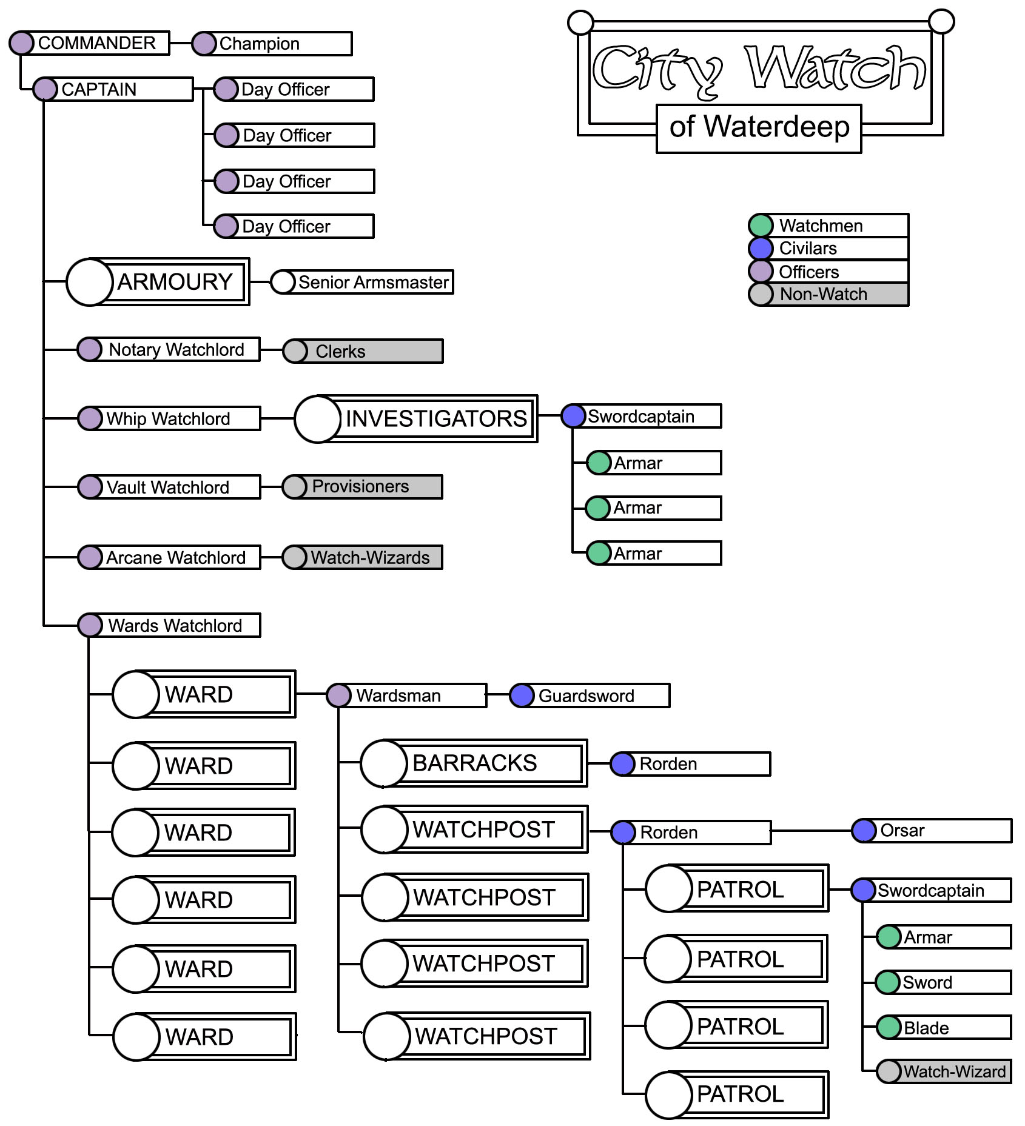
1600
city watch (3E) |  |  |  | RANK | NAME | NOTES
RACE | NUMBER | % |  | Warden of the Watch | Ezender Drayth was recently murdered by agents of the traitorous Masked Lord Cazondur (E:DM pg. 270, 289, ) | E:DM 270, 289
Humans | 1020 | 63.75% |  | Warden of the Watch | Daerovus ‘The Wolfhound’ Tallmantle | MS 58-59
Dwarves | 160 | 10.00% |  | Watchsword | Hawkguard | E:DM 346
Halflings | 130 | 8.13% |  | Watchlord | Taeliia Hammaerhart | E:DM 346
Half-elves | 110 | 6.88% |  | Senechal of Castle Waterdeep | Hardaunt Maskridge | E:DM 346
Elves | 80 | 5.00% |  | Lord Armorer | Belarkyn Vanjelarr | BT 97
Half-orcs | 55 | 3.44% |  | Watchlord of the North Towers | Rashemel Steeldrover | BT 20
Gnomes | 35 | 2.19% |  | Captain | Morrath Varbrent | BT 20
Other | 10 | 0.63% |  |  | Kahlem Ralnarth
TOTAL | 1600 | 100.00% |  | Watch Commander | Delnar Kleeandur
Salary | (1,5 gp / day) | 72000 |  | Watchman | Kersh Tegerin
 |  |  |  | Commander | Bors Jarthay | DS 42,45
City guard (3E) |  |  |  | Valabrar | Araezra ‘Rayse’ Hondyl | Beautiful ravenhaired DS7, Likes to paint as a hobby DS43, Would like to marry a Masked lord to archive things for Waterdeep DS46
RACE | NUMBER | % |  | Shieldrar | Talanna ‘Tal’ Taenfeather | Araezras best friend , red haired, fast runner DS7, Got a ring of feather flight as a gift from Open Lord Neverember DS46
Humans | 770 | 63.90% |  | Watchman | Kalen Dren | Vigilant guardsman and Araezras chief aide. Has strange, colourless eyes. Sickly, wears glasses and a ring bearing the sigil of Helm. Currently missing, after his secret identy ‘Shadowbane’ was compromised (See Folk of Waterdeep)
Dwarves | 130 | 10.79% |  |  | Ballinton Marcheno | r, a third son, officer of the guard, patrols the sewers, can be very sweet and eager around women, but is an utter bore and smells of the sewers (TGC 8)
Halflings | 70 | 5.81%
Half-elves | 55 | 4.56%
Elves | 110 | 9.13%
Half-orcs | 25 | 2.07%
Gnomes | 35 | 2.90%
Other | 10 | 0.83%
TOTAL | 1205 | 100.00%
Salary | 1,5 gp / day | 72000

 |  | FEMALE 2 OF 10

 | Rank | Title (Watch) | Functions | emblem | Title (Guard) | Functions
 | Patrolperson | Blade, Patrolman or Watchman/Watchwoman |  | diagonal slash (lower left to upper right) | Trusty
 | Corporal | Sword or Armar | minor officer of patrol | diagonal slash (upper left to lower right) | n/a
 | Sergeant | Swordcaptain or Amlar, Civilar | patrol leader | X shape (crossed diagonal slashes) | Vigilant
 | Lieutenant | Rorden,Senior Civilar | in charge of a Watchpost or Barracks, or either five or six Patrols | horizontal dagger (hilt on left) | Shieldlar | commander of a patrol or gauntlet [fighting or duty group, equivalent to what some real-world armies call a "squad"]
 | Captain | Orsar, Civilar | envoy to guilds, citizen groups, noble families; also serves as prisoner escorts and in honor guards | vertical open human right hand, fingers uppermost and palm showing | Aumarr
 | Major | Guardsword | duty head for shifts patrolling the city docks and gates | two horizontal swords, upper one with hilt right, lower one with hilt left | Valabrar
 | Colonel | Commander | 'officer of the shift' | two staring eyes, horizontal sword beneath them (hilt on left) | Torsin | who make up the majority of VIP escorts, honor guards, and bodyguards
 | Major General | Watchlord - Watchlords usually have special titles bestowed upon them by the Commander of the Watch (a title held by the Open Lord of Waterdeep), Ward civilar | the heads of the watch, usually three or four officers who hold special titles personally bestowed on them by Open Lord | two staring eyes, horizontal sword beneath them (hilt on left) | Commander | equivalent to a general
 | Lieutenant General | Captain of the Watch, Grand Civilar, Mage Civilar, Senior Armsmaster (Lord Armorer), Senechal of Castle Waterdeep |  | two staring eyes, horizontal sword beneath them (hilt on left) | Several | Seneschal of Castle Waterdeep, Lord Defender of the Harbor, Lord of the North Towers, Lord of the South Towers, Lord Armorer (who also commands the quartermasters), Lord Hand (officer in charge of training, medical treatment, and liaison with the Watchful Order) and Lord's Champion (commander of the Watch who defend the Palace. AND the personal bodyguard of the Open Lord) bestowed as needed in wartime )
 | General | Commander of the Watch |  | two staring eyes, horizontal sword beneath them (hilt on left) | Warden of Waterdeep

 | City Watch Salary
 | Initial payment | 25 gp upon joining, plus a free uniform, a pair of boots, training, and one weapon
 | After mustered in | free room and board is assigned to him or her at a Watch barracks. his benefit includes a bunk, a small beer, simple meal fare, bath access, and weapon oil.
 | Salary | 1 gp per day plus 4 sp per patrol for private. Amd 1 gp per day plus 5-10 sp in dependance of officer's rank per patrol.
 | Replacement equipment | A replacement uniform, replacement boots, and an additional weapon are given to each member of the Watch once per year
 | Uniform | The Watch wears a suit of chainmail with a blue surcoat emblazed with a simplified version of the "crescent moon reflected in the water" arms of Waterdeep on the breast and back-a crest more commonly known as the double moon.

 | MEDALS OF CITY WATCH AND CITY GUARD (POWER OF FAERUN)
 | Blood of Dragonspear | ribbon |  | Ward | Number of Watchmen in patrol
 | Justice of Amphail | ribbon |  | Castle | 8-12
 | Doom of Myrkul's Legion | ribbon |  | North | 8
 | Bane of Orcfastings | ribbon |  | Sea | 8
 | Flame of the Everlasting One | medal |  | Trades | 8-12
 | Thorn of Evereska | medal |  | South | 12
 | Scourge of the Sea | medal |  | Dock | 12
 | Bane of the Black Claw | medal |  | City of the Dead | 2-3
 | Flight of the Black Horde | medal

 | WARD CIVILAR | WARD CIVILAR | WARD CIVILAR
 | WARD CIVILAR | WARD CIVILAR | WARD CIVILAR | source
 | WARD CIVILAR | WARD CIVILAR | WARD CIVILAR | E:DM 270, 289
 | WARD CIVILAR | WARD CIVILAR | WARD CIVILAR | MS 58-59
 | WARD CIVILAR | WARD CIVILAR | WARD CIVILAR | E:DM 346
 | WARD CIVILAR | WARD CIVILAR | WARD CIVILAR | E:DM 346
 | WARD CIVILAR | WARD CIVILAR | WARD CIVILAR | E:DM 346
 | WARD CIVILAR | WARD CIVILAR | WARD CIVILAR | BT 97
 | WARD CIVILAR | WARD CIVILAR | WARD CIVILAR | BT 20
 | WARD CIVILAR | WARD CIVILAR | WARD CIVILAR | BT 20
 | WARD CIVILAR | WARD CIVILAR | WARD CIVILAR
 | WARD CIVILAR | WARD CIVILAR | WARD CIVILAR
 | WARD CIVILAR | WARD CIVILAR | WARD CIVILAR
 | WARD CIVILAR | WARD CIVILAR | WARD CIVILAR | DS 42,45
 | WARD CIVILAR | WARD CIVILAR | WARD CIVILAR
 | WARD CIVILAR | WARD CIVILAR | WARD CIVILAR
 | WARD CIVILAR | WARD CIVILAR | WARD CIVILAR
 | WARD CIVILAR | WARD CIVILAR | WARD CIVILAR
 | WARD CIVILAR | WARD CIVILAR | WARD CIVILAR
 | SENIOR CIVILAR | BARRACKS OF 5-6 PATROLS | 42
 | CIVILAR | PATROL | 252

 | city watch random encounter
 | 60% | Swordcaptain, 1d2 Swords, 2d4+2 Blades
 | 20% | Swordcaptain, 1d2 Swords, 2d4+2 Blades, priest of Torm, Helm or Tyr
 | 10% | Swordcaptain, 1d2 Swords, 2d4+2 Blades, Watch Wizard
 | 10% | Swordcaptain, 1d2 Swords, 2d4+2 Blades, Watch Wizard. Priest of Helm, Tyr or Torm
 |  | Orsar Rondreval Sambrast, the fattest elf Waterdeep has ever seen, being rounder than most ale-kegs but only a head taller. Had a (rumoured) brief career as a rogue. SAY13

 | d10 The guard is... | d6 The guard works for... | d12 On the guard’s face is... | d10 The guard carries... | d12 The watch’s captain is... | d6 The watch’s attitude toward their captain is... | d10 The watch has a reputation for...
 | 1. A farm boy. | 1. The steady pay. | 1. A large wart. | 1. A blade with soft leather tassels dangling from the pommel. | 1. A religious zealot. | 1. Friendly and loyal. | 1. High morals.
 | 2. The son of a miner or fisherman. | 2. A chance to deal out sadistic punishment. | 2. An unsightly scar. | 2. A blade with an inscription. | 2. A scion from a prominent family. | 2. Respectful and business-like. | 2. Efficiency.
 | 3. A veteran of warfare. | 3. Gold to repay debts. | 3. A look of determination. | 3. A highly polished blade. | 3. An outcast from a prominent family. | 3. Completely indifferent. | 3. Reliability.
 | 4. A foreigner. | 4. Gold to aid a family member. | 4. A foolish grin. | 4. A token from a favorite harlot. | 4. A dashing swashbuckler. | 4. Cautious and uncertain. | 4. Brutality.
 | 5. The son of a poor man. | 5. A chance to escape from life imprisonment. | 5. A stupid stare. | 5. A trophy from a criminal. | 5. A brutish thug. | 5. Terrified and tight-lipped. | 5. Taking bribes.
 | 6. A drunk. | 6. Patriotic devotion. | 6. A look of confusion. | 6. A ribbon from a noble maiden. | 6. A celebrated war hero. | 6. Disappointed and disrespectful. | 6. Shaking down shopkeepers and artisans.
 | 7. A reformed criminal. |  | 7. A bulbous nose. | 7. A silk handkerchief. | 7. An anointed knight. |  | 7. Frequenting brothels.
 | 8. A thug. |  | 8. Bushy eyebrows. | 8. A flask of wine. | 8. A career soldier. |  | 8. Cowardice.
 | 9. A failed craftsman. |  | 9. Fearsome sideburns. | 9. A lucky charm (d4): 1. rabbit’s foot; 2. old coin; 3. shiny coin; 4. four-leaf clover. | 9. A grizzled veteran. |  | 9. Incompetence.
 | 10. A favorite among the ladies. |  | 10. An unruly beard. | 10. A grocery list. | 10. An adept investigator. |  | 10. Intoxication.
 |  |  | 11. A neatly-trimmed mustache. |  | 11. An erudite detective.
 |  |  | 12. A waxed mustache. |  | 12. A devoted public servant.

 |  |  |  |  |  |  | CASTLE WARD | SEA WARD | NORTH WARD | TRADES WARD | DOCK WARD | SOUTH WARD | CITY OF DEAD
 |  | Dasharra Keldabar |  |  |  |  | Wardsman: Amren Dulaern (Castle Waterdeep) | Wardsman: Lider Tenaren (Tabra's Watchpost) | Wardsman: Melias Kaldumdrymm (Vhezoar St. Watchpost) | Wardsman: Saldreen Ujueral (Castle Waterdeep • 5th Floor) | Wardsman: Nylahuel Onlryn (Castle Waterdeep • 5th Floor) | Wardsman: Janel Entzar (Castle Waterdeep • 5th Floor) | Beacon Tower: Sentry Tower
 |  | retired civilar (captain) of Waterdeep's Griffon Cavalry |  |  |  |  | Dretch Lane Watchpost: Rorden: Klenna Hlaer • Orsar: Daliler the Stout • Wolt's Patrol, Mukktar's Patrol, Khengi's Patrol, Fanthel's Patrol | Wellcourt Watchpost: Rorden: xxx • x patrols | Tower March Watchpost: Rorden: xxx • x patrols | Spindle St. Watchpost: Rorden: xxx • x patrols | Belnimbra's Watchpost: Rorden: xxx • 5 patrols | Caravan Court Watchpost: Rorden: xxx • 3 patrols | Watchway Tower: Sentry Tower
 |  |  |  |  |  |  | Duir's Watchpost: Rorden: xxx • 3 patrols | Morinskoar Watchpost: Rorden: xxx • x patrols | Wavestar Court Watchpost: Rorden: xxx • x patrols | Virgin's Square Watchpost: Rorden: xxx • x patrols | Cedar St. Watchpost: Rorden: xxx • 6 patrols | Central Dragon Watchpost: Rorden: xxx • 6 patrols | Guard Tower: Sentry Tower
 |  |  |  |  |  |  | Elsambul's Watchpost: Rorden: xxx • 4 patrols | Skulls Watchpost: Rorden: xxx • x patrols | Vhezoar St. Watchpost: Rorden: xxx • x patrols | White Bull Watchpost: Rorden: xxx • x patrols | Drawn Sword Watchpost: Rorden: xxx • 6 patrols | Waymoot Watchpost: Rorden: xxx • 6 patrols
 |  |  |  |  |  |  | Elvarren's Watchpost: Rorden: xxx • 4 patrols | Howand's Watchpost: Rorden: xxx • x patrols | Golden Serpent St. Watchpost: Rorden: xxx • x patrols |  | Sixcasks Watchpost: Rorden: xxx • 7 patrols
 |  |  |  |  |  |  | Keltara's Watchpost: Rorden: xxx • 3 patrols | Tabra's Watchpost: Rorden: xxx • x patrols | Nindabar St. Watchpost: Rorden: xxx • x patrols |  | Slut St. Watchpost: Rorden: xxx • 5 patrols
 |  |  |  |  |  |  | Market Watchpost: Rorden: xxx • 4 patrols | Dob's Watchpost: Rorden: xxx • x patrols
 |  |  |  |  |  |  | Mulgomir's Watchpost: Rorden: xxx • 3 patrols | Shark St. Watchpost: Rorden: xxx • x patrols

