Screen
Adjusted Die Score | Reaction | Racial Preference For - | Member | Associated
 |  |  |  | Group
01 (or less)-05 | Violently hostile, immediate attack* | hatred | -20% | -15%
06-25 | Hostile, immediate action* | antipathy | -5% | -10%
26-45 | Uncertain but 55% prone toward negative | tolerance | 0% | -5%
46-55 | Neutral - uninterested - uncertain | neutral | 0% | 0%
56-75 | Uncertain but 55% prone toward positive | good will | 10% | 5%
76-95 | Friendly, immediate action | preferred | 20% | 15%
96-00 (or greater) | Enthusiastically friendly, immediate acceptance
 |  | Alignment Is
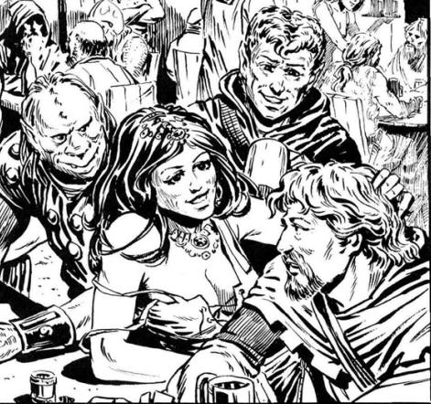 |  | 1 place removed | 0% | 0%
 |  | 2 places removed | -15% | -5%
 |  | 3 places removed | -35% | -20%

 |  | Reputation
 |  | inhuman and heartless | -25% | -20%
 |  | cruel and domineering | -10% | -10%
 |  | indifferent and uncaring or variable | -5% | 0%
 |  | just and invariable | 10% | 5%
 |  | just kind, and invariable | 15% | 10%

 |  | Pay or Incentive/Reward
 |  | none | -20%
 |  | partial, late, or unfair | -10%
 |  | average | 0%
 |  | above average, choice shares | 5%
 |  | exceptional, bonuses, gift items* | 10%

