Sheet1
Desktop Application
 | could you please share link for operator??so atleast we get idea how operator is working???
This is Physician View

Role For Physican
 | view report send by operator
 | by default study status as new
 | t

Screen name | field name | control use for field | Information
Login | username | textbox | enter user name for login
 | password | textbox | enter password for login this is in encrypted format
 | login | button | redirect to home screen
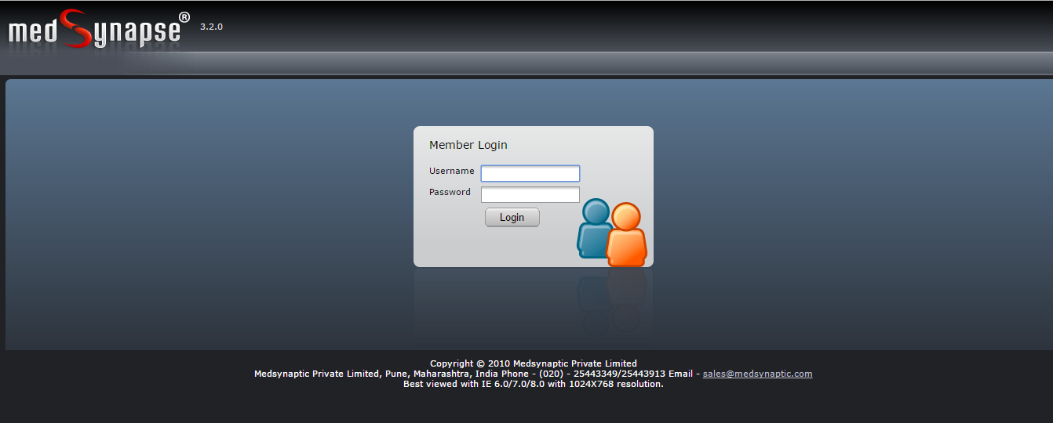

DashBoard
section1
 | welcome user name | lable | display user name
 | user last logged on time | lable | display time when user last logged in
 | change password | link | allow user to chnage password
 | logout | link | allow user to log out

section 2
 | Worklist |  | default tab is selected.display all patient study report
 | Others |  | list of tools required to install software
 | Help |  | help document
 | RadioLogist Report |  | all readiologist report
 | Settings |  | settings for display number of fields display on study report with session expiration time and all

section 3
 | footer | lable | copywrite text for application

Section 2
Worklist
 | section1 | this will display all filtering crieteria fields
 | main field | subfields | control type
 | date |  | label
 |  | receiving | radio button | allow user to select any of study type
 |  | study | radio button

 |  | from | checkbox | allow to select from and todate
 |  | to | checkbox
 | Report status |  | dropdownlist | all,read,final | allow user to select on status from this
 | find |  | button | find result with selected filtering creiteria
 | reset |  | button | reset all filtering crieteria to default fields
 | refresh |  | button | refresh the whole screen

 | study - | not imp |  | From
 | receving - |  |  | To | Search Criteris

 | section 2 | this will display study report list for all patient
 | field name | control use | description

 | study report | label | study report lable get printed
 | 5 studies revieved | label | total number of study report received count with label
 | view | link | allow physician to view newly recieved report
 | prefetched | checkbox | ??
 | total studies | label | total number of study report retreived from database
 | previous | link button | move to prev page of gridview
 | next | link button | move to next page of gridview

 | view | new scan arrived | (alert) |  | prefetch - NA

 | fields | subfields | control type
 | report |  | label | this will open new window , allow user to import patient information
 | mark/unmark |  | lable | ??
 | history |  | lable | display pateint information
 | more |  | lable with drop down
 |  | Import Images | link | allow to import images for patient with patient information
 |  | Assign Keyword | link | allow to add keyword in system
 |  | Convert | link | ??
 |  | Change Report Status | link | allow to change report status read, final , new

 | Mark / Unmark | Just like gmail MARK, mark reports either for delete or PROTECT from any other person to delete.

 | fields print on report | control use | description
 | patient id | label | patient id
 | patient name | lable | name of patient
 | staudy date | lable | patient report date
 | accession number | lable | ??
 | study | lable | body part for study(brain / chest)
 | modality | lable | display type of modality
 | report | link | this redirect to import image screen
 | reading physician | lable | name of physician
 | age | lable | age of patient
 | sex | lable | sex pf patient
 | images | lable | count of total number of images for patient report
 | institution name | lable | hospital name
 | referring physician | lable | referring physician name
 | priliminary report | link | ??

 | pages | link | move from one page to another page

 | what is accession number and prliminary report???

 | WorkList
 | Report
 | Validation | Atleast one study should be selected
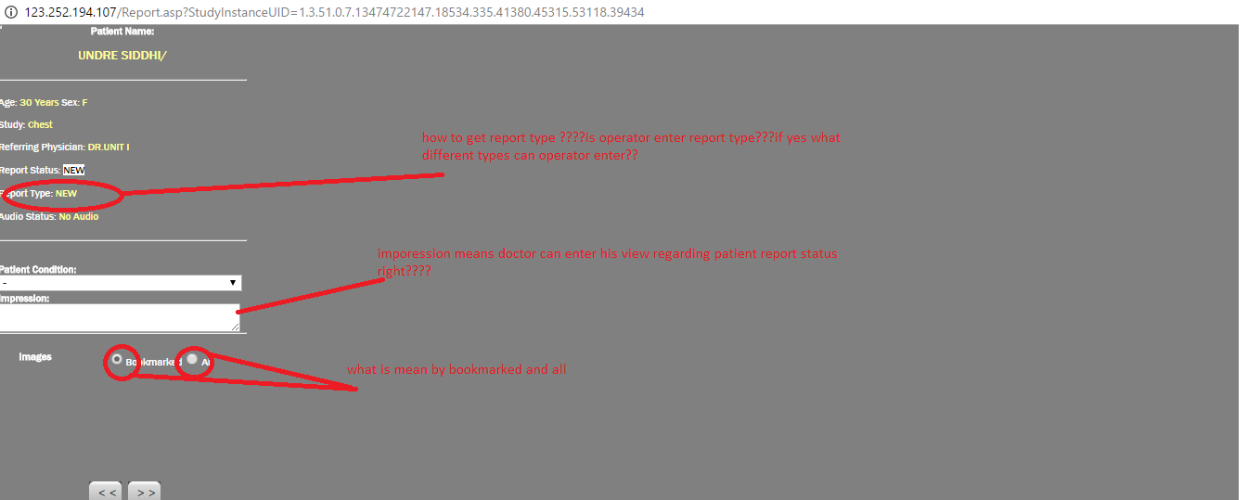

 |  |  |  |  |  |  |  |  | Report status
 |  |  |  |  |  |  |  |  | 1.New
 |  |  |  |  |  |  |  |  | 2.Read
 |  |  |  |  |  |  |  |  | 3.fianliza
**

 |  |  |  |  |  |  |  | ** | na

 |  |  |  |  |  |  |  |  |  | NA

 |  |  |  |  |  |  |  |  |  | Doctor can select template for report (Word template)
 |  |  |  |  |  |  |  |  |  | and just change few things accordingly patinet info
 |  |  |  |  |  |  |  |  |  | Template opens at right panel and its modifiable

 |  |  |  |  |  |  |  |  |  | aUDIO - Audio to Text for temnplate content

 |  |  |  |  |  |  |  |  |  | Template- Can create template here or just copy paste content from any word file and these templates are saved in software

 |  |  |  |  |  |  |  |  |  | Layout -Is word template layout

 |  |  |  |  |  |  |  |  | finalize -> | Once final report is updated with some template then it can be finalized with Finalize button
 |  |  |  |  |  |  |  |  |  | Its last step for report of patinet.

 | field name | control use | description
section 1 | patient name | lable
 | age | lable
 | sex | lable
 | study | lable
 | refering physician | lable
 | report status | lable
 | report type | lable
 | audio status | lable

section2 | patient condition | dropdownlist | this can be - ,NORMAL,ABNORMAL
 | Impression | textArea | this is enter by physician
 | Images | radio button | with two options Bookmarked and All ??
 | << | button | ?? |  |  |  | these arrows will move image from left (tree) panel to main rt panel and vice versa
 | >> | button | ??

section 3 | Insert template | drpodownlist | allow to select template
 | insert layout | dropdownlist | allow to select layout
 |  | textarea | ??

 | save | button | ??
 | finalize | button | ?? |  |  |  | finaliza-> | Details mentioned above
 | audio | button | new screen open for audio
 | Template | button | new screen for template
 | Layout | button | new screen for layout
 | More | button | option like keyword , search content ,settings get display in popup
 | Close | button | closes the window

 | WorkList
 | Mark / UnMark | ??? not get open

 | WorkList
 | History
 | Validation | Please select study if no record is selected from list
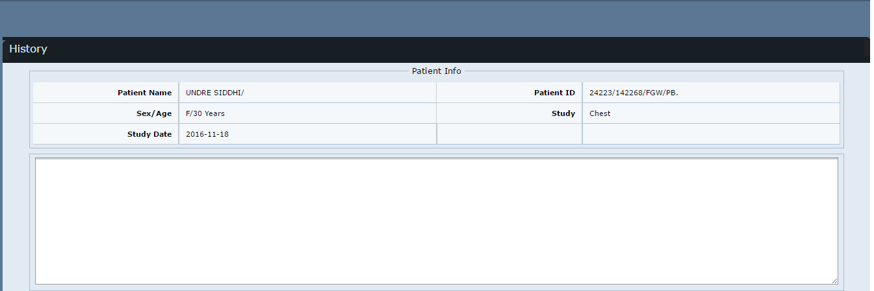

 | this will display patient information

 | field name | control use | description
 | patient name | lable | name of patient
 | patient Id | lable | id of patient
 | sex | lable | sex of patient
 | age | lable | age of patient
 | study | lable | body part for study
 | study date | lable | date when study

 | WorkList
Main List Item | More |  |  |  | This is for importing images from external source like CD,Pendrive
Sub List Item1 | Import Images |  |  |  | PReview will show image at preview pane rt side
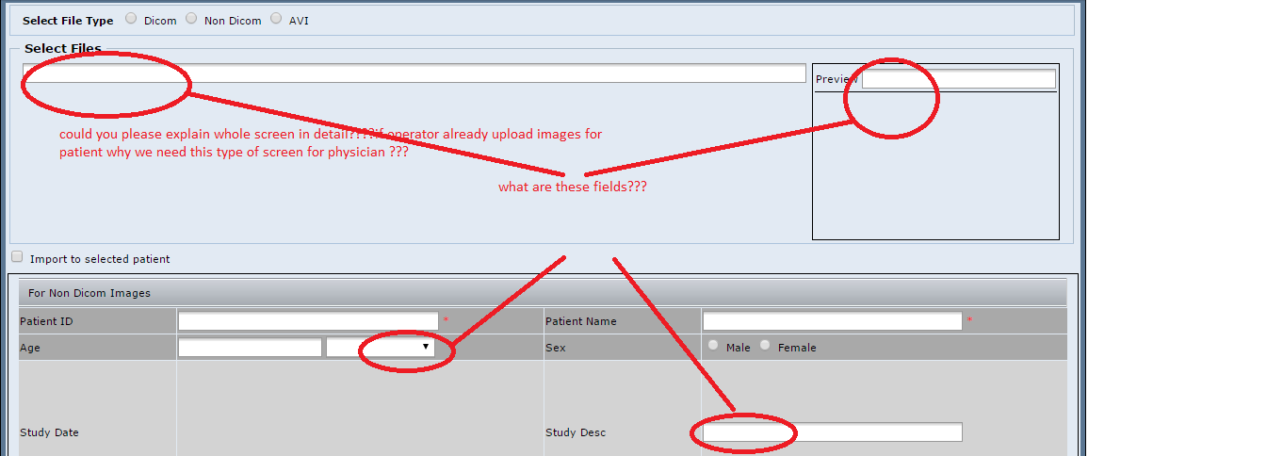
 | ???? |  |  |  |  |  |  |  | Folder also can be imported

 |  |  |  |  |  |  |  |  |  | We can give some identifier to that imported image like ID,Name,Description

 |  |  |  |  |  |  |  |  |  | Files imported types are
 |  |  |  |  |  |  |  |  |  | 1.Dicom
 |  |  |  |  |  |  |  |  |  | 2.Nondicom | (Xray)

 | lossless- compress with no loss of quality (size should not matter)
 | lossy- size less (quality may hamper)

sublist item 2 | Assign Keyword |  |  | Keyword is just like bookmark. Suppose if out of 1000 patinent 50 have brain issues but only 10 have some similar rare issues, then i can assign one keybord like "RareBriainSample" and then later i can retrieve those 10 reposrt one shot using keyword "RareBrainSamples"
 | ?? |  |  | (Here new keyword also can be assigned)

sublist item3 | convert
 | ??

 |  |  | Basically REports has 3 filtes or type (NEW,READ,Final)...NEW is just like any new report ....REAd is just like DRAFT report (it might happen some reports are wrong so we can mark as READ),
 |  |  | Sometime out of curiocity we scan some reports those we can keep in READ type.
 |  |  | Even if we (or assistant) have to work on same report later , we will mark that report as READ
 |  |  | So Convert is just to change status type of report from READ to NEW or NEW to READ ......here no FIANL Type option used

sublist item 4 | Change Report Status

 | WorkList
 | Report
 | Audio
 |  |  | Word to tEXt | Will implement in rel2.0 |  | Dragon is one tool used for this

 | WorkList
 | Report
 | Template

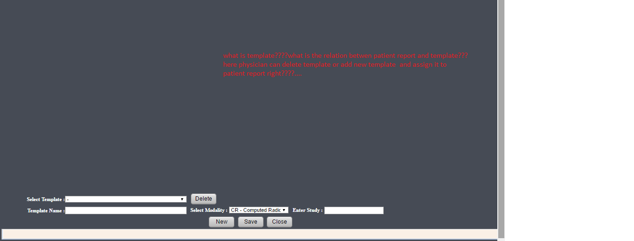

 | WorkList |  |  |  |  |  |  |  | Browser doctor using
 | Report
 | Layout |  |  |  |  |  |  |  |  | IE.9.0.11
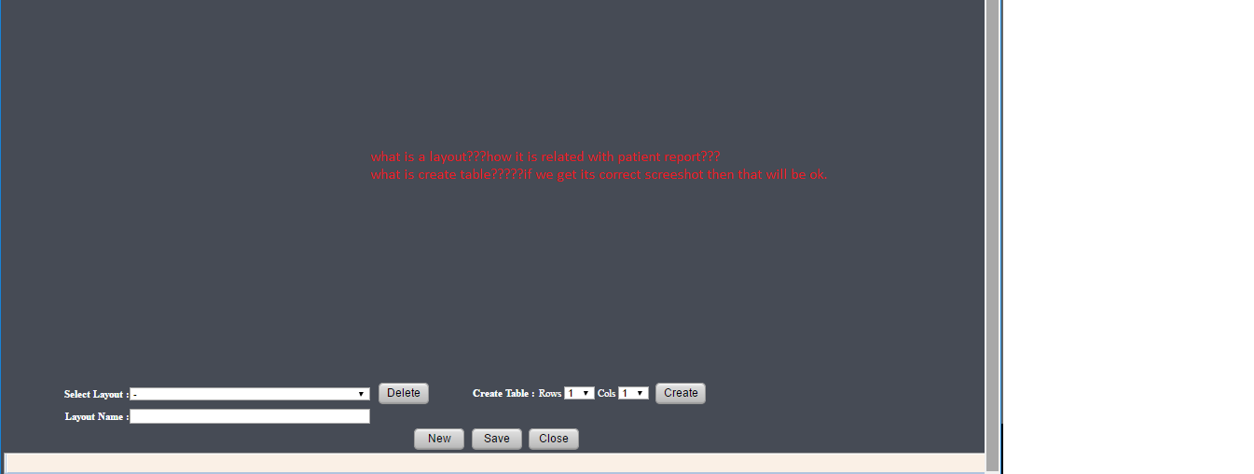

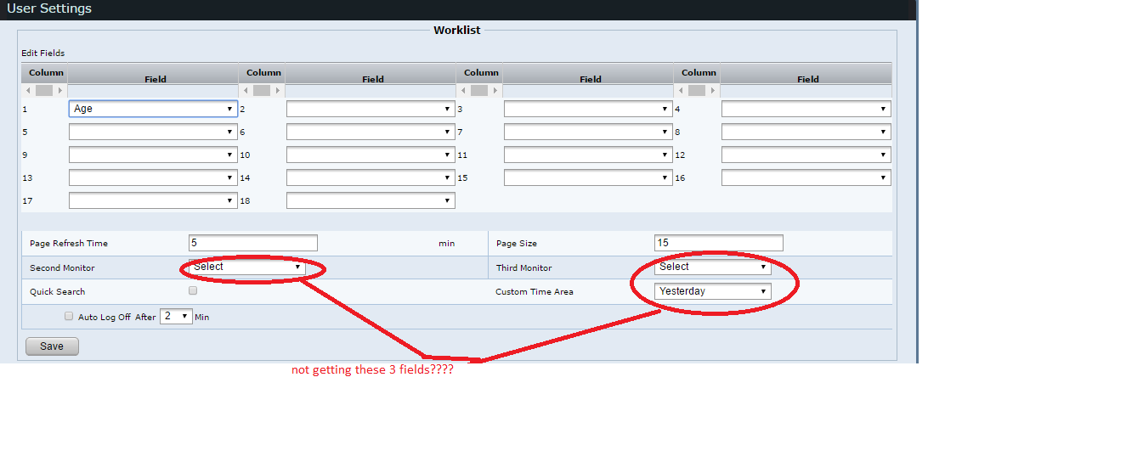
 | Settings | For below mentioned scrshot..here we can manage UI for worklist..like which column should be displayed and at what sequnce.
 |  | Also, here we can direct display to 2nd / 3rd monitor screen. |  |  | Here in drop down user get 2 option like Image and Report.So if you want to select Image on 2nd monitor, image will get displayed on 2nd monior and now user can select only Report on 3rd monotr....with thi user can avoid ALT+TAB evry time on same screen

 | Just like TEMPLTE info given abobe, there is some criteria/rule/logic to implement by which once center send report, template (from our saved) will be picked up automatically....its not that important feature ..we can implenet this is later release

 | Registration

 |  |  |  |  |  |  |  |  | client- | center owner
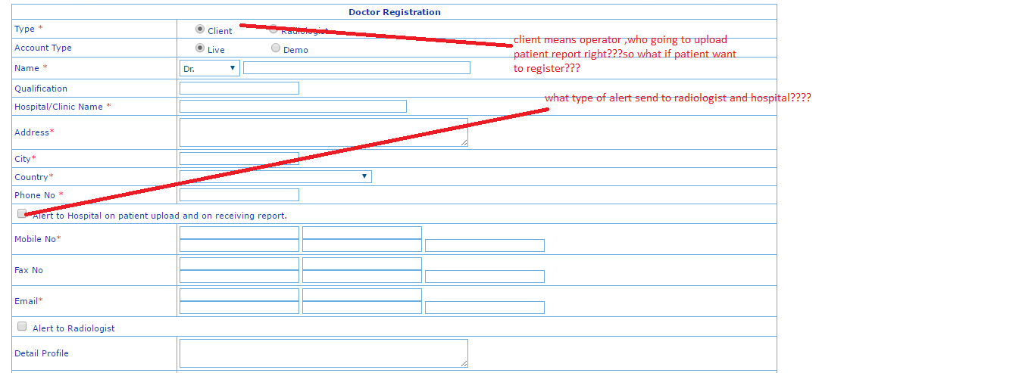

 |  |  |  |  |  |  |  |  |  | Alert = Hospital and RAdioloigst notification
 |  |  |  |  |  |  |  |  |  | If Hospital send one scan report to RD, then RD will get alert by SMS
 |  |  |  |  |  |  |  |  |  | And similar, once RD sent FINAL report to HOSpital, then Hospital will get SMS alert.

 |  |  |  |  |  |  |  |  |  | (Mobile regisrtation is handled differently)

 |  |  |  |  |  |  |  |  |  | MRI scan | (Radiation)
 |  |  |  |  |  |  |  |  |  | CT Scan | (Magent)

 |  |  |  |  |  |  |  |  |  | At a time if need is MR image compression with high quality and CT image with low quality

 | Main Field | SubField | Control use | Description

 | Type
 |  | Client | radio button
 |  | RadioLogist | radio button
 | Account Type
 |  | Live | radio button
 |  | Demo | radio button

 | Name | prefix | dropdownlist
 |  | full name | textbox

 | Qualification |  | textbox
 | Hospital/Clinic Name |  | textbox
 | Address |  | textarea
 | City |  | textbox
 | Country |  | dropdownlist
 | Phone no |  | textbox
 | Alert to hospital on patient upload and on receiving report |  | checkbox
 | mob no |  | textbox
 | fax no |  | textbox
 | email |  | textbox
 | Alert to RadioLogist |  | checkbox
 | Detail Profile |  | textarea
 | username |  | textbox
 | password |  | textbox
 | confirm password |  | textbox
 | upload with compression
 | CT | Low | radio button
 |  | Medium | radio button
 |  | High | radio button
 | MR

 | PAtient Information

 | Accession Number
 | Additional Patient History
 | Age
 | History
 | Images
 | Institution Name
 | Manufacturer
 | Manufacturer Model Name
 | Modality
 | Patient Comments
 | Patients Birth Date
 | Patient ID
 | Patient Name
 | Patient Condition
 | Performing Physician
 | Preliminary Report
 | Report
 | Reading Physician
 | Receiving Date
 | Referring Physician
 | Referring Physician Address
 | Sex
 | Sending AE Title
 | Station Name
 | Study Comments
 | Study Date
 | Study Description
 | Study Instance UID
 | Study Time
 | Transcribed By

 | Template information

 | adenoids
 | cervical spine
 | che
 | CHEST PA NORMAL VIEW
 | chest
 | CR Fistulogram
 | CR HSG
 | CR IVP
 | CR KUB
 | CR L S Spine AP View
 | CR L. S. Spine LAT View
 | CR MCU
 | CR Normal DCG
 | CR Normal Nasophryns view
 | CR Normal T. M. Joint
 | CR PBH
 | CR PNS Water View
 | CR RGU
 | CR Skull AP View
 | Dacrocystography block
 | ERECT ABDOMEN
 | joint bones
 | joint
 | L S Spine
 | MAMMOGRAPHY
 | p
 | PA
 | x-ray apicogram
 | x-ray joint
 | X-Ray left knee ap lat
 | xray joint bones

 | patient condition info
 | -
 | Normal
 | Abnormal

 | Modality Information

 | CR|adenoids
 | CR|cervical spine
 | CR|che
 | CR|CHEST PA NORMAL VIEW
 | CR|chest
 | CR|CR Fistulogram
 | CR|CR HSG
 | CR|CR IVP
 | CR|CR KUB
 | CR|CR L S Spine AP View
 | CR|CR L. S. Spine LAT View
 | CR|CR MCU
 | CR|CR Normal DCG
 | CR|CR Normal Nasophryns view
 | CR|CR Normal T. M. Joint
 | CR|CR PBH
 | CR|CR PNS Water View
 | CR|CR RGU
 | CR|CR Skull AP View
 | CR|Dacrocystography block
 | CR|ERECT ABDOMEN
 | CR|joint bones
 | CR|joint
 | CR|L S Spine
 | CR|MAMMOGRAPHY
 | CR|p
 | CR|PA
 | CR|x-ray apicogram
 | CR|x-ray joint
 | CR|X-Ray left knee ap lat
 | CR|xray joint bones
 | DX|BARIUM ENEMA
 | DX|BARIUM MEAL FOLLOW THROUGH
 | DX|BARIUM MEAL FOR RIF
 | DX|BARIUM SWALLOW
 | DX|BOTH MAMMOGRAPHY
 | DX|CERVICAL SPINE AP OR LAT
 | DX|CHEST STERNUM LAT VIEW Right
 | DX|CHEST AP
 | DX|chest LAT view
 | DX|CHEST PA
 | DX|CHEST RIGHT LATERAL DECUBITUS
 | DX|DACROCYSTOGRAPHY RIGHT EYE
 | DX|DORSO LUMBAR SPINE AP OR LAT VIEWS
 | DX|FISTULOGRAM
 | DX|HIP JOINT LATERAL VIEW.
 | DX|HYSTEROSALPINGOGRAM
 | DX|INTRAVENOUS UROGRAPHY I V P
 | DX|KUB
 | DX|L S SPINE AP OR LAT VIEWS
 | DX|L. S. Spine AP View
 | DX|L.S SPINE LAT VIEW
 | DX|LEFT RIBS OBLIQUE VIEW
 | DX|MICTURATING CYSTOURETHROGRAM
 | DX|Nasopharyns Adenoids
 | DX|NASOPHARYNX LAT VIEW
 | DX|ORBITS AP VIEW
 | DX|PARANASAL SINUSES WATER VIEW
 | DX|PELVIS WITH BOTH HIPS AP VIEW
 | DX|RETROGRADE URETHROGRAM
 | DX|S I JOINT OBLIQUE VIEWS
 | DX|SACRUM AP OR LAT. VIEWS
 | DX|SACRUM LAT VIEWS
 | DX|SINGLE BREAST MAMMOGRAPHY
 | DX|SINOGRAM
 | DX|SKULL AP OR LAT VIEW
 | DX|SKULL AP
 | DX|SPINE COCCYX LATERAL
 | DX|T M JOINT OPEN AND CLOSE MOUTH
 | DX|X ray ankle AP OR LAT View
 | DX|X RAY BOTH ANKLE AP VIEW
 | DX|X RAY BOTH FEMUR AP OR LAT VIEW
 | DX|X RAY BOTH FOOT LAT VIEW
 | DX|X RAY BOTH HAND AP VIEW
 | DX|X RAY BOTH HAND APLAT VIEW
 | DX|X RAY BOTH HAND LAT VIEW
 | DX|X RAY BOTH KNEE AP OR LAT VIEW
 | DX|X RAY BOTH KNEE AP VIEW
 | DX|X RAY BOTH KNEE LAT VIEW
 | DX|X RAY BOTH LEG AP OR LAT VIEW
 | DX|X RAY BOTH LEG AP VIEW
 | DX|X RAY BOTH LEG LAT VIEW
 | DX|X ray Both Shoulder AP OR Y- Lat View
 | DX|X RAY ELBOW AP OR LAT VIEW
 | DX|X RAY ERECT ABDOMEN STANDING
 | DX|X RAY FEMUR AP OR LAT VIEW
 | DX|X ray Foot AP OR Oblique
 | DX|X RAY FOR BOTH MASTOIDS
 | DX|X RAY FOR MANDIBLE AP ORLAT VIEW
 | DX|X RAY HAND AP OR OBLIQUE VIEW
 | DX|X Ray Humerus Ap OR Lat View
 | DX|X RAY NASAL BONE LATVIEW
 | DX|X ray Shoulder AP OR Y Lat View
 | DX|X ray Tibia Fibula AP OR LAT View
 | DX|X-RAY BOTH FOOT AP VIEW
 | DX|X-ray Both Shoulder AP View
 | DX|X-RAY FOR ZYGOMATIC PROCESS AXIAL VIEW
 | DX|XRAY ABDOMEN DECUBITOUS
 | DX|XRAY BOTH ANKLE LAT VIEW
 | DX|xray Cervical AP View
 | DX|Xray Cervical Spine Lat view
 | DX|XRAY CHEST OBLIQYE RIBS OBLIQUE
 | DX|XRAY D C G BLOCK
 | DX|XRAY JOINT
 | DX|Xray Left Forearm &amp; Wrist Joint AP OR LAT

