Sheet1
Model | Size | Weight (oz) | Video | FOV | Storage | Battery life | Price | Other Notes | Picture of Product
Narrative Clip 2 | 1.4 x 1.4 x 0.4 inches (size of original) | 0.67 | 1080p (30fps) | 86 deg wide | 8GB | ? | $199 | 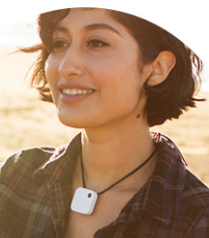 comes in black, white, red; out of stock currently (signed up for notification); Wi-Fi and Bluetooth; easy-to-clip
SnapCam | 1.6 x 1.6 x 0.5 in | 1.16 | 720p (30fps) | ? | 2.5 hours worth of 720p video | 120 min | $90 from Amazon | splashproof; need separate MicroSD; 1 second boot-up; one-touch; built-in Wifi; magnetic clip-on; ***terrible Amazon reviews | 
MeCam | 2 inch diameter | 1 oz | 1080p (15fps), 720p (30fps) | ? | 32GB | 80 min | $70 | attached via Pin Back, Necklace; cons from one Amazon review: "- REALLY bad low light recording- very grainy - With EITHER software- NOT good for fast motion- although this is sort of "meant" to be a camera that you can wear... once you start moving everything is just a blur - Wasn't thrilled with the quality of video from EITHER resolution (even 1080p) - Had trouble pointing the camera exactly where I wanted it to shoot- much of my footage was shooting "higher" than I wanted it to do" | 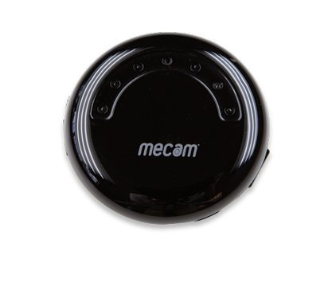
MeCam HD | 2 x 2 inch square | 2.7 oz | 1080p (30fps), 720p (60fps) | ? | 32GB | 60-120min (14 hours) | $100 u | image stabilization; WiFi via companion app; attached via Pin Bracket, Clip Bracket, Neck Strap, Stand; Amazon review cons: Have had to secure this into its mounts with tape or velcro, The camera only works with the app that must be downloaded, The buttons must be pressed and then timed in order to access certain functions which is confusing and requires practice. Overall it does work, but seems to switch off intermittantly which is also frustrating | 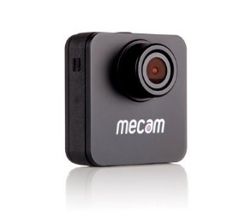
Transcend | 2.1 x 0.8 x 3.5 inches | 3.8 oz | 1080p | 160 Degree viewing angle | 32GB | ? | $130 (free shipping too!) | 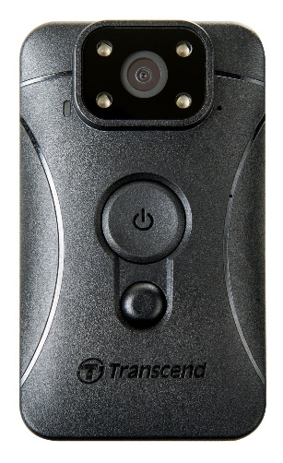 image stabilization; realtively very positive views, especially concerning image quality; not sure if there is indicator light
RecorderGear PC550 | 4.5 X .98 X .55 inches | 1.8 oz | 1080p (30fps), 720p (60fps) | 155 degree angle | up to 64GB | 120 min | $79 (free shipping!) | 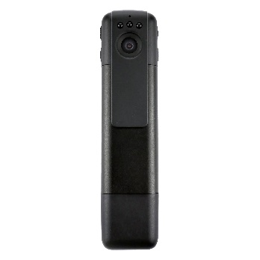 supposed to be worn in pen pocket, perhaps can figure out alternate mounting system; fantastic reviews

smorgasbord of spy hats and spy smiley pins

