Step 3
Server | threadGroupSize | numThreadGroups | delay | wall time | throughput/second
Java | 10 | 10 | 2 | 112225 | 891.0670528
Go | 10 | 10 | 2 | 63803 | 1567.3244205
Java | 10 | 20 | 2 | 210353 | 950.78273188
Go | 10 | 20 | 2 | 139023 | 1438.6108773
Throughput per Second
Java | 10 | 30 | 2 | 322138 | 931.27789953
Go | 10 | 30 | 2 | 239476 | 1252.7351384

 | JAVA | GO
10 | 891.0670528 | 1567.3244205
20 | 950.78273188 | 1438.6108773
30 | 931.27789953 | 1252.7351384
Throughput per Second

 | $

Step 4 & 5
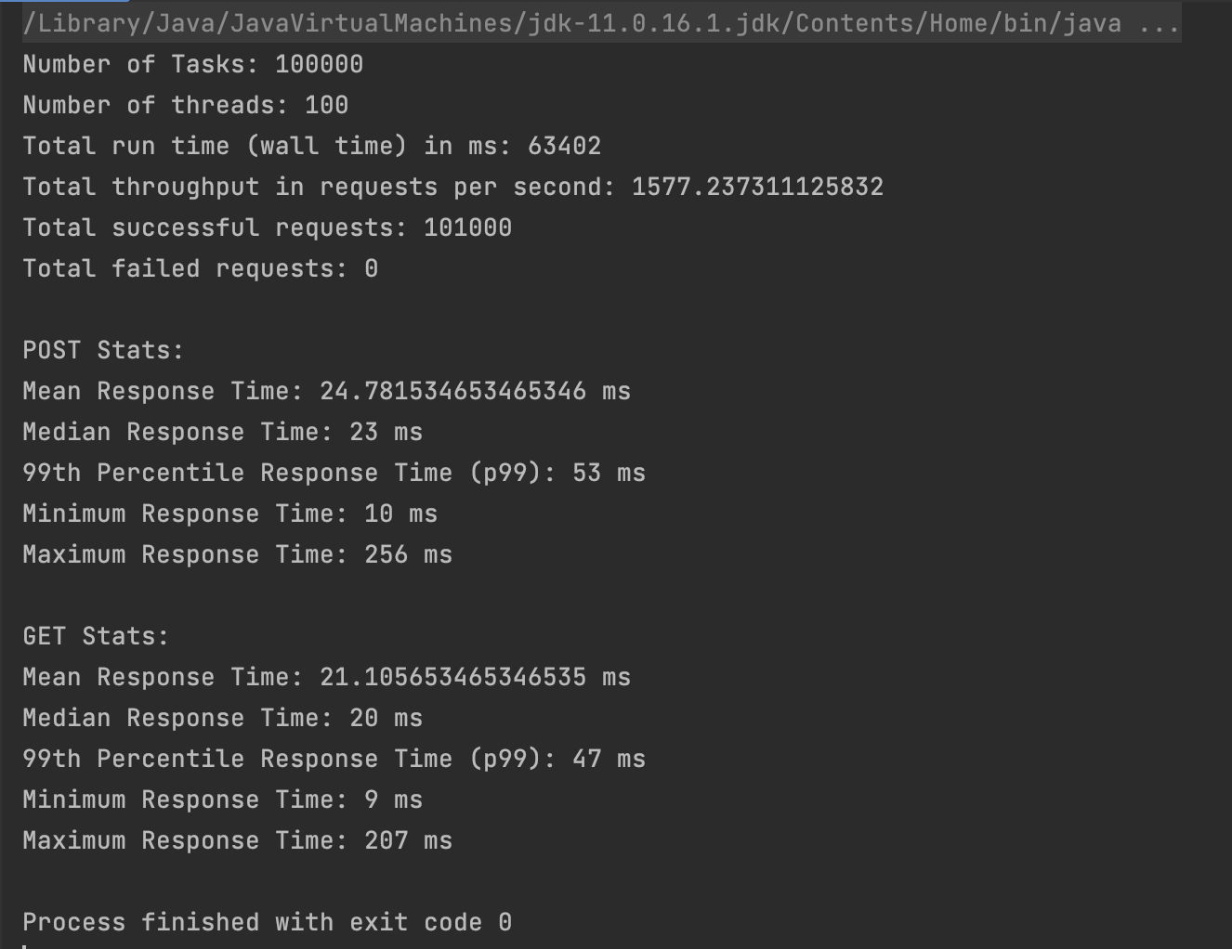
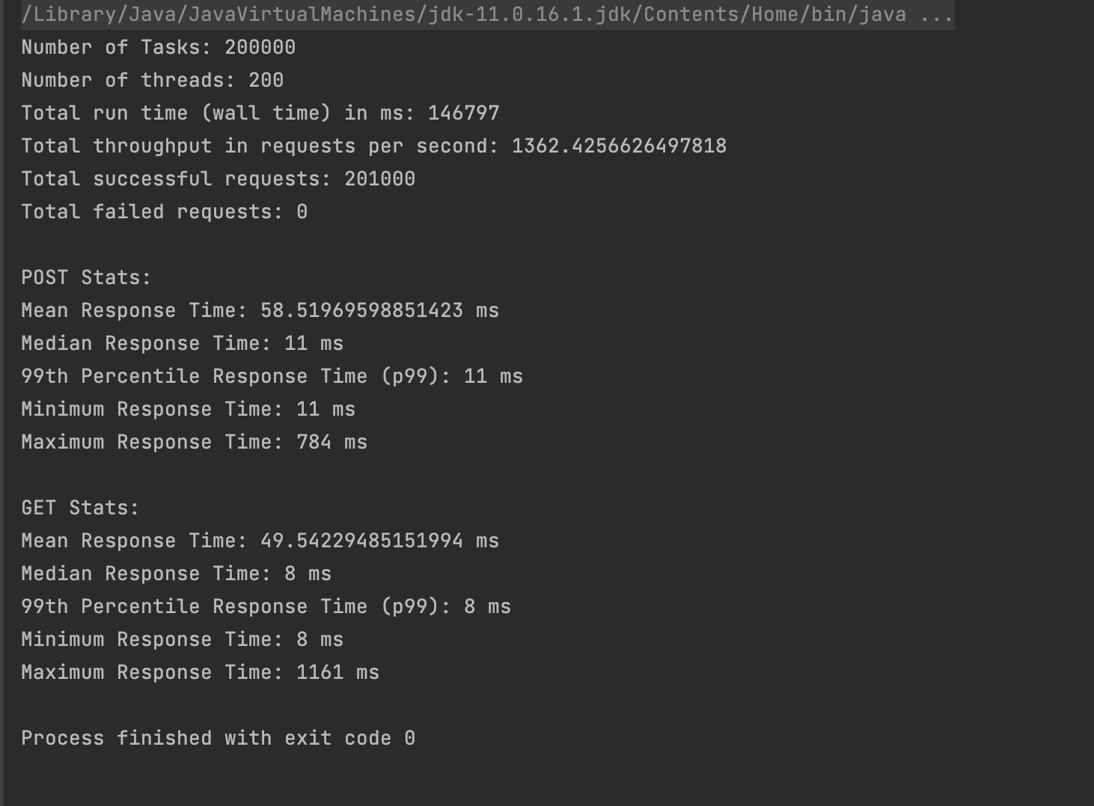
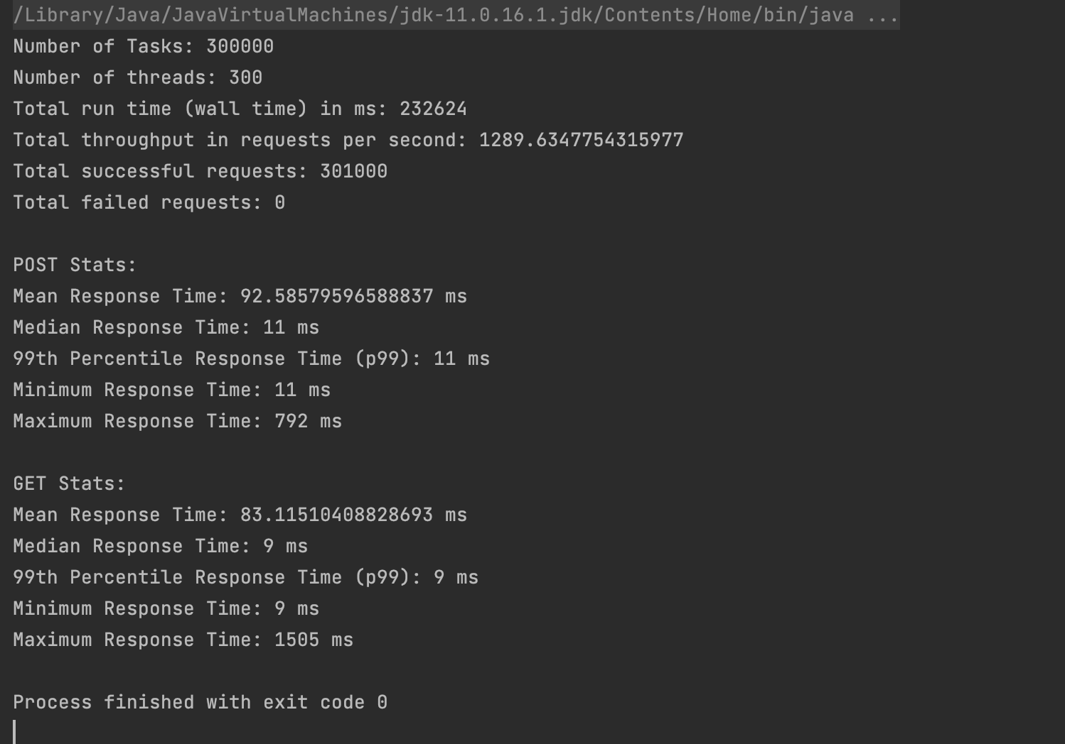
Server | threadGroupSize | numThreadGroups | delay | wall time | throughput/second | wall time difference | percentage difference
Java | 10 | 10 | 2 | 108407 | 922.44965731 | 3818 | 3.40%
Go | 10 | 10 | 2 | 63408 | 1577.2373111 | 395 | 0.62%
Java | 10 | 20 | 2 | 205926 | 971.22267222 | 4427 | 2.10%
Go | 10 | 20 | 2 | 146797 | 1362.4256626 | -7774 | -5.59%
Java | 10 | 30 | 2 | 313759 | 956.14787146 | 8379 | 2.60%
Go | 10 | 30 | 2 | 232624 | 1289.6347754 | 6852 | 2.86%

 | Java 10 |  |  |  |  |  |  | Java 20 | Java 30
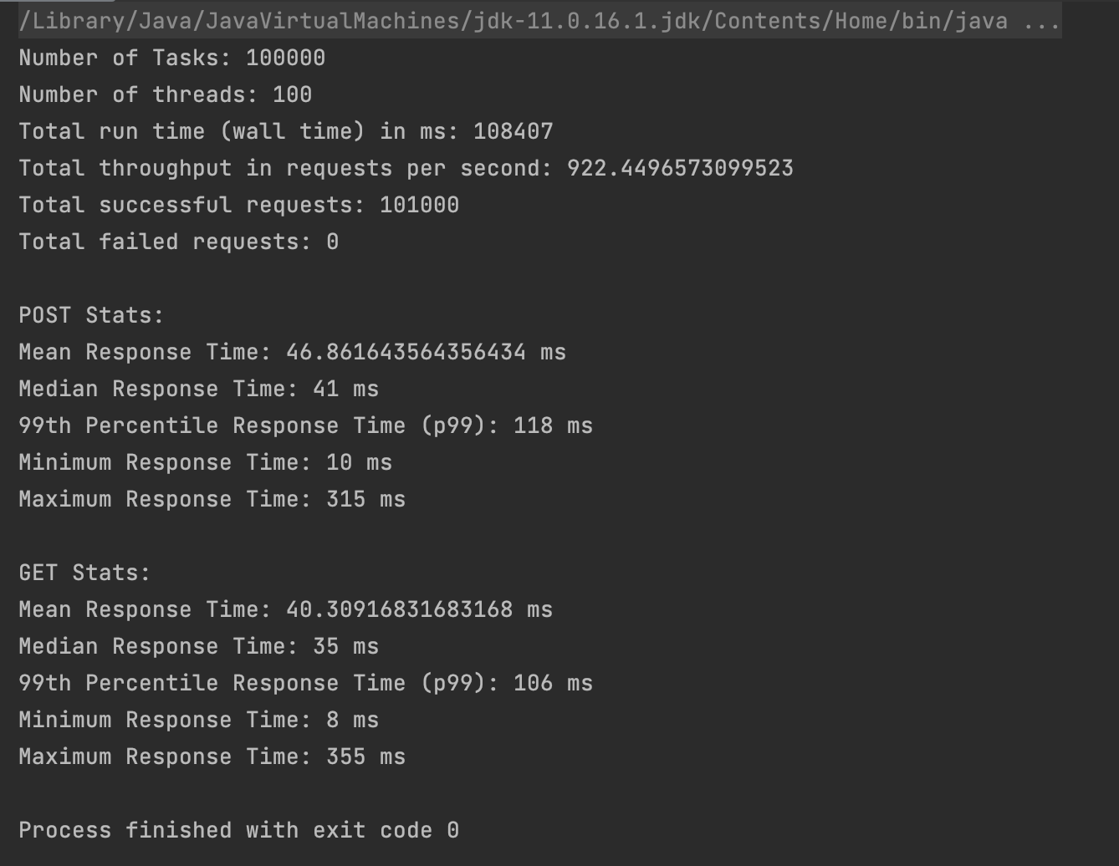
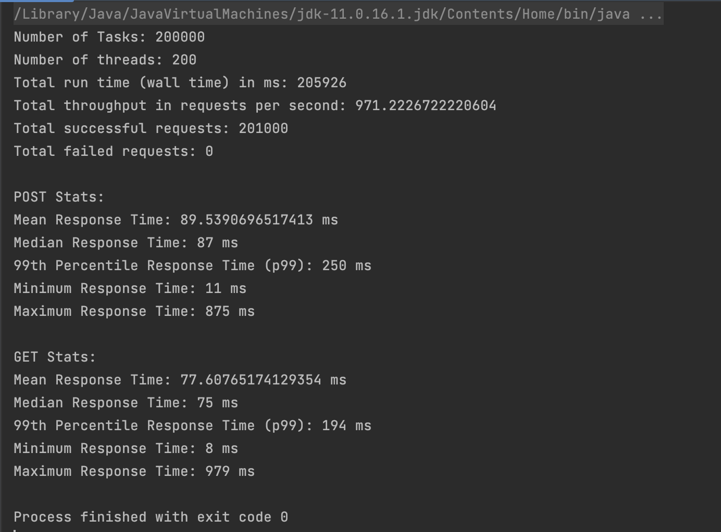
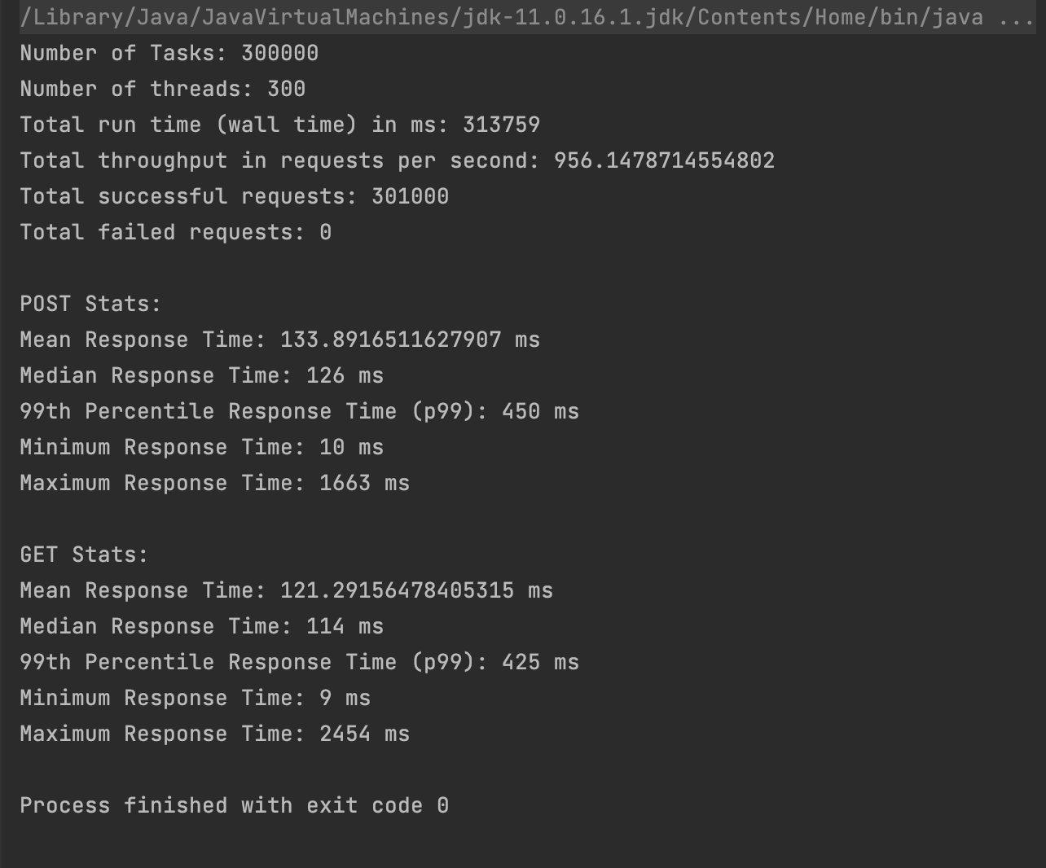

 | Go 10 |  |  |  |  |  |  | Go 20 | Go 30

