גיליון1
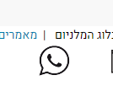
Bug_Report_Mill_1
Display an image "שמנים למאכל" only when button is clicked
Description:

Steps:

1. Enter to site | https://www.tevadirect.com/119941/תוספי-מזון-וויטמינים

2. Click to image | "קטגוריית מוצרי שמנים למאכל בוסתן הבריאות"

Really result: | Image related to button isn't shown. Display an image only when button is clicked

Expected result | Display an image

Attachments:
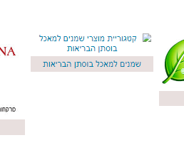

Bug_Report_Mill_2
Display an image "קטגוריית מוצרי טינקטורת בוסתן הבריאות" only when button is clicked
Description:

Steps:

1. Enter to site | https://www.tevadirect.com/119941/תוספי-מזון-וויטמינים

2. Click to image | "קטגוריית מוצרי טינקטורת בוסתן הבריאות"

Really result: | Image related to button isn't shown. Display an image only when button is clicked

Expected result | Display an image

Attachments:
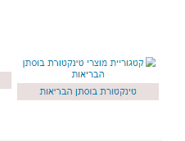

Bug_Report_Mill_3
Display an image "קטגוריית מוצרי שונות" only when button is clicked
Description:

Steps:

1. Enter to site | https://www.tevadirect.com/119941/תוספי-מזון-וויטמינים

2. Click to image | "קטגוריית מוצרי שונות"

Really result: | Image related to button isn't shown. Display an image only when button is clicked

Expected result | Display an image

Attachments:
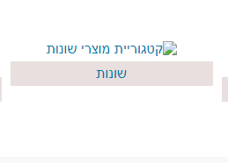

Bug_Report_Mill_4
Display an image "קטגוריית מוצרי מוצרי קול - TMRG" only when button is clicked
Description:

Steps:

1. Enter to site | https://www.tevadirect.com/119941/תוספי-מזון-וויטמינים

2. Click to image | "קטגוריית מוצרי מוצרי קול - TMRG"

Really result: | Image related to button isn't shown. Display an image only when button is clicked

Expected result | Display an image

Attachments:
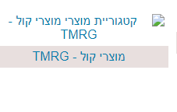

Bug_Report_Mill_5
Display an image "קטגוריית מוצרי oils&herbs" only when button is clicked
Description:

Steps:

1. Enter to site | https://www.tevadirect.com/119941/תוספי-מזון-וויטמינים

2. Click to image | "קטגוריית מוצרי oils&herbs"

Really result: | Image related to button isn't shown. Display an image only when button is clicked

Expected result | Display an image

Attachments:
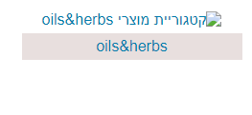

Bug_Report_Mill_6
Click on the link "אני זמינים גם בוואצאפ" doesn't transfer user to specific site
Description:

Steps:

1. Enter to site | https://www.tevadirect.com/119941/תוספי-מזון-וויטמינים

2. Click to image | "אני זמינים גם בוואצאפ"

Really result: | It doesn't transfer user to specific site

Expected result | Transfer user to specific site

Attachments:

