Sheet1
CODE | TYPE | PHOTO
A | ENGLISH LOCK | 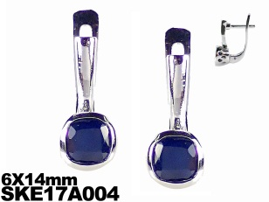
B | PIN+OMEGA CLIP | 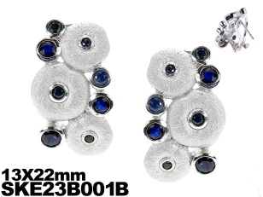
C | HOOK | 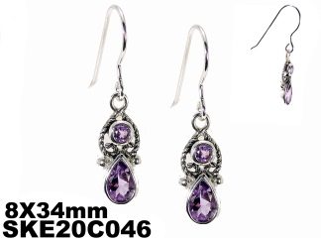
D | POST+PIN | 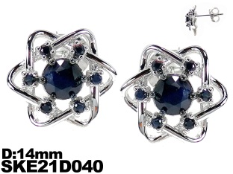
E | NEW LOCK
M | CASTING SCREW STUD | 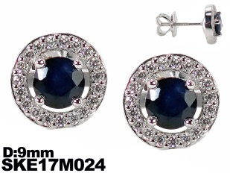
Q | CASTING SMALL STUD (FLOWER)
T | NEW SCREW STUD
R | CASTING SMALL STUD (NORMAL) | 