Sheet1
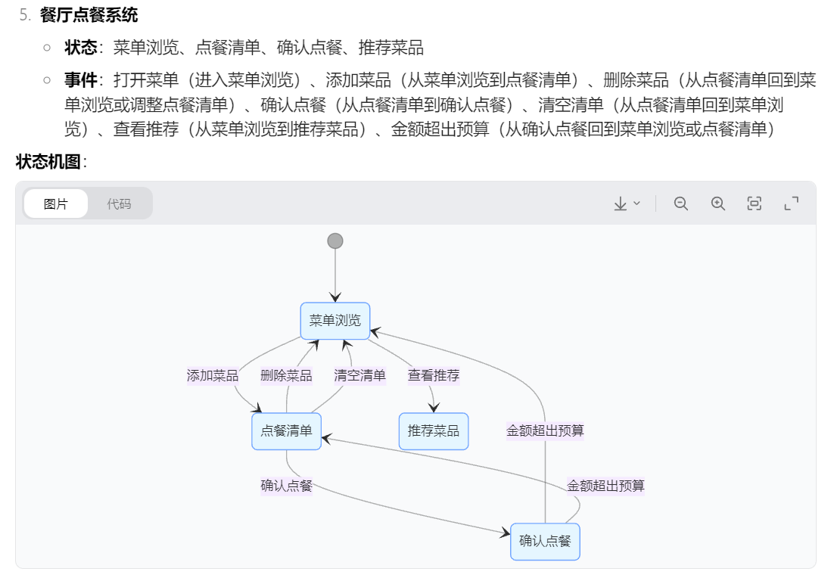
System name | System description | State | Events | Transitions
Kettle | Initial state When entering the boiling water process, the water burner is in the off state. When turning on the water burner switch, it is necessary to check whether there is water in the kettle. If so, the water burner is performed and the water burner enters the open state. When boiling water, if the water heater is broken, the boiling water process is terminated | Off On CheckWater Terminated | TurnOn WaterAvailable NoWater WaterBoiling KettleIsBroken | Off (TurnOn) CheckWater CheckWater (WaterAvailable) On CheckWater (NoWater) Off On (WaterBoiling) Off On (KettleIsBroken) Terminated
Telephone | When the handset is picked up, the phone is in the "waiting to dial" state. If the phone is dialed within 30 seconds, the phone will enter the "Dialing" state. If the phone is dialed correctly, the phone will enter the "Connecting" state. If you do not dial within 30 seconds of picking up the handset, the phone is in the "timeout" state. In the Connecting state, if the other party is engaged, the call enters the Busy state; if the other party is not engaged, the call enters the Connected state. After the other party picks up the handset, the call enters the talking state. If the other party hangs up during the call, the call enters the Hanging state. | Inidle WaitingToDial Dialing Connecting TimeOut DialError Busy Connected Talking Hanging | ReceiverWasPickedUp Dialing(in 30s) Dialing(over 30s) AbandonDialing Redial DialCorrectly DialIncorrectly SubscriberEngaged SubscriberIsNotEngaged PickUpReceiver HangUp | Inidle (ReceiverWasPickedUp)WaitingToDial WaitingToDial (Dialing(in 30s)) Dialing WaitingToDial (Dialing(over 30s)) TimeOut Dialing (DialCorrectly) Connecting Dialing (DialIncorrectly) DialError DialError (Redial) Dialing DialError (AbandonDialing) Inidle Connecting (SubscriberEngaged) Busy Connecting (SubscriberIsNotEngaged) Connected Connected (PickUpReceiver) Talking Talking (HangUp) Hanging
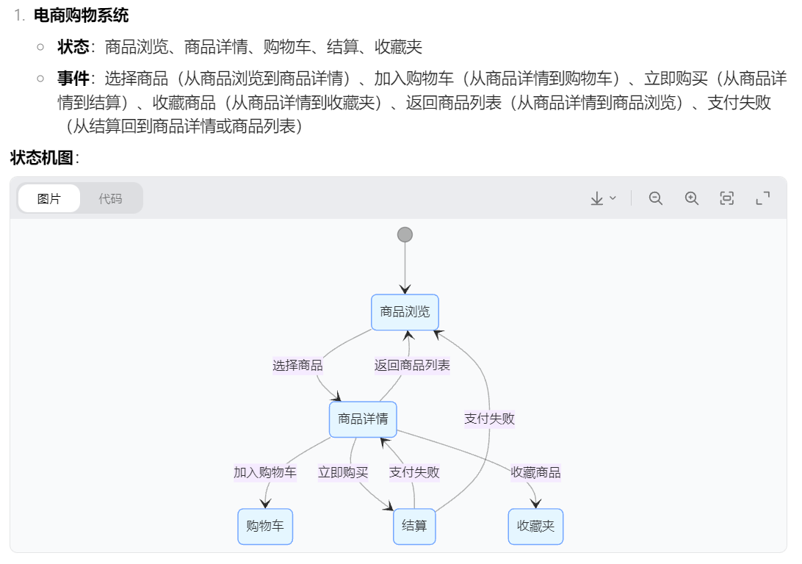
duplicator | When the copy order is not received, it is in the idle state, once the copy order is received, it enters the copying state, and returns to the idle state after completing the work specified in a copy order, waiting for the next copy order; If it is found that there is no paper when executing the copy command, it will enter the state of paper shortage, issue a warning, wait for the paper to be loaded, and enter the idle state after filling the paper, ready to receive the copy command; If the paper jam failure occurs during copying, it enters the paper jam state, issues a warning, waits for the maintenance personnel to discharge the fault, and returns to the idle state after the fault is removed. | Idle Copying PaperShortage PaperJam Waiting | CopyOrderReceived CopyOrderCompleted MissingPaperFound PaperJamFound WarningAndWaitForPaperLoading WarningAndWaitForRepair PaperFilledTroubleShooting PaperMissingTroubleExisting | Idle (CopyOrderReceived) Copying Copying (CopyOrderCompleted) Idle Copying (MissingPaperFound) PaperShortage Copying (PaperJamFound) PaperJam PaperShortage(WaringAndWaitForPaperLoading) Waiting PaperJam (WarningAndWaitForRepair) Waiting Waiting (PaperFilledTroubleShooting) Idle Waiting (PaperMissingTroubleExisting) End
Toaster | Suppose you’re designing a toaster. First of all we must turn on the toaster. Heater of the toaster must produce heat in temperature interval (upper and lower temperature limits). For this purpose, the thermometer measures the temperature of the heater, and when the upper limit of temperature is reached then heater must go into an idle state. This state resists until the heater’s temperature decreases to a lower limit, and then the working state is again aimed. When baked or idle for a period of time, it will enter the shutdown state. | ON Working Idle Shutdown | StartWorking UpperLimit LowerLimit ShutDown | ON(StartWorking)Working Working(UpperLimit)Idle Idle(LowerLimit)Working Working(ShutDown)OFF Idle(ShutDown)OFF
Social-media app | In a social - media app, users can search for the friends they want to add. After the search, a list of relevant friends will be displayed. Users have the option to add friends. After the user initiates a friend - adding request when the list is shown, a crucial juncture is reached. At this juncture, several different outcomes are possible: the other party may accept the request, resulting in a successful friend addition; they may also reject the request, causing the friend - adding attempt to fail; the user may choose to block the other party during this process, or close the relevant operation interface; if the friend addition is unsuccessful, the user can return to the list display and try to add again. | Start Listshow Junction FriendRejected FriendAdded UserBlocked end | search to add friend add friend reject friend accept friend block user again add close | Start (search to add friend) Listshow Listshow (add friend) Junction Junction (reject friend) friendeReject Junction (accept friend) friendAdded Junction (block user) UserBlocked Junction (Close) end friend rejected (again add) Listshow | https://creately.com/diagram/example/jmpuhlj44/state-transition-diagram-example | 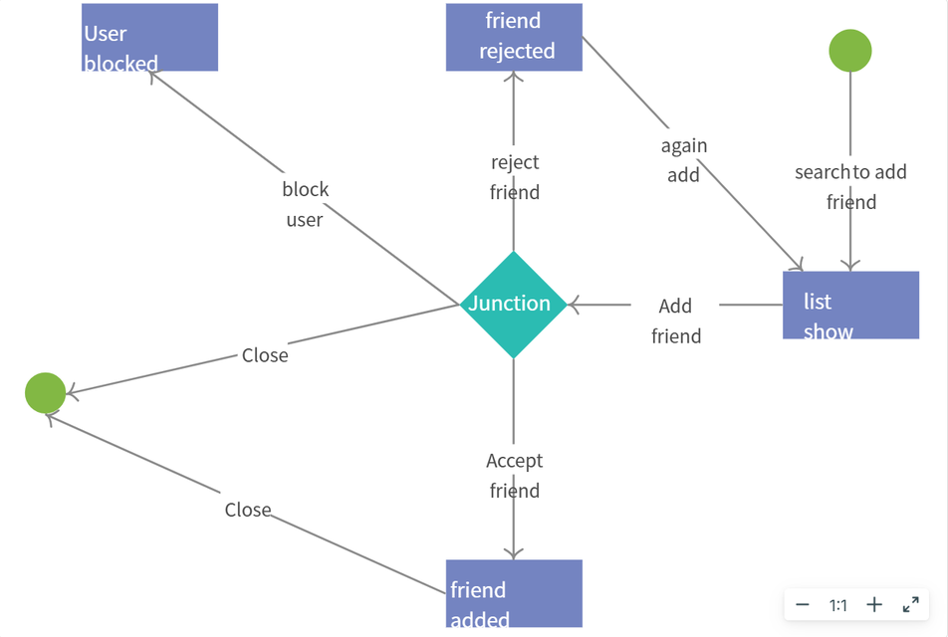
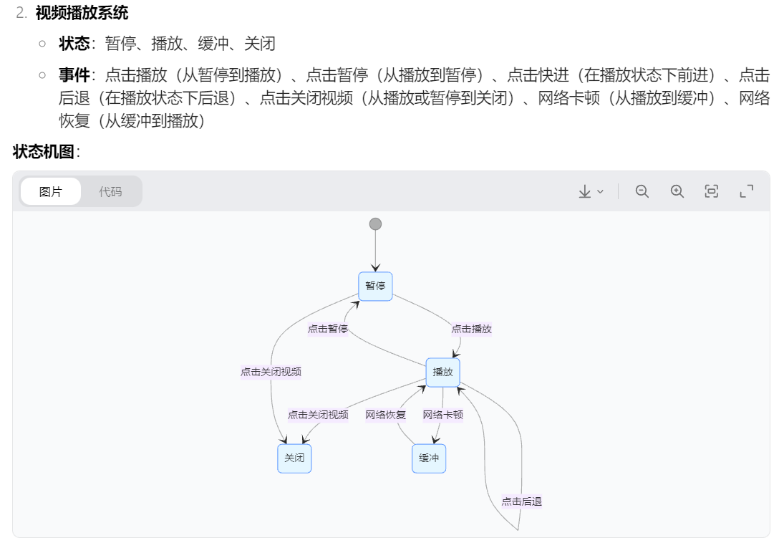
e-commerce shopping | In an e-commerce shopping platform, users can browse the list of products. When the user selects an item, they will be taken to the product details page. On this page, users have a variety of action options: they can click "Add to shopping cart" to add items to the shopping cart; they can also click "Buy Now" to directly enter the checkout process; they can also select "Favorite Items" to add items to their favorites; in addition, users can return to the product list at any time to continue browsing other items. If you encounter problems during checkout, such as payment failure, you can return to the product details page to re-select the purchase method or return to the product list. | ItemBrowsing ItemDetail ShoppingCart Checkout Favorites | select item return to the product list add to shopping cart buy now payment failure favorite items | ItemBrowsing (select item) ItemDetail ItemDetail (return to product list) ItemBrowsing ItemDetail (add to shopping cart) ShoppingCart ItemDetail (buy now) Checkout ItemDetail (favorite items) Favorites Checkout (payment failure) ItemDetail
video payback system | In the video playback software, after the user opens the video, the video is in a suspended state. At this time, the user can choose to click the "Play" button to start playing the video; click the "Pause" button to pause the video; click the "Fast Forward" button to make the video move forward quickly for a certain period of time; click the "Back" button to make the video go back for a certain period of time; you can also choose "Close Video" to exit the playback interface. During playback, if there is a problem with the network that causes the video card, the video will automatically switch to the buffering state, and you can continue playing when the network returns to normal. | Pause Playing Exit Buffering | click play click pause fast forward back close video network problem network recovery | Pause (click play) Playing Pause (close video) Exit Playing (close video) Exit Playing (fast forward) Playing Playing (back) Playing Playing (network problem) Buffering Buffering (network recovery) Playing
File management system | In the file management system, users can see a list of files. When a user selects a file, a variety of action options appear: you can click "Open File" to view the file content; click "Rename" to rename the file; click "Delete" to move the file into Recycle Bin; click "Copy" to copy the file, and then you can choose to paste it to another location; you can also choose "Share" the file to other users. If when opening the file, the system prompts that the file format is not supported, the user can return to the file list and choose another file operation. | FileList ViewFile FileRename RecycleBin FileCopy FileShare | open file file format is not supported rename delete copy share | FileList (open file) ViewFile FileList (rename) FileRename FileList (delete) RecycleBin FileList (copy) FileCopy FileList (share) FileShare ViewFile (file format is not supported) ViewList
restaurant ordering system | In the restaurant's ordering system, customers can browse the list of dishes after opening the menu. Customers can choose "Add Dishes" to add their favorite dishes to the ordering list; click "Delete Dishes" to remove the selected dishes from the ordering list; click "Confirm Order" to submit the order; click "Clear List" to clear the ordering list and re-select; or click "View Recommendations" to get the restaurant's recommended dishes. If the amount is found to exceed the budget when confirming the order, you can return to the menu to readjust the ordering list. | Menu browsing Order list Recommended dishes Confirm order | add dish delete dish clear list view recommendations confirm order Budget exceeded | Menu browsing (Add dish) Order list Order list (Delete dish) Menu browsing Order list (Confirm order) Confirm order Order list (Clear list) Menu browsing Menu browsing (View recommendations) Recommended dishes: Confirm order ( Budget exceeded) Menu browsing Confirm order (Budget exceeded) Order list | 