Sheet1
System name | System description | Actor | UseCase | Associations
TTBS(火车票预定系统) | In the train ticket booking system, customers can purchase tickets, cancel tickets, check the remaining tickets and check the train time four operations. Whether it is to buy a ticket or cancel a ticket, the user must log in to the system first. There are two ways to query the train time: station query and train number query. If you forget your password when logging in to the system, you can also retrieve your password. Draw a use case diagram. | Customer | Purchase Tickets Cancel Tickets Reservation Query Tickets Check Tickets Schedule Log in Retrieve Password Query by Station Query by Train Number | (Customer) associate (Purchase Tickets) (Customer) associate (Cancel Tickets Reservation) (Customer) associate (Query Tickets) (Customer) associate (Check Tickets Schedule) (Purchase Tickets) include (Log in) (Cancel Tickets Reservation) include (Log in) (Log in) extend (Retrieve) (Query by Station) generalize (Query Tickets) (Query by Train Number) generalize (Query Tickets) | 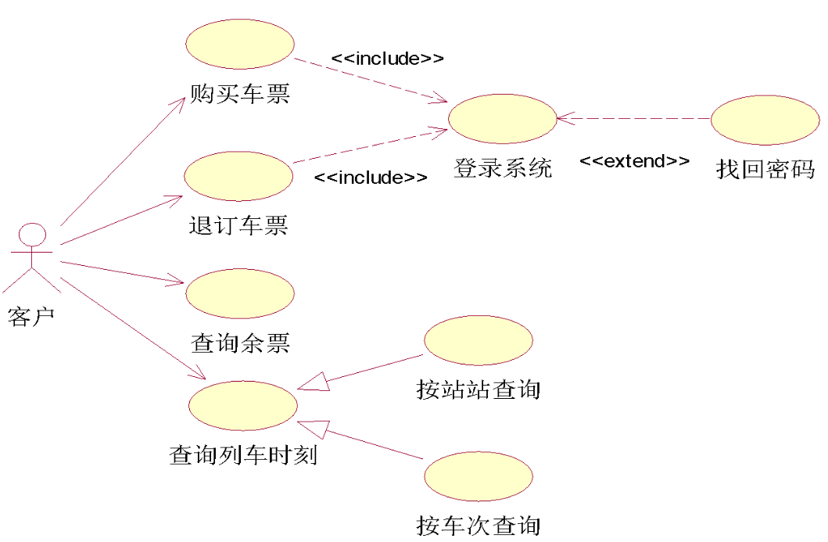
ECSS(电商购物) | The system has a registration function, customers register after login, in order to buy goods in the system; Customers can browse the goods through the system, view the detailed information of the goods, buy their favorite goods; The payment methods of customers should be diversified, which can be paid through the online payment function of the bank or by remittance. The system has the promotion function of goods, for some goods specified by the system or the amount of goods purchased by the user exceeds a certain amount, the customer will be given a discount at the checkout; Use case diagram After customers log in, they can use the message function to leave comments on products or services; The administrator of the system can use the message function to answer the questions raised by customers, and can also manage registered users; The keyman can update the product information, including adding new products and updating the existing product information; The system allows multiple people to browse and purchase goods online at the same time. | Customer Bank Administrator Keyman | Add and Modify Goods Sign up Log in System Note Browse Goods Check out Discount Goods Remittance Payment Online Payment | (Customer) associate (Sign up) (Customer) associate (System Note) (Customer) associate (Browse Goods) (Customer) associate (Check out) (Bank) associate (Check out) (Key man) associate (Add and Modify Goods) (Administrator) associate (Sign up) (Administrator) associate (System Note) (Administrator) associate (Check out) (Administrator) associate (Discount Goods) (Add and Modify Goods) include (Log in) (System Note) include (Log in) (Check out) include (Log in) (Discount Goods) extend (Check out) (Remittance Settlement) generalize (Check out) (Online settlement) generalize (Check out)
Library Borrowing System | In the library borrowing system, readers can register an account and log in to perform core functions such as borrowing and returning books. During the borrowing process, if the borrowing period expires, a fine payment operation will be triggered. Library administrators are responsible for book management, and system maintenance personnel ensure the normal operation of the system. Both borrowing and returning operations often require querying book information, and ordinary borrowing and reserved borrowing are two common types of borrowing operations. | Readers LibraryAdministrators System Maintenance Personnel | Register Account Log in Borrow Books Return Books Pay Fines Query Books Ordinary Borrowing Reserved Borrowing Book Management System Maintenance | (Readers) associate (Register Account) (Readers) associate (Log in) (Readers) associate (Borrow Books) (Readers) associate (Return Books) (LibraryAdministrators) associate (Book Management) (System Maintenance Personnel) associate (System Maintenance) (Borrow Books) include (Query Books) (Return Books) include (Query Books) (Borrow Books) extends (Pay Fines) (Oridinary Borrowing) generalize (Borrow Books) (Reserved) generalize (Borrow Books) | 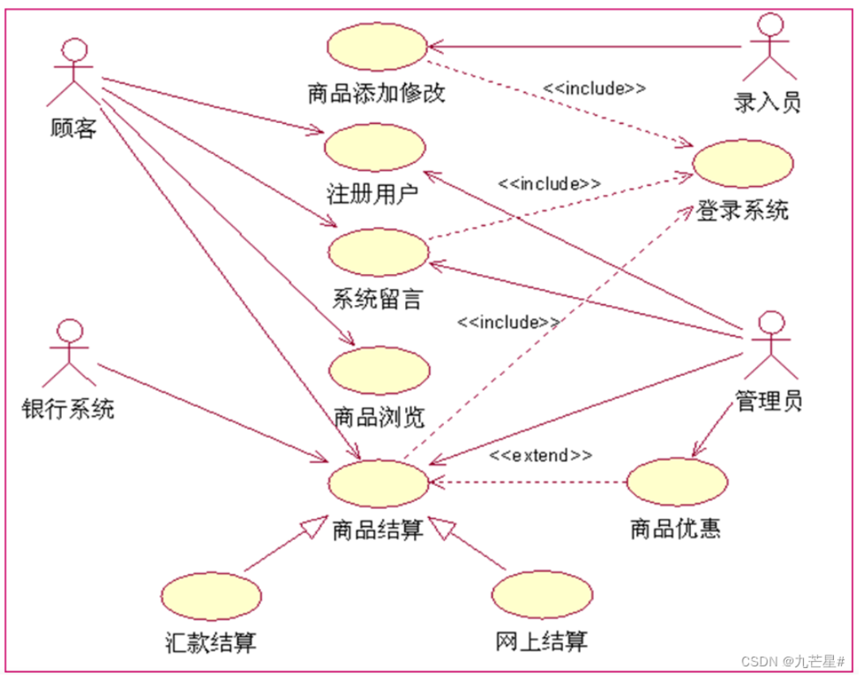
Online Education Platform System | The online education platform system allows students to register accounts, log in, watch course videos, and submit assignments. When the assignment format is incorrect, students need to revise it. Teachers are responsible for uploading and managing courses, and platform operators are in charge of platform promotion and maintenance. Course search is a common operation before watching videos and submitting assignments, and live and recorded course video watching are two forms of video - watching operations. | Students Teachers Platform Operators | Register Account Log in Watch Course Videos Submit Assignments Revise Assignments Search Courses Watch Live Course Videos Watch Recorded Course Videos Course Upload and Managemen Platform Promotion and Maintenance | (Students) associate (Register Account) (Students) associate (Log in) (Students) associate (Watch Course Videos) (Students) associate (Submit Assignment) (Teachers) associate (Course Upload) (Teachers) associate (Management) (Platform Operators) associate (Platform Promotion) (Platform Operators) associate (Maintenance) (Watch Course Videos) include (Search Courses) (Submit Assignment) include (Search Courses) (Submit Assignment) extend (Revise Assignments) (Watch Live Course Videos) generalize (Watch Course Videos) (Watch Recorded Course Videos) generalize (Watch Course Videos)
Hospital Registration System | In the hospital registration system, patients can register accounts, log in, register for departments, and query registration records. If the selected department is full, they need to choose another department. Doctors are responsible for shift management, and hospital administrative staff handle hospital information management. Patient information verification is required before department registration and querying records, and ordinary and specialist outpatient registrations are two types of department - registration operations. | Patients Doctors Hospital Administrative Staff | Register Account Log in Register for Departments Query Registration Records Select Other Departments Patient Information Verification Ordinary Outpatient Registration Specialist Outpatient Registration Shift Management Hospital Information Management | (Patients) associate (Register Account) (Patients) associate (Log in) (Patients) associate (Register for Departments) (Patients) associate (Query Registration Records) (Doctors) associate (Shift Management) (Hospital Administrative Staff) associate (Hospital Information Management) (Register for Departments) include (Patient Information Verification) (Query Registration Records) include (Patient Information Verification) (Register for Departments) extend (Select Other Departments) (Ordinary Outpatient Registration) generalize (Register for Departments) (Specialist Outpatient Registration) generalize (Register for Departments)
Gym Management System | Members in the gym management system can register accounts, log in, reserve fitness courses, and view fitness records. When there is a time conflict in course reservations, they need to re - select the time. Fitness coaches are responsible for course arrangement and instruction, and gym managers manage the overall operation of the gym. Viewing member information is often done before reserving courses and viewing records, and group and individual course reservations are two forms of course - reservation operations. | Members Fitness Coaches Gym Managers | Register Account Log in Reserve Fitness Courses View Fitness Records Re - select Time View Member Information Group Course Reservation Individual Course Reservation Course Arrangement and Instruction Gym Operation Management | (Members) associate (Register Account) (Members) associate (Log in) (Members) associate (Reserve Fitness Courses) (Members) associate (View Fitness Records) (Fitness Coaches) associate (Course Arrangement and Instruction) (Gym Managers) associate (Gym Operation Management) (Reserve Fitness Courses) include (View Member Information) (View Fitness Records) include (View Member Information) (Reserve Fitness Courses) extend (Re - select Time) (Group Course Reservation) generalize (Reserve Fitness Courses) (Individual Course Reservation) generalize (Reserve Fitness Courses)
Hotel Reservation System | Customers in the hotel reservation system can register accounts, log in, reserve rooms, and view order details. If the selected room type is unavailable, they need to choose another type. Hotel front - desk staff handle check - in and check - out procedures, and hotel managers manage hotel operations. Hotel information query is often done before room reservation and order - detail viewing, and standard room and deluxe suite reservations are two types of room - reservation operations. | Customers Hotel Front - Desk Staff Hotel Managers | Register Account Log in Reserve Rooms View Order Details Select Other Room Types Hotel Information Query Standard Room Reservation Deluxe Suite Reservation Check - in and Check - out Hotel Operation Management | (Customers) associate (Register Account) (Customers) associate (Log in) (Customers) associate (Reserve Rooms) (Customers) associate (View Order Details) (Hotel Front - Desk Staff) associate (Check - in and Check - out) (Hotel Managers) associate (Hotel Operation Management) (Reserve Rooms) include (Hotel Information Query) (View Order Details) include (Hotel Information Query) (Reserve Rooms) extend (Select Other Room Types) (Standard Room Reservation) generalize (Reserve Rooms) (Deluxe Suite Reservation) generalize (Reserve Rooms)
Express Logistics System | Senders in the express logistics system can register accounts, log in, place shipping orders, and query logistics information. If the address is incomplete during order placement, they need to supplement it. Couriers are responsible for package delivery, and logistics dispatchers plan and dispatch logistics routes. Sender information verification is required before order placement and logistics - information query, and ordinary and urgent express order placements are two types of order - placement operations. | Senders Couriers Logistics Dispatchers | Register Account Log in Place Shipping Orders Query Logistics Information Supplement Address Sender Information Verification Ordinary Express Order Placement Urgent Express Order Placement Package Delivery Logistics Route Planning and Dispatch | (Senders) associate (Register Account) (Senders) associate (Log in) (Senders) associate (Place Shipping Orders) (Senders) associate (Query Logistics Information) (Couriers) associate (Package Delivery) (Logistics Dispatchers) associate (Logistics Route Planning and Dispatch) (Place Shipping Orders) include (Sender Information Verification) (Query Logistics Information) include (Sender Information Verification) (Place Shipping Orders) extend (Supplement Address) (Ordinary Express Order Placement) generalize (Place Shipping Orders) (Urgent Express Order Placement) generalize (Place Shipping Orders)
Restaurant Ordering System | Customers in the restaurant ordering system can register accounts, log in, browse menus, and place orders. If the selected dish is sold out, they need to replace it. Chefs are responsible for dish preparation, and restaurant waiters provide order - taking and serving services. Querying member discounts is often done before browsing menus and placing orders, and dine - in and takeout order placements are two types of order - placement operations. | Customers Chefs Restaurant Waiters | Register Account Log in Browse Menus Place Orders Replace Dishes Query Member Discounts Dine - in Order Placement Takeout Order Placement Dish Preparation Order Service and Serving | (Customers) associate (Register Account) (Customers) associate (Log in) (Customers) associate (Browse Menus) (Customers) associate (Place Orders) (Chefs) associate (Dish Preparation) (Restaurant Waiters) associate (Order Service and Serving) (Browse Menus) include (Query Member Discounts) (Place Orders) include (Query Member Discounts) (Place Orders) extend (Replace Dishes) (Dine - in Order Placement) generalize (Place Orders) (Takeout Order Placement) generalize (Place Orders)
Music Playback Platform System | Users in the music playback platform system can register accounts, log in, search for music, and play music. When the network connection is abnormal during music playback, they need to reconnect. Musicians can upload music, and platform auditors are responsible for content review. Viewing singer information is often done before searching for and playing music, and single - song and playlist playback are two types of music - playback operations. | Users Musicians Platform Auditors | Register Account Log in Search Music Play Music Re - connect to the Network View Singer Information Single Song Playback Playlist Playback Music Upload Content Review | (Users) associate (Register Account) (Users) associate (Log in) (Users) associate (Search Music) (Users) associate (Play Music) (Musicians) associate (Music Upload) (Platform Auditors) associate (Content Review) (Search Music) include (View Singer Information) (Play Music) include (View Singer Information) (Play Music) extend (Re - connect to the Network) (Single Song Playback) generalize (Play Music) (Playlist Playback) generalize (Play Music)

