TTBS
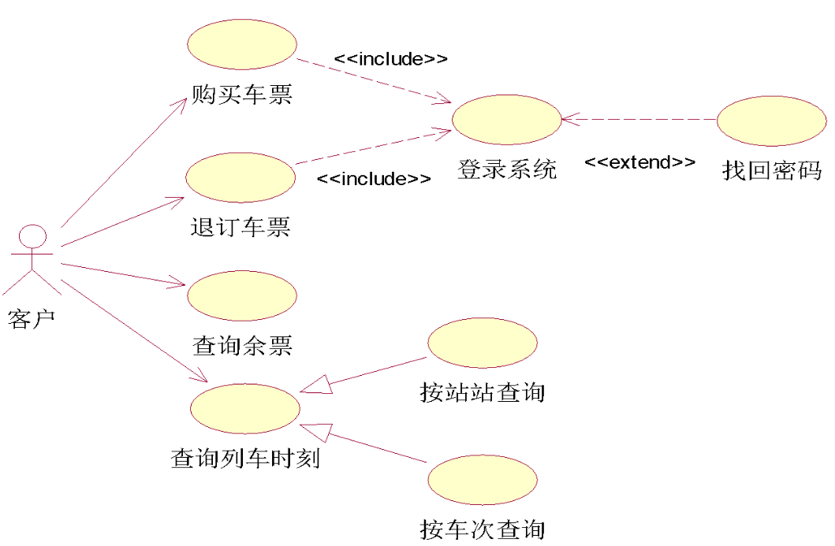
baseline |  |  |  |  |  | ours
Actor |  |  |  |  |  | Actor
correct | generated | oracle | precision | recall | f1 | correct | generated | oracle | precision | recall | f1
1 | 1 | 1 | 1.000 | 1.000 | 1.000 | 1 | 1 | 1 | 1 | 1 | 1
1 | 1 | 1 | 1.000 | 1.000 | 1.000 | 1 | 1 | 1 | 1 | 1 | 1
1 | 1 | 1 | 1.000 | 1.000 | 1.000 | 1 | 1 | 1 | 1 | 1 | 1
1 | 2 | 1 | 0.500 | 1.000 | 0.667 | 1 | 1 | 1 | 1 | 1 | 1
1 | 1 | 1 | 1.000 | 1.000 | 1.000 | 1 | 1 | 1 | 1 | 1 | 1
1 | 1 | 1 | 1.000 | 1.000 | 1.000 | 1 | 1 | 1 | 1 | 1 | 1
1 | 1 | 1 | 1.000 | 1.000 | 1.000 | 1 | 1 | 1 | 1 | 1 | 1
1 | 2 | 1 | 0.500 | 1.000 | 0.667 | 1 | 1 | 1 | 1 | 1 | 1
1 | 1 | 1 | 1.000 | 1.000 | 1.000 | 1 | 1 | 1 | 1 | 1 | 1
1 | 1 | 1 | 1.000 | 1.000 | 1.000 | 1 | 1 | 1 | 1 | 1 | 1
average |  |  | 0.900 | 1.000 | 0.933 | average |  |  | 1 | 1 | 1

baseline |  |  |  |  |  | ours
Use case |  |  |  |  |  | Use case
correct | generated | oracle | precision | recall | f1 | correct | generated | oracle | precision | recall | f1
6 | 6 | 8 | 1.000 | 0.750 | 0.857 | 8 | 8 | 8 | 1 | 1 | 1
7 | 7 | 8 | 1.000 | 0.875 | 0.933 | 6 | 6 | 8 | 1 | 0.75 | 0.85714285714
6 | 6 | 8 | 1.000 | 0.750 | 0.857 | 8 | 8 | 8 | 1 | 1 | 1
8 | 8 | 8 | 1.000 | 1.000 | 1.000 | 8 | 8 | 8 | 1 | 1 | 1
8 | 8 | 8 | 1.000 | 1.000 | 1.000 | 8 | 8 | 8 | 1 | 1 | 1
6 | 6 | 8 | 1.000 | 0.750 | 0.857 | 8 | 8 | 8 | 1 | 1 | 1
7 | 7 | 8 | 1.000 | 0.875 | 0.933 | 6 | 6 | 8 | 1 | 0.75 | 0.85714285714
6 | 6 | 8 | 1.000 | 0.750 | 0.857 | 8 | 8 | 8 | 1 | 1 | 1
8 | 8 | 8 | 1.000 | 1.000 | 1.000 | 8 | 8 | 8 | 1 | 1 | 1
8 | 8 | 8 | 1.000 | 1.000 | 1.000 | 8 | 8 | 8 | 1 | 1 | 1
average |  |  | 1.000 | 0.875 | 0.930 | average |  |  | 1 | 0.95 | 0.97142857143

baseline |  |  |  |  |  | ours
Relationships |  |  |  |  |  | Relatinoships
correct | generated | oracle | precision | recall | f1 | correct | generated | oracle | precision | recall | f1
4 | 6 | 9 | 0.667 | 0.444 | 0.533 | 4 | 10 | 9 | 0.4 | 0.44444444444 | 0.42105263158
3 | 7 | 9 | 0.429 | 0.333 | 0.000 | 6 | 10 | 9 | 0.6 | 0.66666666667 | 0.63157894737
4 | 6 | 9 | 0.667 | 0.444 | 0.533 | 6 | 11 | 9 | 0.54545454545 | 0.66666666667 | 0.6
5 | 11 | 9 | 0.364 | 0.444 | 0.400 | 4 | 9 | 9 | 0.44444444444 | 0.44444444444 | 0.44444444444
4 | 8 | 9 | 0.500 | 0.444 | 0.471 | 5 | 10 | 9 | 0.5 | 0.55555555556 | 0.52631578947
5 | 10 | 9 | 0.500 | 0.556 | 0.526 | 5 | 10 | 9 | 0.5 | 0.55555555556 | 0.52631578947
4 | 7 | 9 | 0.571 | 0.444 | 0.500 | 4 | 11 | 9 | 0.36363636364 | 0.44444444444 | 0.4
4 | 6 | 9 | 0.667 | 0.444 | 0.533 | 5 | 9 | 9 | 0.55555555556 | 0.55555555556 | 0.55555555556
4 | 6 | 9 | 0.667 | 0.444 | 0.533 | 4 | 10 | 9 | 0.4 | 0.44444444444 | 0.42105263158
4 | 6 | 9 | 0.667 | 0.444 | 0.533 | 4 | 10 | 9 | 0.4 | 0.44444444444 | 0.42105263158
average |  |  | 0.570 | 0.444 | 0.456 | average |  |  | 0.47090909091 | 0.52222222222 | 0.49473684211

